Vanilla
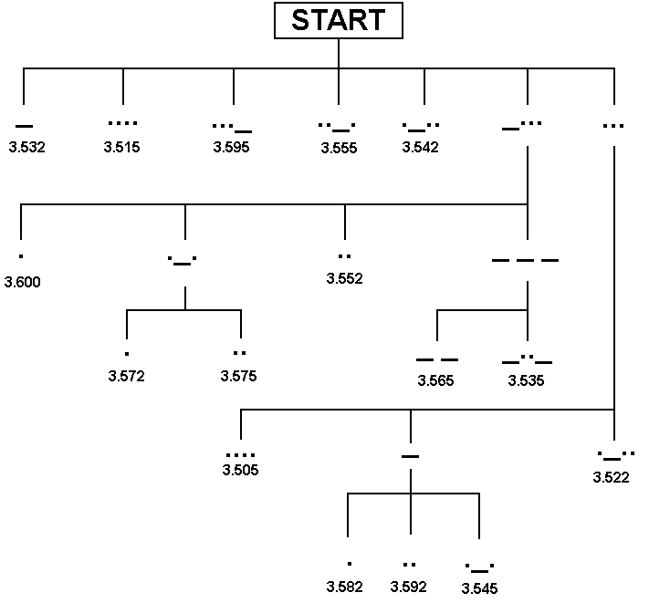
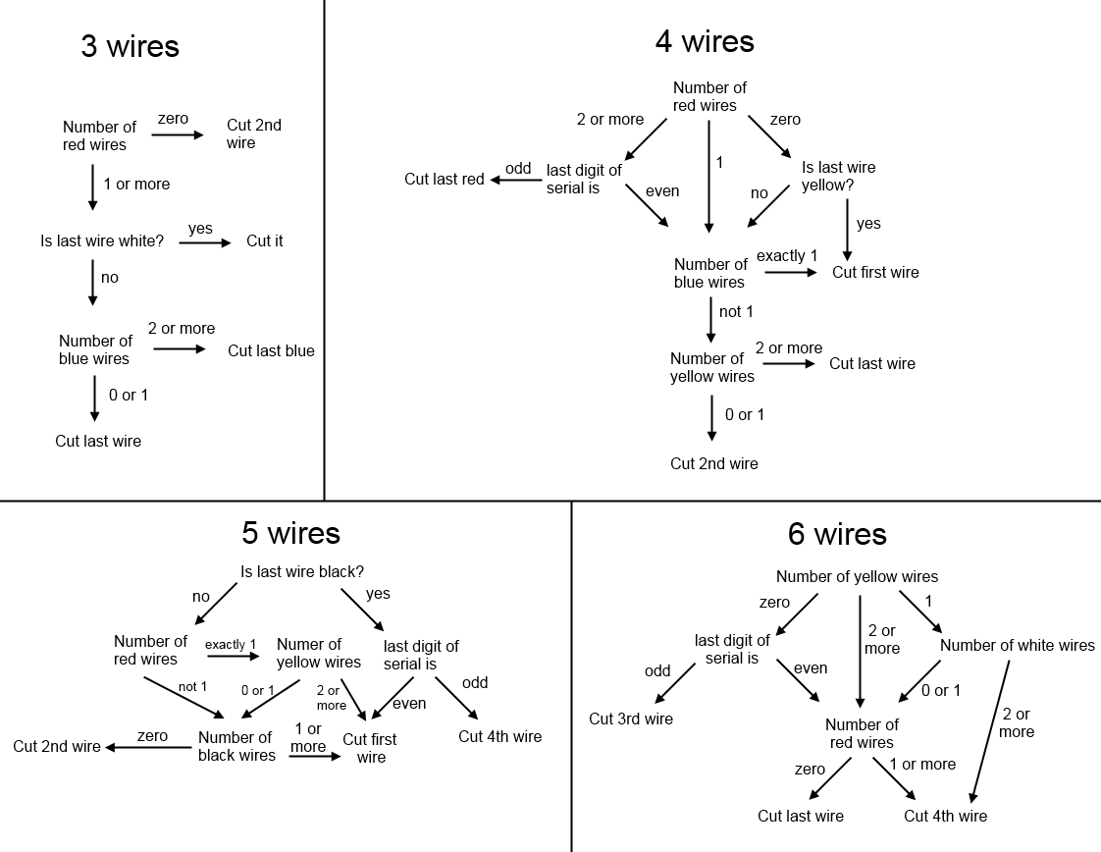
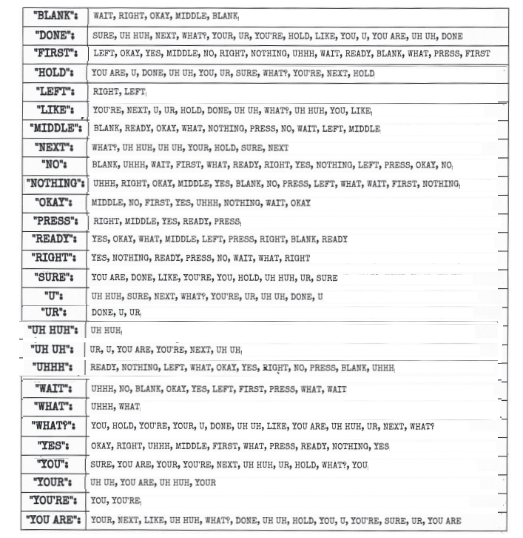
http://www.bombmanual.com/manual/1/pdf/Bomb-Defusal-Manual_1.pdf

Tools
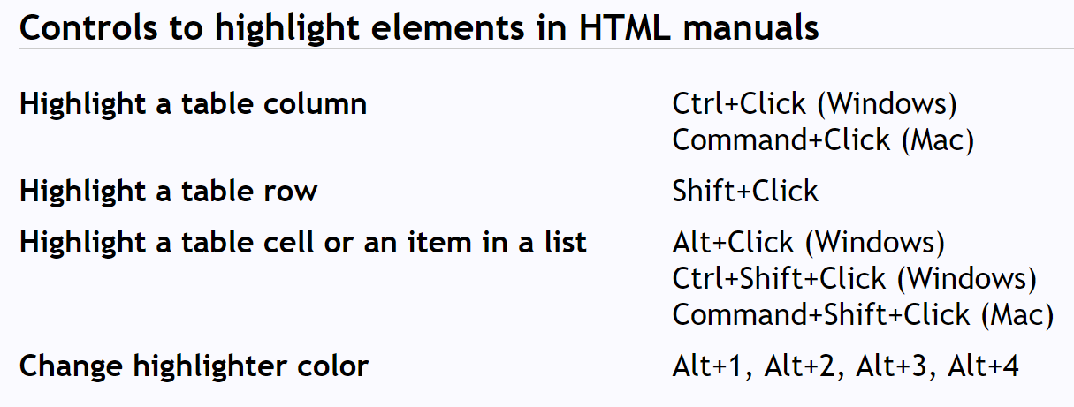
A | Alpha | 1
B | Bravo | 2
C | Charlie | 3
D | Delta | 4
E | Echo | 5
F | Foxtrot | 6
G | Golf | 7
H | Hotel | 8
I | India | 9
J | Juliet | 10
K | Kilo | 11
L | Lima | 12
M | Mike | 13
N | November | 14
O | Oscar | 15
P | Papa | 16
Q | Quebec | 17
R | Romeo | 18
S | Sierra | 19
T | Tango | 20
U | Uniform | 21
V | Victor | 22
W | Whiskey | 23
X | X-ray | 24
Y | Yankee | 25
Z | Zulu | 26

Algebra
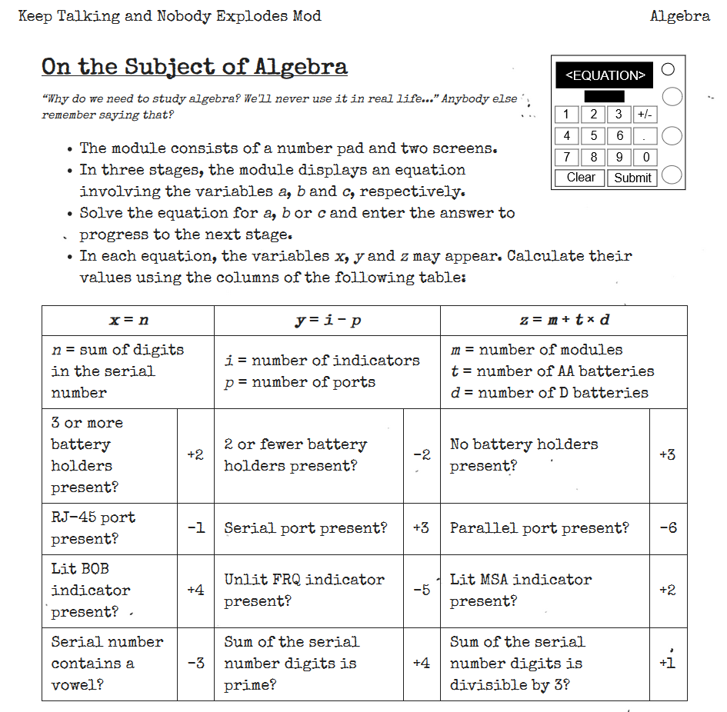

 |  |  |  |  |  |  |  |  |  | A | 2
 |  | Value | 0 | 0 | 0 | 0 | 0 | 0 | Yes | E | 3
 |  | Vowel | FALSE | FALSE | FALSE | FALSE | FALSE | FALSE | No | I | 5
 |  |  |  |  |  |  |  |  |  | O | 7
 | https://ktane.timwi.de/HTML/Algebra.html |  |  |  |  |  |  |  |  | U | 11
 |  |  |  |  |  |  |  |  |  |  | 13
 | Landing Checklist |  |  |  |  |  |  |  |  |  | 17
Q1) | Serial |  |  | X | Y | Z |  |  |  |  | 19
 | #. Modules |  |  | 0 | -2 | 4 |  |  |  |  | 23
Q2) | Battery holder |  |  |  |  |  |  |  |  |  | 29
 | AA battery |  |  |  |  |  |  |  |  |  | 31
 | D battery |  | x=n |  | y=i-p |  | z=m+t*d |  |  |  | 37
 | #. Indicator |  | n= | 0 | i-p= | 0 | m+t*d= | 0 |  |  | 41
 | #. Port |  | Battery holders | 0 | 2- battery holder | -2 | No hold? | 3 |  |  | 43
Q3) | RJ-45 |  | RJ-45 | 0 | Serial | 0 | Parallel | 0 |  |  | 47
 | Serial |  | Lit BOB? | 0 | Unlit FRQ | 0 | Lit MSA | 0 |  |  | 53
 | Parallel |  | Vowel? | 0 | Prime? | 0 | %3=0? | 1 |  |  | 59
 | Lit BOB
 | Lit MSA
 | Unlit FRQ

 | NO VBA [so sad]

Switches
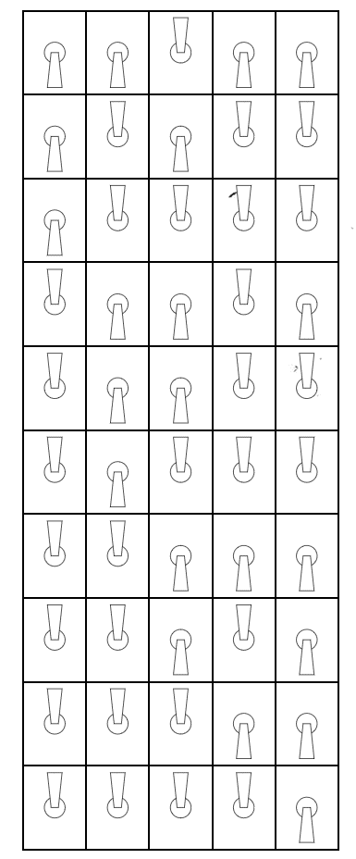

https://ktane.timwi.de/HTML/Switches.html

