Conceptual Model
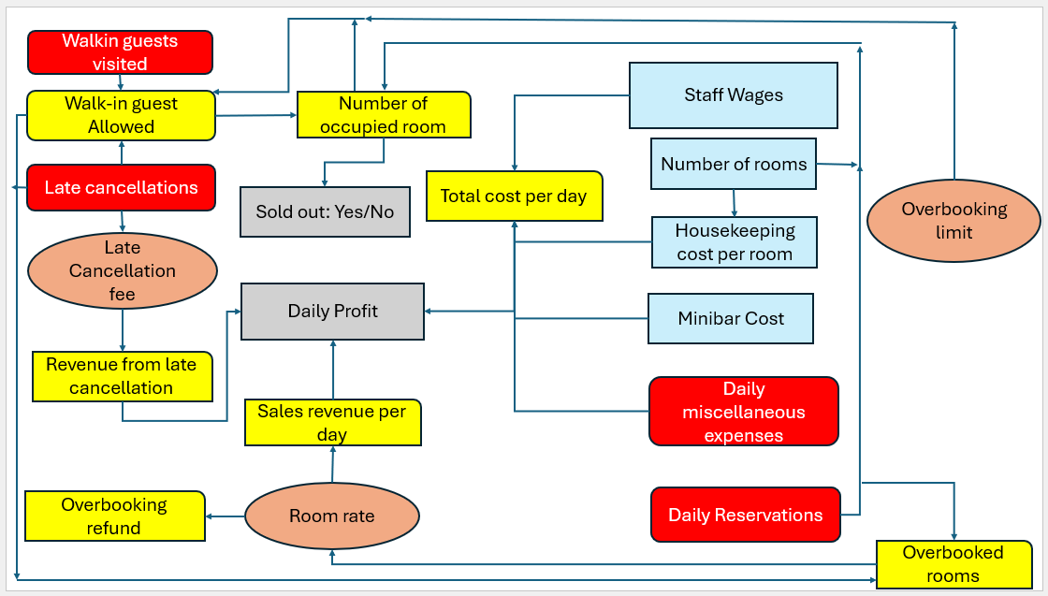

Simulated data sheet
Sales revenue at 200
 | $1,681.00
 | $1,607.00
 | $3,817.00
 | $4,168.25
 | $4,331.60
 | $4,880.00
 | $4,609.29
 | $4,822.00
 | $4,823.67
 | $5,070.90
 | $5,248.27
 | $5,129.42
 | $5,377.00
 | $5,276.50
 | $5,270.40
 | $5,219.69
 | $4,986.71
 | $5,224.06
 | $5,331.95
 | $5,183.85
 | $5,027.29
 | $5,072.50
 | $5,108.30
 | $5,193.29
 | $5,112.96
 | $5,120.00
 | $5,076.59
 | $5,090.25
 | $5,063.38
 | $5,109.17
 | $5,267.65
 | $5,265.75
 | $5,346.58
 | $5,379.29
 | $5,425.17
 | $5,443.19
 | $5,324.70
 | $5,432.53
 | $5,312.97
 | $5,345.70
 | $5,318.29
 | $5,403.83
 | $5,322.26
 | $5,391.02
 | $5,297.56
 | $5,336.65
 | $5,275.74
 | $5,303.79
 | $5,285.49
 | $5,252.22
...
No. of occupied rooms at $200
 | 6
 | 6
 | 18
 | 20
 | 20
 | 23
 | 22
 | 23
 | 23
 | 24
 | 25
 | 25
 | 26
 | 25
 | 25
 | 25
 | 24
 | 25
 | 26
 | 25
 | 24
 | 24
 | 24
 | 25
 | 24
 | 24
 | 24
 | 24
 | 24
 | 24
 | 25
 | 25
 | 26
 | 26
 | 26
 | 26
 | 26
 | 26
 | 25
 | 26
 | 25
 | 26
 | 25
 | 26
 | 25
 | 26
 | 25
 | 25
 | 25
 | 25
...
Daily profit at $200
 | $157.56
 | $58.88
 | $2,273.55
 | $2,630.40
 | $2,795.61
 | $3,351.82
 | $3,071.47
 | $3,284.89
 | $3,285.00
 | $3,534.14
 | $3,711.62
 | $3,593.12
 | $3,841.82
 | $3,737.95
 | $3,731.69
 | $3,684.26
 | $3,449.29
 | $3,681.89
 | $3,789.99
 | $3,642.90
 | $3,484.56
 | $3,530.18
 | $3,566.17
 | $3,652.21
 | $3,570.86
 | $3,577.16
 | $3,533.92
 | $3,546.36
 | $3,520.75
 | $3,567.26
 | $3,725.47
 | $3,722.32
 | $3,803.64
 | $3,836.39
 | $3,881.00
 | $3,900.17
 | $3,781.39
 | $3,888.10
 | $3,767.74
 | $3,800.50
 | $3,773.72
 | $3,860.24
 | $3,778.13
 | $3,845.45
 | $3,751.44
 | $3,790.40
 | $3,730.71
 | $3,758.25
 | $3,739.76
 | $3,706.41
...
TRACKING CONVERGENCE OF OUTPUT MEANS

Mean sales revenue | Mean No. of occupied rooms | Mean Daily Profit
...
$6,098.00 | 17 | 4508.8046405
$7,341.50 | 21 | 5782.9460625
$6,822.67 | 19 | 5260.7260979
$8,994.75 | 25 | 7434.0192342
$8,150.20 | 23 | 6599.1481676
$8,563.67 | 24 | 7014.8672095
$8,443.14 | 23 | 6888.9798903
$9,038.88 | 25 | 7493.7161187
$9,295.44 | 26 | 7751.7809026
$9,500.70 | 27 | 7959.9635767
Mean sales revenue at $230
 | $10,572.00
 | $10,535.00
 | $8,017.33
 | $8,157.00
 | $8,387.80
 | $8,009.83
 | $8,256.14
 | $8,377.75
 | $7,828.44
 | $7,512.20
 | $7,824.73
 | $7,916.42
 | $7,563.69
 | $7,721.36
 | $7,405.40
 | $7,183.63
 | $7,128.06
 | $7,172.22
 | $7,173.89
 | $6,975.80
 | $7,031.86
 | $6,847.77
 | $7,012.91
 | $6,824.25
 | $6,667.28
 | $6,851.42
 | $6,951.04
 | $6,948.93
 | $7,002.48
 | $7,024.53
 | $7,026.23
 | $7,041.28
 | $6,902.09
 | $6,872.56
 | $6,754.83
 | $6,704.44
 | $6,599.62
 | $6,511.24
 | $6,414.85
 | $6,455.53
 | $6,387.63
 | $6,335.00
 | $6,212.33
 | $6,158.14
 | $6,180.38
 | $6,178.43
 | $6,204.19
 | $6,153.75
 | $6,195.47
 | $6,162.66
...
No. of occupied rooms at $230
 | 45
 | 45
 | 34
 | 35
 | 36
 | 34
 | 35
 | 36
 | 33
 | 32
 | 33
 | 33
 | 32
 | 33
 | 31
 | 30
 | 30
 | 30
 | 30
 | 29
 | 30
 | 29
 | 29
 | 29
 | 28
 | 29
 | 29
 | 29
 | 29
 | 30
 | 30
 | 30
 | 29
 | 29
 | 28
 | 28
 | 28
 | 27
 | 27
 | 27
 | 27
 | 27
 | 26
 | 26
 | 26
 | 26
 | 26
 | 26
 | 26
 | 26
...
Mean daily profit at $230
 | $9,093.28
 | $9,013.02
 | $6,491.82
 | $6,623.34
 | $6,852.60
 | $6,469.34
 | $6,718.15
 | $6,837.18
 | $6,287.72
 | $5,978.41
 | $6,293.19
 | $6,386.76
 | $6,032.31
 | $6,193.88
 | $5,877.31
 | $5,655.42
 | $5,600.01
 | $5,643.74
 | $5,643.48
 | $5,444.93
 | $5,503.09
 | $5,317.75
 | $5,482.65
 | $5,295.27
 | $5,134.68
 | $5,317.82
 | $5,418.24
 | $5,416.58
 | $5,470.92
 | $5,495.01
 | $5,497.36
 | $5,513.23
 | $5,372.98
 | $5,343.18
 | $5,225.89
 | $5,176.17
 | $5,071.49
 | $4,983.55
 | $4,887.45
 | $4,927.61
 | $4,858.87
 | $4,805.91
 | $4,684.00
 | $4,629.34
 | $4,652.73
 | $4,649.02
 | $4,674.76
 | $4,624.42
 | $4,666.51
 | $4,632.93
...
$10,181.09 | 28 | 8641.980373
$10,424.17 | 29 | 8891.8168974
$10,468.31 | 29 | 8936.0450962
$9,769.36 | 27 | 8237.8029443
$9,643.73 | 27 | 8113.1811146
$9,514.25 | 27 | 7978.4878596
$9,633.00 | 27 | 8097.3943037
$9,576.83 | 27 | 8039.8055487
$9,913.42 | 28 | 8375.7653446
$9,829.50 | 27 | 8294.8011517
$9,505.33 | 27 | 7971.5274305
$9,226.55 | 26 | 7693.2955352
$9,031.26 | 25 | 7495.1682449
$8,855.33 | 25 | 7319.9982493
$8,743.56 | 24 | 7207.7937985
$8,640.38 | 24 | 7105.4379449
Sales revenue at $350
 | $6,098.00
 | $7,341.50
 | $6,822.67
 | $8,994.75
 | $8,150.20
 | $8,563.67
 | $8,443.14
 | $9,038.88
 | $9,295.44
 | $9,500.70
 | $10,181.09
 | $10,424.17
 | $10,468.31
 | $9,769.36
 | $9,643.73
 | $9,514.25
 | $9,633.00
 | $9,576.83
 | $9,913.42
 | $9,829.50
 | $9,505.33
 | $9,226.55
 | $9,031.26
 | $8,855.33
 | $8,743.56
 | $8,640.38
 | $8,652.67
 | $8,482.46
 | $8,668.31
 | $8,931.40
 | $9,216.16
 | $9,254.59
 | $9,201.36
 | $9,286.18
 | $9,214.03
 | $9,032.31
 | $8,850.95
 | $8,710.66
 | $8,902.97
 | $8,994.98
 | $9,113.02
 | $9,050.45
 | $8,887.56
 | $8,871.89
 | $8,880.24
 | $8,964.33
 | $9,001.72
 | $9,082.08
 | $9,206.14
 | $9,204.42
...
Number of occupied rooms @350
 | 17
 | 21
 | 19
 | 25
 | 23
 | 24
 | 23
 | 25
 | 26
 | 27
 | 28
 | 29
 | 29
 | 27
 | 27
 | 27
 | 27
 | 27
 | 28
 | 27
 | 27
 | 26
 | 25
 | 25
 | 24
 | 24
 | 24
 | 24
 | 24
 | 25
 | 26
 | 26
 | 26
 | 26
 | 26
 | 25
 | 25
 | 24
 | 25
 | 25
 | 25
 | 25
 | 25
 | 25
 | 25
 | 25
 | 25
 | 25
 | 26
 | 26
...
Mean Daily profit @350
 | 4508.8046405
 | 5782.9460625
 | 5260.7260979
 | 7434.0192342
 | 6599.1481676
 | 7014.8672095
 | 6888.9798903
 | 7493.7161187
 | 7751.7809026
 | 7959.9635767
 | 8641.980373
 | 8891.8168974
 | 8936.0450962
 | 8237.8029443
 | 8113.1811146
 | 7978.4878596
 | 8097.3943037
 | 8039.8055487
 | 8375.7653446
 | 8294.8011517
 | 7971.5274305
 | 7693.2955352
 | 7495.1682449
 | 7319.9982493
 | 7207.7937985
 | 7105.4379449
 | 7116.7996448
 | 6947.5185983
 | 7132.5675375
 | 7394.2111011
 | 7677.5887956
 | 7715.2881758
 | 7663.5499334
 | 7748.1670793
 | 7675.0324627
 | 7493.4289092
 | 7311.7908191
 | 7170.7354438
 | 7361.2237366
 | 7453.3370832
 | 7572.1760508
 | 7509.1521852
 | 7346.5623392
 | 7330.8233379
 | 7338.7148503
 | 7421.7853252
 | 7460.2752878
 | 7540.8761741
 | 7665.6034356
 | 7664.2434857
...
$8,652.67 | 24 | 7116.7996448
$8,482.46 | 24 | 6947.5185983
$8,668.31 | 24 | 7132.5675375
$8,931.40 | 25 | 7394.2111011
$9,216.16 | 26 | 7677.5887956
$9,254.59 | 26 | 7715.2881758
$9,201.36 | 26 | 7663.5499334
$9,286.18 | 26 | 7748.1670793
$9,214.03 | 26 | 7675.0324627
$9,032.31 | 25 | 7493.4289092
$8,850.95 | 25 | 7311.7908191
$8,710.66 | 24 | 7170.7354438
$8,902.97 | 25 | 7361.2237366
$8,994.98 | 25 | 7453.3370832
$9,113.02 | 25 | 7572.1760508
$9,050.45 | 25 | 7509.1521852
$8,887.56 | 25 | 7346.5623392
$8,871.89 | 25 | 7330.8233379
$8,880.24 | 25 | 7338.7148503
$8,964.33 | 25 | 7421.7853252
$9,001.72 | 25 | 7460.2752878
$9,082.08 | 25 | 7540.8761741
$9,206.14 | 26 | 7665.6034356
$9,204.42 | 26 | 7664.2434857
$9,219.00 | 26 | 7677.6034159
$9,186.62 | 26 | 7646.0240029
...

Output summary
Histogram
Histogram
Histogram
 |  |  |  | At $230 |  |  |  |  |  | $350 | $350
 |  |  |  | Daily profit | Soldout:Yes/No |  |  |  |  | Daily profit | Soldout:Yes/No
 |  |  |  | $9,093.28 | No | Column1 |  | Bin | Frequency | $4,508.80 | No | Column1
Column1 |  | Bin | Frequency | $8,932.76 | No |  |  | -1350 | 0 | $7,057.09 | No |  |  | Bin | Frequency
 |  | -1000 | 0 | $1,449.42 | No | Mean | 4707.9417782 | -500 | 9 | $4,216.29 | No | Mean | 7885.8870882 | -1550 | 0
Mean | 3977.1233936 | -300 | 15 | $7,017.90 | No | Standard Error | 79.75202233 | 350 | 25 | $13,953.90 | No | Standard Error | 124.36601684 | -250 | 6
Standard Error | 71.106636137 | 400 | 33 | $7,769.64 | No | Median | 4748.3411256 | 1200 | 49 | $3,259.66 | No | Median | 7789.2057537 | 1050 | 19
Median | 4003.3368362 | 1100 | 71 | $4,553.05 | No | Mode | #N/A | 2050 | 90 | $9,093.46 | No | Mode | #N/A | 2350 | 56
Mode | #N/A | 1800 | 85 | $8,210.98 | No | Standard Deviation | 2521.9803857 | 2900 | 100 | $6,133.66 | No | Standard Deviation | 3932.7987674 | 3650 | 100
Standard Deviation | 2248.5892694 | 2500 | 95 | $7,670.41 | No | Sample Variance | 6360385.0657 | 3750 | 112 | $11,726.87 | No | Sample Variance | 15466906.145 | 4950 | 95
Sample Variance | 5056153.7027 | 3200 | 93 | $1,892.07 | No | Kurtosis | -0.88505359772 | 4600 | 99 | $9,816.30 | No | Kurtosis | -0.92923404026 | 6250 | 91
Kurtosis | -0.96858757577 | 3900 | 93 | $3,194.60 | No | Skewness | -0.012547527731 | 5450 | 110 | $9,833.61 | No | Skewness | -0.014785265422 | 7550 | 108
Skewness | -0.019908688548 | 4600 | 103 | $9,441.02 | No | Range | 11514.117126 | 6300 | 110 | $15,462.15 | No | Range | 17813.656567 | 8850 | 95
Range | 9634.9791119 | 5300 | 92 | $7,415.97 | No | Minimum | -1301.3258349 | 7150 | 93 | $11,640.02 | No | Minimum | -1529.822032 | 10150 | 93
Minimum | -983.13284098 | 6000 | 90 | $1,778.96 | No | Maximum | 10212.791291 | 8000 | 91 | $9,466.78 | No | Maximum | 16283.834535 | 11450 | 115
Maximum | 8651.8462709 | 6700 | 96 | $8,294.27 | No | Sum | 4707941.7782 | 8850 | 70 | -$839.35 | No | Sum | 7885887.0882 | 12750 | 104
Sum | 3977123.3936 | 7400 | 73 | $1,445.28 | No | Count | 1000 | 9700 | 34 | $6,368.48 | No | Count | 1000 | 14050 | 55
Count | 1000 | 8100 | 44 | $2,327.17 | No |  |  | 10550 | 8 | $5,958.09 | No |  |  | 15350 | 51
 |  | 8800 | 17 | $4,713.37 | No | Bins |  | More | 0 | $9,999.90 | No | Bins |  | 16650 | 12
 |  | More | 0 | $6,387.24 | No | -1350 |  |  |  | $7,060.80 | No | -1550 |  | More | 0
 |  |  |  | $5,638.83 | No | -500 |  |  |  | $14,423.04 | No | -250
Bins |  |  |  | $1,672.31 | No | 350 |  |  |  | $6,756.48 | No | 1050
 |  |  |  |  |  |  |  |  |  |  |  | 2350
...

