LP
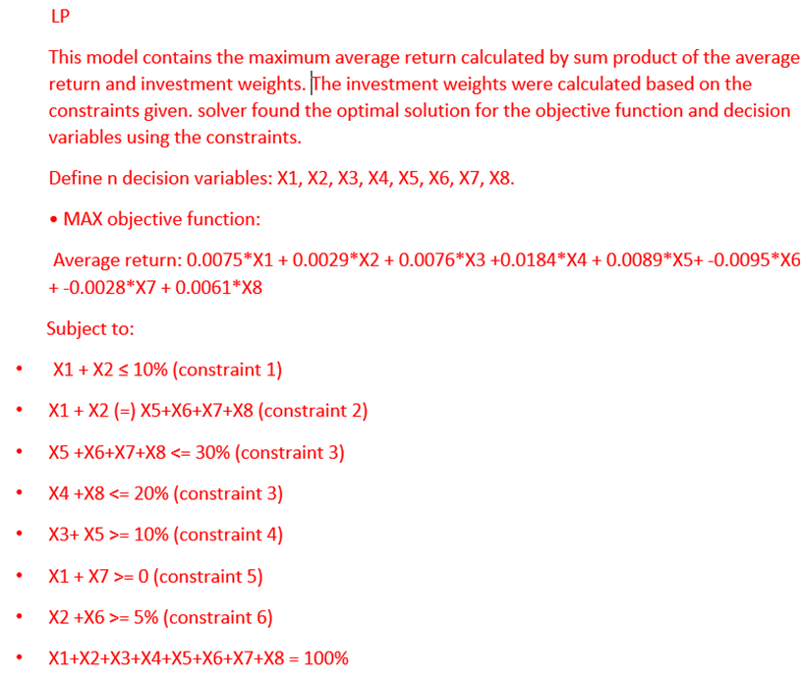
 | C1 | C2 | C3 | C4 | Total
R1 |  |  | TLS | CQR | 2
R2 | ORA | CAR |  |  | 2
R3 | BHP | LNK | AGL | LLC | 4
Total | 2 | 2 | 2 | 2

 | INPUTS

 | Stock | TLS | CQR | ORA | CAR | BHP | LLC | AGL | LLC
 | Mean | 0.75% | 0.29% | 0.76% | 1.84% | 0.89% | -0.95% | -0.28% | 0.61%

 | DECISION VARIABLES

 |  | TLS | CQR | ORA | CAR | BHP | LLC | AGL | LNK
 | Investment weights | 5.00% | 5.00% | 60.00% | 20.00% | 10.00% | 0.00% | 0.00% | 0.00%

 | OBJECTIVE FUNCTION

 | Maximum overall return | 0.97%

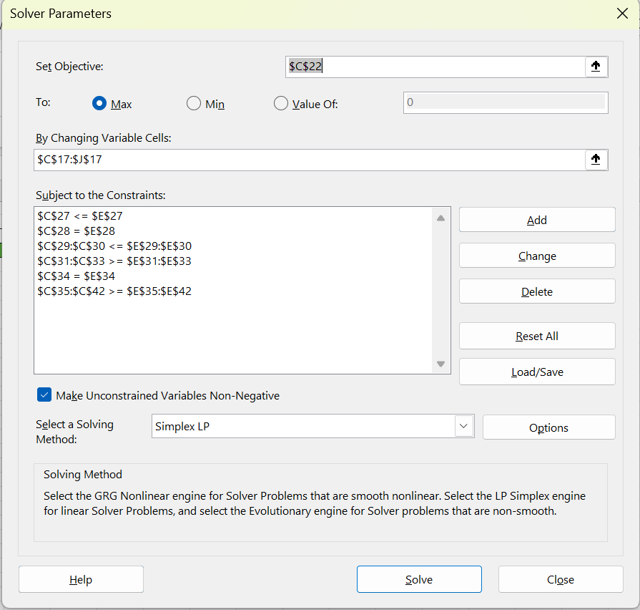
 | CONSTRAINTS
 |  | LHS |  | RHS
 |  | 10.00% | ≤ | 10.00%
 |  | 10.00% | = | 10.00%
 |  | 10.00% | <= | 30%
 |  | 20.00% | <= | 20%
 |  | 70.00% | >= | 10%
 |  | 0.48% | >= | 0%
 |  | 5.00% | >= | 5%
 |  | 100.00% | = | 100%
 |  | 5.00% | >= | 0%
 |  | 5.00% | >= | 0%
 |  | 60.00% | >= | 0%
 |  | 20.00% | >= | 0%
 |  | 10.00% | >= | 0%
 |  | 0.00% | >= | 0%
 |  | 0.00% | >= | 0%
 |  | 0.00% | >= | 0%

ILP
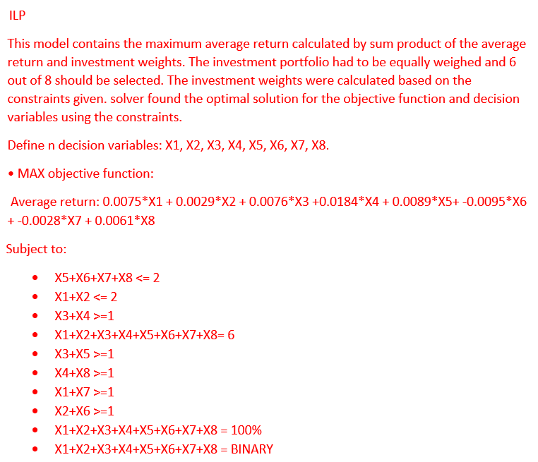
 | C1 | C2 | C3 | C4 | Total
R1 |  |  | TLS | CQR | 2
R2 | ORA | CAR |  |  | 2
R3 | BHP | LNK | AGL | LLC | 4
Total | 2 | 2 | 2 | 2

 | INPUTS

 | Stock | TLS | CQR | ORA | CAR | BHP | LLC | AGL | LLC
 | Mean | 0.75% | 0.29% | 0.76% | 1.84% | 0.89% | -0.95% | -0.28% | 0.61%

 | DECISION VARIABLES

 |  | TLS | CQR | ORA | CAR | BHP | LLC | AGL | LNK
 | Investment weights | 1.00 | 1.00 | 1.00 | 1.00 | 1.00 | 0.00 | 0.00 | 1.00

 | OBJECTIVE FUNCTION

 | Maximum overall return | 5.14%

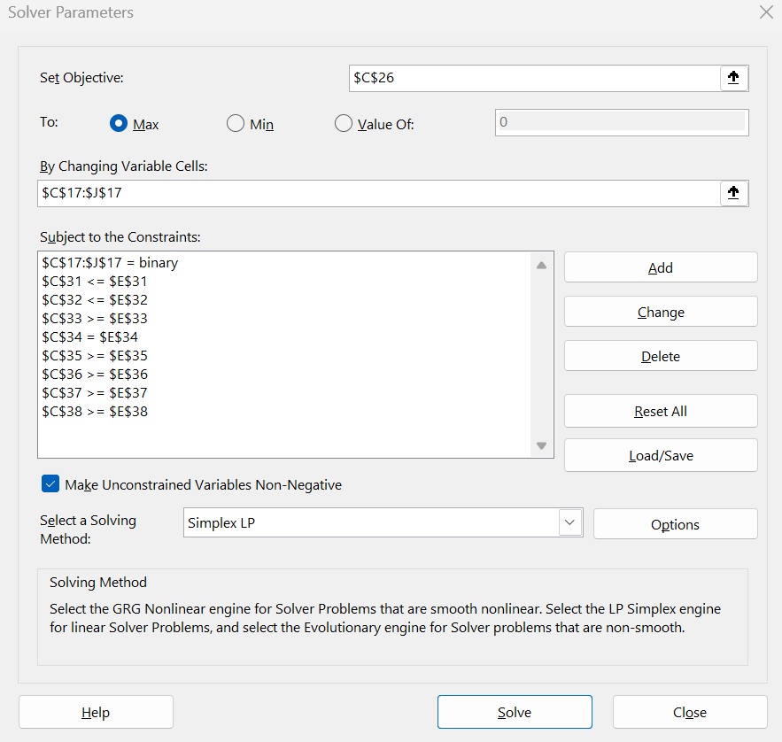
 | CONSTRAINTS
 |  | LHS |  | RHS
 |  | 2.00 | <= | 2.00
 |  | 2.00 | <= | 2.00
 |  | 2.00 | >= | 1.00
 |  | 6.00 | = | 6.00
 |  | 2.00 | >= | 1
 |  | 2.00 | >= | 1
 |  | 1.00 | >= | 1.00
 |  | 1.00 | >= | 1.00

Minimize Risk
PORTFOLIO OPTIMISATION MODELS

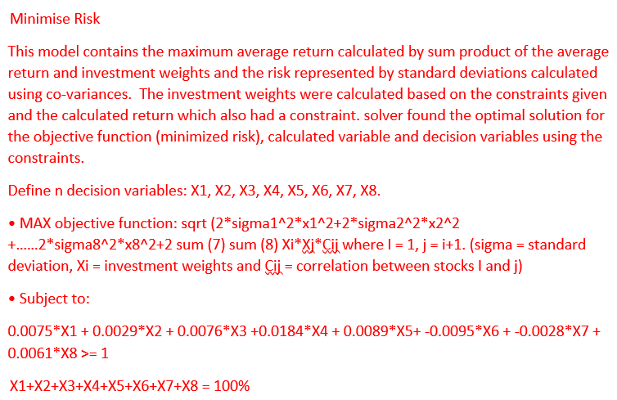
 | INPUTS

 | Stock | 1 | 2 | 3 | 4 | 5 | 6 | 7 | 8
 | Mean | 0.0075 | 0.0029 | 0.0076 | 0.0184 | 0.0089 | -0.0095 | -0.0028 | 0.0061

 | Cov | 1 | 2 | 3 | 4 | 5 | 6 | 7 | 8
 | 1 | 0.00093622853614 | 0.00070852933317 | 0.00048617206988 | 0.00020685006293 | -5.4388884552E-05 | 0.00025889968219 | 0.00019760681011 | 0.0016175813098
 | 2 | 0.00070852933317 | 0.0034022881179 | 0.0020323257815 | 0.0019030347937 | 0.00021139546289 | 0.0030604732496 | 0.00023238097006 | 0.0050658278973
 | 3 | 0.00048617206988 | 0.0020323257815 | 0.0053176369327 | 0.00089766241482 | 0.001586256394 | 0.0026294188198 | 0.0003844179015 | 0.0023127415569
 | 4 | 0.00020685006293 | 0.0019030347937 | 0.00089766241482 | 0.005528130647 | 0.00033566979159 | 0.0019771009962 | -0.0003606767504 | 0.0030177527379
 | 5 | -5.4388884552E-05 | 0.00021139546289 | 0.001586256394 | 0.00033566979159 | 0.0068414678362 | 0.0017168730675 | 0.0023259860138 | 0.0013326488327
 | 6 | 0.00025889968219 | 0.0030604732496 | 0.0026294188198 | 0.0019771009962 | 0.0017168730675 | 0.0077922046159 | 6.824825535E-05 | 0.0050933410121
 | 7 | 0.00019760681011 | 0.00023238097006 | 0.0003844179015 | -0.0003606767504 | 0.0023259860138 | 6.824825535E-05 | 0.0098414878551 | 0.00027600085051
 | 8 | 0.0016175813098 | 0.0050658278973 | 0.0023127415569 | 0.0030177527379 | 0.0013326488327 | 0.0050933410121 | 0.00027600085051 | 0.020645723632

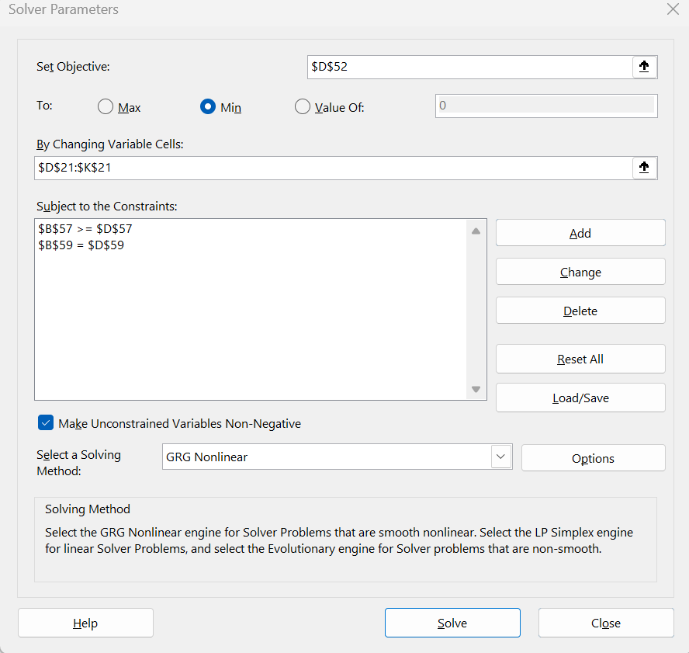
DECISION VARIABLES
 |  | stock 1 | stock 2 | stock 3 | stock 4 | stock 5 | stock 6 | stock 7 | stock 8
 | Investment weights | 68.02% | 0.00% | 0.00% | 21.35% | 10.63% | 0.00% | 0.00% | 0.00%

CALCULATED VARIABLES

 |  | 68% | 0% | 0% | 21% | 11% | 0% | 0% | 0%
 | Cov | 1 | 2 | 3 | 4 | 5 | 6 | 7 | 8
68% | 1 | 0.00093622853614 | 0.00070852933317 | 0.00048617206988 | 0.00020685006293 | -5.4388884552E-05 | 0.00025889968219 | 0.00019760681011 | 0.0016175813098
0% | 2 | 0.00070852933317 | 0.0034022881179 | 0.0020323257815 | 0.0019030347937 | 0.00021139546289 | 0.0030604732496 | 0.00023238097006 | 0.0050658278973
0% | 3 | 0.00048617206988 | 0.0020323257815 | 0.0053176369327 | 0.00089766241482 | 0.001586256394 | 0.0026294188198 | 0.0003844179015 | 0.0023127415569
21% | 4 | 0.00020685006293 | 0.0019030347937 | 0.00089766241482 | 0.005528130647 | 0.00033566979159 | 0.0019771009962 | -0.0003606767504 | 0.0030177527379
11% | 5 | -5.4388884552E-05 | 0.00021139546289 | 0.001586256394 | 0.00033566979159 | 0.0068414678362 | 0.0017168730675 | 0.0023259860138 | 0.0013326488327
0% | 6 | 0.00025889968219 | 0.0030604732496 | 0.0026294188198 | 0.0019771009962 | 0.0017168730675 | 0.0077922046159 | 6.824825535E-05 | 0.0050933410121
0% | 7 | 0.00019760681011 | 0.00023238097006 | 0.0003844179015 | -0.0003606767504 | 0.0023259860138 | 6.824825535E-05 | 0.0098414878551 | 0.00027600085051
0% | 8 | 0.0016175813098 | 0.0050658278973 | 0.0023127415569 | 0.0030177527379 | 0.0013326488327 | 0.0050933410121 | 0.00027600085051 | 0.020645723632

 | Portfolio variance terms | 1 | 2 | 3 | 4 | 5 | 6 | 7 | 8
 | 1 | 0.0004 | 0.0000 | 0.0000 | 0.0000 | 0.0000 | 0.0000 | 0.0000 | 0.0000
 | 2 | 0.0000 | 0.0000 | 0.0000 | 0.0000 | 0.0000 | 0.0000 | 0.0000 | 0.0000
 | 3 | 0.0000 | 0.0000 | 0.0000 | 0.0000 | 0.0000 | 0.0000 | 0.0000 | 0.0000
 | 4 | 0.0000 | 0.0000 | 0.0000 | 0.0003 | 0.0000 | 0.0000 | 0.0000 | 0.0000
 | 5 | 0.0000 | 0.0000 | 0.0000 | 0.0000 | 0.0001 | 0.0000 | 0.0000 | 0.0000
 | 6 | 0.0000 | 0.0000 | 0.0000 | 0.0000 | 0.0000 | 0.0000 | 0.0000 | 0.0000
 | 7 | 0.0000 | 0.0000 | 0.0000 | 0.0000 | 0.0000 | 0.0000 | 0.0000 | 0.0000
 | 8 | 0.0000 | 0.0000 | 0.0000 | 0.0000 | 0.0000 | 0.0000 | 0.0000 | 0.0000

 | Average portfolio return | 1.00%

OBJECTIVE FUNCTION

Standard deviation of portfolio return |  | 2.88%

CONSTRAINTS
LHS |  | RHS
1.00% | ≥ | 1% |  | (Minimum expected return of 1%)

100% | = | 100% |  | (Portfolio = 100% of total investment)

Maximise return
PORTFOLIO OPTIMISATION MODELS

 | INPUTS

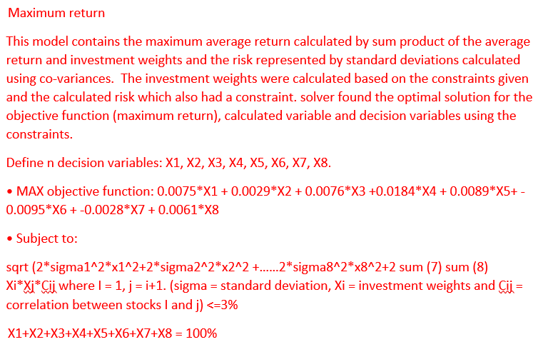
 | Stock | 1 | 2 | 3 | 4 | 5 | 6 | 7 | 8
 | Mean | 0.0075 | 0.0029 | 0.0076 | 0.0184 | 0.0089 | -0.0095 | -0.0028 | 0.0061

 | Cov | 1 | 2 | 3 | 4 | 5 | 6 | 7 | 8
 | 1 | 0.00093622853614 | 0.00070852933317 | 0.00048617206988 | 0.00020685006293 | -5.4388884552E-05 | 0.00025889968219 | 0.00019760681011 | 0.0016175813098
 | 2 | 0.00070852933317 | 0.0034022881179 | 0.0020323257815 | 0.0019030347937 | 0.00021139546289 | 0.0030604732496 | 0.00023238097006 | 0.0050658278973
 | 3 | 0.00048617206988 | 0.0020323257815 | 0.0053176369327 | 0.00089766241482 | 0.001586256394 | 0.0026294188198 | 0.0003844179015 | 0.0023127415569
 | 4 | 0.00020685006293 | 0.0019030347937 | 0.00089766241482 | 0.005528130647 | 0.00033566979159 | 0.0019771009962 | -0.0003606767504 | 0.0030177527379
 | 5 | -5.4388884552E-05 | 0.00021139546289 | 0.001586256394 | 0.00033566979159 | 0.0068414678362 | 0.0017168730675 | 0.0023259860138 | 0.0013326488327
 | 6 | 0.00025889968219 | 0.0030604732496 | 0.0026294188198 | 0.0019771009962 | 0.0017168730675 | 0.0077922046159 | 6.824825535E-05 | 0.0050933410121
 | 7 | 0.00019760681011 | 0.00023238097006 | 0.0003844179015 | -0.0003606767504 | 0.0023259860138 | 6.824825535E-05 | 0.0098414878551 | 0.00027600085051
 | 8 | 0.0016175813098 | 0.0050658278973 | 0.0023127415569 | 0.0030177527379 | 0.0013326488327 | 0.0050933410121 | 0.00027600085051 | 0.020645723632

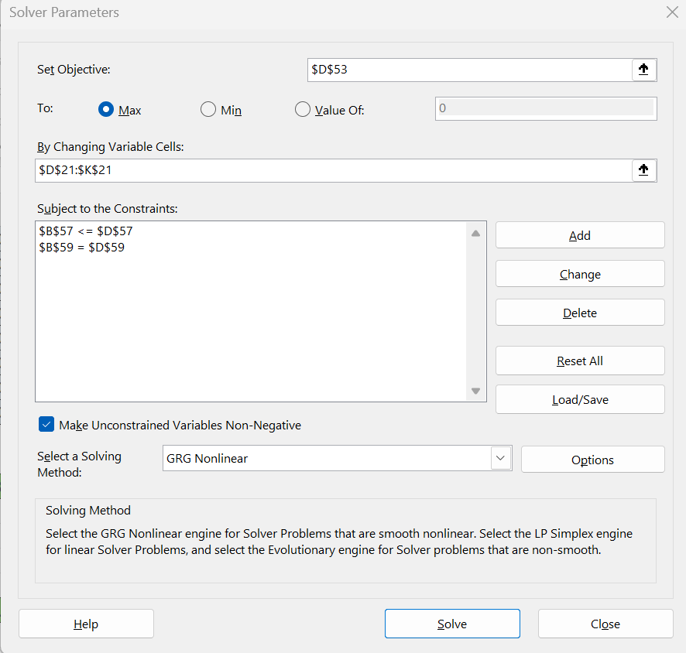
DECISION VARIABLES
 |  | stock 1 | stock 2 | stock 3 | stock 4 | stock 5 | stock 6 | stock 7 | stock 8
 | Investment weights | 63.88% | 0.00% | 0.00% | 25.69% | 10.42% | 0.00% | 0.00% | 0.00%

CALCULATED VARIABLES

 |  | 64% | 0% | 0% | 26% | 10% | 0% | 0% | 0%
 | Cov | 1 | 2 | 3 | 4 | 5 | 6 | 7 | 8
64% | 1 | 0.00093622853614 | 0.00070852933317 | 0.00048617206988 | 0.00020685006293 | -5.4388884552E-05 | 0.00025889968219 | 0.00019760681011 | 0.0016175813098
0% | 2 | 0.00070852933317 | 0.0034022881179 | 0.0020323257815 | 0.0019030347937 | 0.00021139546289 | 0.0030604732496 | 0.00023238097006 | 0.0050658278973
0% | 3 | 0.00048617206988 | 0.0020323257815 | 0.0053176369327 | 0.00089766241482 | 0.001586256394 | 0.0026294188198 | 0.0003844179015 | 0.0023127415569
26% | 4 | 0.00020685006293 | 0.0019030347937 | 0.00089766241482 | 0.005528130647 | 0.00033566979159 | 0.0019771009962 | -0.0003606767504 | 0.0030177527379
10% | 5 | -5.4388884552E-05 | 0.00021139546289 | 0.001586256394 | 0.00033566979159 | 0.0068414678362 | 0.0017168730675 | 0.0023259860138 | 0.0013326488327
0% | 6 | 0.00025889968219 | 0.0030604732496 | 0.0026294188198 | 0.0019771009962 | 0.0017168730675 | 0.0077922046159 | 6.824825535E-05 | 0.0050933410121
0% | 7 | 0.00019760681011 | 0.00023238097006 | 0.0003844179015 | -0.0003606767504 | 0.0023259860138 | 6.824825535E-05 | 0.0098414878551 | 0.00027600085051
0% | 8 | 0.0016175813098 | 0.0050658278973 | 0.0023127415569 | 0.0030177527379 | 0.0013326488327 | 0.0050933410121 | 0.00027600085051 | 0.020645723632

 | Portfolio variance terms | 1 | 2 | 3 | 4 | 5 | 6 | 7 | 8
 | 1 | 0.0004 | 0.0000 | 0.0000 | 0.0000 | 0.0000 | 0.0000 | 0.0000 | 0.0000
 | 2 | 0.0000 | 0.0000 | 0.0000 | 0.0000 | 0.0000 | 0.0000 | 0.0000 | 0.0000
 | 3 | 0.0000 | 0.0000 | 0.0000 | 0.0000 | 0.0000 | 0.0000 | 0.0000 | 0.0000
 | 4 | 0.0000 | 0.0000 | 0.0000 | 0.0004 | 0.0000 | 0.0000 | 0.0000 | 0.0000
 | 5 | 0.0000 | 0.0000 | 0.0000 | 0.0000 | 0.0001 | 0.0000 | 0.0000 | 0.0000
 | 6 | 0.0000 | 0.0000 | 0.0000 | 0.0000 | 0.0000 | 0.0000 | 0.0000 | 0.0000
 | 7 | 0.0000 | 0.0000 | 0.0000 | 0.0000 | 0.0000 | 0.0000 | 0.0000 | 0.0000
 | 8 | 0.0000 | 0.0000 | 0.0000 | 0.0000 | 0.0000 | 0.0000 | 0.0000 | 0.0000

Standard deviation of portfolio return |  | 3.00%

OBJECTIVE FUNCTION

 | Average portfolio return | 1.05%

CONSTRAINTS
LHS |  | RHS
3.00% | ≤ | 3% |  | (Maximum standard deviation)

100% | = | 100% |  | (Portfolio = 100% of total investment)

Maximise sharpe ratio
PORTFOLIO OPTIMISATION MODELS

 | INPUTS
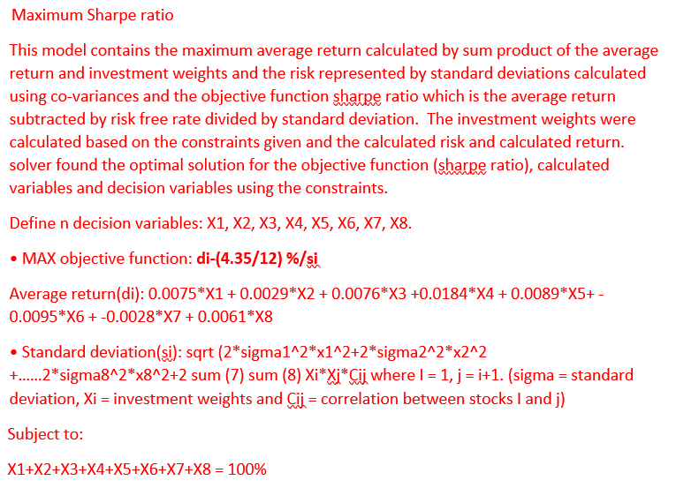
 | Stock | 1 | 2 | 3 | 4 | 5 | 6 | 7 | 8
 | Mean | 0.0075 | 0.0029 | 0.0076 | 0.0184 | 0.0089 | -0.0095 | -0.0028 | 0.0061

 | Cov | 1 | 2 | 3 | 4 | 5 | 6 | 7 | 8
 | 1 | 0.00093622853614 | 0.00070852933317 | 0.00048617206988 | 0.00020685006293 | -5.4388884552E-05 | 0.00025889968219 | 0.00019760681011 | 0.0016175813098
 | 2 | 0.00070852933317 | 0.0034022881179 | 0.0020323257815 | 0.0019030347937 | 0.00021139546289 | 0.0030604732496 | 0.00023238097006 | 0.0050658278973
 | 3 | 0.00048617206988 | 0.0020323257815 | 0.0053176369327 | 0.00089766241482 | 0.001586256394 | 0.0026294188198 | 0.0003844179015 | 0.0023127415569
 | 4 | 0.00020685006293 | 0.0019030347937 | 0.00089766241482 | 0.005528130647 | 0.00033566979159 | 0.0019771009962 | -0.0003606767504 | 0.0030177527379
 | 5 | -5.4388884552E-05 | 0.00021139546289 | 0.001586256394 | 0.00033566979159 | 0.0068414678362 | 0.0017168730675 | 0.0023259860138 | 0.0013326488327
 | 6 | 0.00025889968219 | 0.0030604732496 | 0.0026294188198 | 0.0019771009962 | 0.0017168730675 | 0.0077922046159 | 6.824825535E-05 | 0.0050933410121
 | 7 | 0.00019760681011 | 0.00023238097006 | 0.0003844179015 | -0.0003606767504 | 0.0023259860138 | 6.824825535E-05 | 0.0098414878551 | 0.00027600085051
 | 8 | 0.0016175813098 | 0.0050658278973 | 0.0023127415569 | 0.0030177527379 | 0.0013326488327 | 0.0050933410121 | 0.00027600085051 | 0.020645723632

DECISION VARIABLES
 |  | stock 1 | stock 2 | stock 3 | stock 4 | stock 5 | stock 6 | stock 7 | stock 8
 | Investment weights | 0.00% | 0.00% | 0.00% | 0.00% | 0.00% | 0.00% | 0.00% | 100.00%

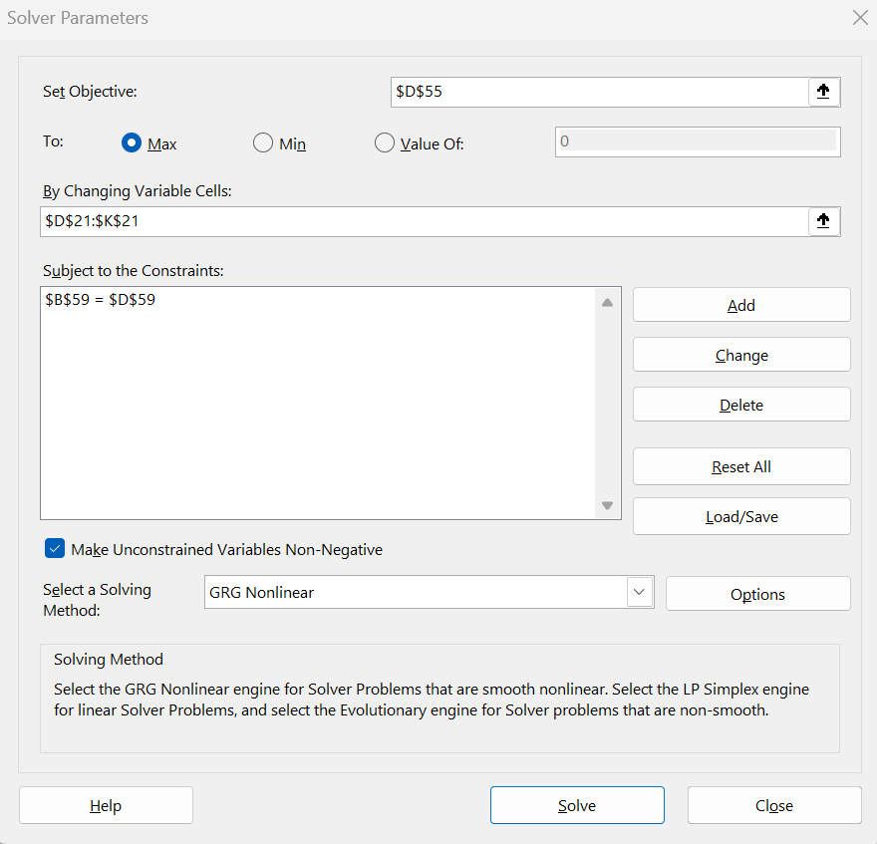
CALCULATED VARIABLES

 |  | 0% | 0% | 0% | 0% | 0% | 0% | 0% | 100%
 | Cov | 1 | 2 | 3 | 4 | 5 | 6 | 7 | 8
0% | 1 | 0.00093622853614 | 0.00070852933317 | 0.00048617206988 | 0.00020685006293 | -5.4388884552E-05 | 0.00025889968219 | 0.00019760681011 | 0.0016175813098
0% | 2 | 0.00070852933317 | 0.0034022881179 | 0.0020323257815 | 0.0019030347937 | 0.00021139546289 | 0.0030604732496 | 0.00023238097006 | 0.0050658278973
0% | 3 | 0.00048617206988 | 0.0020323257815 | 0.0053176369327 | 0.00089766241482 | 0.001586256394 | 0.0026294188198 | 0.0003844179015 | 0.0023127415569
0% | 4 | 0.00020685006293 | 0.0019030347937 | 0.00089766241482 | 0.005528130647 | 0.00033566979159 | 0.0019771009962 | -0.0003606767504 | 0.0030177527379
0% | 5 | -5.4388884552E-05 | 0.00021139546289 | 0.001586256394 | 0.00033566979159 | 0.0068414678362 | 0.0017168730675 | 0.0023259860138 | 0.0013326488327
0% | 6 | 0.00025889968219 | 0.0030604732496 | 0.0026294188198 | 0.0019771009962 | 0.0017168730675 | 0.0077922046159 | 6.824825535E-05 | 0.0050933410121
0% | 7 | 0.00019760681011 | 0.00023238097006 | 0.0003844179015 | -0.0003606767504 | 0.0023259860138 | 6.824825535E-05 | 0.0098414878551 | 0.00027600085051
100% | 8 | 0.0016175813098 | 0.0050658278973 | 0.0023127415569 | 0.0030177527379 | 0.0013326488327 | 0.0050933410121 | 0.00027600085051 | 0.020645723632

 | Portfolio variance terms | 1 | 2 | 3 | 4 | 5 | 6 | 7 | 8
 | 1 | 0.0000 | 0.0000 | 0.0000 | 0.0000 | 0.0000 | 0.0000 | 0.0000 | 0.0000
 | 2 | 0.0000 | 0.0000 | 0.0000 | 0.0000 | 0.0000 | 0.0000 | 0.0000 | 0.0000
 | 3 | 0.0000 | 0.0000 | 0.0000 | 0.0000 | 0.0000 | 0.0000 | 0.0000 | 0.0000
 | 4 | 0.0000 | 0.0000 | 0.0000 | 0.0000 | 0.0000 | 0.0000 | 0.0000 | 0.0000
 | 5 | 0.0000 | 0.0000 | 0.0000 | 0.0000 | 0.0000 | 0.0000 | 0.0000 | 0.0000
 | 6 | 0.0000 | 0.0000 | 0.0000 | 0.0000 | 0.0000 | 0.0000 | 0.0000 | 0.0000
 | 7 | 0.0000 | 0.0000 | 0.0000 | 0.0000 | 0.0000 | 0.0000 | 0.0000 | 0.0000
 | 8 | 0.0000 | 0.0000 | 0.0000 | 0.0000 | 0.0000 | 0.0000 | 0.0000 | 0.0206

Standard deviation of portfolio return |  | 14.37%

 | Average portfolio return | 0.61%

OBJECTIVE FUNCTION

 | Sharpe Ratio | 1.711787408588%

CONSTRAINTS
LHS |  | RHS
100% | = | 100% |  | (Portfolio = 100% of total investment)

