Sheet1
Activation Function |  |  |  |  |  |  |  |  |  |  |  |  | 11 / 16
 |  |  |  |  |  |  |  |  |  |  |  |  | 11 / 17
1 | Reference | https://www.youtube.com/watch?v=hXJsMuwD8ZA&t=1271s |  |  |  |  |  |  |  |  |  |  | 11 / 18
 |  | https://www.youtube.com/watch?v=gx_uPN-nX1w

2 | - helps to determine the output of a neural network .
 | - attached to each neuron in the network .
 | - normalize the output of each neuron (0,1) or (-1,1)

 |  | - Normalization of data
 |  | - Non-linearization
 |  | - Regularization of data
 |  | - It won't behave as single linear unit / manageable .

 |  | Generally it converges the solution .
 |  | Try to convert to certain range .
 |  |  | tanh : ( -1,1 )
 | ( -∞ , ∞ ) |  | sigmoid : (0,1)
 |  |  | Relu : (0 , ∞ )
 | - mathematical “gate” in between the input feeding the current neuron and its output going to the next layer

3 | Image | https://prabhakar-rangarao.medium.com/activation-functions-9020acfa80b6

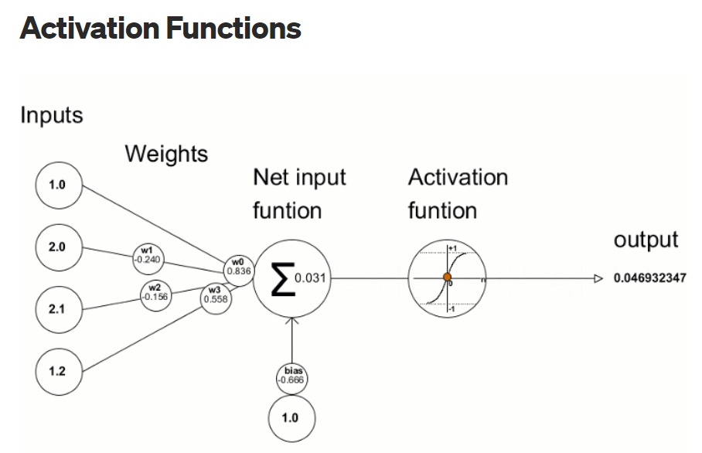

4 | Normalization

 |  | 1 - 1000 |  | data input at different ranges
 |  | 100 - 2000
 |  | 1 - 50000

 | - So huge dispersion , so learning is different
 | - we need something to bring to certain range
 | - Activation function responsibility is there both in Forward Pass & Backward Pass .

 | Different Activation Functions are :

1 | Sigmoid Function
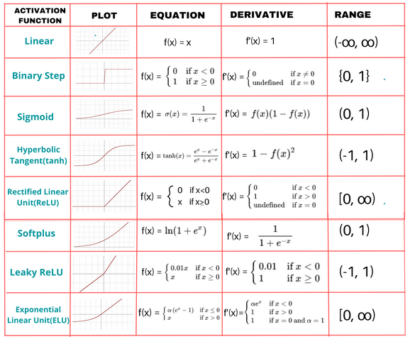
 | a

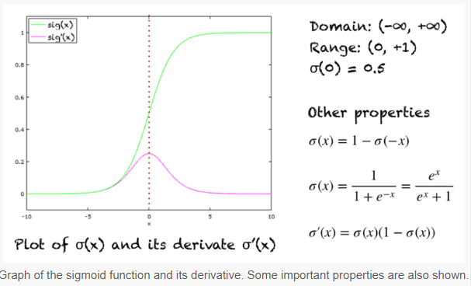

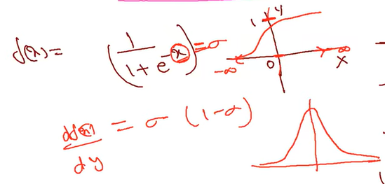
 | b | This behaves like a probability function , but it's not a probability function .
 |  | Forward propagation
 |  |  | - Normalize data
 |  | Backward propagation
 |  |  | - derivative

 | c | In binary classification , this will be useful as it gives result between (0,1)

 |  |  | 0 |  | 1
 |  |  | one class |  | another class

 |  |  |  |  | based on threshold

 | d | - convergence is smooth
 |  | - best activation function

 |  | Disadvantage

 |  |  | Gradient vanishing problem

 |  |  |  | - if value is too low or too high won't give better variations with derivative .
 |  |  |  | - Not much significant changes in Backward propagation .

 |  |  | Output is between 0 & 1

 |  |  |  | - -ve won't give -ve , only +ve value .
 |  |  |  | - It is NOT a zero centric function .

 |  |  | Lot of computation for ex ( exponential usage )

2 | tanh function ( Hyper tangent )
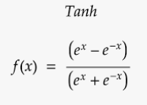
 |  |  |  |  |  |  |  |  |  |  | Output
 |  |  |  |  |  |  |  |  |  |  | [ -1 , 1 ]

 |  | Advantage

 |  |  | - Used for Normalizing data [ -1,1 ]
 |  |  | - Zero centric function
 |  |  | - Smooth function because of derivative
 |  |  | - Backward propagation
 |  |  |  | derivative gives a smooth curve
 |  |  |  | continuous data
 |  |  | - Not a probability function .

 |  | In Binary Class classification
 |  |  | Input Layer |  |  | Output Layer

 |  |  | tanh |  |  | sigmoid

 |  | Disadvantage

 |  |  | - Gradient vanishing problem
 |  |  |  | Not able to change it self
 |  |  |  |  | Exhaust and stop changing w.r.t. dy/dx
 |  |  |  |  | Constant mode
 |  |  | - High computation due to exponential value .

3 | ReLU ( Rectified Linear Unit )
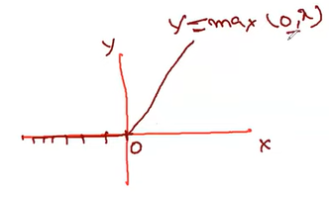

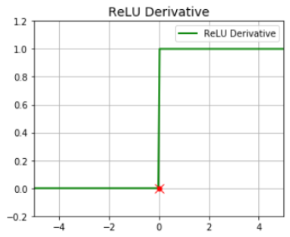
 |  | - | y = mx+c
 |  |  | dy/dx

 |  |  | z = wx+b
 |  |  | dz/dx = w
 |  |  | d2z/dx2 = 0

 |  | Dead ReLU
 |  |  | When input is -ve , ReLU is inactive . ReLU will die .
 |  |  | Forward propagation - No Problem . Backward propagation : -ve value , gradient will be '0'
 |  | Advantage
 |  |  | - High computational speed
 |  |  | - Backward pass faster w.r.t. dy/dx

 |  | Disadvantage
 |  |  | - Not a Zero centric function
 |  |  | - -ve value : Inactive function as it gives 0

4 | Leaky ReLU ( Rectified Linear Unit )

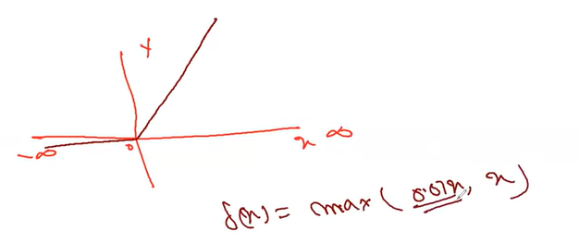

 |  |  | - max(0.01 * -4 , -4 )
 |  |  | - max(-0.04 , -4 )

 |  | Advantage
 |  |  | - High computational speed
 |  |  | - Solve dieing ReLU issue
 |  | Disadvantage
 |  |  | - Not fully Zero centric function
 |  |  | - -ve value : it will give some fraction of data

5 | ELU ( Exponential Linear Unit )

 |  |  |  |  |  |  |  |  | alpha - learning parameter

 | Disadvantage of of ReLU and Leaky ReLU - It will give step function .

 |  | Advantage
 |  |  | - Gradient is smooth as smooth convergence of data in -ve axis .

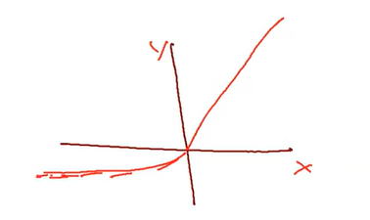

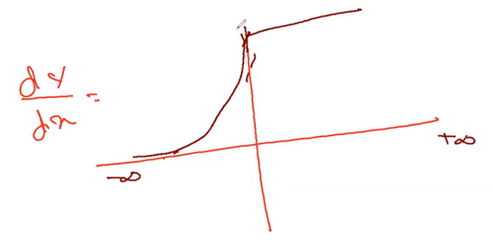

6 | Softmax Function

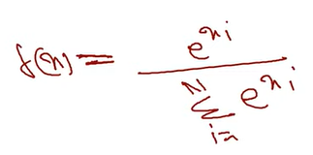

 |  |  |  |  |  |  |  | This will be used in outer layer in Multiclass classification .

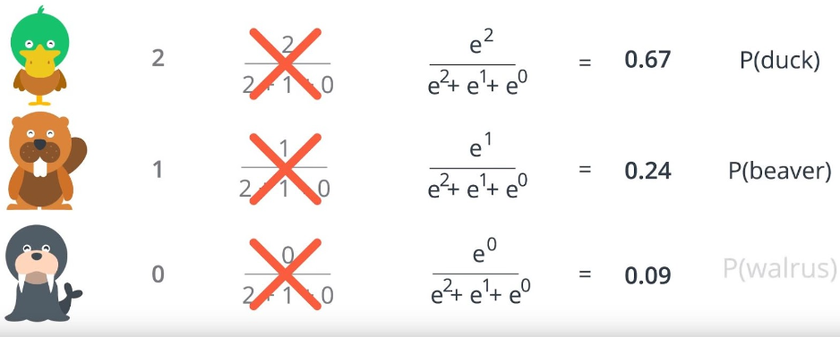

 | Example - 1

 |  | Probability of occurance of the values .
 |  |  | [ 2 , 4 , 8 , 1 ]

 |  | f(4 ) = e4 / e2+e4+e8+e1 = 0.017
 |  | f(0 ) = e2 / e2+e4+e8+e1 = 0.002
 |  | f(8 ) = e8 / e2+e4+e8+e1 = 0.97
 |  | f(1 ) = e1 / e2+e4+e8+e1 = 0.000892

 |  | - Combination of all these = 1

 |  | - More the numerical values , will get the highest probability . Here 8 .

 |  | - Based on probability we give classes

7 | PReLU ( Parametric ReLU )

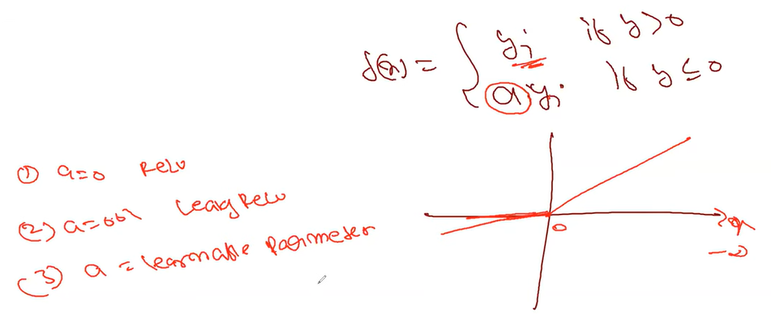

 |  | - All advantages and disadvantages of ReLU & Leaky ReLU applicable here .

8 | Maxout

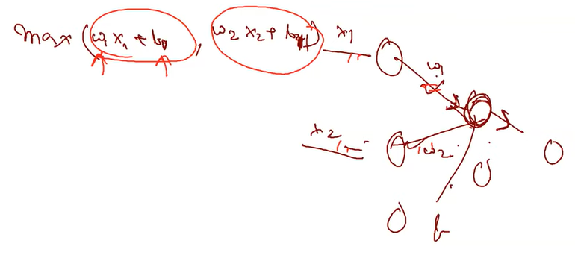

 |  | - Won't take constant parameter like ReLU,Swiss
 |  | - Everytime take new data / learnable parameters
 |  | - Learnable activation function .
 |  |  | wi & bi
 |  | - Maximum out of all values

 |  | Disadvantage
 |  |  | Computationally expensive as it doubles the number of parameters for each neurons

Loss |  | Loss / Error / Cost

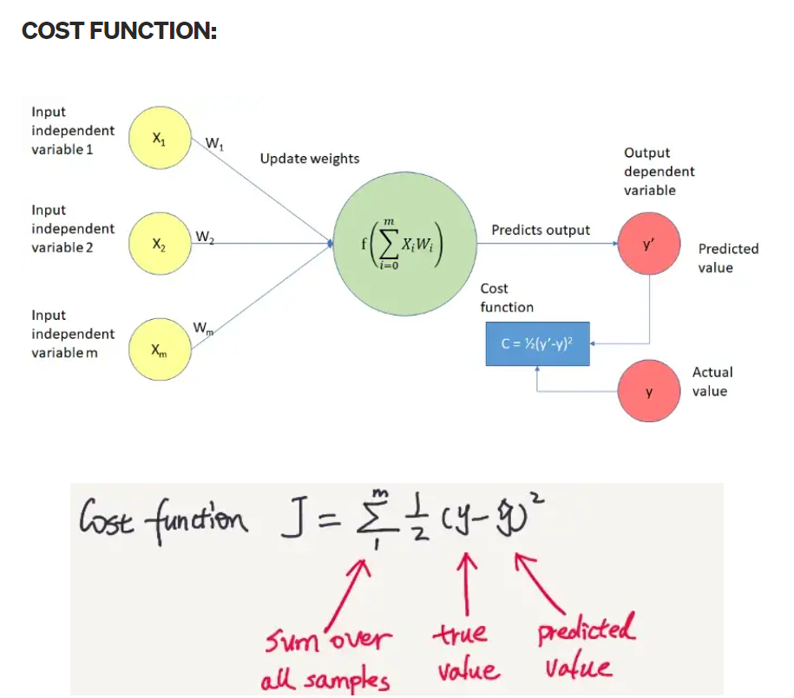
 |  |  |  |  |  |  |  |  |  |  | - All 3 things are same .
 |  |  |  |  |  |  |  |  |  |  | - Loss : Single dataset .
 |  |  |  |  |  |  |  |  |  |  | - Cost : n no. of entries & forward pass

 | Types of Loss
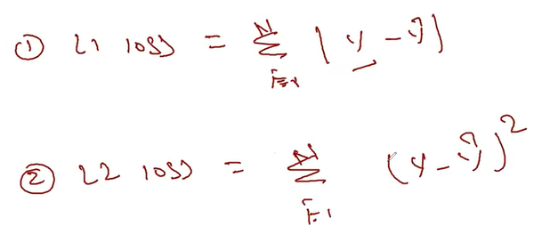

 |  |  |  |  |  |  |  |  |  | - error increased exponentially
 |  |  |  |  |  |  |  |  |  | - 10 -> 102 , 0.0002 -> .00004

 |  |  |  |  |  |  |  |  |  |  |  | L1 - good for bigger differences
 |  |  |  |  |  |  |  |  |  |  |  | L2 - good for small differences , else explode
 |  |  |  |  |  |  |  |  |  |  |  | Huber - Better than above 2.

Q | Which activation function to use ?

 | In Binary Class classification
 |  | Input Layer |  |  | Output Layer

 |  | tanh |  |  | sigmoid

 |  |  | hidden layer |  |  | Output Layer

 |  |  | ReLU |  |  | Regression
 |  |  |  |  |  |  | No activation function

 |  |  |  |  |  | Classification
 |  |  |  |  |  |  | binary - Sigmoid/Softmax
 |  |  |  |  |  |  | Multiclass - Softmax

 |  |  |  | ReLU is most used one
 |  |  |  | Even in CV also there are used .

Q | What to consider

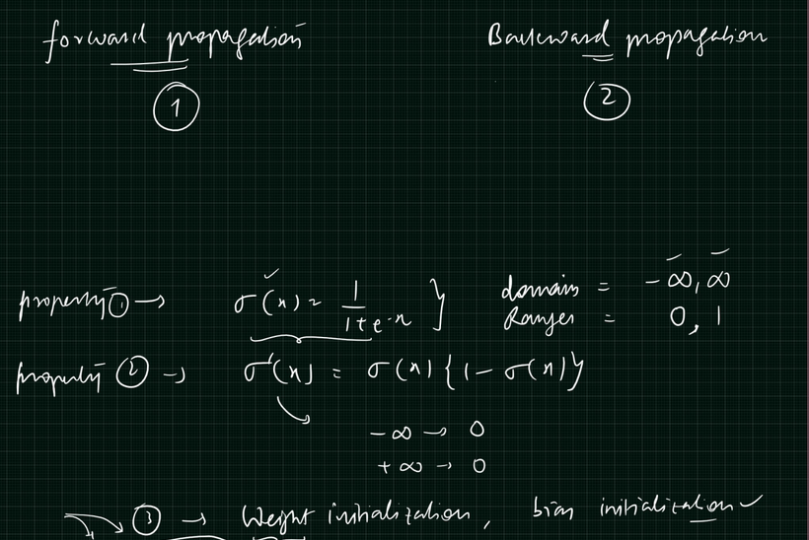

Practical References
 | Location | 07_Activation_Functions/updated_act_function.ipynb
 | Colab | https://colab.research.google.com/drive/1Yn2z4yeHWLvQQdimzpPaQlGHSNKQw_e8 |  |  |  |  |  |  |  | updated_act_function.ipynb

