Sheet1
 |  |  |  | 11 / 22
MLFLOW
1 | https://mlflow.org/
 | An open source platform for the machine learning lifecycle
 | Record the experiments

 | Any Library you start , start with the DOC -> Tutorials & Examples ->
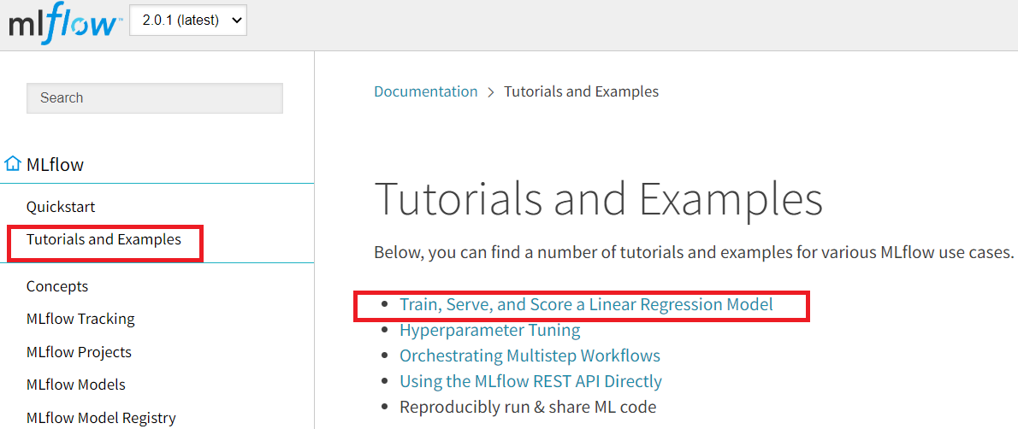

2 | Code Example :
 |  | 09_MLFLOW_DEMO
 | Github
 |  | https://github.com/Jateendra/09_MLFLOW_DEMO

3 | MLFLOW is a product of Data Bricks.

4 | If you don't use server , use mlflow ui

Assignment
 | Use for tensorflow & keras as well .
More Information
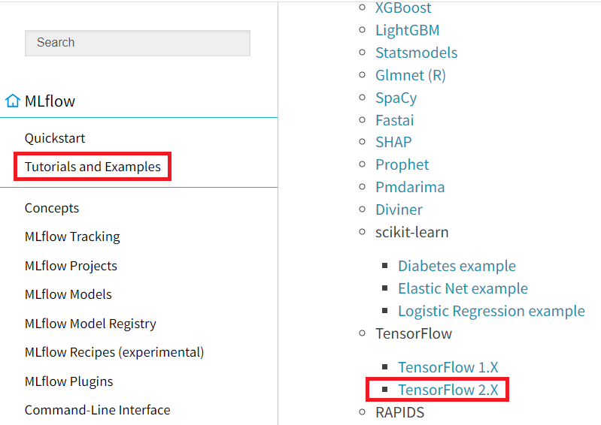
1

 |  | - Enable Auto-logging to MLFLOW to capture metrics
 |  |  | mlflow.tensorflow.autolog()
 |  |  | mlflow.keras.autolog()

2 | You can create any python .py file and run it ( Ex : keras )

 |  | mlflow ui
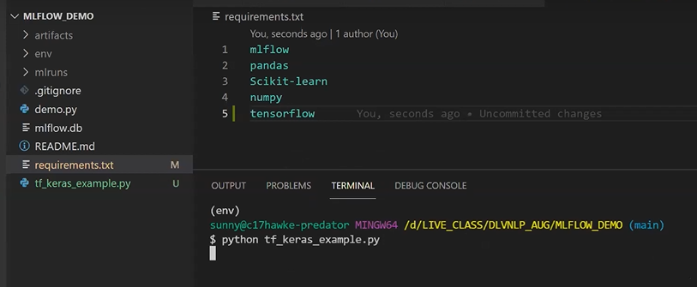

3 | mlflow is not only for Machine Learning only , it's a generic term and can be applied in ML,DL,CV , etc

4 | Autolog logs too much extra information . So customize it ,
 |  | - So you can use customized one .
 |  | - We cann't use database in autologs

5 | We were using MLFLOW during model building for experimental purposes .

6 | You can do it for tensorflow also .

