Sheet1
 |  |  |  |  |  |  |  |  |  |  | 11 / 23
Optimizers |  |  |  |  |  |  |  |  |  |  | 11 / 24
 | Reference | https://www.analyticsvidhya.com/blog/2021/10/a-comprehensive-guide-on-deep-learning-optimizers/ |  |  |  |  |  |  |  |  | 11 / 27
 |  | https://www.youtube.com/watch?v=gx_uPN-nX1w |  |  |  |  |  |  |  |  | 11 / 28

 | 1 | Gradient Descent
 | 2 | Batch Gradient Descent
 | 3 | Stochastic Gradient Descent
 | 4 | Mini-Batch Gradient Descent
 | 5 | Adagrad
 | 6 | RMSProp
 | 7 | AdaDelta
 | 8 | Adam

Some Terms

 | Optmizers are algorithms or methods used to change the attrributes of the neural network such as weights and learning rate to reduce the losses .

 | Before proceeding there are few terms that you should be familiar with.

 | Epoch – The number of times the algorithm runs on the whole training dataset.
 | Sample – A single row of a dataset.
 | Batch – It denotes the number of samples to be taken to for updating the model parameters.
 | Learning rate – It is a parameter that provides the model a scale of how much model weights should be updated.
 | Cost Function/Loss Function – A cost function is used to calculate the cost that is the difference between the predicted value and the actual value.
 | Weights/ Bias – The learnable parameters in a model that controls the signal between two neurons.

 |  | In Optimizer we do Gradient Descent

 |  |  |  |  |  | w,b

1 | Gradient Descent

 |  | 1. It starts with some coefficients, sees their cost, and searches for cost value lesser than what it is now.
 |  | 2. It moves towards the lower weight and updates the value of the coefficients.
 |  | 3. The process repeats until the local minimum is reached. A local minimum is a point beyond which it can not proceed.
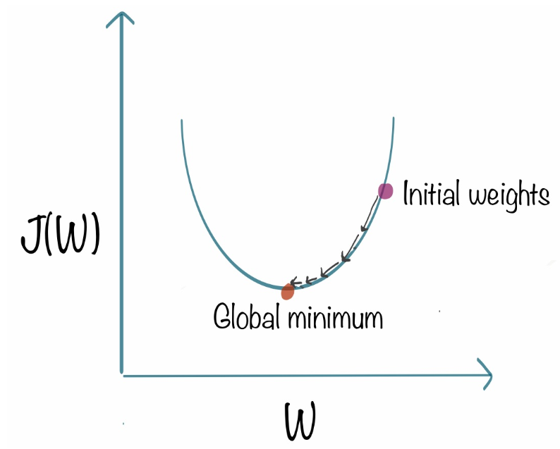

 |  |  | With the help of G.D. , we shall get new co-ordinate of w & b .

2 | Batch Gradient Descent
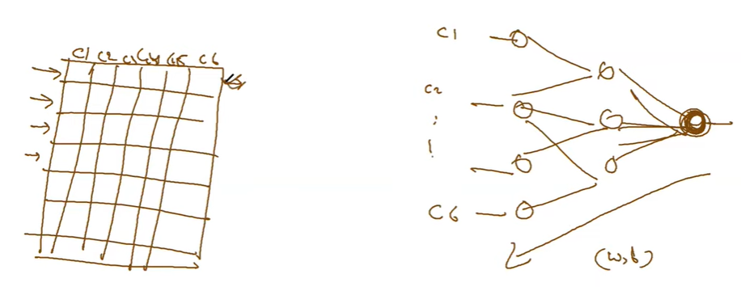

 |  | - we use the entire dataset to compute the gradient of the cost function for each iteration of the gradient descent and then update the weights
 |  | - Say 100 GB data , untill all 100GB data is passed , (w,b) will not be calculated .
 |  | - Calculate new w,b

 | Disadvantage
 |  | - Huge memory data issue
 |  | - MoM - Memory Issue
 |  | - Never allow us to update the dataset on the fly . NO online learning .
 |  | - Code

3 | Stochastic Gradient Descent |  |  | ( Vanilla G.D , initial version of G.D. )

 |  | - Not entire dataset , less/bunch of data
 |  | - Online training
 |  | - Not to wait for entire data
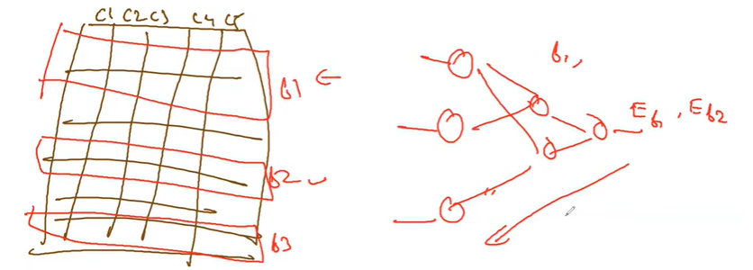

 |  |  |  |  | Data batchwise
 |  |  |  |  | 256 < x < 15000 |  | rows

 |  | - Code
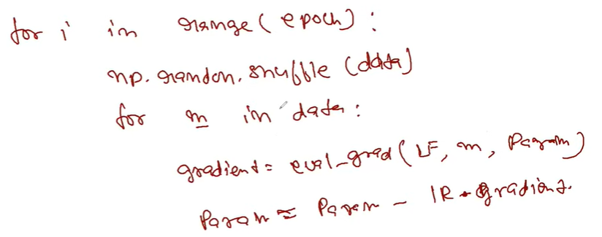

 |  | - Multiple Local minima

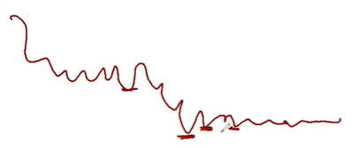
 |  |  |  |  |  |  |  | - Multiple minima and difficult to find optimal minima
 |  |  |  |  |  |  |  | - Not be able to find the correlation of local minima
 |  |  |  |  |  |  |  | - Less memory & online training

4 | Mini-Batch Gradient Descent

 |  | - Batch size
 |  |  | 50 - 256 records
 |  | - equivalent to Stochastic G.D.
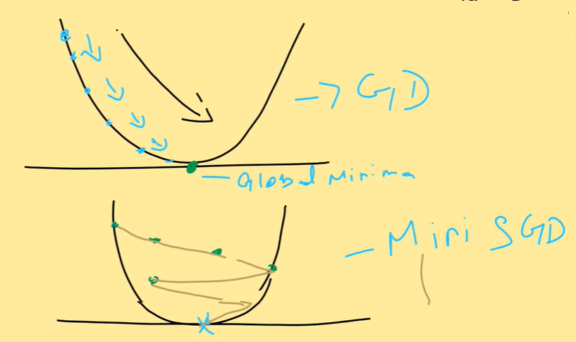
 |  | - Useful in online training
 |  | - Stable convergence due to small small data
 |  | - Highly optimized metrics/bias/parameters
 |  | - Various variants , so difficulties in terms of learning rate

 | All the above are Vanilla way of implementation .
 | What's the problem in Vanilla G.D.
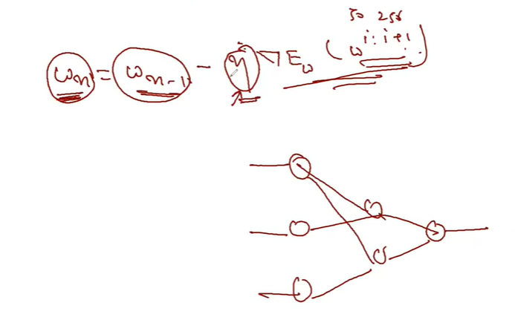

 |  | Every time/iterations we take constant leanring rate n and different (w,b)

 | Problems
 |  | - We can keep changing to learn in a better way .
 |  | - Problem in selecting learning rate :
 |  |  | - We ar enot considering previous of previous changes data from the beginning
 |  |  | - We are just considering immediate previous weights

 |  | - This is not a sufficient approach
 | What to be done
 |  | - Momentum
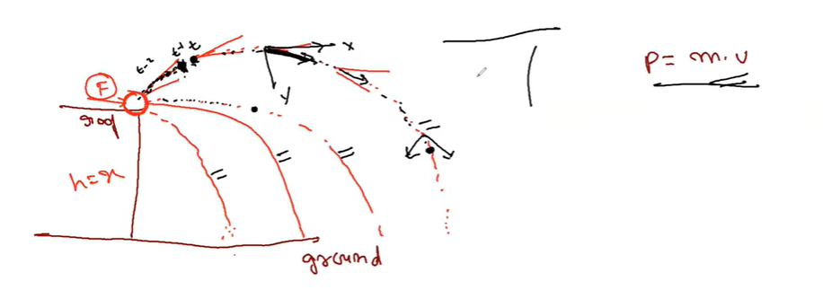

 |  | - So consider all changes of the weights when calculating current weights .
 |  |  | So finding weights will be much better

 |  | - People have suggested these ideas
 |  |  | - Earlier in Vanilla G.D. , these things were not there .
 |  |  | - In recent version of Keras , Tensorflow it's included .
 |  | - So Gradient Descent are re-developed & called as Optimization of the G.D.

Fast Optimizers |  | Reference | https://www.youtube.com/watch?v=o0u3SiTqamo&list=PLzCFYxMZH_-l4SekRcclo0lf4Pd7Mmrdo&index=6

5 | AdaGrad ( Adaptive Gradient Descent )

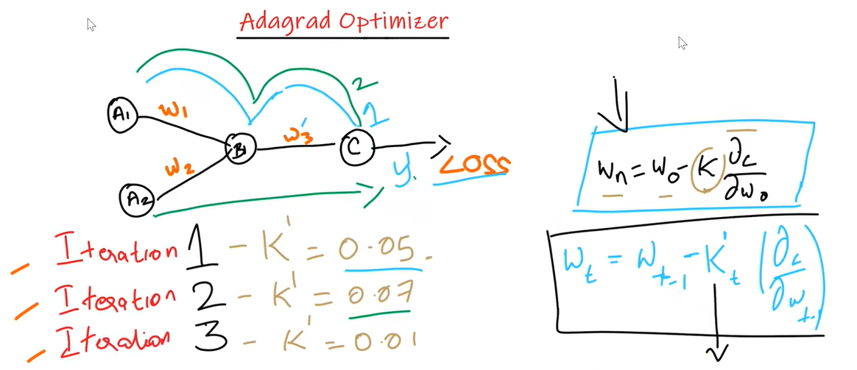

 |  | Advantage
 |  |  | - Different learning rate in each iteration .
 |  |  | - Don’t need to manually tune the learning rate.
 |  |  | - Able to train spare data .

 |  | Disadvantage
 |  |  | - The learning rate is always decreasing results in slow training.

6 | RMSPROP ( Root Mean Squared Error Gradient Descent )

 |  | - Solves the problem of early stopping of Ada Grad by accumulating gradients from recent iteration by using exponential decay .

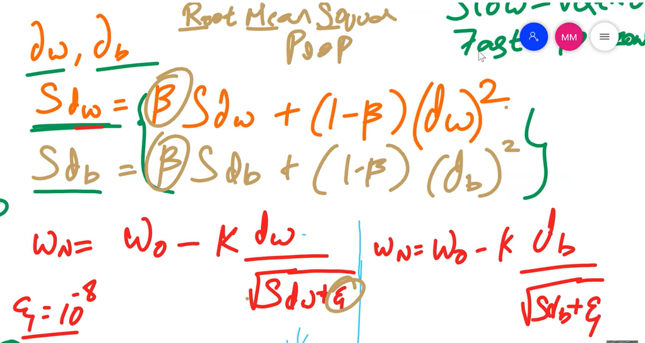

 |  | - Horizontal oscillations will be converted to Vertical oscillation

7 | ADAM ( Adaptive Moment Estimation Optimizer )

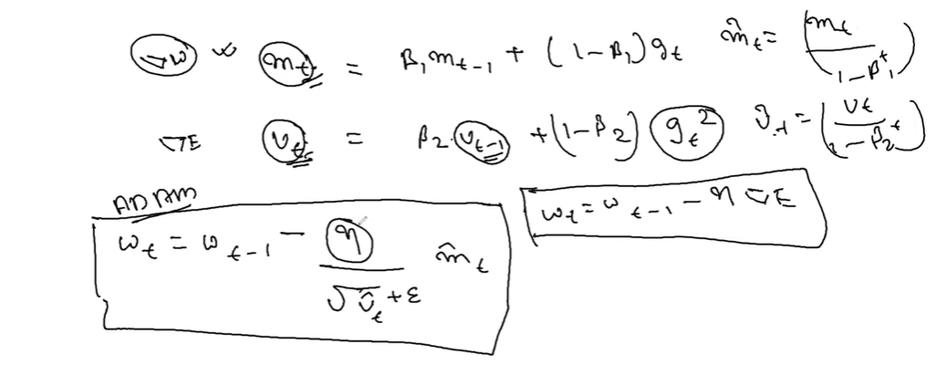
 |  |  |  |  |  |  |  |  |  | Decaying average of the past

 |  |  |  |  |  |  |  |  |  | past squared gradient

 |  |  | Adam |  |  |  | Vanilla

 |  |  | n = 0.1 , 0.1 …......

 |  |  | No

 |  |  | It is going to change at every step .
 |  |  |  | epsilon -> 10-8

A Comparision Graph

 |  |  |  | Class of Algorithm |  |  | Convergence Speed |  | Convergence Quality

 | ML Usecase |  |  | SGD |  |  | 2 |  | 3

 | Good for Simple dataset |  |  | Momentum |  |  | 2 |  | 3
 |  |  |  | NAG |  |  | 2 |  | 3

 | Bad , Not recommended |  |  | Ada Grad |  |  | 2 |  | 1 { Stops early }

 | Complex Dataset |  |  | RMSProp |  |  | 3 |  | 2 - 3

 |  |  |  | Adam |  |  | 3 |  | 2 - 3

 |  | - Adam is the best Optimizer in terms of Convergence speed and quality
 |  | - If one wants to train the neural network in less time and more efficiently then Adam is the optimizer.
 |  | - why shouldn’t you use Adam in every application? And what was the need to learn about other algorithms in depth?
 |  | This is because even Adam has some downsides. It tends to focus on faster computation time, whereas algorithms like stochastic gradient descent focus on data points.
 |  | That’s why algorithms like SGD generalize the data in a better manner at the cost of low computation speed. So, the optimization algorithms can be picked accordingly depending upon the requirements and the type of data.

