1.Introduction
Deep Learning |  |  |  |  |  |  |  |  |  |  |  |  |  |  |  |  |  |  |  |  | 9 / 4

 | Prerequisites |  |  |  | Pypi |  | conda |  |  | Collab |  |  |  |  |  |  | GPU Providers

 |  | Python |  |  | uninstall |  | remove |  |  |  | Online jupyter notebook |  |  |  |  |  |  | AWS
 |  | Math |  |  |  |  |  |  |  |  | GPU |  |  |  |  |  |  | GCP
 |  |  | Math |  | GPU |  |  |  |  |  | Runtime issue - they claim for 12 hrs , but slows down for 6 hrs |  |  |  |  |  |  | Azure
 |  |  | Tensorflow
 |  |  | Pytorch |  |  | NVIDIA - CUDA
 |  | ANN |  |  |  | AMD |  |  |  |  | Colab Free |  | $0
 |  | CNN |  |  |  |  |  |  |  |  |  |  |  | 12GB RAM , 80GB HD |  |  | IDE - Application Development
 |  | RNN |  |  | Most Use - NVIDIA |  | Intel | VHD |  |  | Colab Pro |  | $10 |  |  |  |  | VSCode | 4GB | lighter
 |  | Transformers |  |  |  |  |  |  |  |  |  |  |  | 25GB RAM,150GB HD |  |  |  | Pycharm | 8/16GB | heavier
 | Maths |  |  |  |  | Check NVIDIA-smi |  |  |  |  | Colab Pro+ |  | $50 |  |  |  |  | Spyder
Launched Aug'21
 |  | Linear Algebra |  |  |  |  | min = 1660 ti |  |  |  |  |  |  | 52GB RAM,200GB |  |  |  | Eclipse
 |  | Calculus different |  |  |  |  | DL-RTX 2060 / 2070 / 2080

 | Deep Learning Book |  |  |  |  |  | TITAN
 |  |  |  |  |  |  |  | Founder Edition
 |  |  |  |  |  |  |  | Titan Edition

Introduction
 | AI mimic human task .
 |  | Automate day to day/repeitative task |  |  |  |  |  |  |  |  |  | Object Classification
 |  | sentence completion |  |  |  |  |  |  |  |  |  | Object Detection
 |  | Spell correction ( Grammerly , NLP System ) |  |  |  |  |  |  |  |  |  | Object Tracking
 |  |  |  |  |  |  |  |  |  | CV |  | Image Segmentation
 |  |  |  |  |  |  |  |  |  | CNN

 |  |  |  |  |  |  | Supervised
 |  |  |  |  |  |  | Learing

 |  |  |  |  |  |  |  |  |  |  |  | Text Generation
 | AI | ML | DL | ANN |  |  |  |  |  | NLP |  | Sentimental Analysis
 |  |  |  |  |  |  |  |  |  | RNN |  | Neural Machine Translation
 |  |  |  |  |  |  |  |  |  | Transformers |  | Attention Mechanism

 |  |  |  |  |  |  | Unsupervised |  | Representation and Generative Learning
 |  |  |  |  |  |  | Learning |  |  |  |  | Auto Encoders
 |  |  |  |  |  |  |  |  |  |  |  | GANs
 |  |  |  |  |  |  |  |  | Reinforcement Learning

 | Object Detection |  |  |  |  |  |  |  |  |  |  |  | Segmentation

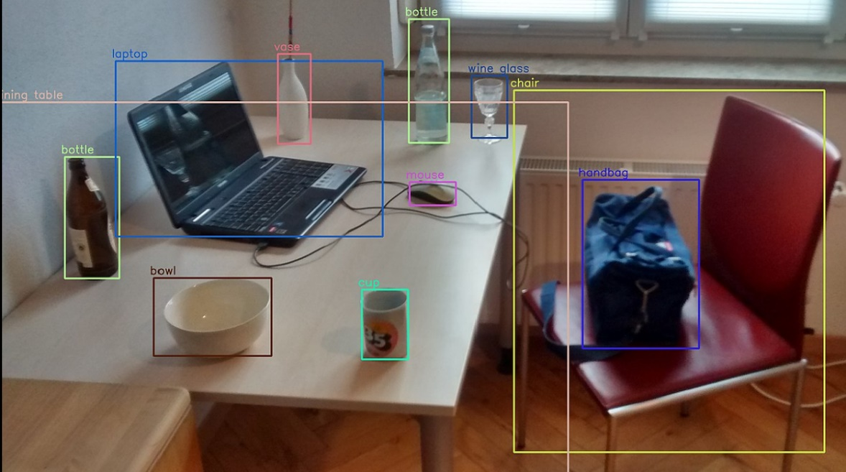
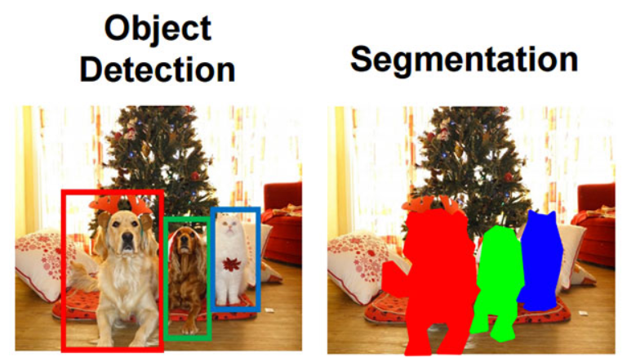

 |  | Medical Imaging |  |  |  |  |  |  |  |  | Pixel wise classification
 |  | Brain Tumor |  |  |  |  |  |  |  |  | Each pixel belongs to an object or not .

 | Neural Machine Translation
 |  |  | English-Hindi-English
 | Attention Mechanism
 |  |  | Focus words of different language
 | Reinforcement Learning
 |  |  | Behaviour correction of kids
 |  |  | including reinforcement
 |  |  | self driving car
 |  |  | gaming industry
 | Autoencoders
 |  | reconstruct the similar image
 |  | dimentionality reduction
 | GANs
 |  | Barack Obama speech - false one
 |  | Less image data

 | NLP
 |  | 2018 onwards drastic improvements .

 | ANN

 |  | CNN

 |  |  | RNN

 | CV | CNN
 | NLP | RNN / Transformer

 | GPU
 |  | easily available
 | TPU
 |  | ASIC | better for training and prediction
 |  | faster

 | DL | ML | DL is subset of ML |  |  |  | ML |  | vs |  |  | DL

 |  |  |  |  |  |  | Structured Data |  |  |  |  | Unstructured Data
 |  |  |  |  |  |  | SQL database |  |  |  |  |  | Image
 |  |  |  |  |  |  | CSV file / excel file |  |  |  |  |  | Videos
 |  |  |  |  |  |  |  |  |  |  |  |  | Audio
 |  |  |  |  |  |  |  |  |  |  |  |  | Textual Data

 |  |  |  |  |  |  | Loading and processing is faster |  |  |  |  | We can use for structured data as well .

 |  |  |  |  |  |  |  |  |  |  |  | DL doesn't need feature engineering , mostly it will do for you .

 |  |  |  |  |  |  |  |  |  |  |  | DL needs huge dataset .

 | Why we use GPU/TPU ?

 |  | GPU |  | vs |  |  | CPU

 |  | Cuda cores |  |  |  |  | 8 , 4 cores
 |  | 1000 , 3000 cores

 |  | Cores - parallel processing
 |  | ANN - nothing but matrix multiplication

 | Mathematical Requirements

 |  | 1 ) Functions |  | NN ( weights , bias )

 |  | 2 ) Vectors

 |  | 3 ) Linear Algebra

 |  |  | Matrix multiplication
 |  |  | Transpose of Matrix

 |  | 4 ) Different Calculus

 |  |  | gradients
 |  |  | partial derivatives

 |  | 5 ) Graphs

 |  |  | co-ordinate geometry

 | neuralink.com
 |  | human brain interface
 |  | central nervous system

 | openbci.com
 |  | sports analysis
 |  | adidas AI
 |  | movement of players

 | youtube.be/
 |  | invidiabroadcast

 | blogs.india.com

ANN ( Artificial Neural Network )

1 | Inspired by biological neurons found in cerebral cortext of our brain .
 | ANN is core of Deep Learning .
 | ANN
 |  | versatile
 |  | scalable
 |  | powerful

 | So it tackle high complex ML tasks like classifying images , identifying objects , speech recognition , etc

2
 | 1943 - Artificial neurons |  |  | ( Biological neuron )

 | Neurophysiologist |  |  | Warren | McCulloh
 | Mathematician |  |  | Walter | Pitt

 | They have shown these simple neurons can peform small logical operations like
 |  | OR
 |  | NOT
 |  | AND | gate , etc

Perceptron History

 | It's the simplest ANN architecture
 | 1957 by Frank Rosenblatt
 | It has different architecture than the first neuron
 | Here input is not just binary
 | Common activation function used for Perceptron .

 |  |  |  |  |  |  |  |  |  |  |  |  |  |  |  |  |  |  |  |  | 9 / 5
Perceptron evolution

 | BNN | Logic Gate |  | Perceptron |  | ANN | DNN | CNN | RNN | LSTM,GRU |  | Transformer ( GPT , BERT…. )

 | Classification |  | vs |  | Regression

 | Classify |  |  |  | Trend
 | designation |  |  |  | fitline
 | separates 2 or more classes |  |  |  | Fits through datapoints . Like salary of a person .

 | x | y | Label
 | 0 | 0 | -
 | 1 | 0 | - |  |  |  |  |  | y = -x + 3
 | 1 | 1 | -
 | 3 | 3 | +
 | 3 | 2 | +
 | 2 | 3 | +

 | Perceptron looks like , |  |  |  |  |  |  | Forward Pass

 |  |  |  |  |  | summation of inputs |  | activation function

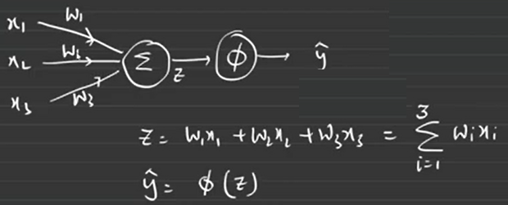
 |  |  |  | 0 |  |  |  |  |  |  |  |  | x1 | x2 | x3 | y
 |  |  |  |  |  |  |  |  |  |  |  |  | 0 | 1 | 2 | 0
 |  |  |  | 1 |  |  |  |  |  |  |  |  | 4 | 5 | 6 | 0
 |  |  |  |  |  |  |  |  |  |  |  |  |  |  |  | 1
 |  |  |  | 2 |  |  |  |  |  |  |  |  |  |  |  | 0

 |  |  |  |  |  |  |  |  |  |  |  |  |  | y = actual value
 |  |  |  |  |  |  |  |  |  |  |  |  |  | ŷ = predicted value

 |  |  |  |  |  |  |  |  |  |  |  |  |  | y - ŷ = error = Δy

 |  |  |  |  |  |  |  | Backward Pass

 |  |  |  |  |  |  |  | LTU = Linear Threshold Unit
 |  |  |  |  |  |  |  | TLU = Threshold Logic Unit

 |  |  |  | weights are nothing but how much %age of the output you want to take .

 |  |  |  |  |  |  | 1 , +ve

 |  |  |  | 0 , -ve

 |  |  | Perceptron Learning Rule :

 | How it works :

 |  |  | 0 | x1
 |  |  |  |  |  |  |  |  | y = 0
 |  |  | 1 | x2 |  |  | ŷ |  | Let's say ŷ = 0 , no error so you don't have to update weight

 |  |  | 2 | x3

 |  |  | 4 | x1
 |  |  |  |  |  |  |  |  | y = 0
 |  |  | 5 | x2 |  |  | ŷ |  | Let's say ŷ = 1 , error so you need to update the weights so that error can be lead to 0 .

 |  |  | 6 | x3

 | Real time example :
 |  |  | Tea making process .
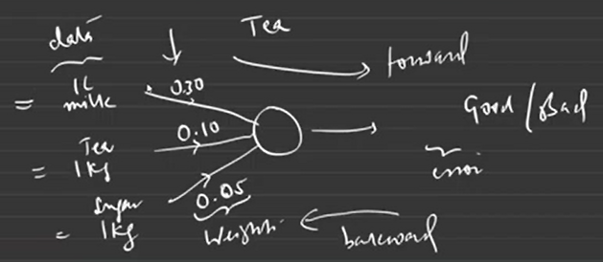

 |  |  |  |  |  |  |  | Epochs - Multiple iteration
 |  |  |  |  |  |  |  | 1 epoch - 1 forward and 1 backward

 | Small calculation
 |  |  |  |  |  |  |  |  |  |  |  |  | 1 , +ve
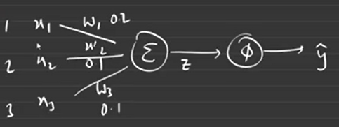

 |  |  |  |  |  |  |  |  |  | 0 , -ve

 |  |  |  |  |  |  |  |  |  |  | 1 , if z>=0
 |  |  |  |  |  |  |  |  |  | Φ =
 |  |  |  |  |  |  |  |  |  |  | 0 , if z<0
 |  |  | z = w1x1 + w2x2 + w3x3 |  |  | Linear Combination of weights and inputs
 |  |  | = 0.2*1 + 0.1*2 + 0.1*3
 |  |  | = 0.7

 |  |  | ŷ = Φ(z) = Φ(0.7) = 1 |  | class 1

 |  | Say | w1 = -0.2
 |  |  | w2 = -0.1 |  | z = -0.7
 |  |  | w3 = -0.1 |  | ŷ = Φ(z) = Φ(-0.7) = 0 |  | class 0

 | - training a neural network/model reduces errors
 | - Threshold will decide output value
 | - ŷ ≠ y leads to error
 | - activation is deciding factor , which class it belongs to .
 | - perceptron is one unit .

 | Weight update rule ,

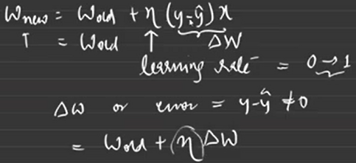

 | So to wrap
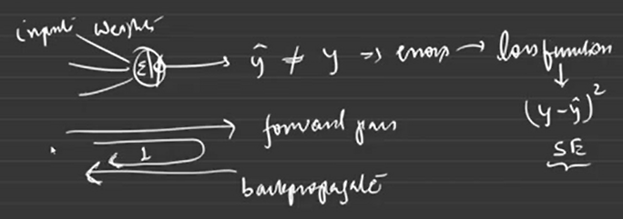
 |  |  |  |  |  |  |  |  |  |  | - Model is trained when loss function tend to 0
 |  |  |  |  |  |  |  |  |  |  | - activation function is deciding function .
 |  |  |  |  |  |  |  |  |  |  | - bias : something extra we will give you as input to generalize more on models .

 | Further
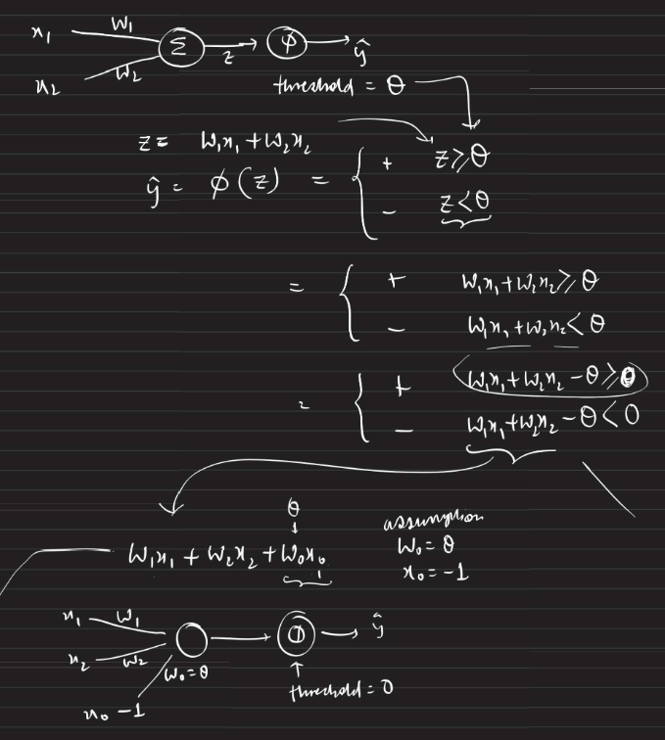

 | As per research papers ,

 |  | Observation -1

 |  | Observation - 2
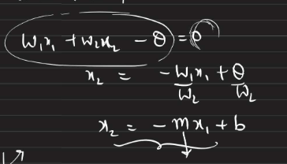

 |  |  |  |  |  |  |  |  | This is the equation of a line .

 |  |  |  |  |  |  |  |  |  | m = +ve

+

-
 |  |  |  |  |  |  |  |  |  |  |  |  |  | b

 |  |  |  |  | b = +ve

 |  |  |  |  | b = 0

 |  |  |  | b = -ve
 |  |  |  |  |  |  |  |  |  | m = rotation / slope |  |  | weights |  | These will keep updating .
 |  |  |  |  |  |  |  |  |  | b = translation / intercept |  |  | bias

 |  |  |  |  |  |  |  |  |  | m & b are responsible for fitting the curves .
 |  |  |  |  |  |  |  |  |  | In weight update rule you are going to update weights as well as bias .

 | How m is responsible for rotation ?

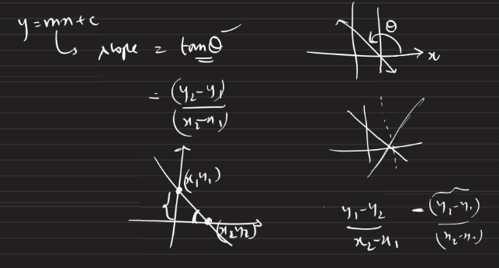

 |  |  |  |  |  |  |  |  |  |  |  | θ < 90 , -ve m slope

 |  |  |  |  |  |  |  |  |  |  |  | θ > 90 , +ve m slope

 | In a nutshell ,
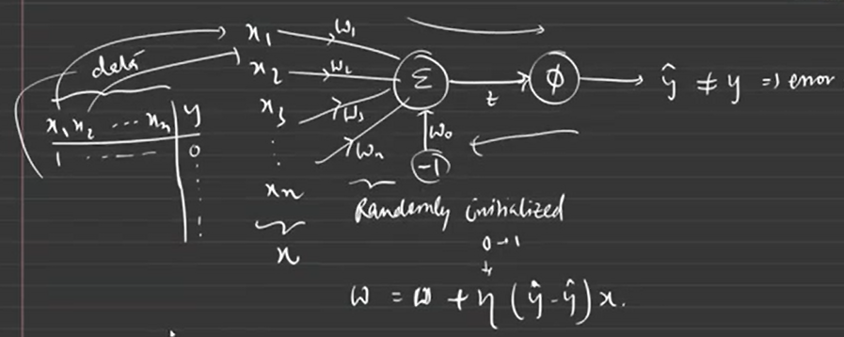

 |  |  |  |  |  |  |  |  |  |  |  |  |  |  | bias
 |  |  |  |  |  |  |  |  |  |  |  |  |  |  |  | - we provide , not coming from input
 |  |  |  |  |  |  |  |  |  |  |  |  |  |  |  | - will be constant

 |  |  |  |  |  |  |  |  |  |  |  |  |  |  | weight
 |  |  |  |  |  |  |  |  |  |  |  |  |  |  |  | - weights will be randomly initialized .

 |  |  |  |  |  |  |  |  |  |  |  |  |  |  | Learning Rate
 |  |  |  |  |  |  |  |  |  |  |  |  |  |  |  | - deciding factor for weights
 |  |  |  |  |  |  |  |  |  |  |  |  |  |  |  | - manually take

 |  |  |  |  |  |  |  |  |  |  |  |  |  |  | When we are getting error , we have to update weights by - weight update rule .

 | How weight update happens

 |  | Milk | Tea | Suger |  |  | w1 | w2 | w3 | z | ŷ
 |  | 1L | 1kg | 1kg |  |  | 0.3 | 0.1 | 0.05 | 0.45 | 1
 |  | 2L | 1kg | 2kg |  |  | update w1 | w2 | w3
 |  | 3L | 1kg | 2kg |  |  | update w1 | w2 | w3 |  |  | error = y - ŷ = 0 - 1 = 1

 |  |  |  |  |  |  | So , we will continue till error -> 0

 |  |  |  | Good |  |  |  | 0.3 |  | 1
 |  |  |  |  |  |  | W new = | 0.1 | - n ( error ) | 1
 |  |  | Bad |  |  |  |  | 0.05 |  | 1

 |  |  |  |  |  |  |  |  |  |  |  |  |  |  |  |  |  |  |  |  | 9 / 11
More on Perceptron

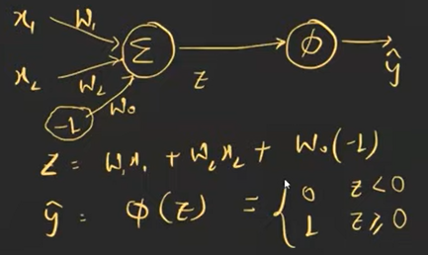
 | Dataset | AND , OR , XOR
 |  |  |  |  |  |  |  |  |  |  |  |  |  |  | y |  | 1
 |  |  | AND
 |  | x1 | x2 | y
 |  | 0 | 0 | 0 |  |  |  |  |  |  |  |  |  | 0 |  | 0 | x
 |  | 0 | 1 | 0
 |  | 1 | 0 | 0
 |  | 1 | 1 | 1
 |  |  |  |  |  |  |  |  |  |  |  |  |  |  | Threshold value

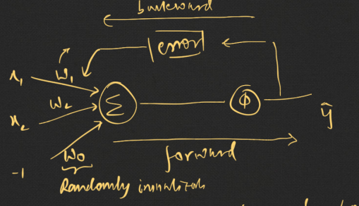

 |  |  |  |  |  |  |  | 1 epoch = 1 iteration
 |  |  |  |  |  |  |  |  | = 1 forward + 1 backward

 |  |  |  |  |  |  |  | Threshold value taken = 0
 |  |  |  |  |  |  |  | bias here is extra noise .

 | Matrix Operation
 |  |  | AND |  |  |  |  | bias
 |  | x1 | x2 | y |  |  | x1 | x2 | bias
 |  | 0 | 0 | 0 |  |  | 0 | 0 | -1
 |  | 0 | 1 | 0 |  |  | 0 | 1 | -1
 |  | 1 | 0 | 0 |  |  | 1 | 0 | -1
 |  | 1 | 1 | 1 |  |  | 1 | 1 | -1 | 4x3

 |  |  | X | y |  |  |  | X with bias

 |  | Transpose
 |  |  | A 3 x 2
 |  |  | A' = AT | = A 2 x 2

 |  |  | w1
 |  | W = | w2
 |  |  | w3 3x2

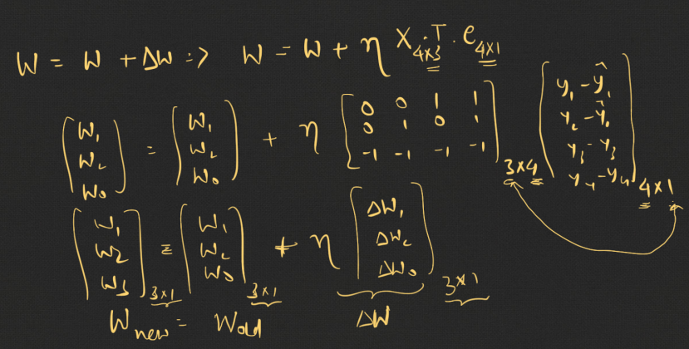

 |  | x1 | x2 | bias |  | y

 |  |  | fixed and provided by user |  |  | known to us

 |  | What is not known is : w1,w2,w3 .
 |  |  | Randomly initialized by us .
 |  |  | Going to be changed .
 |  |  | Have to keep udating these weights such that errors will lead to 0 . Then I can say I have trained my model .

 | What happens internally ?

 |  | Stochastic Gradient Descent

 |  | Random

 |  | Choose datapoints |  |  | calculate error |  | update weights

 |  | Random batches

 |  | Calculate avg error |  |  | update weights

Perceptron Implementation

 | Perceptron_Implementation.ipynb
 |  | https://colab.research.google.com/drive/1AWIjdQng8RnZu4EJSwyF0EvnfTdwVZAg#scrollTo=I6kYmEtNynUF

 | 1 | import joblib
 |  |  | to save model as binary file .

 | 2 | self.X = X , can be used anywhere in the class

 |  | X = X , local to the function not to others

 | 3 | seed
 |  |  | np.random.seed(42)
 |  |  |  | It will randomly initialize
 |  |  |  | but will give the same result everytime .

 | Disadvantages

 |  | Preceptron fails to draw lines .
 |  |  | cann't draw lines
 |  |  | One single neuron cann't solve this .

 |  | Perceptron is a linear separation
 |  | It provides a line , not a curve

 | playground.tensorflow.org

Assignment
 | Try bias with 2,3,etc instead of -1 .

3.Multilayer_Perceptron
 |  |  |  |  |  |  |  |  |  |  |  |  |  |  |  | 9 / 25
Agenda
 | 1 - Multilayer Perceptron
 | 2 - Backpropagation intuition
 | 3 - ANN { forward propagation information flow }
 | 4 - Why we need activation function ? ( Proof )

 | Drawbacks in Perceptron - You cann't solve non-linear problems
 | So multilayer perceptron came into picture .

Multilayer Perceptron

 | - More than a single perceptron .
 | - How to make a perceptron more complex is to simply add more weights .

 | There are two ways to add complexity :
 | - Add backward connections .
 | - Add more hidden layers for multilayer perceptrons .
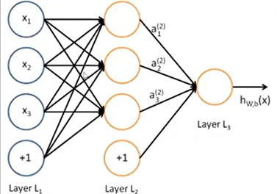

 | - If you increase the depth of the hidden layer multifold , it is called Deep Neural Network [ Depth of Layers ]

 | ANT

 | Consider as one neuron

 |  |  |  | Ant hills

 | Company

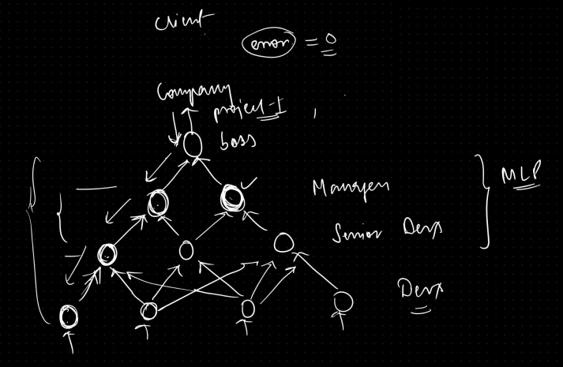
 |  |  |  |  |  |  |  |  |  | Back propagation
 |  |  |  |  |  |  |  |  |  | or
 |  |  |  |  |  |  |  |  |  | weight updates

 |  |  |  |  |  |  |  |  |  | So our organization is a large ANN , where forward and backward propagation happens .

 |  |  |  |  |  |  |  |  |  | - Untill error is 0 or client is satisfied , then only network is suitable .
 |  |  |  |  |  |  |  |  |  | - you can corelate this to Perceptron .
 |  |  |  |  |  |  |  |  |  | - There are many perceptron , so this is MLP or Multilayer Perceptron .

 | In a nutshell ,
 |  | Moving forward

 |  |  | input
 |  |  |  |  | output
 |  |  | weights

 |  | Moving backward

 |  |  | update weights based on errors

 | Reference
 |  | 03_Multilayer-Perceptron\ANN_basics_backProp_intiution.ipynb

 | Backward Propagation intuitition

 | - It depicted an efficient way to update weights and biases of the network based on the error/loss function by passing twice through the network i.e forward and backward pass.

 |  | forward pass: data is passed through the input layer to the hidden layer and it calculates ouput. Its nothing but making prediction.
 |  | error calculation: Based on loss function error is calculated to check how much deviation is there from the ground truth or actual value and predicted value.
 |  | error contribution from the each connection of the output layer is calculated.
 |  | Then algo goes a layer deep and calculates how much previous layer contributed into the error of present layer and this way it propagates till the input layer.
 |  | This reverse pass measures the error gradient accross all the connection.
 |  | At last by using these error gradients a gradient step is performed to update the weights.

 | - In MLP key changes were to introduce a sigmoid activation function

Basic Neural Network
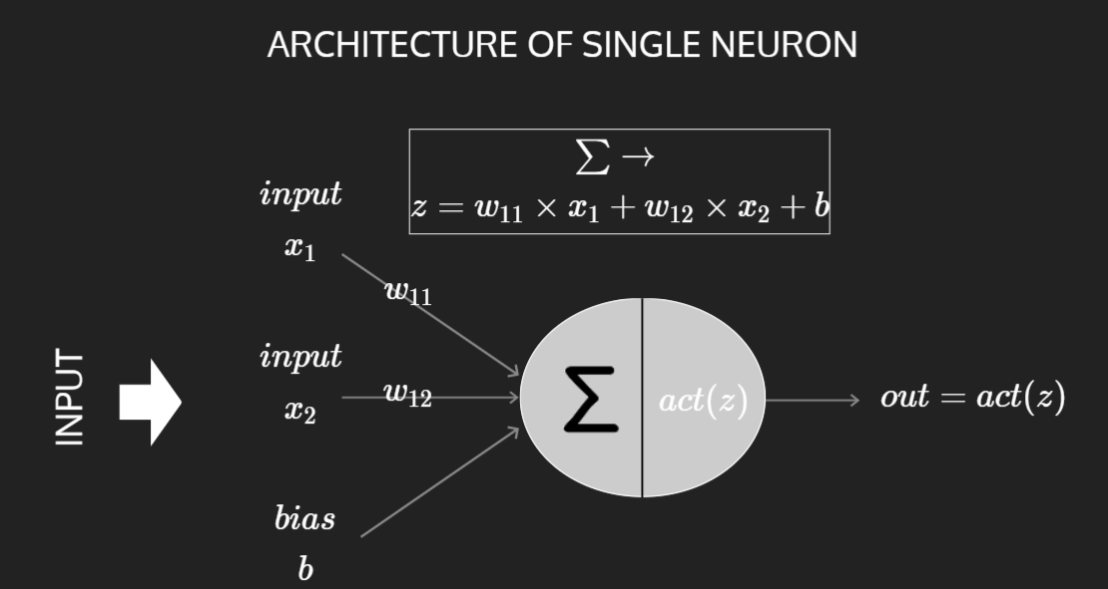
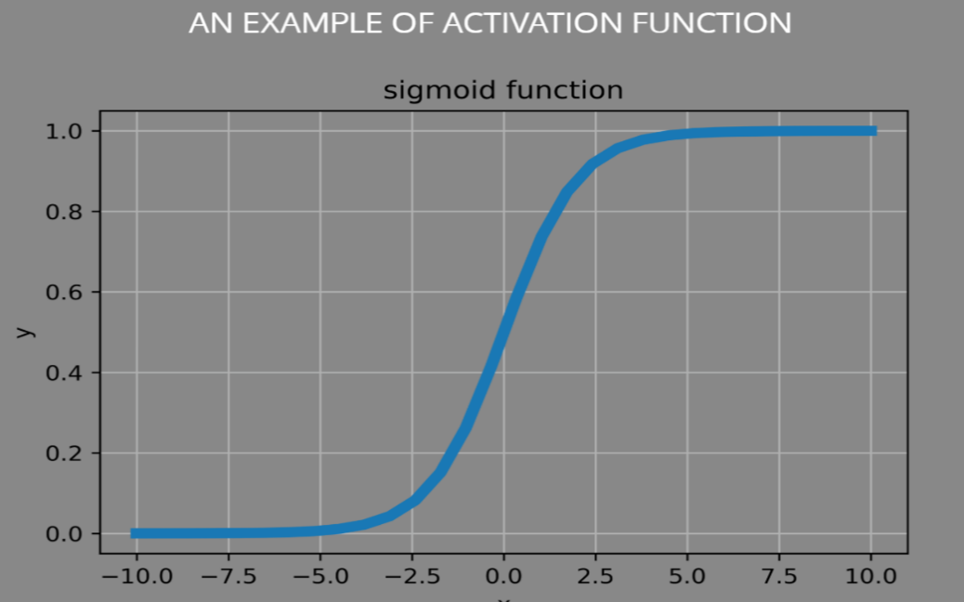

 | Classification NN

 |  |  |  | buffer layer |  | hidden layer |  | output layer
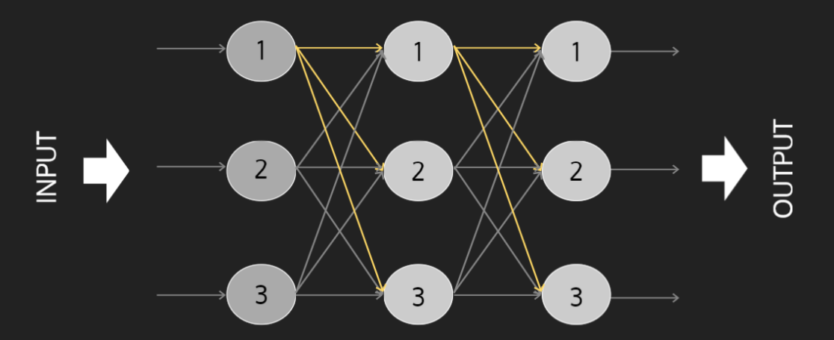

 |  |  |  |  |  |  |  |  |  |  | 3 classes

 | Regression NN
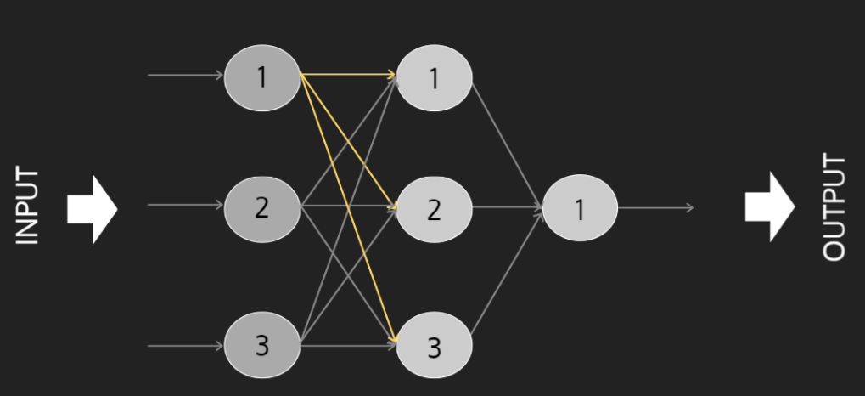

 |  |  |  |  |  |  |  |  |  | 1 output

 | NN
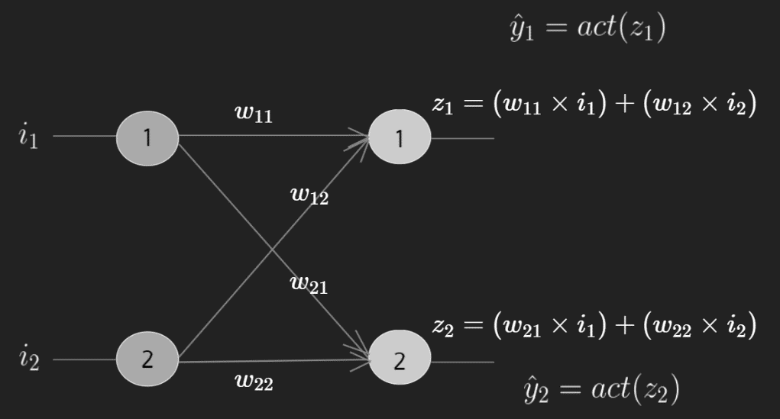
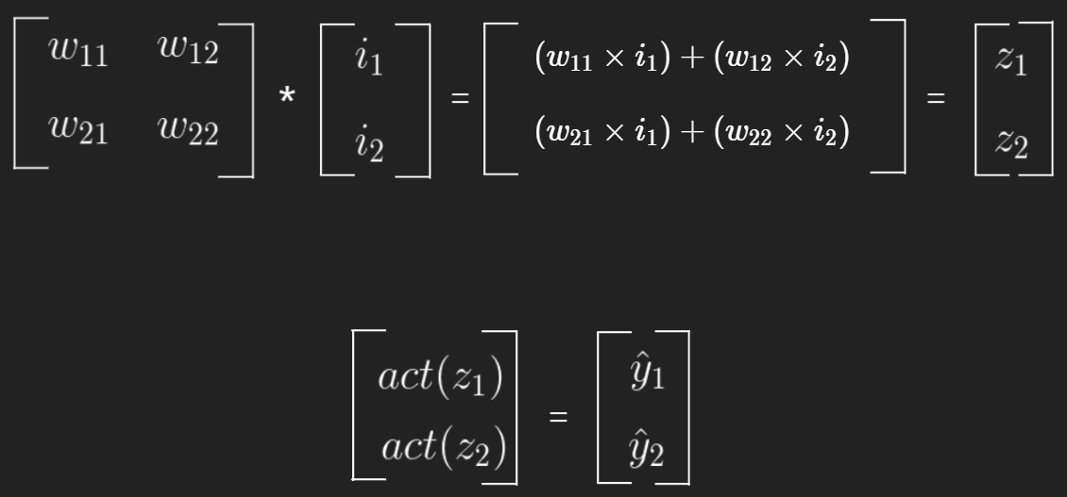

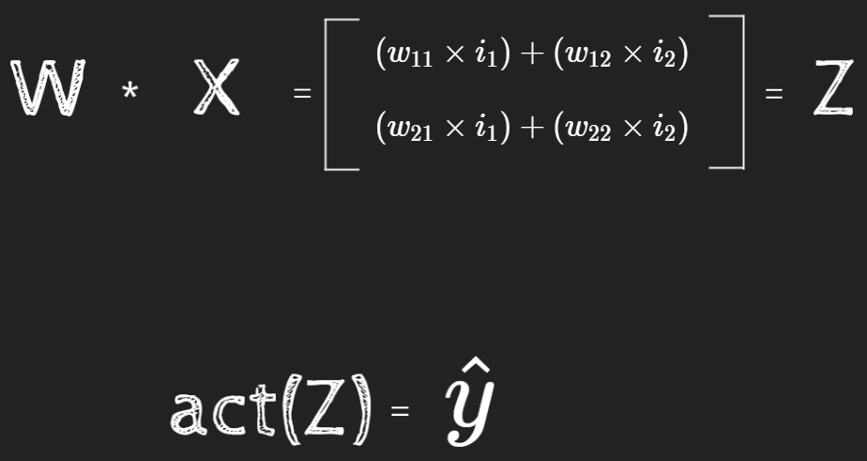
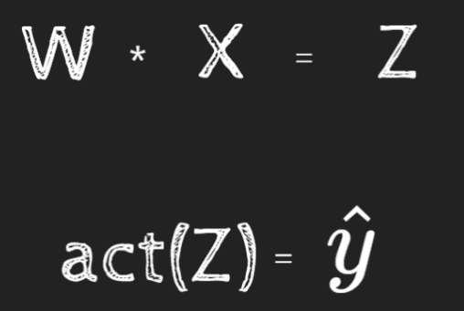

 |  |  |  |  |  |  | i1 , i2 - inputs
 |  |  |  |  |  |  | bias is not mentioned here .

 | Error Calculation
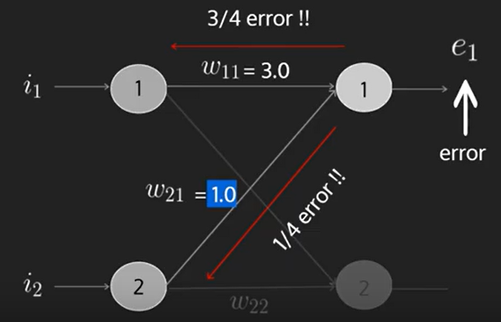
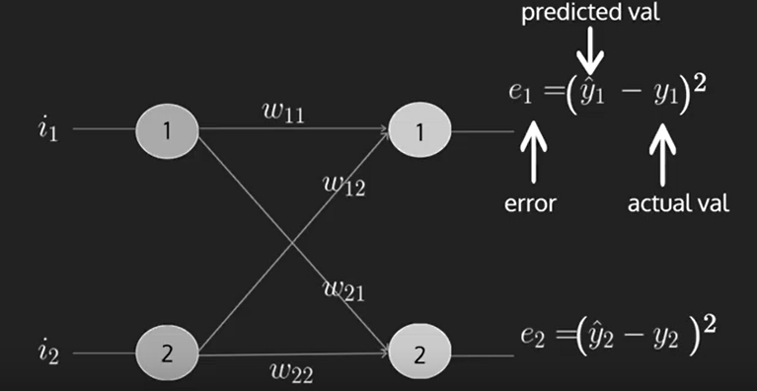

 |  |  |  |  |  |  |  |  |  |  |  |  |  |  | How much weight we should propagate ?
 |  |  |  |  |  |  |  |  |  |  |  |  |  |  | - It should be propotional .

 | Sigmoid Activation Function
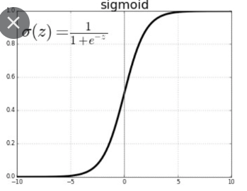
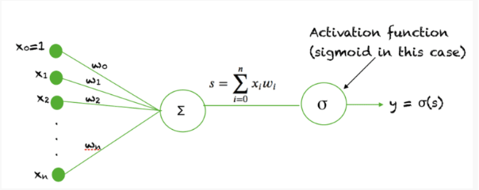

 |  |  |  |  |  |  |  |  |  |  | domain = z value
 |  |  |  |  |  |  |  |  |  |  | input range = -∞ to ∞ | output range = (0 , 1)
 |  |  |  |  |  |  |  |  |  |  |  |  |  | doesn't include 0 and 1

 |  |  |  |  |  |  | ∞
 |  |  |  |  |  |  |  |  | 1 | squishing between (0,1)
 |  |  |  |  |  |  | - ∞ |  | 0

 |  |  |  |  |  |  | Why between 0 & 1 ?
 |  |  |  |  |  |  |  | Else output will be very high and solution might diverge and may not reach t othe solution .
 |  |  |  |  |  |  | Activation Function converge the value within a range

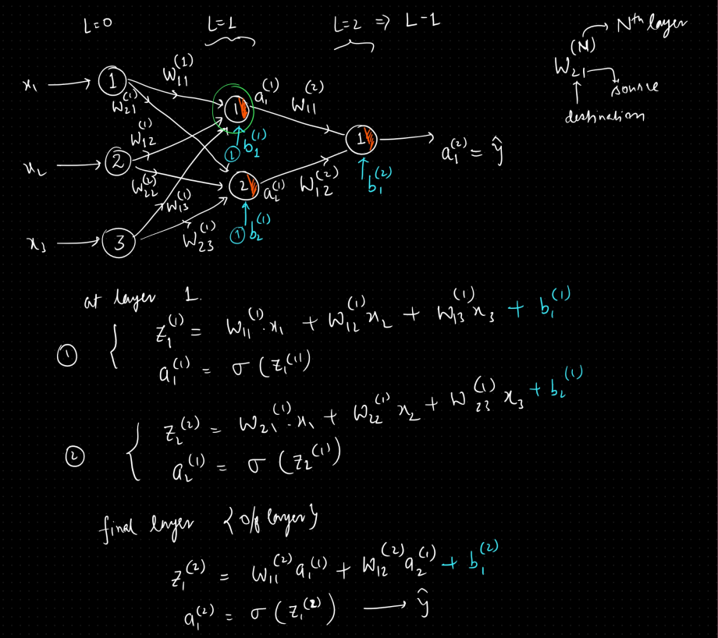
 | Undestanding
 |  |  |  |  |  |  |  |  |  |  |  |  | Weight update rule ( General ) :

 |  |  |  |  |  |  |  |  |  |  |  |  |  | dy/dx | Change in y w.r.t. small change in x
 |  |  |  |  |  |  |  |  |  |  |  |  |  | de/dw | Change in error w.r.t. small change in weight .

 | Matrix Multiplication
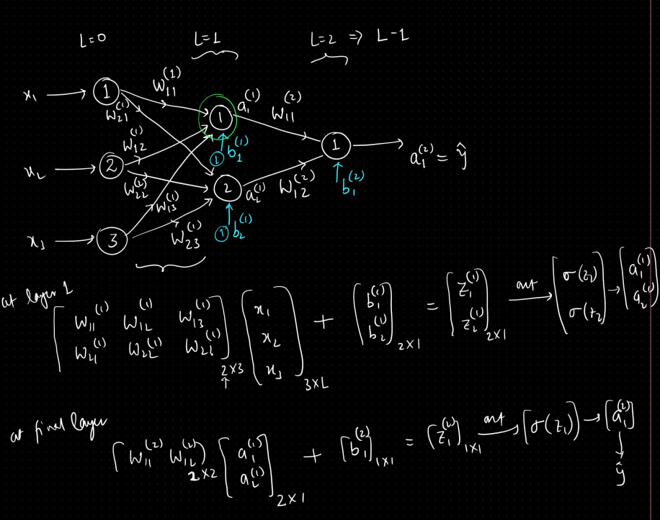

 |  | So , NN is nothing but a matrix multiplication

 |  | When de/dw ---> 0 , de/dw ---> 0
 |  |  | No error , we reach the global minima .

 |  | So we get a perfect model .

 | Why we need an activation function ?

 |  | What is the benefit of having multiple layers ?
 |  | One neuron is not sufficient to solve a complex problem , that's why we need multiple layers .
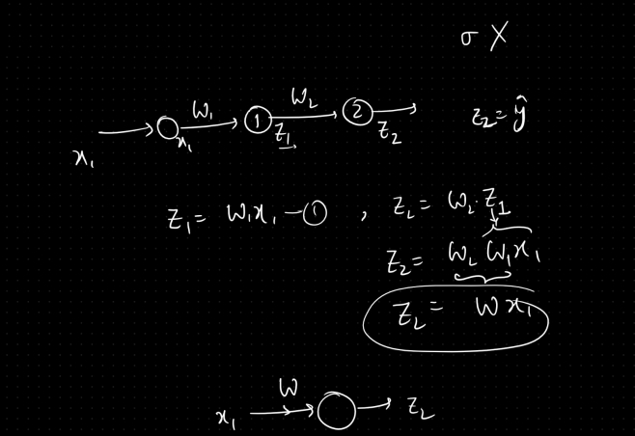

 |  |  |  |  |  |  |  |  |  | Let's say we don't have activation function .

 |  |  |  |  |  |  |  |  |  | Complex network will be like Single Neuron if we don't use activation function .

 |  | Example , with no activation function

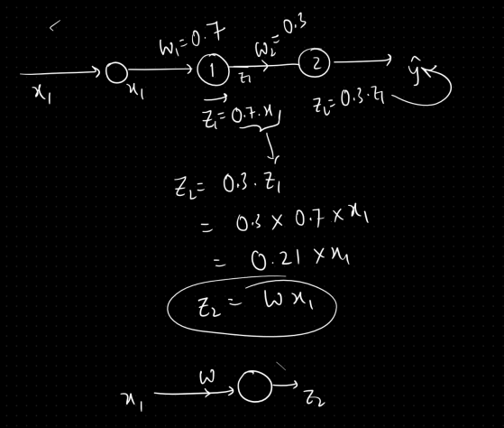

 |  | With bias ,

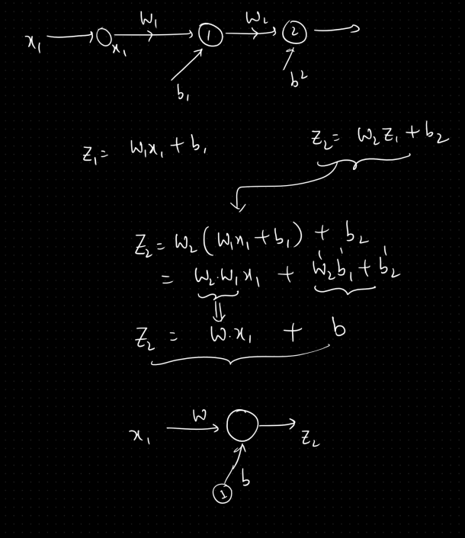

 |  | Multilayer neuron without an activation function will be considered as a single neuron ( one layer unit ) .

 |  | In multilayer network ,

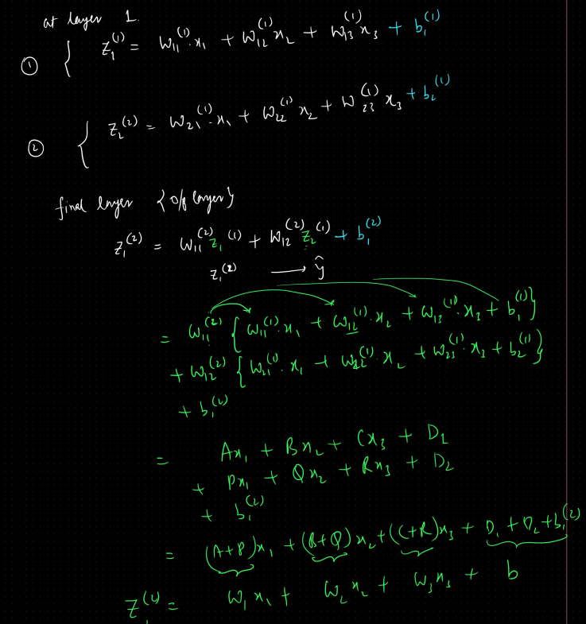

 |  |  | Graphically ,
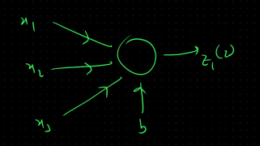

 |  |  |  |  |  |  | Single Linear Unit

 |  | This is why we use activation function as it behanves as Single Unit without activation function .

 | Q - Why to use activation function ?
 |  | - Normalization of data
 |  | - Non-linearization
 |  | - Regularization of data
 |  | - It won't behave as single linear unit / manageable .

 |  | Generally it converges the solution .
 |  | Try to convert to certain range .
 |  |  | tanh : ( -1,1 )
 | ( -∞ , ∞ ) |  | sigmoid : (0,1)
 |  |  | Relu : (0 , ∞ )

 |  | Let's say we don't have an activation function .

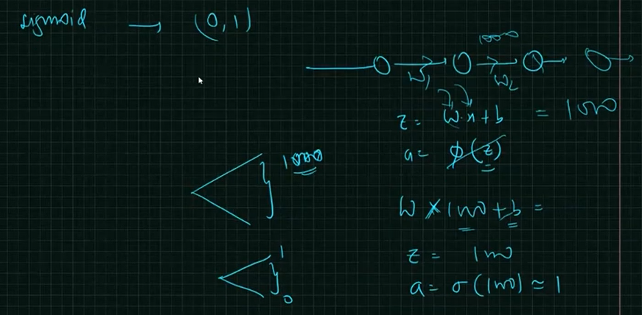

 | Q - How to choose which activation function to use ?
 |  | - TBD later

 | Q - How many neurons in a layer or how many layers to be there in NN ?
 |  | - TBD later

 | Q - MLP = ANN

 |  |  |  |  |  |  |  |  |  |  |  |  |  |  |  | 9 / 26

