Sheet4
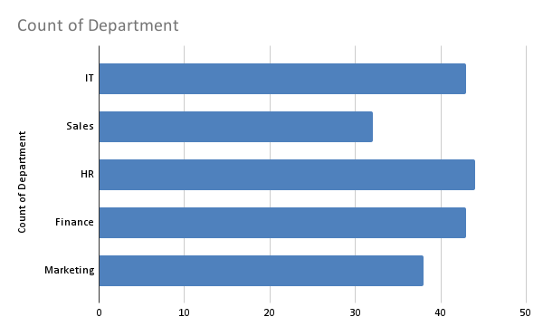
Sales | Department
13394 | IT
13394 | Sales
13394 | HR
13394 | Finance
13394 | HR
13394 | Sales
13394 | Finance
13394 | HR
13394 | IT
13394 | Marketing
13394 | IT
13394 | Marketing
13394 | Sales
13394 | Sales
13394 | IT
13394 | Marketing
13394 | HR
13394 | Marketing
13394 | Marketing
13394 | Finance
13394 | Sales
13394 | Marketing
13394 | HR
13394 | IT
13394 | IT
13394 | Sales
13394 | HR
13394 | Sales
13394 | HR
13394 | Marketing
13394 | HR
13394 | Sales
13394 | Finance
13394 | HR
13394 | HR
13394 | Marketing
13394 | IT
13394 | Finance
13394 | Finance
13394 | HR
13394 | Sales
13394 | HR
13394 | Sales
13394 | IT
13394 | IT
13394 | Finance
13394 | Marketing
13394 | Finance
13394 | IT
13394 | Marketing
13394 | HR
13394 | Marketing
13394 | Finance
13394 | HR
13394 | Marketing
13394 | Marketing
13394 | Sales
13394 | Finance
13394 | HR
13394 | IT
13394 | HR
13394 | IT
13394 | IT
13394 | HR
13394 | Finance
13394 | Finance
13394 | Finance
13394 | HR
13394 | Sales
13394 | Sales
13394 | Marketing
13394 | IT
13394 | Finance
13394 | Finance
13394 | Marketing
13394 | Finance
13394 | IT
13394 | HR
13394 | Marketing
13394 | Finance
13394 | Marketing
13394 | IT
13394 | HR
13394 | Finance
13394 | HR
13394 | Marketing
13394 | HR
13394 | Marketing
13394 | Marketing
13394 | Finance
13394 | Finance
13394 | IT
13394 | IT
13394 | IT
13394 | IT
13394 | Finance
13394 | HR
13394 | IT
13394 | Finance
13394 | IT
13394 | IT
13394 | Sales
13394 | Sales
13394 | IT
13394 | HR
13394 | Finance
13394 | Finance
13394 | Sales
13394 | Finance
13394 | Marketing
13394 | HR
13394 | Finance
13394 | Marketing
13394 | Finance
13394 | Sales
13394 | Sales
13394 | Finance
13394 | Marketing
13394 | HR
13394 | Finance
13394 | Sales
13394 | Finance
13394 | Sales
13394 | HR
13394 | HR
13394 | Marketing
13394 | HR
13394 | HR
13394 | Sales
13394 | IT
13394 | Marketing
13394 | Sales
13394 | Sales
13394 | Marketing
13394 | IT
13394 | Marketing
13394 | HR
13394 | Sales
13394 | HR
13394 | IT
13394 | Finance
13394 | Sales
13394 | HR
13394 | IT
13394 | IT
13394 | IT
13394 | Marketing
13394 | IT
13394 | IT
13394 | Finance
13394 | Marketing
13394 | Finance
13394 | Sales
13394 | Sales
13394 | Marketing
13394 | IT
13394 | HR
13394 | Marketing
13394 | Finance
13394 | Finance
13394 | Sales
13394 | Marketing
13394 | Marketing
13394 | IT
13394 | HR
13394 | Finance
13394 | IT
13394 | HR
13394 | HR
13394 | Finance
13394 | Finance
13394 | Marketing
13394 | IT
13394 | Marketing
13394 | Sales
13394 | Sales
13394 | Finance
13394 | Marketing
13394 | Sales
13394 | HR
13394 | IT
13394 | IT
13394 | IT
13394 | HR
13394 | IT
13394 | Finance
13394 | HR
13394 | HR
13394 | HR
13394 | Marketing
13394 | Finance
13394 | IT
13394 | IT
13394 | HR
13394 | Finance
13394 | Marketing
13394 | Sales
13394 | HR
13394 | IT
13394 | Finance

