Sheet1
OLTP Data source name: SALE_AU_NZ |  |  |  | Data Quantity Actions Summary Table
Data source type: MS-SQL |  |  |  | Source Database : Sale_AU_NZ
Table name | Column name | Data type | Constraint | Table | DQ Rule No. |  |  | Number of Logged records in DQLog
customer | customernumber | int | pk
 | customername | varchar(50) | not null |  | Allow | Reject | Fix | Allow | Reject | Fix
 | contactlastname | varchar(50) | not null | Customer |  | 7 | 5 |  |  | 9
 | phone | varchar(50) | not null | Employee
 | addressline1 | varchar(50) | not null | Office |  |  | 5 |  |  | 4
 | addresline2 | varchar(50) | null | orderDetail |  | 2,3,6 | 2,3
 | city | varchar(50) | not null | Payment |  | 9,10 |  |  | 18
 | state | varchar(50) | null | product |  | 1,4 | 1 |  | 1 | 1
 | postalcode | varchar(15) | null | ProductLine
 | country | varchar(50) | not null | productOrder |  |  | 8 |  |  | 4
 | salesrepemployeenumber | int | null
 | creditlimit | decimal(10,2) | null
employee | employeenumber | intt | pk
 | lastname | varchar(50) | not null
 | firstname | varchar(50) | not null
 | extension | varchar(10) | not null
 | email | varchar(100) | not null
 | officecode | varchar(10) | not null
 | reportsto | int | fk references
 |  |  | employee(employeenumber)
 | jobtitle | varchar(50) | not null
 |  |  | office (officecode)
office | officecode | varchar(10 | pk
 | city | varchar(50) | not null
 | phone | varchar(50) | not null
 | addressline1 | varchar(50) | not null
 | addessline2 | varchar(50) | null
 | state | varchar(50) | null
 | country | varchar(50) | not null
 | postalcode | varchar(150) | not null
 | territory | varchar(10) | not null
orderdetail | ordernumber | int | pk, fk references
 |  |  | productorder(ordernumber)
 | productcode | varchar(15) | pk, fk references
 |  |  | product(productcode)
 | quantityordered | int | not null
 | priceEach | decimal(10,2) | not null
 | orderlinenumber | samllint | not null
payment | customernumber | int | pk, fk references
 |  |  | customoer(customernumber)
 | checknumber | varchar(50) | pk
 | paymentdate | date | not null
 | amount | decimal(10,2) | not null
product | productcode | varchar(15) | pk
 | productname | varchar(70) | not null
 | productline | varchar(50) | fk references
 |  |  | productline(productline)
 | productscale | varchar(10) | not null
 | productvendor | varchar(50) | not null
 | productdescription | text | not null
 | quanittiyinstock | smallint | not null
 | buyprice | decimal(10,2) | not null
 | msrp | decimal(10,2) | not null
productLine | productline | varchar(50) | pk
 | textdescription | varchar(4000) | null
 | htmldescription | text | null
 | pimage | image | null
productOrder | ordernumber | int | pk
 | orderdate | date | not null
 | requireddate | date | null
 | shippeddate | date | null
 | status | varchar(15) | not null
 | comments | text | null
 | customernumber | int | fk references
 |  |  | customer(customernumber)

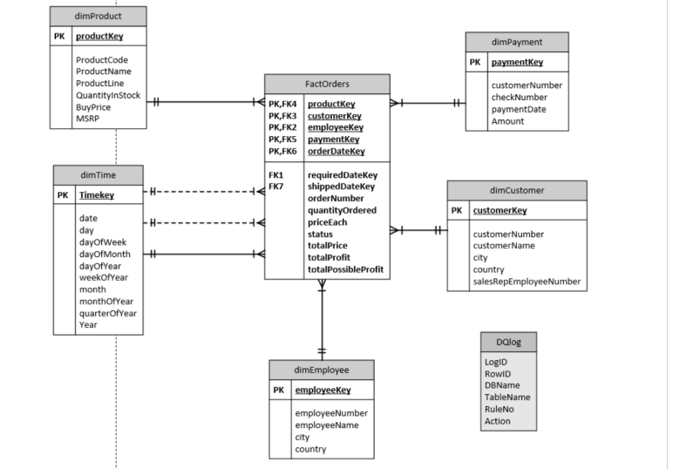
OLAP Schema Type: Star Shema
OLAP Subject: Sale Orders
OLTP Data source(s): Sale_AU_NZ(type: MS-SQL)
Table name | Column name | Data type | Constraint
dimCustomers | CustomerKey | int | pk
 | customerNumber | int | not null
 | salesRepEmployeeNumber | int | FK
 | customerName | varchar(50) | not null
 | city | varchar(50) | not null
 | country | varchar(50) | not null
dimEmployees | employeeKey | int | PK
 | employeeNumber | int | not null (natural key)
 | lastName | varchar(50) | NOT NULL
 | firstName | varchar(50) | NOT NULL
 | city | varchar(50) | NOT NULL
 | country | varchar(50) | NOT NULL
dimProducts | productKey | int | pk
 | productcode | varchar(15) | not null
 | productname | varchar(70) | Not Null
 | productline | varchar(50) | NOT NULL
 | quantityInStock | smallint | not null
 | buyprice | decimal(10,2) | not null
 | msrp | decimal(10,2) | notnull
dimPayments | paymentKey | int | PK
 | customerNumber | int | NOT NULL
 | checkNumber | varchar(50) | NOT NULL
 | paymentDate | date | NOT NULL
 | amount | decimal(10,2) | NOT NULL
FACTORDER | productKey | int | pk, FK reference dimProducts(productKey)
 | CustomerKey | int | PK,FK reference dimCustomers(customerKey)
 | EmployeeKey | int | PK,FK reference dimEmployees(employeeKey)
 | OrderDateKey | int | PK,FK reference dimTime(TimeKey)
 | RequriedDateKey |  | FK reference dimTime(TimeKey)
 | ShippedDateKey | int | FK reference dimTime(TimeKey)
 | status | varchar(15) | NOT NULL
 | OrderNumber | int | NOT NULL
 | quantityInOrdered | smallint | NOT NULL
 | priceEach | money | NOT NULL
 | TotalPrice | money | NOT NULL
 | TotalProfit | money | NOT NULL
 | TotalPossibleProfit | money | NOT null
dimTime | TimeKey | int | pk
 | Date | date | null
 | Day | char(10) | null
 | DayOfWeek | smallint | null
 | DayOfMonth | smallint | null
 | WeekOfYear | smallint | null
 | Month | char(10) | null
 | MonthOfYear | smallint | null
 | QuaterOfYear | smallint | null
 | Year | int | null

