Sheet1
Name | Address | Email | City | State | Zip
ADRIAN OLIVARES | 28 GARFIELD ST | levargassj@gmail.com | OSWEGO | IL | 60543 | 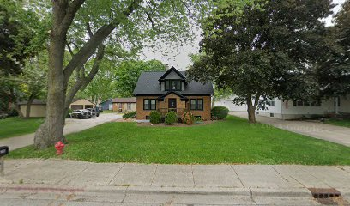
MANUELA RIOS | 545 DANBURY DR | levargassj@gmail.com | OSWEGO | IL | 60543 | 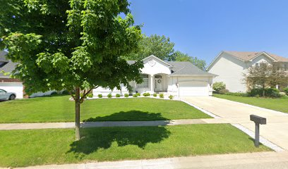
ERNESTO OLIVARES | 1036 E BENTON ST | levargassj@gmail.com | AURORA | IL | 60505 | 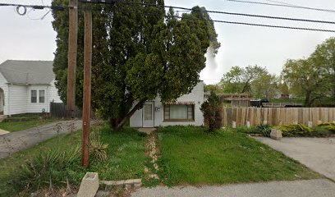
ANGELICA OLIVARES | 17 SENECA DR | levargassj@gmail.com | MONTGOMERY | IL | 60538 | 