SellThrough_Data
User specific weekly "Sell Trough" actual forecasts
Actual Type | FT
User Name | Scott Webber |  |  |  |  |  |  |  |  |  |  |  |  |  | Save in format of Exel 97-2003
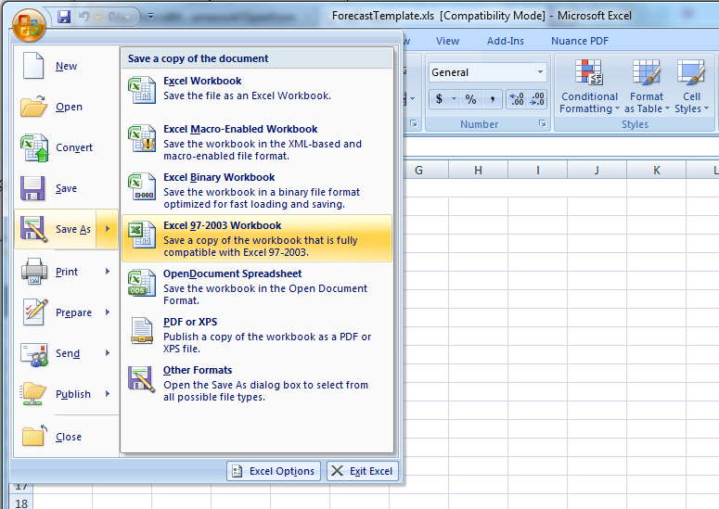
Item Code | BillTo | SellTo | Year | Month | w1 | u1 | w2 | u2 | w3 | u3 | w4 | u4 | w5 | u5
12X123 | B999 | s3456 | 2014 | 4 | 123 | 456 | 789 | 1 | 2 | 12 | 122 | 333 | 555 | 567
12X124 | b888 | s3457 | 2014 | 4 | 345 | 678 | 910 | 1001 | 1200 | 132 | 133 | 322 | 534 | 577
12X125 | b777 | s3458 | 2014 | 4 | 456 | 789 | 1023 | 2500 | 2599 | 12 | 144 | 345 | 5467 | 588

