COA Details
 |  |  |  | 1Lithium metaborate fusion sample preparation and calculations

 |  |  |  | Procedure:
13085 Ash Street
Thornton, CO 80241 |  |  |  | 1. Label an empty high density polyethylene (HDPE) bottle with lid. Weigh empty bottle plus lid.
 |  |  |  | 2. Add approximately 60 ml 1N HNO3 to bottle.
Certificate of Analysis |  |  |  | 3. Replace cap and weight bottle + acid.
 |  |  |  | 4. Place clean graphite crucible on scale and tare.
 |  |  |  | 5. Add approximately 0.8 to 1.2 grams of lithium metaborate flux to crucible and weigh.
Red River Creek Mining Group LLC |  | Date: | 26/11/2022 | 6. Tare scale and add approximately 0.1 g of approximately 80% passing 75 micron sized powdered
1712 Carey Avenue |  | Page: | 1 of 3 | rock sample to the crucible containing
Suite 100 |  | Assay Reference #: | 2 | the previously measured flux and weigh.
Cheyenne, WY 82001 |  |  |  | 7. Place crucible into a preheated muffle furnace (500 C).
 |  |  |  | 8. Bring furnace up to 950 - 1000 C. Sample to remain at this temperature for 20 minutes.
 |  |  |  | 9. Using tongs, remove crucible from furnace and immediately pour molten flux into a metal washer
 |  |  |  | to cast a glass button.
Sample Preparation1 | Lithium metaborate fusion (LMB) |  |  | 10. Transfer glass flux bead from washer to the appropriate bottle containing 1 N HNO3.
 | Nexus Geos LLC |  |  | 11. Recap bottle and weigh.
 | Method Code: Rich31.M |  |  | 12. Place bottle with sample on a hot plate or similar heater until the flux button is completely dissolved
 |  |  |  | 13. The liquid sample is sent to the University of Nebraska for instrumental analysis.
 |  |  |  | 14. ICP-MS analytical results are adjusted back to the original sample weight.
Sample Analysis2 | Inductively coupled plasma mass spectrometry (ICP-MS)
 | University of Nebraska-Lincoln |  |  | Dilution factor = (acid weight + button weight) / sample weight
 | Redox Biology Center |  |  | PPB is converted to ppm by dividing by 1,000.
 | Spectroscopic and Biophysics Core Facility |  |  | PPM/weight x dilution factor = assay value (ppm)
 | E157 Beadle Center |  |  | Efficiency = ((flux weight + sample weight), pre-heat) / ((flux weight + sample weight), post heat)
 | Lincoln, NE 68588-0662
 | Method Code: 22-6230-0007 ICP

 |  |  |  | 2Inductively coupled plasma mass spectrometer unit: Agilent 7500 cx

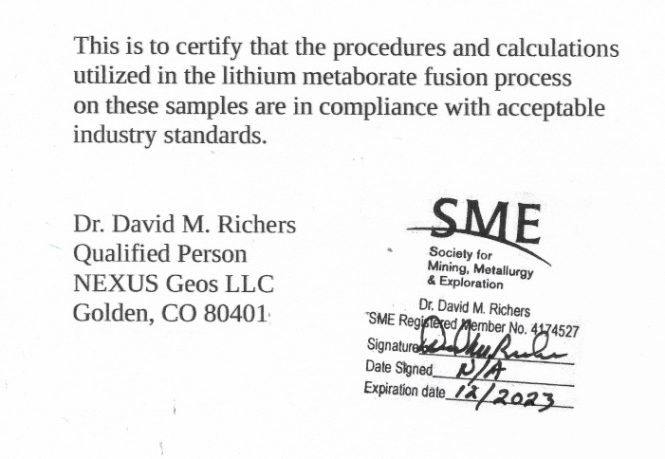
 |  |  |  | Detection Limit: | The detection limit of the ICP-MS unit is variable depending on each sample run.
 |  |  |  |  | There are multiple samples per sample run and potentially multiple sample runs
 |  |  |  |  | per data set included within a single Certificate of Analysis.

 |  |  |  |  | Negative values shown as assay values represent the absolute value of the
 |  |  |  |  | detection limit. If there are no negative values within a dataset, that indicates
 |  |  |  |  | reported values are above the detection limit.

 |  |  |  | Chain of Custody:

 |  |  |  | Date Nexus received original samples: |  | 2022-10-15
 |  |  |  | Date Nexus prepared the samples (LMB): |  | 2022-10-20
 |  |  |  | Date University of Nebraska analysis: |  | 2022-12-16

 |  |  |  |  |  |  | I

Prelim Analysis
Ag vs Au Above LOD
1.51 | 0.00
0.95 | 0.00
0.78 | 0.00
0.41 | 0.00
0.29 | 0.00
0.35 | 0.00
0.23 | 0.00
0.23 | 0.00
0.23 | 0.00
0.11 | 0.00
0.11 | 0.00
0.11 | 0.00
0.28 | 1.21
0.33 | 1.53
0.42 | 1.02
0.11 | 0.29
0.11 | 0.40
0.06 | 0.11
0.14 | 0.48
0.14 | 0.52
0.14 | 0.48
0.14 | 0.00
0.14 | 0.14
0.14 | 0.14
0.09 | 0.00
0.13 | 0.00
0.09 | 0.00
0.16 | 0.00
0.22 | 0.00
0.22 | 0.00
0.17 | 0.00
0.17 | 0.00
0.17 | 0.00
0.17 | 0.00
0.17 | 0.00
0.17 | 0.00
1.21 | 0.00
1.32 | 0.00
1.37 | 0.00
1.27 | 0.00
1.43 | 0.00
1.39 | 0.00
0.45 | 0.00
0.52 | 0.00
0.52 | 0.00
0.47 | 0.00
0.52 | 0.00
0.42 | 0.00
0.24 | 0.00
0.18 | 0.00
...

Pt vs Au Above LOD
0.84 | 0.00
0.84 | 0.00
0.84 | 0.00
0.24 | 0.00
0.12 | 0.00
0.59 | 0.00
0.40 | 0.00
0.63 | 0.00
0.63 | 0.00
0.67 | 0.00
0.39 | 0.00
0.44 | 0.00
0.00 | 1.21
0.19 | 1.53
0.00 | 1.02
0.00 | 0.29
0.00 | 0.40
0.00 | 0.11
0.81 | 0.48
0.81 | 0.52
0.81 | 0.48
0.35 | 0.00
0.28 | 0.14
0.48 | 0.14
1.01 | 0.00
1.19 | 0.00
1.37 | 0.00
0.70 | 0.00
1.08 | 0.00
0.70 | 0.00
1.21 | 0.00
1.10 | 0.00
1.27 | 0.00
1.15 | 0.00
0.86 | 0.00
0.86 | 0.00
0.11 | 0.00
0.00 | 0.00
0.00 | 0.00
0.00 | 0.00
0.00 | 0.00
0.00 | 0.00
0.19 | 0.00
1.23 | 0.00
0.00 | 0.00
0.00 | 0.00
0.00 | 0.00
0.10 | 0.00
0.12 | 0.00
0.06 | 0.00
...

Suggests multiple sources for both gold and silver, with at least
one being cogenetic.
Suggests at least two separate sources of Au and Pt, one definitely cogenetic.

Ag vs Pt Above LOD
1.51 | 0.84
0.95 | 0.84
0.78 | 0.84
0.41 | 0.24
0.29 | 0.12
0.35 | 0.59
0.23 | 0.40
0.23 | 0.63
0.23 | 0.63
0.11 | 0.67
0.11 | 0.39
0.11 | 0.44
0.28 | 0.00
0.33 | 0.19
0.42 | 0.00
0.11 | 0.00
0.11 | 0.00
0.06 | 0.00
0.14 | 0.81
0.14 | 0.81
0.14 | 0.81
0.14 | 0.35
0.14 | 0.28
0.14 | 0.48
0.09 | 1.01
0.13 | 1.19
0.09 | 1.37
0.16 | 0.70
0.22 | 1.08
0.22 | 0.70
0.17 | 1.21
0.17 | 1.10
0.17 | 1.27
0.17 | 1.15
0.17 | 0.86
0.17 | 0.86
1.21 | 0.11
1.32 | 0.00
1.37 | 0.00
1.27 | 0.00
1.43 | 0.00
1.39 | 0.00
0.45 | 0.19
0.52 | 1.23
0.52 | 0.00
0.47 | 0.00
0.52 | 0.00
0.42 | 0.10
0.24 | 0.12
0.18 | 0.06
...
Pd vs Pt Above LOD
0.00 | 0.84
0.00 | 0.84
0.00 | 0.84
0.00 | 0.24
0.00 | 0.12
0.00 | 0.59
0.00 | 0.40
0.00 | 0.63
0.00 | 0.63
0.00 | 0.67
0.00 | 0.39
0.00 | 0.44
0.00 | 0.00
0.00 | 0.19
0.00 | 0.00
0.00 | 0.00
0.00 | 0.00
0.00 | 0.00
0.00 | 0.81
0.00 | 0.81
0.00 | 0.81
0.00 | 0.35
0.00 | 0.28
0.00 | 0.48
0.00 | 1.01
0.00 | 1.19
0.00 | 1.37
0.00 | 0.70
0.00 | 1.08
0.00 | 0.70
0.00 | 1.21
0.00 | 1.10
0.00 | 1.27
0.00 | 1.15
0.00 | 0.86
0.00 | 0.86
0.00 | 0.11
0.00 | 0.00
0.00 | 0.00
0.00 | 0.00
0.00 | 0.00
0.00 | 0.00
0.00 | 0.19
0.00 | 1.23
0.00 | 0.00
0.00 | 0.00
0.00 | 0.00
0.00 | 0.10
0.00 | 0.12
0.00 | 0.06
...

Suggests no clear relationship between Ag and Pt

Suggests a co-source between Pt and Pd,

