COA Details
 |  |  |  |  | 1Lithium metaborate fusion sample preparation and calculations

 |  |  |  |  | Procedure:
13085 Ash Street
Thornton, CO 80241 |  |  |  |  | 1. Label an empty high density polyethylene (HDPE) bottle with lid. Weigh empty bottle plus lid.
 |  |  |  |  | 2. Add approximately 60 ml 1N HNO3 to bottle.
Certificate of Analysis |  |  |  |  | 3. Replace cap and weight bottle + acid.
 |  |  |  |  | 4. Place clean graphite crucible on scale and tare.
 |  |  |  |  | 5. Add approximately 0.8 to 1.2 grams of lithium metaborate flux to crucible and weigh.
Red River Creek Mining Group LLC |  | Date: | 2023-11-01 |  | 6. Tare scale and add approximately 0.1 g of approximately 80% passing 75 micron sized powdered
1712 Carey Avenue |  | Page: | 1 of 1 |  | rock sample to the crucible containing
Suite 100 |  | Assay Reference #: |  | tbd | the previously measured flux and weigh.
Cheyenne, WY 82001 |  |  |  |  | 7. Place crucible into a preheated muffle furnace (500 C).
 |  |  |  |  | 8. Bring furnace up to 950 - 1000 C. Sample to remain at this temperature for 20 minutes.
 |  |  |  |  | 9. Using tongs, remove crucible from furnace and immediately pour molten flux into a metal washer
 |  |  |  |  | to cast a glass button.
Sample Preparation1 | Lithium metaborate fusion (LMB) |  |  |  | 10. Transfer glass flux bead from washer to the appropriate bottle containing 1 N HNO3.
 | Nexus Geos LLC |  |  |  | 11. Recap bottle and weigh.
 | Method Code: Rich31.M |  |  |  | 12. Place bottle with sample on a hot plate or similar heater until the flux button is completely dissolved
 |  |  |  |  | 13. The liquid sample is sent to the University of Nebraska for instrumental analysis.
 |  |  |  |  | 14. ICP-MS analytical results are adjusted back to the original sample weight.
Sample Analysis2 | Inductively coupled plasma mass spectrometry (ICP-MS)
 | University of Nebraska-Lincoln |  |  |  | Dilution factor = (acid weight + button weight) / sample weight
 | Redox Biology Center |  |  |  | PPB is converted to ppm by dividing by 1,000.
 | Spectroscopic and Biophysics Core Facility |  |  |  | PPM/weight x dilution factor = assay value (ppm)
 | E157 Beadle Center |  |  |  | Efficiency = ((flux weight + sample weight), pre-heat) / ((flux weight + sample weight), post heat)
 | Lincoln, NE 68588-0662
 | Method Code: 22-6230-0007 ICP

 |  |  |  |  | 2Inductively coupled plasma mass spectrometer unit: Agilent 7500 cx

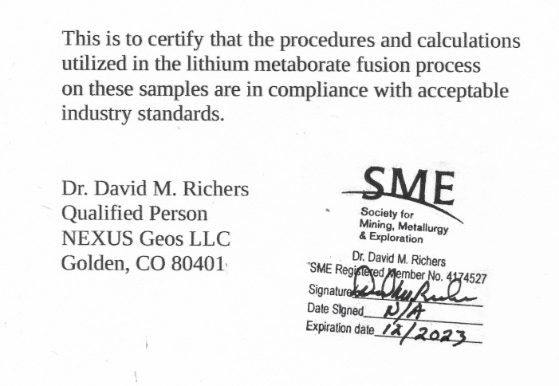
 |  |  |  |  | Detection Limit: | The detection limit of the ICP-MS unit is variable depending on each sample run.
 |  |  |  |  |  | There are multiple samples per sample run and potentially multiple sample runs
 |  |  |  |  |  | per data set included within a single Certificate of Analysis.

 |  |  |  |  |  | Negative values shown as assay values represent the absolute value of the
 |  |  |  |  |  | detection limit. If there are no negative values within a data set, that indicates
 |  |  |  |  |  | reported values are above the detection limit.

 |  |  |  |  | Chain of Custody:

 |  |  |  |  | Date Nexus received original samples: |  | 9/24/2023
 |  |  |  |  | Date Nexus prepared the samples (LMB): |  | 9/26/2023
 |  |  |  |  | Date University of Nebraska analysis: |  | 10/13/2023 to 10/27/2023
 |  |  |  |  |  |  | New values for melt samples, 11/1/2023

 |  |  |  |  |  |  |  | I

