Single_CV_Group_MCES
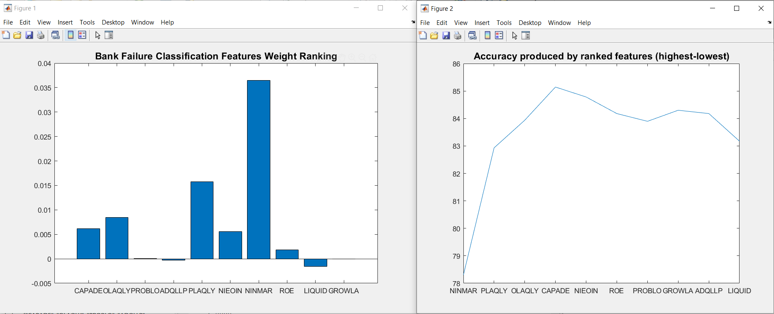
 | RMSE | Rules | R | Accuracy | EER | Unclassified
NINMAR | 0.4601777149 | 2.4504830918 | 0.062734107686 | 78.301127214 | 0 | 0
PLAQLY | 0.40847810207 | 2.7761674718 | 0.23893826768 | 82.930756844 | 0 | 0
QLAQLY | 0.39523972256 | 4.0253623188 | 0.30405415237 | 83.937198068 | 0 | 0
CAPADE | 0.38190630829 | 5.8929146538 | 0.37571293745 | 85.144927536 | 0 | 0
NIEOIN | 0.38533310411 | 7.4931561997 | 0.36184704289 | 84.782608696 | 0 | 0
ROE | 0.39218874511 | 8.1972624799 | 0.33185787278 | 84.178743961 | 0 | 0
PROBLO | 0.39299938558 | 8.0108695652 | 0.32430728762 | 83.896940419 | 0 | 0
GROWLA | 0.38811641918 | 8.2612721417 | 0.35096661019 | 84.299516908 | 0 | 0
ADQLLP | 0.39057770656 | 8.1400966184 | 0.34029607326 | 84.178743961 | 0 | 0
LIQUID | 0.4011077284 | 8.4186795491 | 0.2910786513 | 83.172302738 | 0 | 0

Multiple_CV_Group_MCES
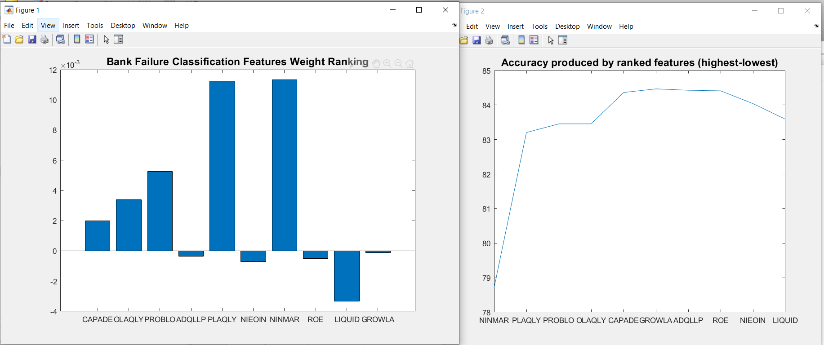
 | RMSE | Rules | R | Accuracy | EER | Unclassified
NINMAR | 0.45560046265 | 2.488647343 | 0.076242349811 | 78.703703704 | 0 | 0
PLAQLY | 0.40349629635 | 2.8172302738 | 0.2515465985 | 83.204508857 | 0 | 0
PROBLO | 0.3988496117 | 3.2614331723 | 0.27108834667 | 83.45410628 | 0 | 0
OLAQLY | 0.3989149589 | 4.2914653784 | 0.2779934133 | 83.45410628 | 0 | 0
CAPADE | 0.38893568976 | 6.0942028986 | 0.33326285314 | 84.363929147 | 0 | 0
GROWLA | 0.38799428965 | 6.6459742351 | 0.3404958449 | 84.468599034 | 0 | 0
ADQLLP | 0.38840505106 | 6.6741545894 | 0.33827362556 | 84.428341385 | 0 | 0
ROE | 0.38763237262 | 7.2752818035 | 0.3422775309 | 84.412238325 | 0 | 0
NIEOIN | 0.39252014676 | 8.4960547504 | 0.32185311533 | 84.041867955 | 0 | 0
LIQUID | 0.39743323447 | 8.91215781 | 0.29836523291 | 83.590982287 | 0 | 0

