Sheet1
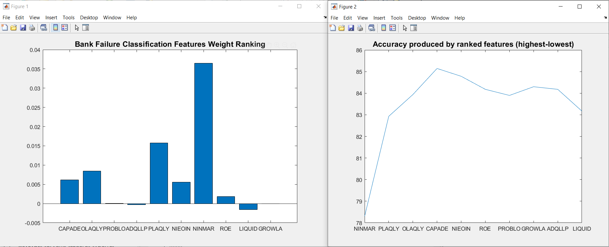
 | RMSE | Rules | R | Accuracy | EER | Unclassified
NINMAR | 0.4601777149 | 2.4504830918 | 0.062734107686 | 78.301127214 | 0 | 0
PLAQLY | 0.40847810207 | 2.7761674718 | 0.23893826768 | 82.930756844 | 0 | 0
QLAQLY | 0.39523972256 | 4.0253623188 | 0.30405415237 | 83.937198068 | 0 | 0
CAPADE | 0.38190630829 | 5.8929146538 | 0.37571293745 | 85.144927536 | 0 | 0
NIEOIN | 0.38533310411 | 7.4931561997 | 0.36184704289 | 84.782608696 | 0 | 0
ROE | 0.39218874511 | 8.1972624799 | 0.33185787278 | 84.178743961 | 0 | 0
PROBLO | 0.39299938558 | 8.0108695652 | 0.32430728762 | 83.896940419 | 0 | 0
GROWLA | 0.38811641918 | 8.2612721417 | 0.35096661019 | 84.299516908 | 0 | 0
ADQLLP | 0.39057770656 | 8.1400966184 | 0.34029607326 | 84.178743961 | 0 | 0
LIQUID | 0.4011077284 | 8.4186795491 | 0.2910786513 | 83.172302738 | 0 | 0

