CONCAT
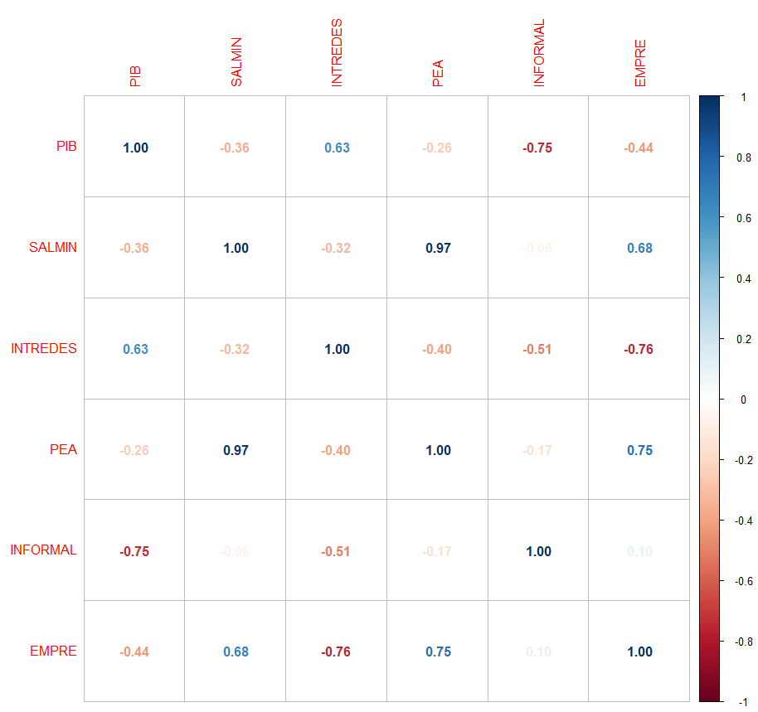
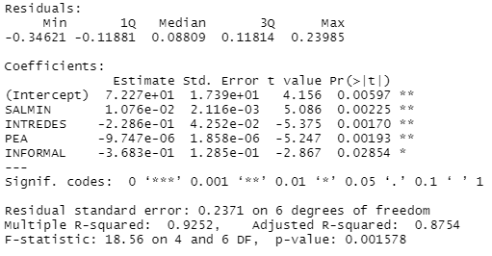
 | % | % | Q | % | % | %
 | UNEMPL | PIB | Sal Min | Int. Redes | PEA | INFORMAL | EMPRE
2002 |  |  | 874.48 |  |  | 73
2003 | 2.81 | 2.6 | 1,005.27 |  | 4,468,311.00 | 72.9
2004 | 2.97 | 3.1 | 1,234.12 | 1.69 | 4,590,730.00 | 74.6 | 10.76
2005 | 3.01 | 3.3 | 1,234.12 | 3.47 | 4,700,495.00 | 75.6 | -3.88
2006 | 3 | 5.4 | 1,309.44 | 3.97 | 4,815,710.00 | 77.9 | 6.7
2007 | 2.99 | 6.3 | 1,374.84 | 5.80 | 4,939,775.00 | 74 | 2.38
2008 | 3.04 | 3.3 | 1,456.38 | 11.61 | 5,069,950.00 | 77.9 | 11.02
2009 | 3.35 | 0.5 | 1,581.67 | 16.00 | 5,201,009.00 | 79 | -6.89
2010 | 3.5 | 2.9 | 1,703.33 | 23.11 | 5,330,048.00 | 80.9 | -1.23
2011 | 3.12 | 4.2 | 1,937.54 | 30.83 | 5,467,480.00 | 81.2 | 0.77
2012 | 2.77 | 3 | 2,074.00 | 30.11 | 5,567,956.00 | 82.7 | -17.81
2013 | 3.02 | 3.7 | 2,171.75 | 34.42 | 5,664,712.00 | 80.5 | 8.56
2014 | 2.72 | 4.4 | 2,280.34 | 34.86 | 5,868,446.00 | 78.1 | 3.70
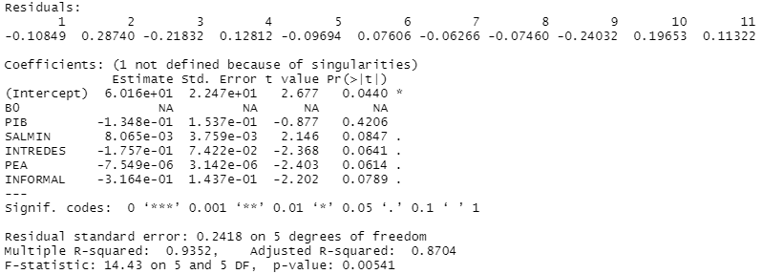
2015 | 2.51 | 4.1 | 2,394.40 | 34.19 | 6,015,811.00 | 79.2 | 4.84
2016 | 2.58 | 2.7 | 2,497.04 | 31.72 | 6,180,399.00 | 79.2 | -1.18
2017 | 2.46 | 3.1 | 2,643.21 | 29.08 | 6,367,398.00 | 80.1 | 16.34
2018 | 2.41 | 3.3 | 2,742.37 | 24.61 | 6,537,545.00 | 80.6 | -3.14
2019 | 2.36 | 3.9 | 2,742.37 | 22.50 | 6,707,594.00 | 79 | 16.50
2020 | 4.65 | -1.5 | 2,783.73 | 19.78 | 6,387,537.00 | 84 | -2.73

 |  |  |  |  |  | ENEI

Unemployment D.
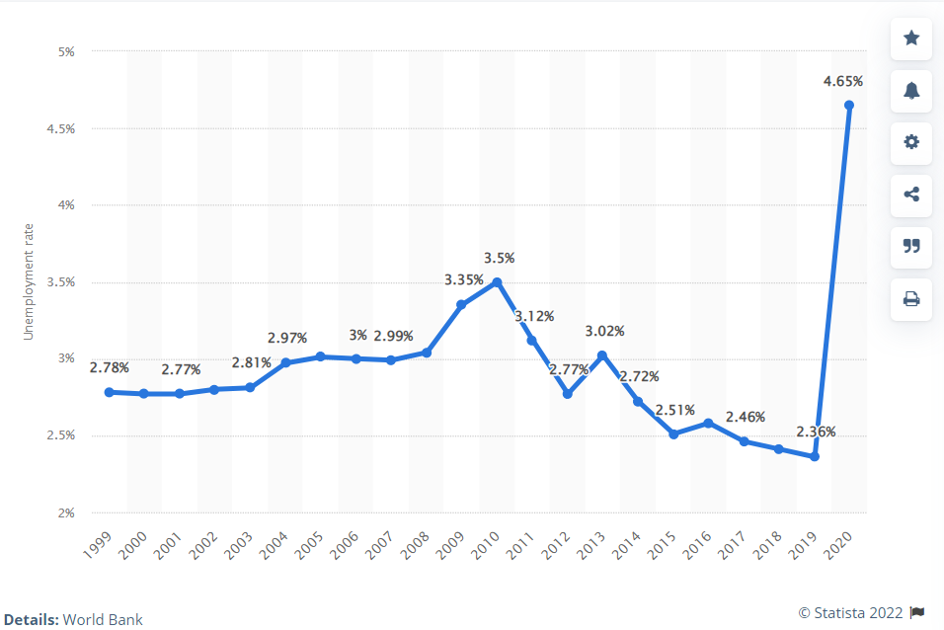
Unemployment rate in Guatemala 2020
Guatemala: Unemployment rate from 1999 to 2020

1999 | 2.78 | in %
2000 | 2.77 | in %
2001 | 2.77 | in %
2002 | 2.8 | in %
2003 | 2.81 | in %
2004 | 2.97 | in %
2005 | 3.01 | in %
2006 | 3 | in %
2007 | 2.99 | in %
2008 | 3.04 | in %
2009 | 3.35 | in %
2010 | 3.5 | in %
2011 | 3.12 | in %
2012 | 2.77 | in %
2013 | 3.02 | in %
2014 | 2.72 | in %
2015 | 2.51 | in %
2016 | 2.58 | in %
2017 | 2.46 | in %
2018 | 2.41 | in %
2019 | 2.36 | in %
2020 | 4.65 | in %

• Total population in Guatemala by age | Statista

Informal D.
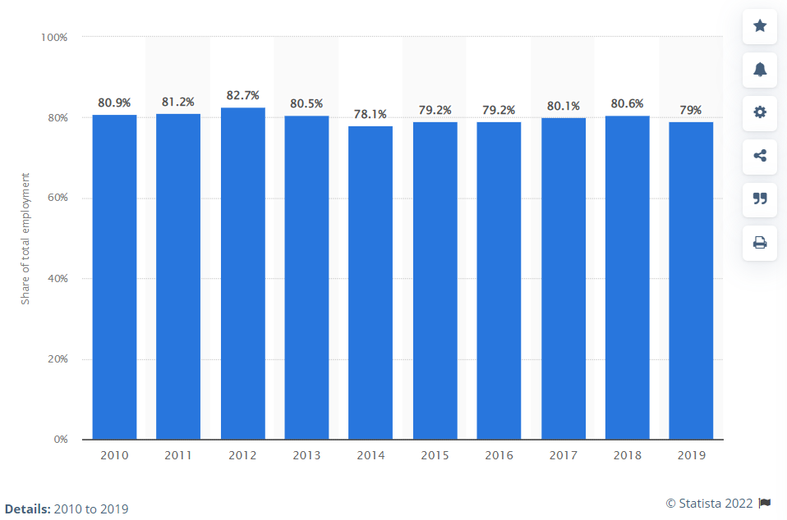

Guatemala: informal employment share 2010-2019
Informal employment as percentage of total employment in Guatemala from 2010 to 2019

2010 | 80.9 | in %
2011 | 81.2 | in %
2012 | 82.7 | in %
2013 | 80.5 | in %
2014 | 78.1 | in %
2015 | 79.2 | in %
2016 | 79.2 | in %
2017 | 80.1 | in %
2018 | 80.6 | in %
2019 | 79 | in %

Note

