EVALUATION MODEL
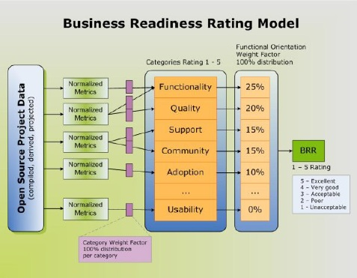

Rank | Category | Weight | Weight & Test Score Specification | Score | Rating Score Table | Percentage Cutoff | Score
1 | Functionality | 0.25 | Very important | 3 | Unacceptable | 0% | 1
2 | Usability | 0.20 | Somewhat important | 2 | Poor | 65% | 2
3 | Documentation | 0.15 | Not important | 1 | Acceptable | 80% | 3
4 | Community | 0.12 |  |  | Good | 90% | 4
5 | Security | 0.10 |  |  | Excellent | 96% | 5
6 | Support | 0.10
7 | Adoption | 0.08
Total |  | 100%

