Reconstructed Female Histogram
Min height | 57
Max height | 72
Min handspan | 16
Max handspan | 23

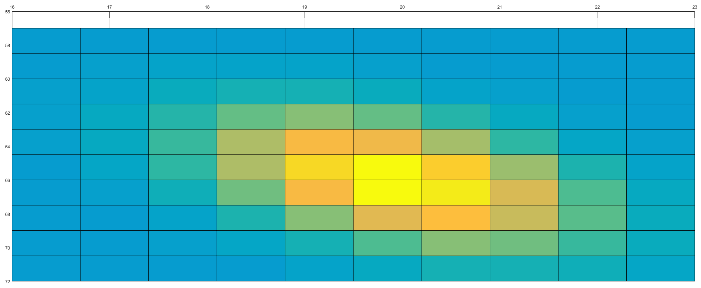
No. of bins | 10x10 | No. of bins to be decided by student upto max 32x32
Reconstructed Female Histogram

Reconstructed Male Histogram
Min height | 66
Max height | 78
Min handspan | 18
Max handspan | 25.5

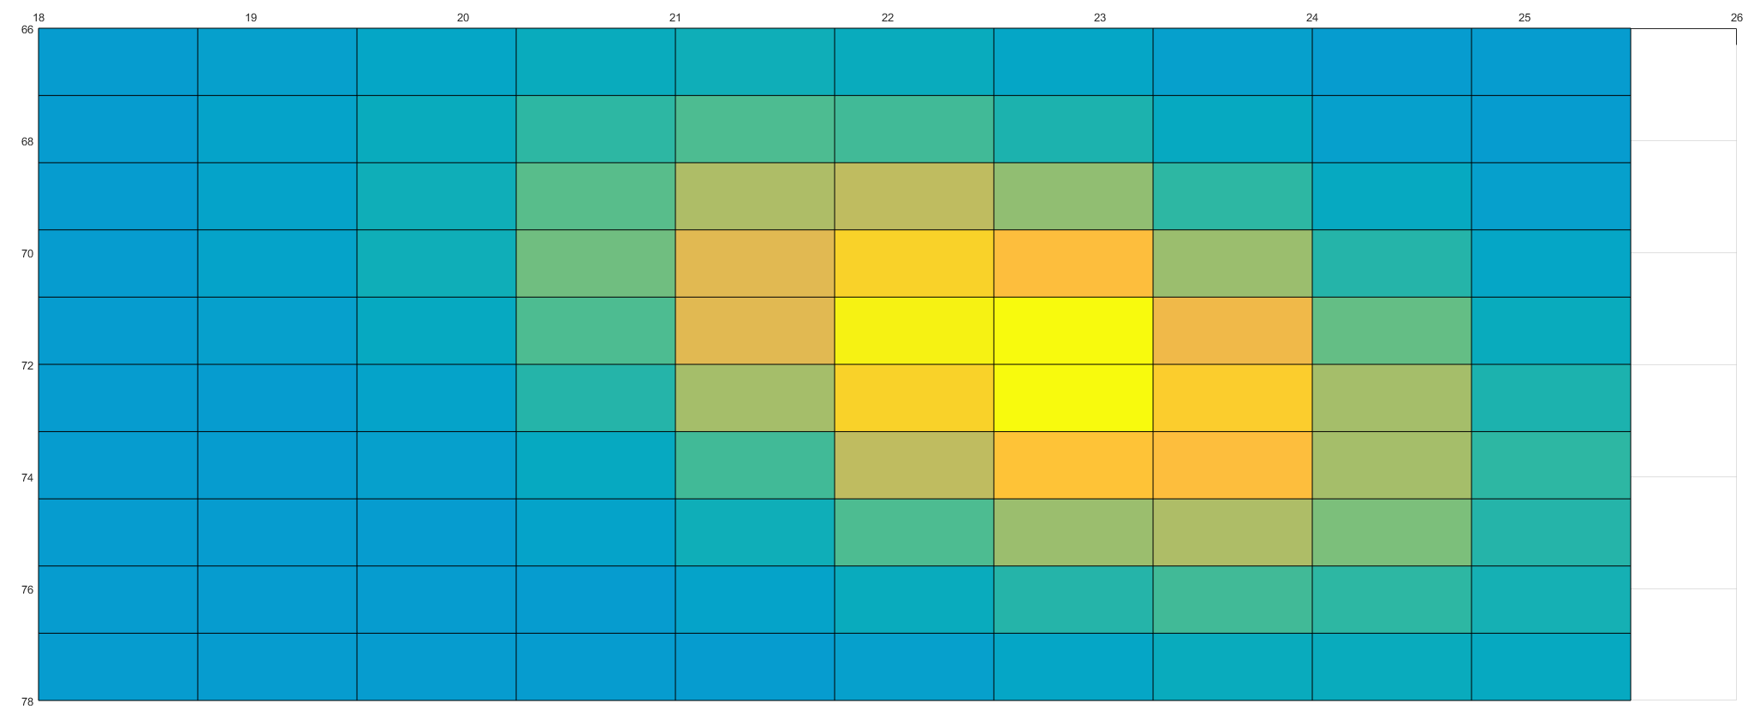
No. of bins | 10x10 | No. of bins to be decided by student upto max 32x32
Reconstructed Male Histogram

