Cover_sheet
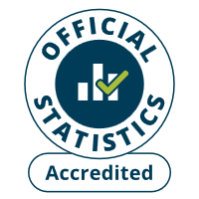
Summary Statistics for Attainment and Initial Leaver Destinations
This spreadsheet contains additional information on attainment and destinations of school leavers published as part of the National Statistics publication:
Summary Statistics for Attainment and Initial Leaver Destinations, No. 8: 2026 Edition, released on 24th February 2026
The information presented in this spreadsheet relates to publicly funded secondary schools, unless otherwise stated.
This spreadsheet contains a range of analysis on attainment by local authority and a variety of pupil characteristics including ethnicity, SIMD, disability status and additional support needs, amongst others.
For commentary, advice and background notes on these statistics, please refer to the main publication.
Summary Statistics for Attainment and Initial Leaver Destinations, No. 8: 2026 Edition, released on 24th February 2026
Publication dates
The data tables in this spreadsheet were originally published at 9:30am 24th February 2026.
Notes and no data
Some cells in the tables refer to notes which can be found in the notes worksheet. Note markers are presented in square brackets, for example: [note 1]. Some tables in this spreadsheet have cells with no data. When this is the case the cells are marked up with shorthand: [low] for a value less than 0.05% but higher than zero [c] where the value is suppressed to protect against the risk of disclosing personal information [x] for not available [z] for not applicable. These symbols have been chosen to align with harmonisation standards set by the Government Statistical Service.
Previous Summary Statistics for Attainment and Initial Leaver Destinations publications
Previous Attainment and Initial Leaver Destinations publications can be found at:
School education statistics
Contact details
school.stats@gov.scot

Chart_1a
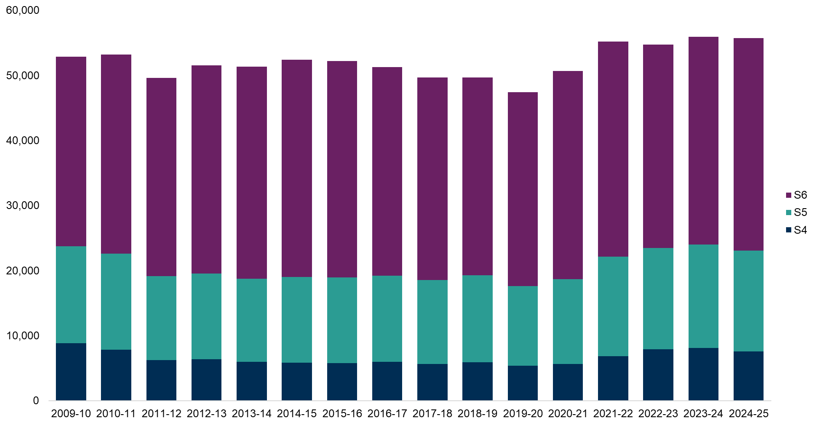
Chart 1a: Number of secondary school leavers by stage of leaving, 2009-10 to 2024-25 [note 1] [note 32]
This worksheet contains the image of a chart and a text description of this chart.
Text description: The total number of leavers decreased from 55,988 in 2023-24 to 55,801 in 2023-24. Compared to 2023-24, the number of leavers from S4 and S5 have decreased and the number of leavers from S6 have increased. Most leavers in 2024-25 were from S6, followed by S5 and then S4, which is the same for all years since 2018-19. Data Source: Table_C1.1a_Number_of_school_leavers_by_stage_of_leaving
Some cells refer to notes which can be found on the notes worksheet.
Back to table of contents

Chart_1b
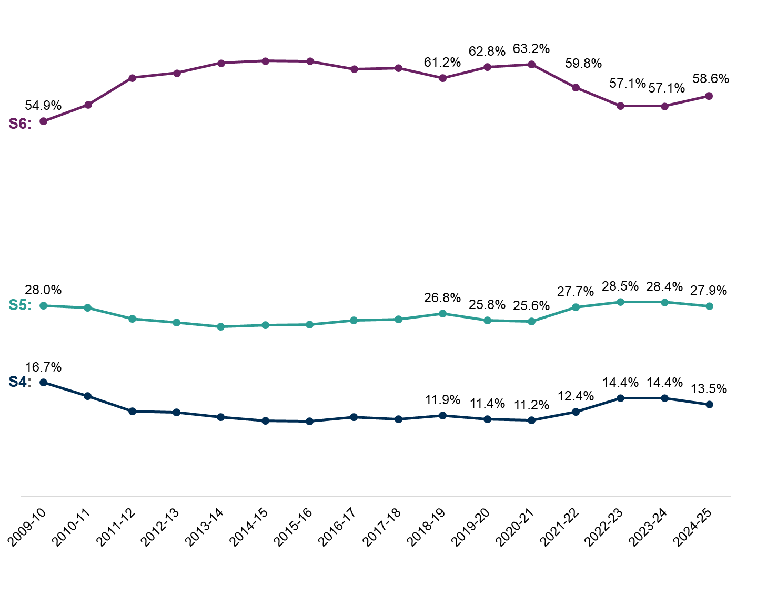
Chart 1b: Percentage of secondary school leavers by stage of leaving, 2009-10 to 2024-25 [note 1] [note 17] [note 32]
This worksheet contains the image of a chart and a text description of this chart.
Using CTRL + G will bring up a list of all the tables in this workbook.
Text description: S6 leavers made up 61.2 per cent of leavers in 2018-19, this dropped to 58.6 per cent in 2024-25. S5 leavers made up 26.8 per cent of leavers in 2018-19, this increased to 27.9 per cent in 2024-25. S4 leavers made up 11.9 per cent of leavers in 2018-19, this increased to 13.5 per cent in 2024-25. Compared to last year, in 2024-25, the percentage of leavers from S4 and S5 has decreased (by 0.9 and 0.6 percentage points respectively) and the percentage of leavers from S6 has increased (by 1.5 percentage points). Data Source: Table_C1.1b_Percentage_of_school_leavers_by_stage_of_leaving
Some cells refer to notes which can be found on the notes worksheet.
Back to table of contents

Chart_2
Chart 2: Percentage of secondary school leavers by initial destination category, 2018-19 to 2024-25 [note 1] [note 14] [note 17] [note 32]
This worksheet contains the image of a chart and a text description of this chart.
Using CTRL + G will bring up a list of all the tables in this workbook.
Text description: Since 2018-19 the most common initial destination for school leavers has been Higher Education. The percentage of school leavers entering Higher Education has increased from 40.8 per cent in 2023-24 to 42.3 per cent in 2024-25. Further Education is the next most common initial destination closely followed by Employment. This year, 2024-25, the percentage of leavers entering both these destinations dropped. The percentage of leavers going into Further Education is now 26.0 per cent (26.4 per cent in 2023-24) and the percentage of leavers entering Employment is now 21.6 per cent (23.1 per cent in 2023-24). The percentage of leavers entering Other Positive destinations, 5.8 per cent, has increased slightly compared to 2023-24 when the same figure was 5.4 per cent. The percentage of leavers entering Other destinations is the same as last year at 4.0 per cent. Data Source: Table_1a_Percentage_of_school_leavers_by_initial_destination_category
Some cells refer to notes which can be found on the notes worksheet.
Back to table of contents

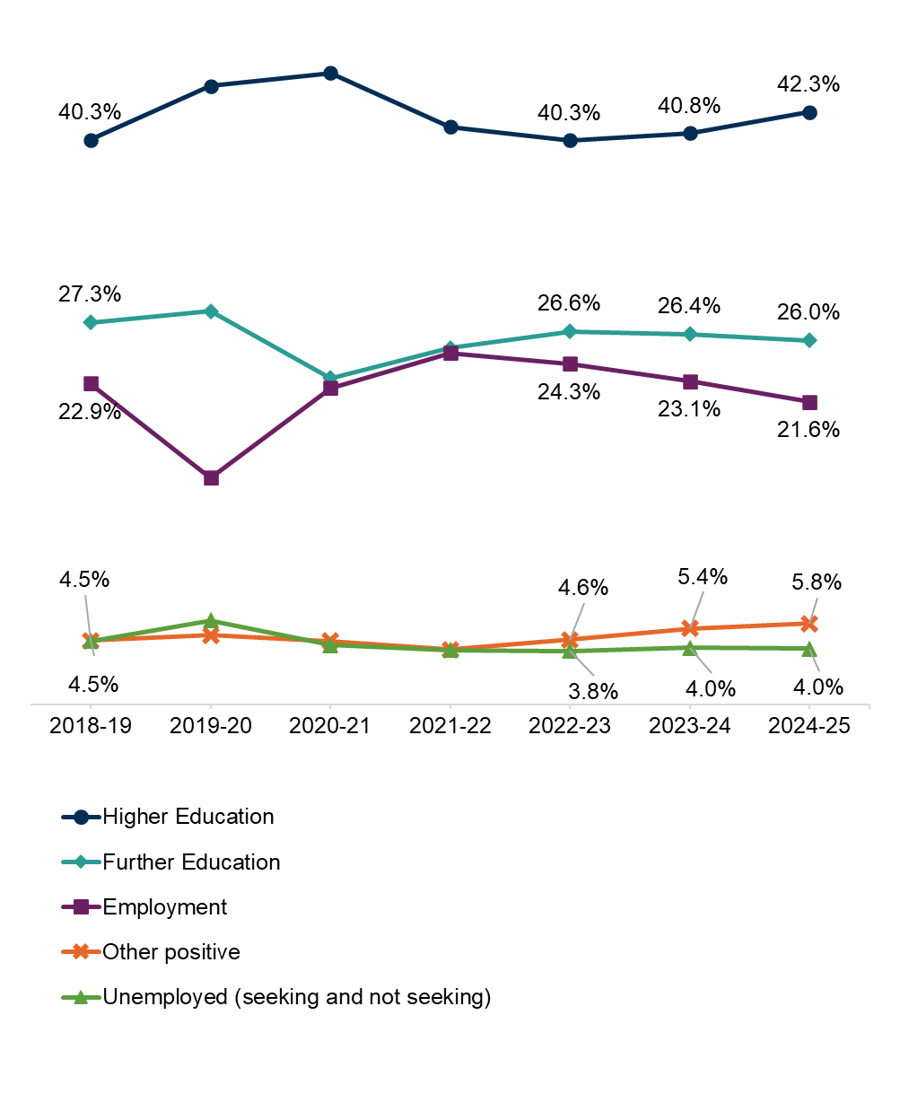

 | \

Chart_3
Chart 3: Initial destination of mainstream secondary school leavers by stage of leaving, 2024-25 [note 1] [note 14] [note 15] [note 17] [note 32]
This worksheet contains the image of a chart and a text description of this chart and a table of the data.
Using CTRL + G will bring up a list of all the tables in this workbook.
Text description: The proportions of leavers in each initial destination varies by stage of leaving. The majority of S6 leavers entered Higher Education (65.2 per cent), compared to 14.5 per cent of S5 leavers and 0.5 per cent of S4 leavers. The most common initial destination for S5 leavers was Further Education (38.0 per cent) followed closely by Employment (32.0 per cent). Over half of S4 leavers entered Further Education (51.8 per cent) and over a quarter entered Employment (25.2 per cent). Among S6 leavers 15.8 per cent entered Employment. S4 leavers were the most likely to be in Other Destinations (7.9 per cent), compared to S5 (7.0 per cent) and S6 (2.2 per cent).
Some cells refer to notes which can be found on the notes worksheet.
Back to table of contents
Stage of Leaving | Higher Education | Further Education | Employment | Other Positive | Other Destination
S4 | 0.5% | 51.8% | 25.2% | 14.5% | 7.9%
S5 | 14.5% | 38.0% | 32.0% | 8.5% | 7.0%
S6 | 65.2% | 14.3% | 15.8% | 2.5% | 2.2%

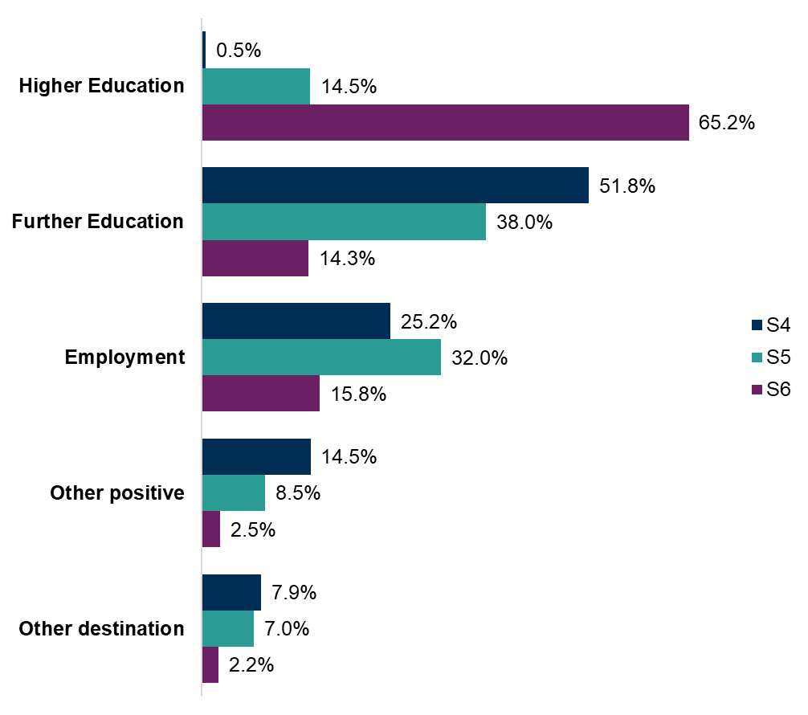
Chart Data

Student stage
S4
S5
S6

Chart_4
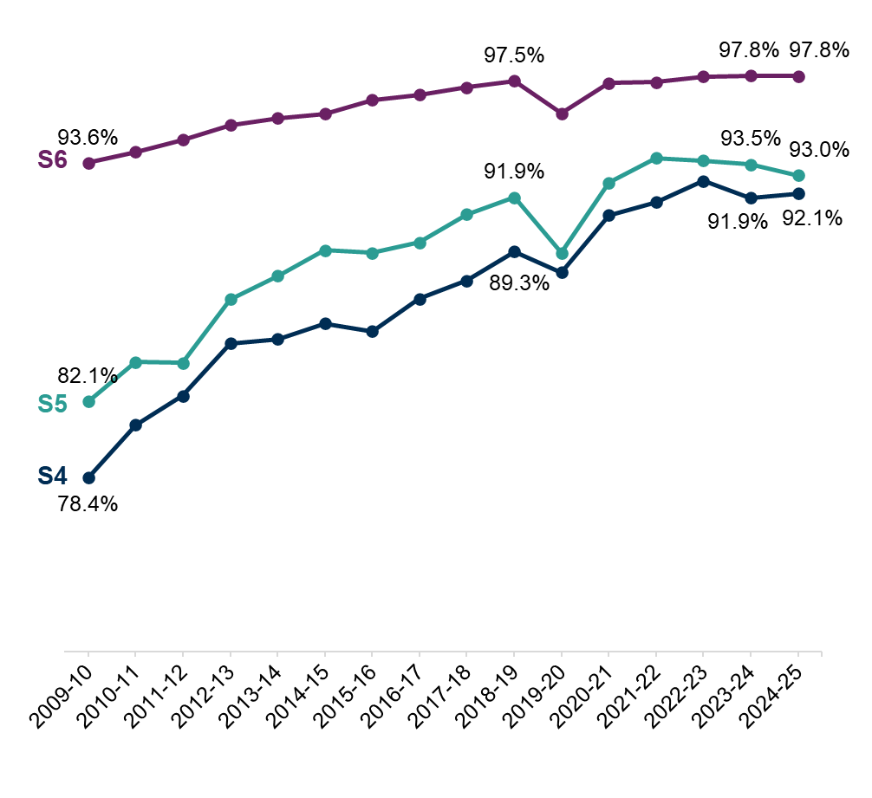
Chart 4: Percentage of secondary school leavers in positive initial destinations by stage of leaving, 2009-10 to 2024-25 [note 1] [note 32]
This worksheet contains the image of three charts and a text descriptions for each chart.
Using CTRL + G will bring up a list of all the tables in this workbook.
Text description:The percentage of leavers in a positive initial destination has increased most years since 2009-10 for leavers from S4, S5 and S6. In 2024-25 the percentage of S6 leavers in a positive initial destination was 97.8 per cent. This is an increase compared to 2009-10 when the same figure was 93.6 per cent and compared to 2018-19 when the figure was 97.5 per cent. Compared to 2023-24 the percentage of S6 leavers in a positive initial destination has remained the same. In 2024-25 the percentage of S5 leavers in a positive initial destination was 93.0 per cent. This is an increase compared to 2009-10 when the same figure was 82.1 per cent and compared to 2018-19 when the figure was 91.9 per cent. Compared to 2023-24 the percentage of S5 leavers in a positive initial destination has fallen from 93.5 per cent to 93.0 per cent. In 2024-25 the percentage of S4 leavers in a positive initial destination was 92.1 per cent. This is an increase compared to 2009-10 when the same figure was 78.4 per cent and compared to 2018-19 when the figure was 89.3 per cent. Compared to 2023-24 the percentage of S4 leavers in a positive initial destination has increased slightly from 91.9 per cent to 92.1 per cent. Data Sources: Table_C1.2_Percentage_of_leavers_in_positive_destinations_by_stage
Some cells refer to notes which can be found on the notes worksheet.
Back to table of contents

Chart_5
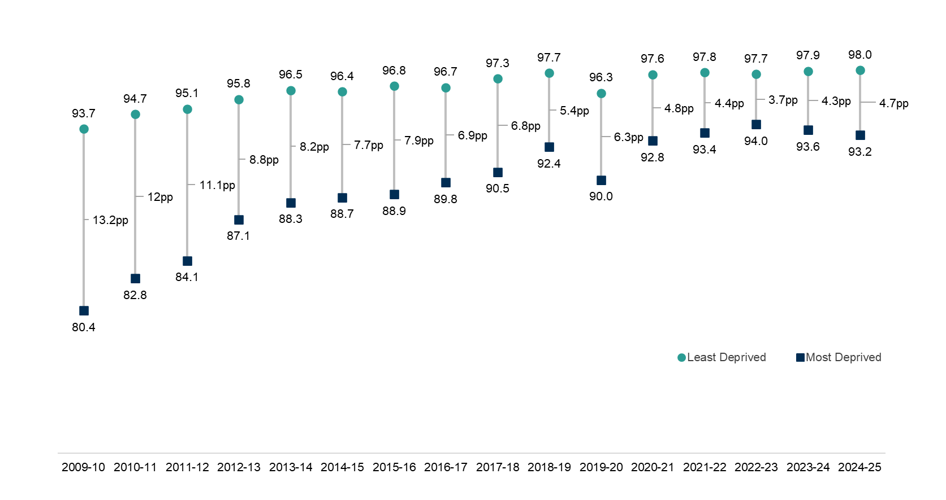
Chart 5: Percentage of secondary school leavers in a positive initial destination by SIMD quintile, 2009-10 to 2024-25 [note 1] [note 5] [note 6] [note 32]
This worksheet contains the image of a chart and a text description of this chart.
Using CTRL + G will bring up a list of all the tables in this workbook.
Text description: There is a gap between leavers from the most and least deprived areas who are in a positive initial destination. In 2024-25 the gap between the two groups was 4.7 percentage points. This has widened since last year when it was 4.3 percentage points. The percentage of leavers in the most deprived areas who were in a positive destination decreased compared to last year, and it increased slightly in the least deprived areas leading to the gap widening. Longer term, the gap has generally narrowed since 2009-10 when the gap was 13.2 per cent. Data Source: Table_2_Percentage_of_school_leavers_by_initial_destination_category_by_SIMD_quintile
Some cells refer to notes which can be found on the notes worksheet.
Back to table of contents

Chart_6
Chart 6: Percentage of secondary school leavers in each initial destination by SIMD quintile, 2024-25 [note 1] [note 5] [note 6] [note 14] [note 17] [note 32]
This worksheet contains the image of a chart and a text description of this chart.
Using CTRL + G will bring up a list of all the tables in this workbook.
Text description: The percentage of leavers in an initial positive destination was 98.0 percent for those from the least deprived areas of Scotland and 93.2 per cent for those from the most deprived areas. The majority, 63.9 per cent, of leavers from the least deprived areas entered Higher Education, whereas 27.9 per cent of leavers from the most deprived areas entered Higher Education as their initial destination. The highest proportion of leavers from the most deprived areas initially entered Further Education (36.8 per cent), whereas 14.8 per cent of leavers from the least deprived areas entered Further Education. 18.7 per cent of leavers from the most deprived areas and 16.8 per cent of leavers from the least deprived areas enter Employment as their initial destination. 9.9 per cent of leavers from the most deprived areas and 2.4 per cent of leavers from the least deprived areas enter Other Positive initial destinations. Leavers from the most deprived areas of Scotland were more likely to initially be in an Other Destination type than those from the least deprived areas (6.8 per cent compared to 2.0 per cent). 3.9 per cent of leavers from the most deprived areas and 1.0 per cent of leavers from the least deprived areas enter Unemployed Seeking as their initial destination. 2.5 per cent of leavers from the most deprived areas and 0.7 per cent of leavers from the least deprived areas enter Unemployed Not Seeking as their initial destination. Data Source: Table_2_Percentage_of_school_leavers_by_initial_destination_category_by_SIMD_quintile
Some cells refer to notes which can be found on the notes worksheet.
Back to table of contents
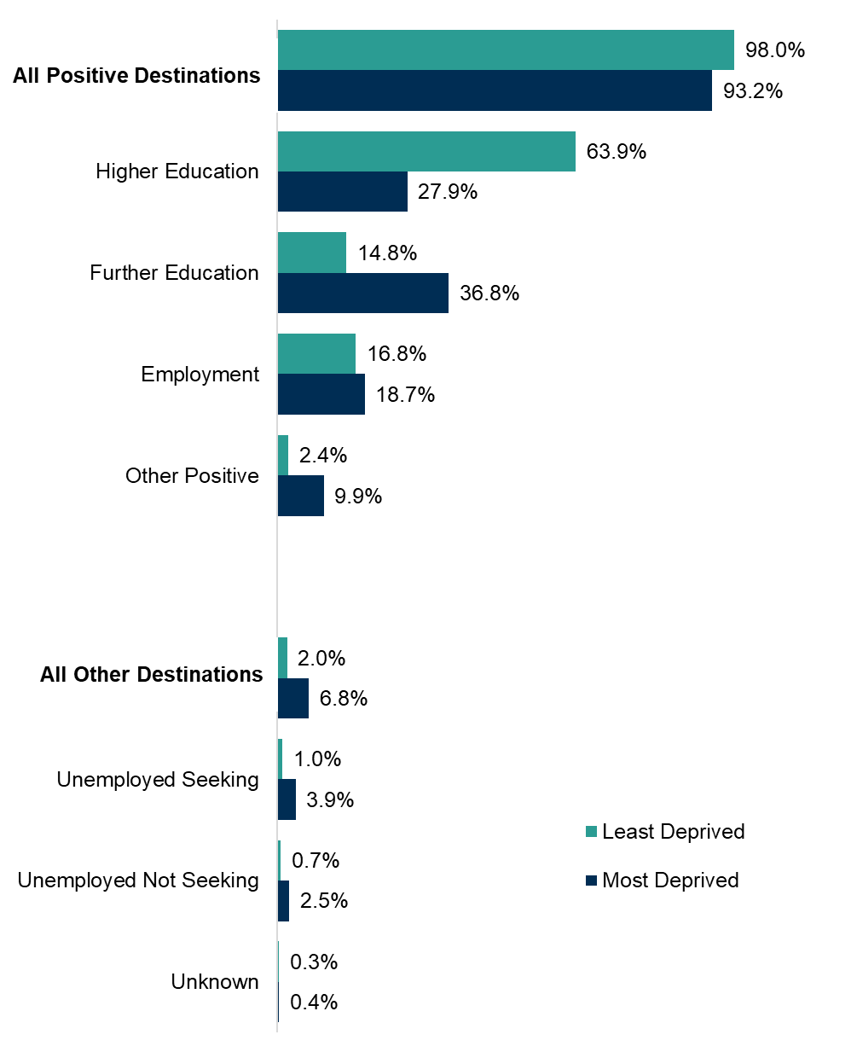

`
``````

Chart_7
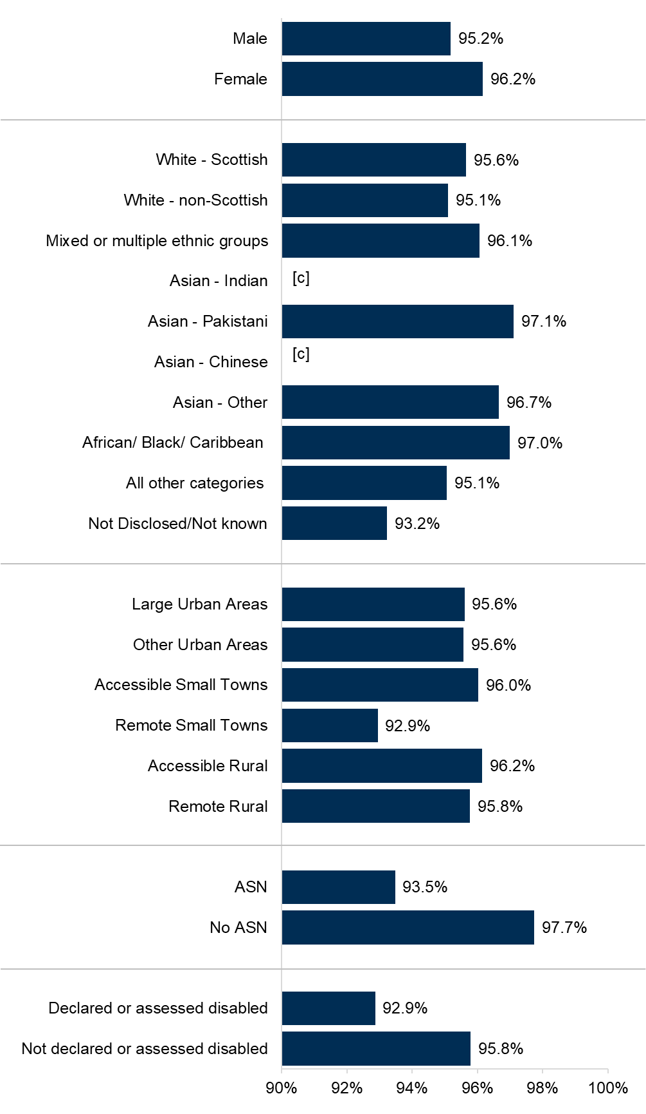
Chart 7: Percentage of secondary school leavers in a positive initial destination by pupil characteristic, 2024-25 [note 1] [note 8] [note 9] [note 32] [note 40]
This worksheet contains the image of a chart and a text description of this chart.
Using CTRL + G will bring up a list of all the tables in this workbook.
Text description: These statistics relate to leavers from mainstream schools only. 96.2 per cent of female school leavers were in a positive initial destination in 2024-25, compared to 95.2 per cent of male leavers. Some figures related to Ethnicity have been suppressed due to the small numbers of school leavers involved. Amongst those groups for which data can be reported, the highest proportion of school leavers in a positive initial destination in 2024-25 was amongst Asian - Pakistani leavers (97.1 per cent). Accessible Rural areas had the highest proportions of leavers in positive initial destinations in 2024-25 (96.2 per cent), whilst Remote Small Towns had the lowest (92.9 per cent). School leavers in 2024-25 with an Additional Support Need (ASN) were less likely to be in a positive initial destination (93.5 per cent) than leavers without a recorded ASN (97.7 per cent). Leavers in 2024-25 who were declared or assessed disabled were also less likely to be in a positive initial destination (92.9 per cent) than leavers who were not (95.8 per cent). Data Source: Table_3_Percentage_of_pupils_in_positive_initial_destination_by_pupil_characteristic
Some cells refer to notes which can be found on the notes worksheet.
Back to table of contents

Chart_8
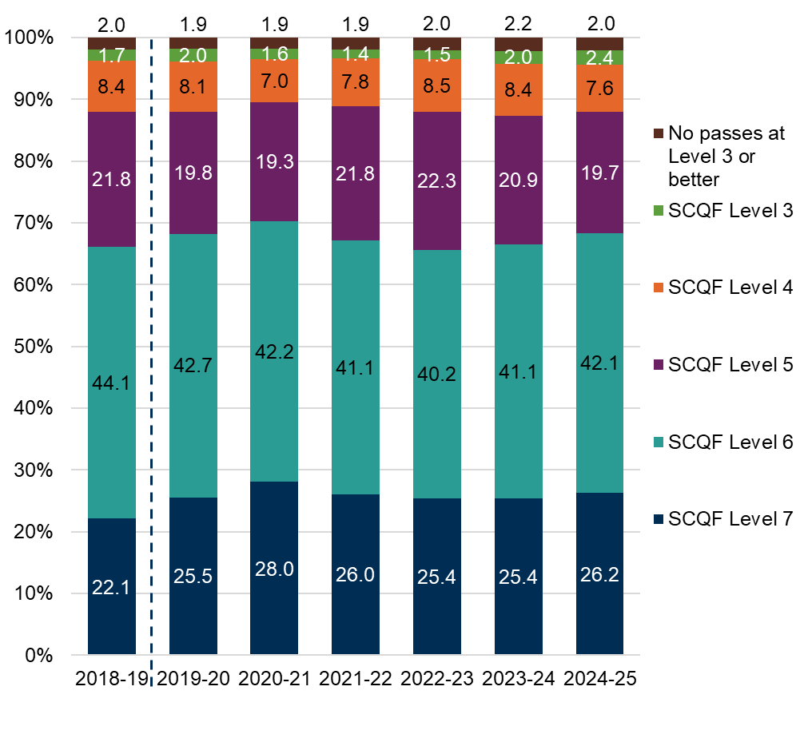
Chart 8: Percentage of secondary school leavers by highest SCQF Level achieved under the All SCQF measure, 2018-19 to 2024-25 [note 1] [note 16] [note 33]
This worksheet contains the image of a chart and a text description of this chart.
Using CTRL + G will bring up a list of all the tables in this workbook.
Text description: This chart uses the All SCQF measure. In 2024-25, 2.4 per cent of school leavers had a highest qualification level of SCQF Level 3, an increase from 2023-24 (2.0 per cent) and 2018-19 (1.7 per cent). 7.6 per cent of leavers achieved their highest qualification at SCQF Level 4 in 2024-25. This is a decrease compared to last year (8.4 per cent) and 2018-19 (8.4 per cent). 19.7 per cent of leavers achieved their highest qualification at SCQF Level 5 in 2024-25. This is a decrease compared to last year (20.9 per cent) and 2018-19 (21.8 per cent). 42.1 per cent of leavers had a highest qualification level of SCQF Level 6, an increase from 2023-24 when the figure was 41.1 per cent. However, compared to 2018-19, (44.1 per cent), the proportion has decreased. 26.2 per cent of leavers had their highest qualification at SCQF Level 7. This is an increase compared to last year (25.4 per cent) and 2018-19 (22.1 per cent). A small proportion (2.0 per cent) of leavers attained no passes at SCQF Level 3 or better in 2024-25. This has decreased slightly from last year (2.2 per cent) and is the same as 2018-19 (2.0 per cent). Data Source: Table_4_Percentage_of_school_leavers_by_highest_SCQF_Level_achieved_under_the_All_SCQF_measure
Some cells refer to notes which can be found on the notes worksheet.
Back to table of contents

Chart_9
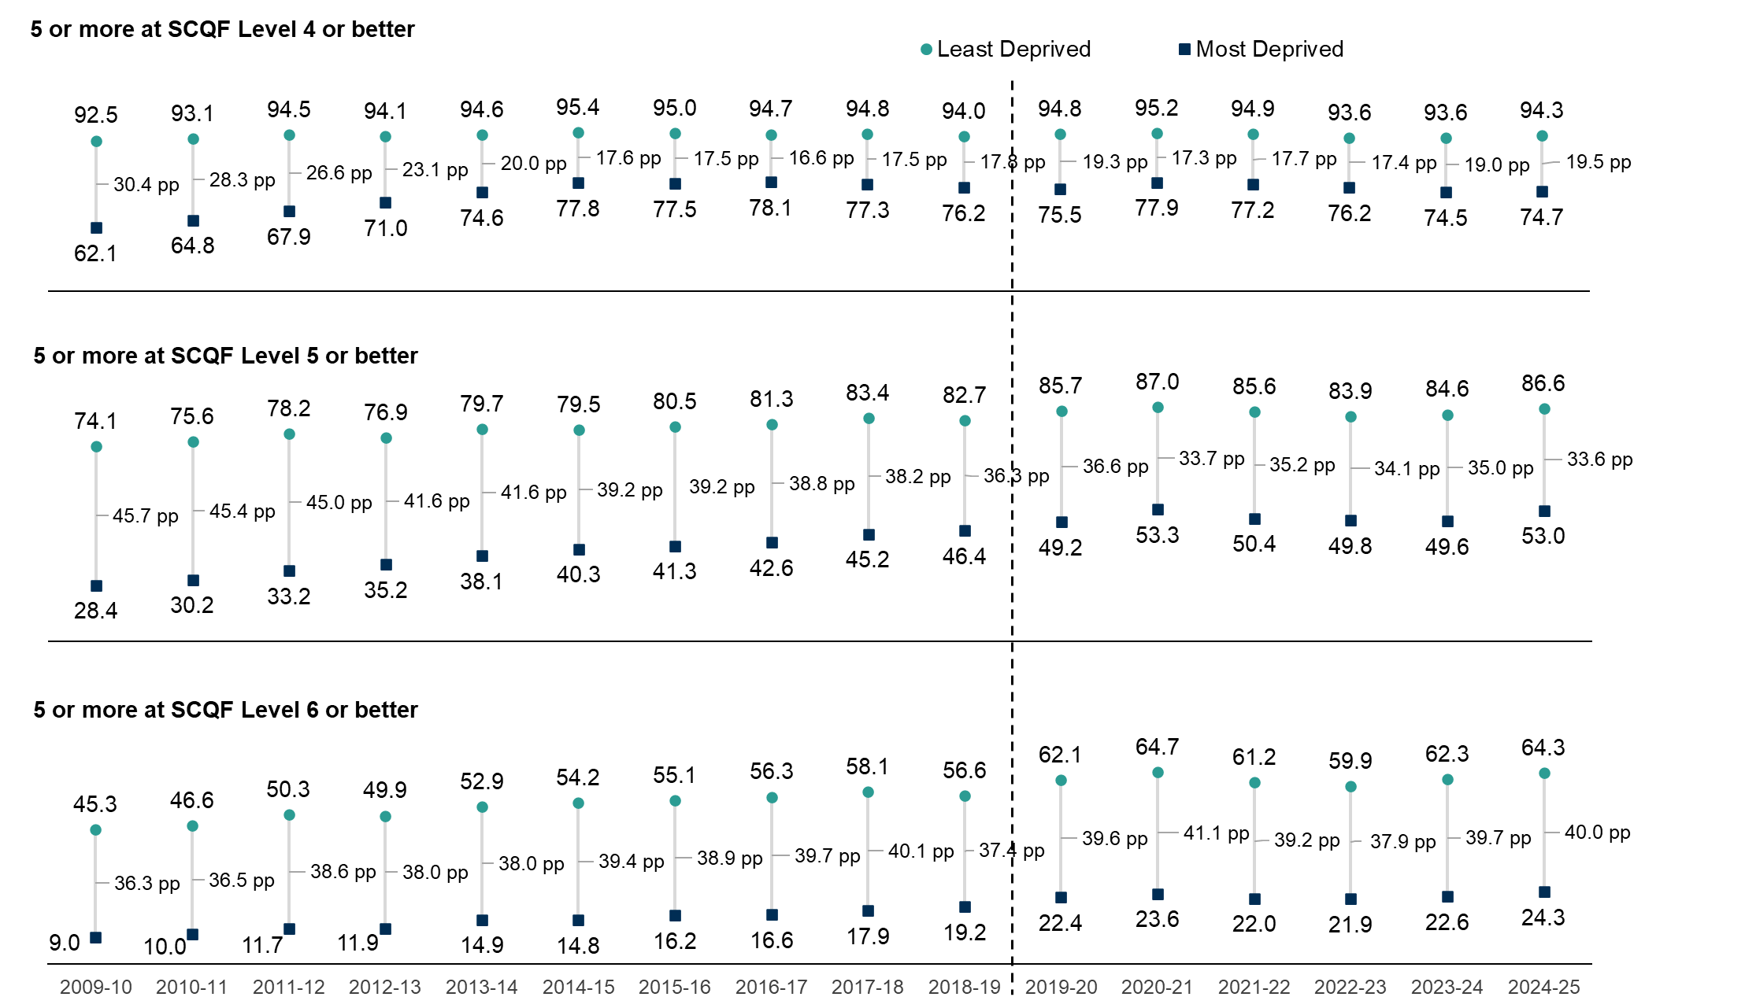
Chart 9: Percentage of secondary school leavers attaining five or more qualifications at SCQF Levels 4 or better to 6 or better under the All SCQF measure, by SIMD quintile; 2009-10 to 2024-25 [note 1] [note 5] [note 6] [note 16] [note 33]
This worksheet contains the image of a chart and a text description of this chart.
Using CTRL + G will bring up a list of all the tables in this workbook.
Text description: This chart uses the All SCQF measure. There is a gap between leavers from the most deprived and least deprived areas that shows the difference in attainment between the two groups. The gap widens as the SCQF Level considered increases. At the attainment level of five or more passes at SCQF Level 4 or better, the attainment gap in 2024-25 was 19.5 percentage points, which is wider than last year (19.0 percentage points). At the level of five or more passes at SCQF Level 5 or better, the gap was 33.6 percentage points, which is narrower than last year (35.0 percentage points). At the level of five or more passes at SCQF Level 6 or better, the attainment gap was 40.0 percentage points, which is wider than last year (39.7 percentage points). Longer term the attainment gap has narrowed at SCQF Levels 4 and 5 compared to 2009-10, when the current time series started. In 2009-10, the gap at five or more passes at SCQF Level 4 or better was 30.4 percentage points (compared to 19.5 percentage points in 2024-25). In 2009-10, the gap at five or more passes at SCQF Level 5 or better was 45.7 percentage points (compared to 33.6 percentage points in 2024-25). At SCQF Level 6 the gap the gap has generally widened since 2009-10 when it was 36.6 percentage points (compared to 40.0 percentage points in 2024-25). Although the gap between the two groups has widened over time, the proportion attaining five or more passes at this level has increased almost every year for leavers from both the most and least deprived areas. However, the proportion of leavers achieving five or more passes at SCQF Level 6 from the least deprived areas has increased by more leading to a widening of the gap. Data Source: Table_S1.2_Percentage_of_school_leavers_by_total_qualifications_achieved_under_the_all_SCQF_measure_by_SIMD_quintile
Some cells refer to notes which can be found on the notes worksheet.
Back to table of contents

Chart_10
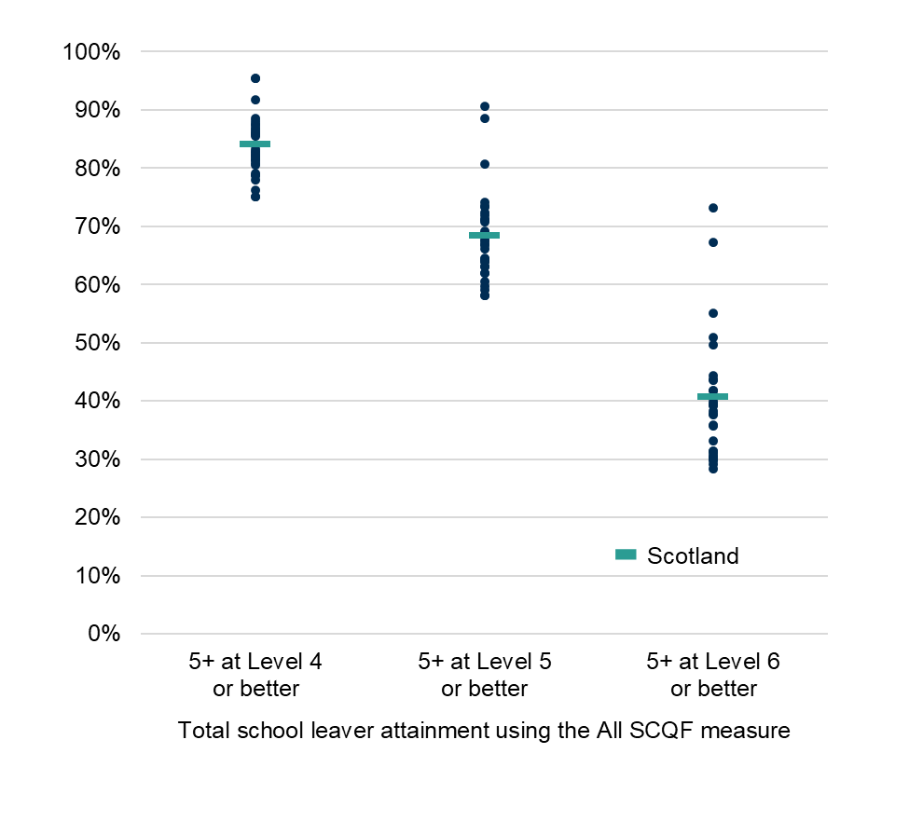
Chart 10: Percentage of secondary school leavers attaining five or more qualifications at SCQF Levels 4 or better to 6 or better under the All SCQF measure, by local authority, 2024-25 [note 23] [note 33]
This worksheet contains the image of a chart and a text description of this chart.
Using CTRL + G will bring up a list of all the tables in this workbook.
Text description: This chart uses the All SCQF measure. Attainment is generally lower when higher SCQF Levels are considered and the range of attainment between the local authorities increases as the SCQF level considered increases. In 2024-25, for five or more passes at SCQF Level 4 or better, attainment across local authorities under the All SCQF measure ranged from 75.0 per cent to 95.4 per cent, a range of 20.3 percentage points. The overall figure for Scotland is 84.3 per cent. For five or more passes at SCQF Level 5 or better, All SCQF attainment ranged from 58.0 per cent to 90.5 per cent, a range of 32.5 percentage points. The overall figure for Scotland is 68.6 per cent. For five or more passes at SCQF Level 6 or better, All SCQF attainment ranged from 28.3 per cent to 73.2 per cent, a range of 44.9 percentage points. The overall figure for Scotland is 40.8 per cent. Data Source: Table_8_Percentage_of_school_leavers_by_total_qualifications_achieved_by_local_authority_under_the_All_SCQF_measure
Some cells refer to notes which can be found on the notes worksheet.
Back to table of contents

Chart_11
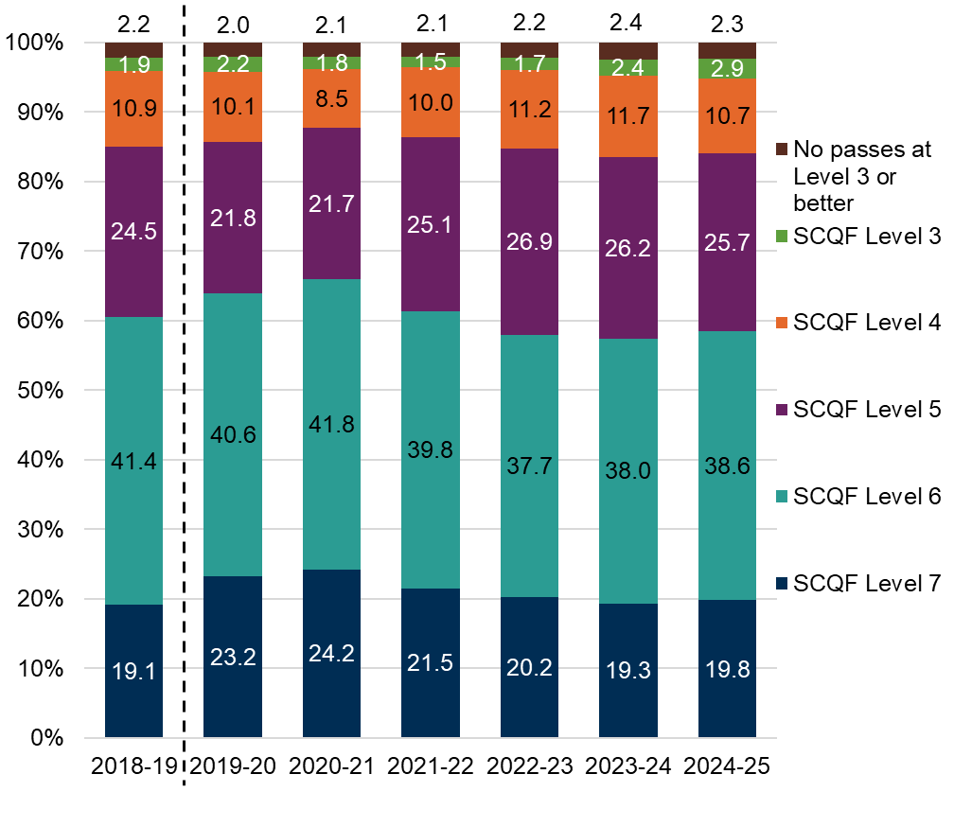
Chart 11: Percentage of secondary school leavers by highest SCQF Level achieved under the National Qualifications measure, 2018-19 to 2024-25 [note 1] [note 11] [note 32]
This worksheet contains the image of a chart and a text description of this chart.
Using CTRL + G will bring up a list of all the tables in this workbook.
Text description: This chart uses the National Qualifications measure. In 2024-25, 2.9 per cent of school leavers had a highest qualification level of SCQF Level 3, an increase from 2023-24 when the figure was 2.4 per cent and from 2018-19 when the figure was 1.9 per cent. 10.7 per cent of leavers achieved their highest qualification at SCQF Level 4 in 2024-25. This is a decrease compared to 2023-24 (11.7 per cent) and 2018-19 (10.9 per cent). 25.7 per cent of leavers achieved their highest qualification at SCQF Level 5 in 2024-25. This is a decrease compared to 2023-24 (26.2 per cent) but an increase compared to 2018-19 (24.5 per cent) 38.6 per cent of leavers had a highest qualification level of SCQF Level 6, an increase from 2023-24 when the figure was 38.0 per cent. However, compared to 2018-19, (41.4 per cent), the proportion has decreased. 19.8 per cent of school leavers had their highest qualification at SCQF Level 7. This is an increase from 2023-24 (19.3 per cent) and 2018-19 (19.1 per cent). A small proportion (2.3 per cent) of leavers attained no passes at SCQF Level 3 or better in 2024-25. This has decreased slightly compared to 2023-24 (2.4 per cent) and increased slightly compared to 2018-19 (2.2 per cent). Data Source: Table_9_Percentage_of_school_leavers_by_highest_SCQF_Level_achieved_under_the_NQ_measure
Some cells refer to notes which can be found on the notes worksheet.
Back to table of contents

Chart_12
Chart 12: Percentage of secondary school leavers attaining at one or more qualifications at SCQF Levels 4 or better to 6 or better under the National Qualifications measure, by SIMD quintile; 2009-10 to 2024-25 [note 1] [note 5] [note 6] [note 11] [note 32]
This worksheet contains the image of a chart and a text description of this chart.
Using CTRL + G will bring up a list of all the tables in this workbook.
Text description: This chart uses the National Qualifications measure. There is a gap between leavers from the most deprived and least deprived areas that shows the difference in attainment between the two groups. The gap widens as the SCQF Level considered increases. At the attainment level of one pass or more at SCQF Level 4 or better, the attainment gap in 2024-25 was 8.0 percentage points, which is wider than last year (7.3 percentage points). At the level of one pass or more at SCQF Level 5 or better, the gap was 21.4 percentage points, which is narrower than last year (22.7 percentage points). At the level of one pass or more at SCQF Level 6 or better, the attainment gap was 37.7 percentage points, which is narrower than last year (38.4 percentage points). The attainment gaps at all SCQF levels have narrowed since 2009-10, when the current time series started. In 2009-10, the gap at one pass or more at SCQF Level 4 or better was 11.3 percentage points (compared to 8.0 percentage points in 2024-250. In 2009-10, the gap at one pass or more at SCQF Level 5 or better was 33.3 percentage points (compared to 21.4 percentage points in 2024-25). In 2009-10 the gap at one pass or more at SCQF Level 6 or better was 45.6 percentage points (compared to 37.7 percentage points in 2024-25). Data Source: Table_N1.1_Percentage_of_school_leavers_by_highest_SCQF_Level_achieved_under_the_NQ_measure_by_SIMD_quintile
Some cells refer to notes which can be found on the notes worksheet.
Back to table of contents

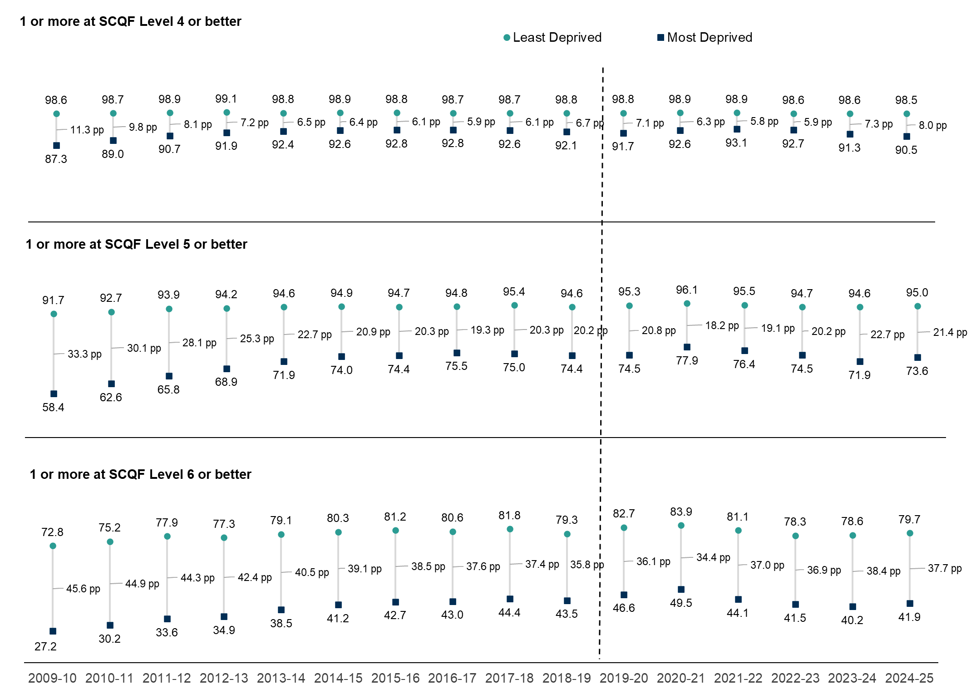

1 or more at SCQF Level 6 or better
1 or more at SCQF Level 4 or better
1 or more at SCQF Level 5 or better

Chart_13
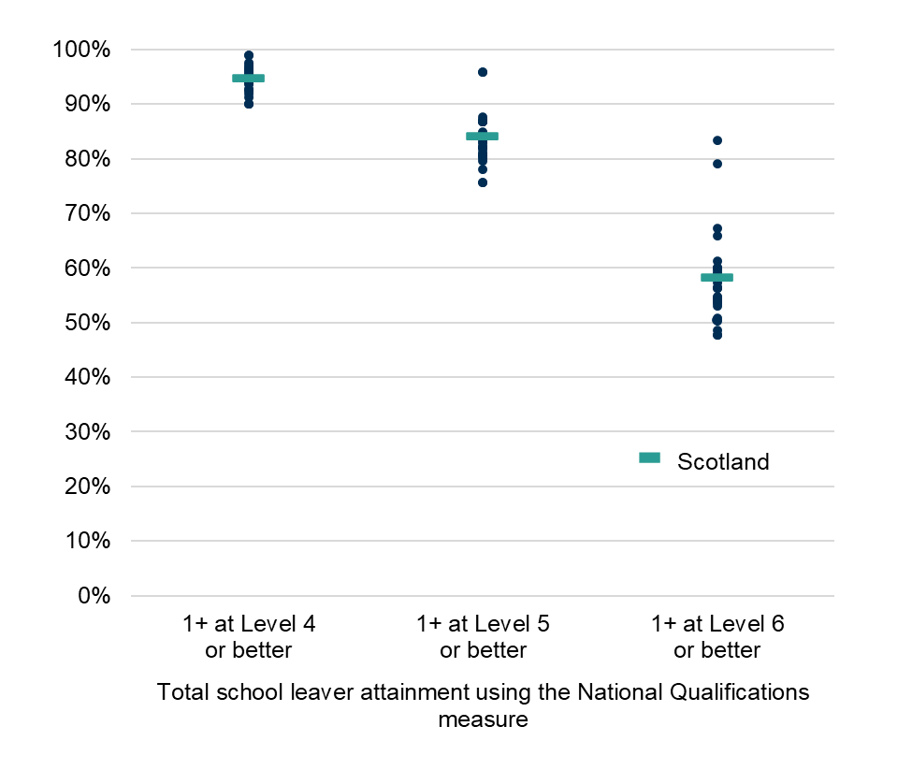
Chart 13: Percentage of secondary school leavers attaining one or more qualifications at SCQF Levels 4 or better to 6 or better under the National Qualifications measure, by local authority, 2024-25 [note 23] [notes 32]
This worksheet contains the image of a chart and a text description of this chart.
Using CTRL + G will bring up a list of all the tables in this workbook.
Text description: This chart uses the National Qualifications measure. Attainment is generally lower when higher SCQF Levels are considered and the range of attainment between the local authorities increases as the SCQF level considered increases. In 2024-25, for one pass or more at SCQF Level 4 and above, attainment across local authorities under the National Qualifications measure ranged from 90.0 per cent to 98.9 per cent, a range of 8.9 percentage points. The overall figure for Scotland is 94.8 per cent. For one pass or more SCQF Level 5 or better, National Qualifications attainment ranged from 75.6 per cent to 95.9 per cent, a range of 20.3 percentage points. The overall figure for Scotland is 84.1 per cent. For one pass or more at SCQF Level 6 or better, National Qualifications attainment ranged from 47.6 per cent to 83.4 per cent, a range of 35.7 percentage points. The overall figure for Scotland is 58.4 per cent. Data Source: Table_13_Total_secondary_school_leaver_attainment_under_the_NQ_measure_by_local_authority_percentage_of_leavers
Some cells refer to notes which can be found on the notes worksheet.
Back to table of contents

Chart_14
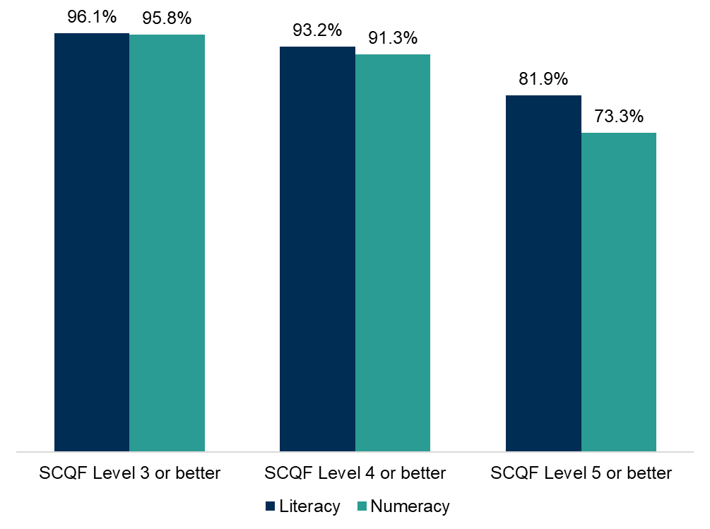
Chart 14: Secondary school leaver attainment in literacy and numeracy by SCQF Level, percentage of leavers, 2024-25 [note 1] [note 11] [note 12] [note 32]
This worksheet contains the image of a chart and a text description of this chart.
Using CTRL + G will bring up a list of all the tables in this workbook.
Text description: School leaver attainment in literacy is higher than in numeracy at all SCQF Levels and the gap between the two organisers increases as the SCQF Level increases. The percentage of leavers achieving attainment in literacy and numeracy decreases as the SCQF Level increases. 96.1 per cent of leavers achieve a qualification in literacy at SCQF Level 3 or better. The same figure for numeracy is 95.8 per cent. At SCQF Level 4 or better, 93.2 per cent of leavers achieve a qualification in literacy at this level compared to 91.3 per cent of leavers achieving a qualification at this level in numeracy. At SCQF Level 5 or better, 81.9 per cent of leavers achieve a qualification in literacy at this level compared to 73.3 per cent of leavers achieving a qualification at this level in numeracy. Data Source: Table_14_Leaver_attainment_in_literacy_and_numeracy_by_SCQF_Level_percentage_of_leavers
Some cells refer to notes which can be found on the notes worksheet.
Back to table of contents

Chart_15a_b
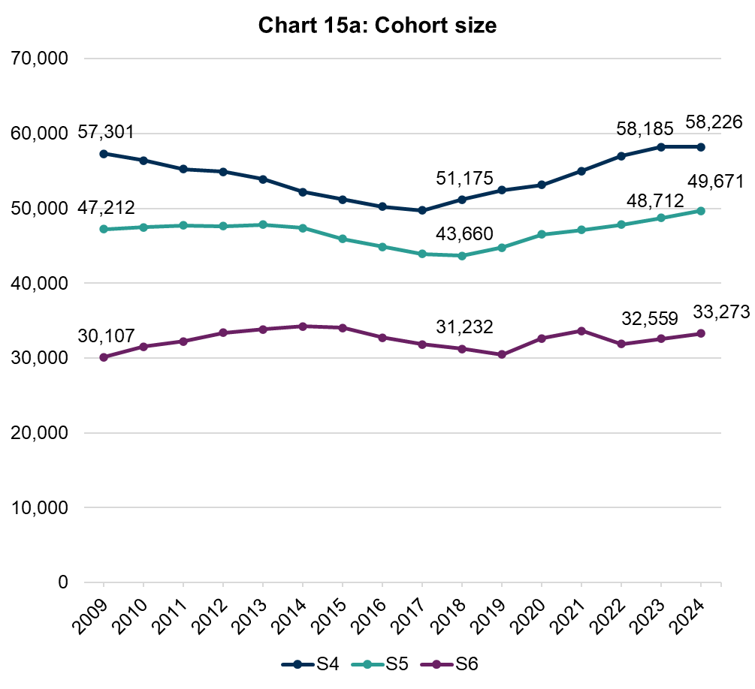
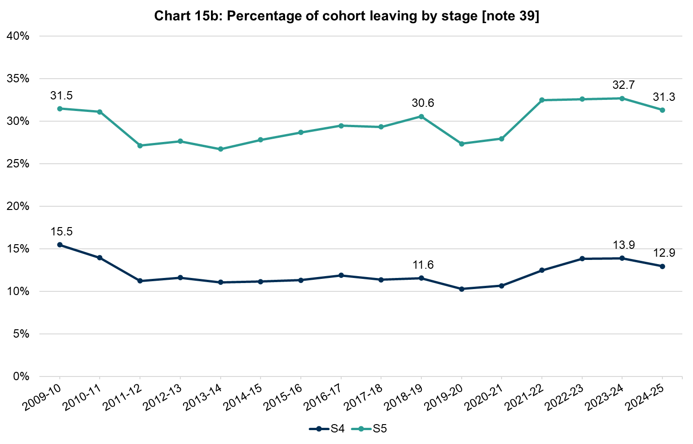
Charts 15a and 15b: Cohort size and proportion of cohort leaving, by stage, 2009-10 to 2024-25 [note 1] [note 32]
This worksheet contains the image of three charts and a text descriptions for each chart.
Using CTRL + G will bring up a list of all the tables in this workbook.
Text description: Chart 15a shows that the number of students in S4 decreased from 57,301 in 2009 reaching a minimum in 2017 (49,705) before increasing again to reach a maximum of 58,226 in 2024. The number of students in S5 increased slightly between 2009 (47,212) and 2013 (47,809) before decreasing to a minimum in 2018 (43,660). Since 2018 the number of students in S5 has increased each year reaching a maximum of 49,671 in 2024. The number of S6 students initially increased from 30,107 in 2009 to reach a maximum of 34,247 in 2014. The number of S6 students decreased each year between 2014 and 2019 but has increased in recent years with 33,273 students in S6 in 2024. Chart 15b shows that the percentage of the S4 cohort leaving decreased from 15.5 per cent in 2009-10 to 11.2 per cent in 2011-12 after which point it remained relatively consistent before increasing since 2020-21 to reach 13.9 per cent in 2023-24. Over the last year the percentage of the S4 cohort leaving has decreased to 12.9 per cent. The percentage of the S5 cohort leaving decreased from 31.5 per cent in 2009-10 to 27.1 percent in 2011-12 after which it generally increased to reach 30.6 per cent in 2018-19 before dropping during the pandemic years (2019-20 and 2020-21). Since 2021-22 the percentage of the S5 cohort leaving has increased reaching 32.7 per cent in 2023-24. Over the last year the percentage of the S5 cohort leaving has decreased to 31.3 per cent. Data Sources: Table_C1.1c_Percentage_of_mainstream_secondary_school_cohort_who_left_school_by_stage_of_leaving, Table_C1.1d_Cohort_size
Some cells refer to notes which can be found on the notes worksheet.
Back to table of contents

Chart_16a_b_c
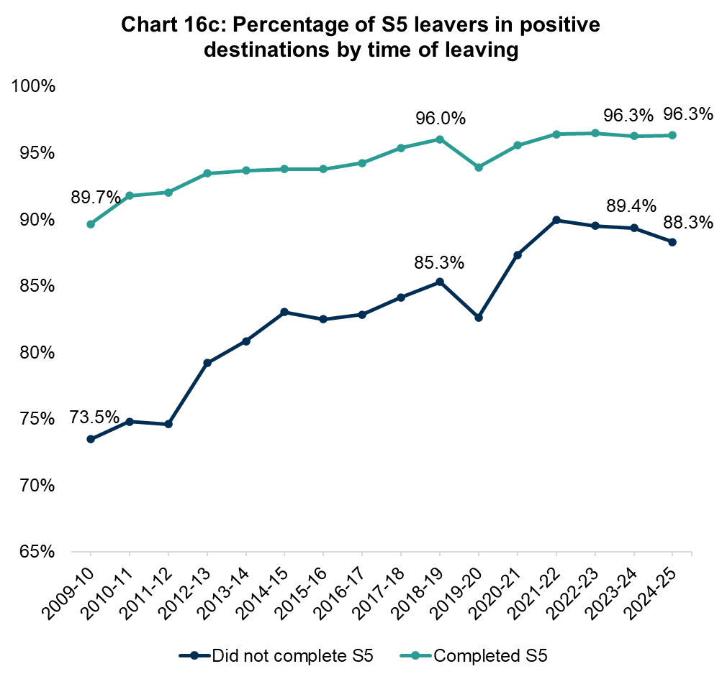
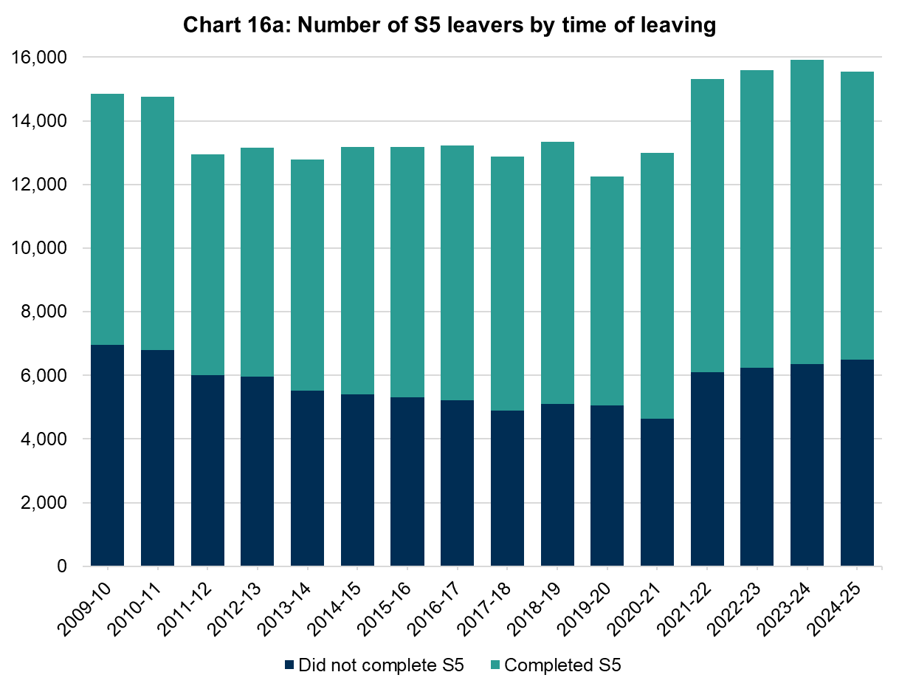
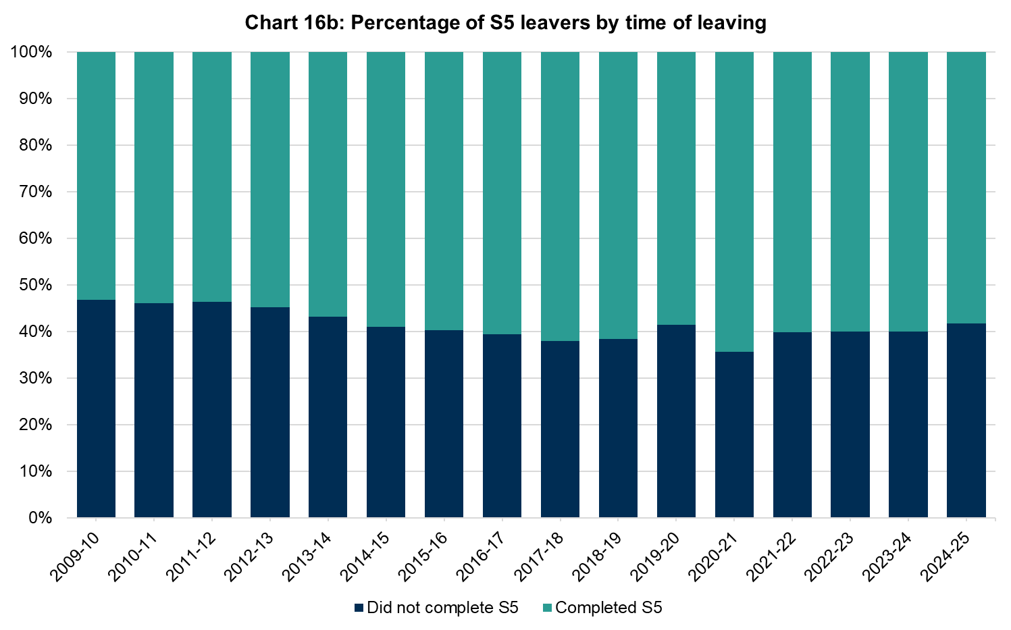
Charts 16a, 16b and 16c: Percentage of S5 leavers in positive destinations, by time of leaving, 2009-10 to 2024-25 [note 1] [note 32]
This worksheet contains the image of three charts and a text descriptions for each chart.
Using CTRL + G will bring up a list of all the tables in this workbook.
Text description: Chart 16a shows that the total number of S5 leavers has increased since the COVID-19 pandemic. In 2024-25 the number of S5 leavers was 15,551. In 2024-25 the number of students who left before completing S5 was 6,486, an increase compared to 2023-24 when the same figure was 6,364. The number who left after completing S5 in 2024-25 was 9,065, this is a decrease compared to 2023-24 when the figure was 9,557. Chart 15b shows that although the total number of S5 leavers has increased the proportion of S5 leavers who leave before completing S5 has remained relatively stable (excluding the pandemic years, 2019-20 and 2020-21) at around 40 per cent since 2014-15. In 2024-25 the proportion of S5 leavers who left before completing S5 was 41.7 per cent, the same as last year. Chart 16c shows the proportion of S5 leavers in a positive destination has increased since 2009-10 for both S5 leavers who did not complete S5 and those that do complete S5. The percentage of leavers in a positive destination who completed S5 has been higher than the percentage of S5 leavers who did not complete S5 every year. The gap between the two groups generally narrowed until 2021-22 after which the proportion of leavers who completed S5 in a positive destination has remined stable but the proportion of S5 leavers who did not complete S5 has generally decreased. In 2024-25, 96.3 per cent of S5 leavers who completed S5 were in a positive destination, this this is the same figure as in 2023-24 but an increase when compared to 2009-10 (89.7 per cent). In 2024-25, 88.3 per cent of S5 leavers who did not complete S5 were in a positive destination, this is a decrease compared to 89.4 per cent in 2023-24 but an increase when compared to 2009-10 (73.5 per cent). Data Sources: Table_C1.3a_Percentage_of_S5_leavers_who_did_not_complete_S5_in_positive_destinations, Table_C1.3b_Percentage_of_S5_leavers_completed_S5_in_positive_destinations
Some cells refer to notes which can be found on the notes worksheet.
Back to table of contents

PC1a
Table and Pivot Chart PC1a: Highest level of qualification achieved by school leavers under the All SCQF measure, by stage of leaving, 2014-15 to 2024-25 (number) [note 1] [note 16] [note 33]
Number of leavers in S4-6 by highest SCQF Level achieved under the All SCQF measure
Stage of leaving | 4-6 |  |  |  |  |  |  | Number of leavers in S4-6 by highest SCQF Level achieved under the All SCQF measure

Year | Data suppressed | Level 7 | Level 6 | Level 5 | Level 4 | Level 3 | No passes at Level 3 or better
1415 | 0 | 10953 | 22153 | 12329 | 5158 | 750 | 1087 |  | 6995
1516 | 0 | 11320 | 22622 | 11585 | 4978 | 759 | 984 |  | 6721
1617 | 0 | 11282 | 21935 | 11711 | 4604 | 738 | 988 |  | 6330
1718 | 0 | 11543 | 21359 | 10830 | 4209 | 763 | 1003 |  | 5975
1819 | 0 | 10986 | 21915 | 10823 | 4163 | 842 | 988 |  | 5993
1920 | 0 | 12118 | 20243 | 9376 | 3858 | 955 | 879 |  | 5692
2021 | 0 | 14223 | 21390 | 9792 | 3554 | 817 | 943 |  | 5314
2122 | 0 | 14348 | 22702 | 12057 | 4281 | 783 | 1039 |  | 6103
2223 | 0 | 13901 | 22000 | 12214 | 4669 | 822 | 1113 |  | 6604
2324 | 0 | 14207 | 22992 | 11708 | 4698 | 1128 | 1228 |  | 7054
2425 | 0 | 14633 | 23460 | 10977 | 4236 | 1330 | 1143

Instructions

To look at results for individual stages, use the filter button in cell B3.
DO NOT select (All). To get figures for all leavers select 4-6.

You can also reduce the number of years shown by using the filter button in cell A5.
Untick the years you do not wish to see.

Data has been suppressed if the cell count is between 1 and 4.
Suppressed cells will show in the pivot table as a zero.

Other cells may also be suppressed to prevent calculation of the original values in the suppressed cells.

Back to table of contents

PC1b
Table and Pivot Chart PC1b: Highest level of qualification achieved by school leavers under the All SCQF measure, by stage of leaving, 2014-15 to 2024-25 (percentage) [note 1] [note 16] [note 17] [note 33]
Percentage of leavers in S4-6 by highest SCQF level achieved under the All SCQF measure
Stage of leaving | 4-6 |  |  |  |  |  |  | Percentage of leavers in S4-6 by highest SCQF level achieved under the All SCQF measure

Year | Data suppressed | Level 7 | Level 6 | Level 5 | Level 4 | Level 3 | No passes at Level 3 or better
1415 | 0.0% | 20.9% | 42.3% | 23.5% | 9.8% | 1.4% | 2.1% |  | 13.3%
1516 | 0.0% | 21.7% | 43.3% | 22.2% | 9.5% | 1.5% | 1.9% |  | 12.9%
1617 | 0.0% | 22.0% | 42.8% | 22.8% | 9.0% | 1.4% | 1.9% |  | 12.3%
1718 | 0.0% | 23.2% | 43.0% | 21.8% | 8.5% | 1.5% | 2.0% |  | 12.0%
1819 | 0.0% | 22.1% | 44.1% | 21.8% | 8.4% | 1.7% | 2.0% |  | 12.1%
1920 | 0.0% | 25.5% | 42.7% | 19.8% | 8.1% | 2.0% | 1.9% |  | 12.0%
2021 | 0.0% | 28.0% | 42.2% | 19.3% | 7.0% | 1.6% | 1.9% |  | 10.5%
2122 | 0.0% | 26.0% | 41.1% | 21.8% | 7.8% | 1.4% | 1.9% |  | 11.1%
2223 | 0.0% | 25.4% | 40.2% | 22.3% | 8.5% | 1.5% | 2.0% |  | 12.1%
2324 | 0.0% | 25.4% | 41.1% | 20.9% | 8.4% | 2.0% | 2.2% |  | 12.6%
2425 | 0.0% | 26.2% | 42.1% | 19.7% | 7.6% | 2.4% | 2.0%

Instructions

To look at results for individual stages, use the filter button in cell B3.
DO NOT select (All). To get figures for all leavers select 4-6.

You can also reduce the number of years shown by using the filter button in cell A5.
Untick the years you do not wish to see.

Data has been suppressed if the cell count is between 1 and 4.
Suppressed cells will show in the pivot table as a zero.

Other cells may also be suppressed to prevent calculation of the original values in the suppressed cells.

Back to table of contents

PC2
Table and Pivot Chart PC2: Attainment of leavers who did not attain Level 3 under the All SCQF measure, by stage of leaving, 2014-15 to 2024-25 [note 1] [note 16] [note 33] [note 43]
Number of leavers in S4-6 with attainment below SCQF level 3 under the All SCQF measure
Stage of leaving | 4-6 |  |  |  | Number of leavers in S4-6 with attainment below SCQF level 3 under the All SCQF measure

Year | no other qualifications or units | units only | other qualifications and units | Total
1415 | 399 | 513 | 175 | 1087
1516 | 376 | 469 | 139 | 984
1617 | 387 | 474 | 127 | 988
1718 | 415 | 463 | 125 | 1003
1819 | 399 | 470 | 119 | 988
1920 | 421 | 373 | 85 | 879
2021 | 469 | 392 | 82 | 943
2122 | 518 | 427 | 94 | 1039
2223 | 562 | 442 | 109 | 1113
2324 | 589 | 499 | 140 | 1228
2425 | 558 | 459 | 126 | 1143

Instructions

To look at results for individual stages, use the filter button in cell B3.
DO NOT select (All). To get figures for all leavers select 4-6.

You can also reduce the number of years shown by using the filter button in cell A5.
Untick the years you do not wish to see.

Data has been suppressed if the cell count is between 1 and 4.
Suppressed cells will show in the pivot table as a zero.

Other cells may also be suppressed to prevent calculation of the original values in the suppressed cells.

Back to table of contents

PC3a
Table and Pivot Chart PC3a: Highest level of qualification achieved by school leavers under the National Qualifications measure, by stage of leaving, 2014-15 to 2024-25 (number) [note 1] [note 11] [note 32]

Number of leavers by highest SCQF Level achieved under the National Qualifications measure, All Stages
Stage of Leaving | All Stages |  |  |  |  |  |  | Number of leavers by highest SCQF Level achieved under the National Qualifications measure, All Stages

Year | Data suppressed | Level 7 | Level 6 | Level 5 | Level 4 | Level 3 | No passes at Level 3 or better
1415 |  | 9856 | 21749 | 13094 | 5796 | 888 | 1108
1516 |  | 10004 | 22275 | 12516 | 5579 | 864 | 1066
1617 |  | 9898 | 21507 | 12765 | 5236 | 847 | 1047
1718 |  | 10029 | 20891 | 11825 | 5100 | 811 | 1092
1819 |  | 9512 | 20613 | 12196 | 5401 | 925 | 1113
1920 |  | 11028 | 19286 | 10360 | 4780 | 1036 | 964
2021 |  | 12292 | 21194 | 11004 | 4322 | 889 | 1045
2122 |  | 11882 | 21963 | 13887 | 5521 | 845 | 1139
2223 |  | 11055 | 20658 | 14704 | 6158 | 948 | 1220
2324 |  | 10830 | 21294 | 14650 | 6545 | 1318 | 1351
2425 |  | 11061 | 21536 | 14341 | 5973 | 1600 | 1290

Instructions

To look at results for individual stages, use the filter button in cell B3.
DO NOT select (All). To get figures for all leavers select All Stages.

You can also reduce the number of years shown by using the filter button in cell A5.
Untick the years you do not wish to see.

Data has been suppressed if the cell count is between 1 and 4.
Suppressed cells will show in the pivot table as a zero.
Other cells may also be suppressed to prevent calculation of the original values in the suppressed cells.

Back to table of contents

PC3b
Table and Pivot Chart PC3b: Highest level of qualification achieved by school leavers under the National Qualifications measure, by stage of leaving, 2014-15 to 2024-25 (percentage) [note 1] [note 11] [note 17] [note 32]
Percentage of leavers by highest SCQF Level achieved under the National Qualifications measure, All Stages
Stage of Leaving | All Stages |  |  |  |  |  |  | Percentage of leavers by highest SCQF Level achieved under the National Qualifications measure, All Stages

Year | Data Suppressed | Level 7 | Level 6 | Level 5 | Level 4 | Level 3 | No passes at Level 3 or better
1415 |  | 18.8 | 41.4 | 24.9 | 11.0 | 1.7 | 2.1
1516 |  | 19.1 | 42.6 | 23.9 | 10.7 | 1.7 | 2.0
1617 |  | 19.3 | 41.9 | 24.9 | 10.2 | 1.7 | 2.0
1718 |  | 20.2 | 42.0 | 23.8 | 10.3 | 1.6 | 2.2
1819 |  | 19.1 | 41.4 | 24.5 | 10.9 | 1.9 | 2.2
1920 |  | 23.2 | 40.6 | 21.8 | 10.1 | 2.2 | 2.0
2021 |  | 24.2 | 41.8 | 21.7 | 8.5 | 1.8 | 2.1
2122 |  | 21.5 | 39.8 | 25.1 | 10.0 | 1.5 | 2.1
2223 |  | 20.2 | 37.7 | 26.9 | 11.2 | 1.7 | 2.2
2324 |  | 19.3 | 38.0 | 26.2 | 11.7 | 2.4 | 2.4
2425 |  | 19.8 | 38.6 | 25.7 | 10.7 | 2.9 | 2.3

Instructions

To look at results for individual stages, use the filter button in cell B3.
DO NOT select (All). To get figures for all leavers select All Stages.

You can also reduce the number of years shown by using the filter button in cell A5.
Untick the years you do not wish to see.

Data has been suppressed if the cell count is between 1 and 4.
Suppressed cells will show in the pivot table as a zero.

Other cells may also be suppressed to prevent calculation of the original values in the suppressed cells.

Back to table of contents

PC4
Table and Chart PC4: Attainment of leavers who did not attain Level 3 under the National Qualifications measure, by stage of leaving, 2014-15 to 2024-25 [note 1] [note 11] [note 26] [note 32]
Number of leavers with attainment below SCQF level 3 under the National Qualifications Measure, All Stages
Stage of Leaving | All Stages |  |  |  | Number of leavers with attainment below SCQF level 3 under the National Qualifications Measure, All Stages

Year | no other qualifications or units | units only | other qualifications and units | Total
1415 | 423 | 522 | 163 | 1108
1516 | 397 | 482 | 187 | 1066
1617 | 401 | 481 | 165 | 1047
1718 | 433 | 471 | 188 | 1092
1819 | 421 | 477 | 215 | 1113
1920 | 437 | 381 | 146 | 964
2021 | 490 | 401 | 154 | 1045
2122 | 536 | 432 | 171 | 1139
2223 | 580 | 450 | 190 | 1220
2324 | 607 | 521 | 223 | 1351
2425 | 573 | 473 | 244 | 1290

Instructions

To look at results for individual stages, use the filter button in cell B3.
DO NOT select (All). To get figures for all leavers select All Stages.

You can also reduce the number of years shown by using the filter button in cell A5.
Untick the years you do not wish to see.

Data has been suppressed if the cell count is between 1 and 4.
Suppressed cells will show in the pivot table as a zero.

Other cells may also be suppressed to prevent calculation of the original values in the suppressed cells.

Back to table of contents

