Table 5
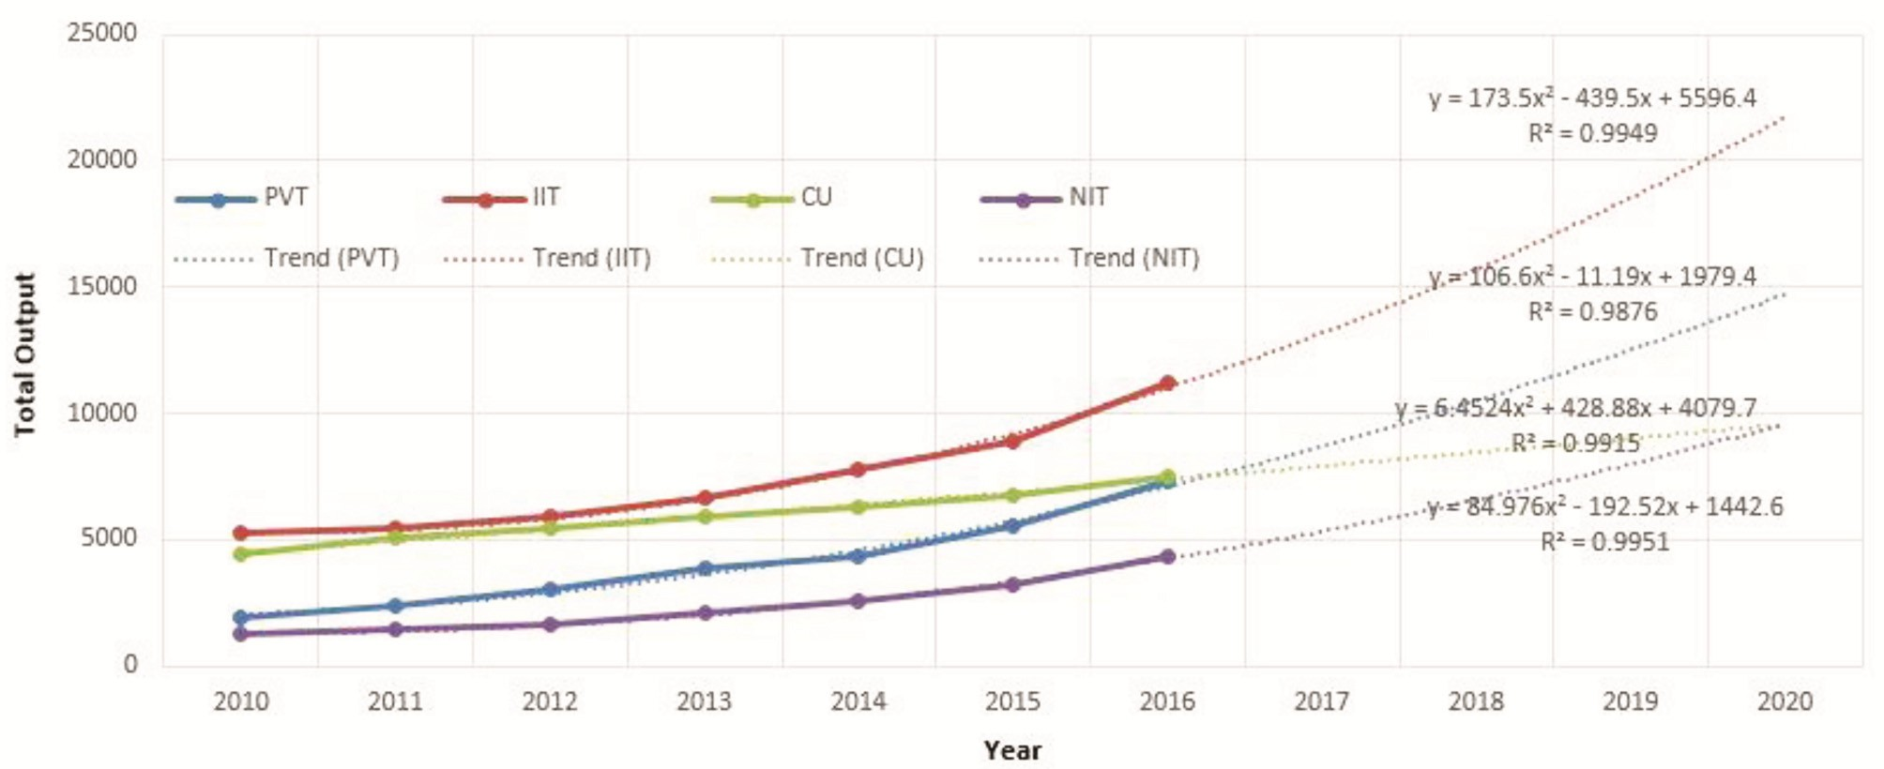
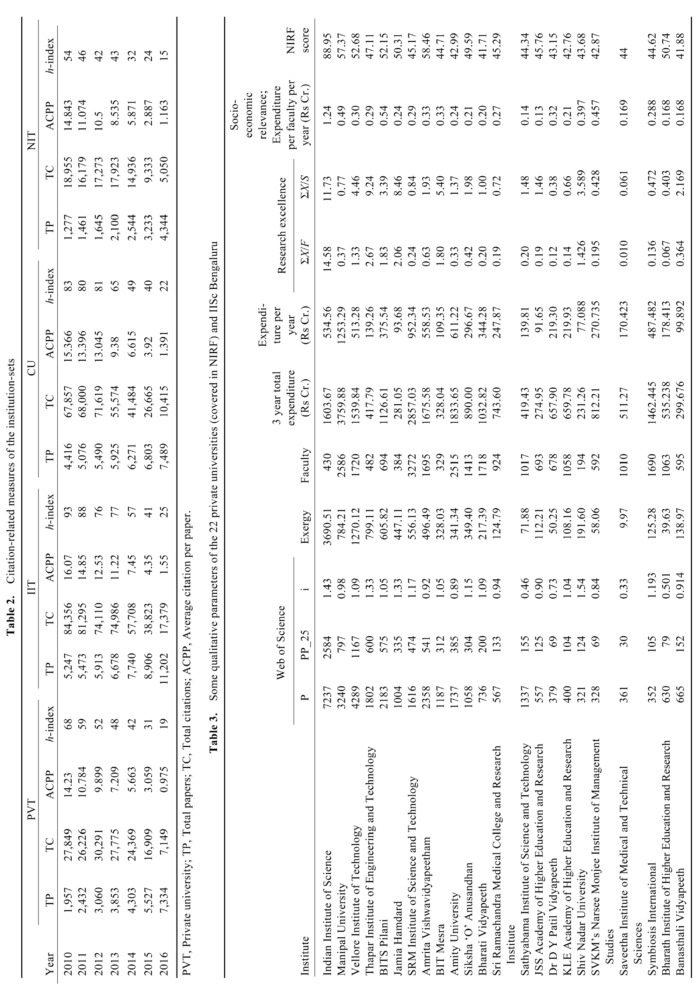
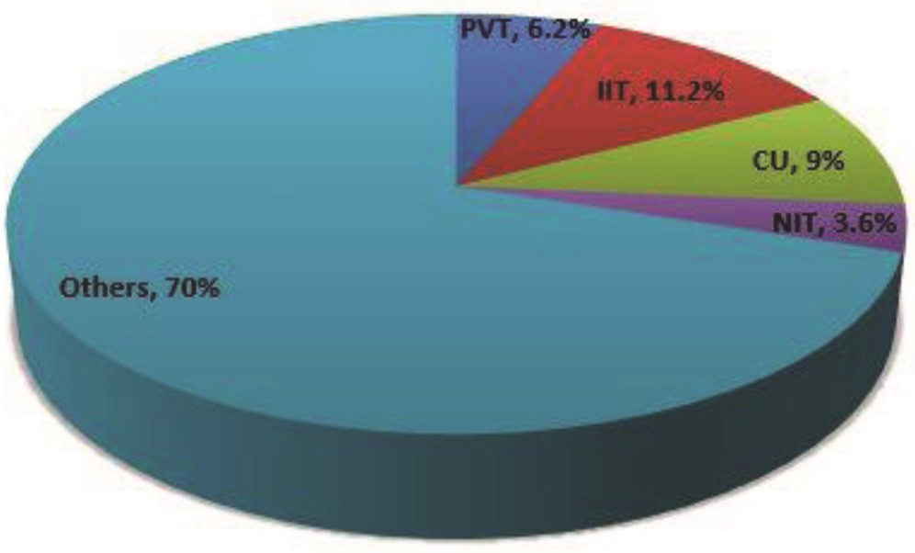
Figure 1. Total publications plotted for different institution-sets and output growth predictions.
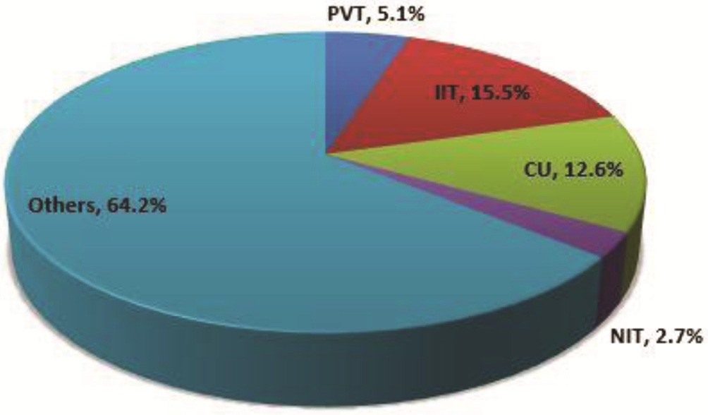 Figure 2. Proportionate share of each institution-set in total research output from India (2010–2016). Figure 3. Proportionate contribution of each institution-set to top 1% most cited papers from India (2010–2016). that these sets comprise 98 institutions in total, which is only about 12% of total number of Indian universities, their contribution to total Indian research output is signi- ficantly good. | Quality of research In addition to analysing details of quantity of research output, it is important to measure the quality of the publi- cations. Citation is the most widely used indicator for the purpose. The value of TC is directly available from the data. We have used the TC data and calculated ACPP and h-index for all the four institution-sets for each year. Table 2 presents these indicators for each of the four institution-sets. It can be observed that IIT set has the highest number of citations as well as the highest average h-index. This is followed by CU and then private univer- sities. Taking into account the fact that private universi- ties set has a good number of papers in the recent period, it can be expected that private universities will gain high- er number of citations in the time to come, as the citation window size gets bigger. We have also calculated the top 1% most cited papers of India during the 2010–2016 period. These top 1% most cited papers (total 4588 papers) are referred to as highly cited papers (HiCP). We identified proportionate contri- bution of each of the four institution sets to this HiCP set. Figure 3 presents these values. The total contribution of all the four institution-sets is about 36% to the HiCP of India for the period. It is interesting to note that 12% of the total number of Indian universities accumulate about 36% of total HiCP instances. Among the four sets, IITs are in the top position with 15.5% contribution to HiCP, followed by CUs with 12.6%. The private universities set lags here with 5.1% papers only in HiCP set, but it is almost double the NITs contribution of 2.7%. International collaboration It is often stated that internationally collaborated research work gets higher visibility and hence has higher chances

Table 6
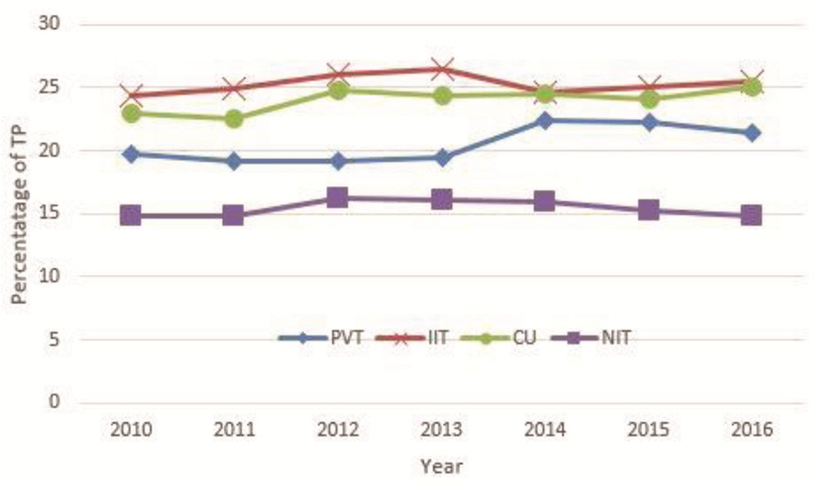
of citations. We have, therefore, identified the interna- tional collaboration pattern (ICP) for all the four institu- tion sets. Figure 4 shows the year-wise ICP distribution of all the four sets of institutes. The proportion of ICP in- stances varies from about 25% for IITs to 15% for NITs. The CU set has ICP instance as 24.1% and the private universities set is close with ICP proportion of 21%. There is a small decline in the recent years in three sets. In the private universities set a steep increase is noticed in 2014, which then hovers around a slightly smaller val- ue during next two years. ICP instances of NITs are al- most consistent to a 15% level throughout. Private university set has a significant amount of ICP instances. This shows that they have reasonable collaborations at international level. Discipline-wise distribution of research output In addition to analysing the quantity and quality indica- tors for the four sets, we also wanted to see what are the major disciplines in which the four institution-sets pub- lish. It would be interesting to see if all the four institu- tion-sets have similar disciplinary distribution or it varies across institution types. In order to see disciplinary distribution in published research output of all the four institution-sets, we have categorized each publication record for each set into one of the 14 disciplinary catego- ries. These categories are: Agriculture (AGR), Art and Humanities (AH), Biology (BIO), Chemistry (CHEM), Engineering (ENG), Environment Science (ENV), Geo- logy (GEO), Information Sciences (INF), Material Science (MTR), Mathematics (MAT), Medical Science (MED), Multidisciplinary (MUL), Physics (PHY) and Social Science (SS). The categorization is based on a previous work by Rupika et al.14. Figure | in Medical Sciences. This is followed by Chemistry and Material Science. The IIT set has the highest number of publications in Physics followed by Engineering and then Material Science. The CU set has the highest number of publications in Chemistry, followed by Physics and then Biology. The NIT set has the highest number of publica- tions in Engineering, followed by Physics and Material Science. Thus, there is clearly identifiable difference in disciplinary distribution of research papers of all the four institution-sets. Quality, productivity per capita and expenditure aspects in private universities To further compare the relative performance of private universities set, with other well-established institutions, we tried to look at productivity versus expenditure as- pects of the institution-sets by looking at data from NIRF. To start with, we searched how many of these 40 institu- tions are present in NIRF. It was found that only 22 out of the 40 most productive institutions in private universi- ties set are found in NIRF ranking. Therefore, we collec- ted scores as well as faculty stats for these 22 institutions from NIRF. Along with these 22 universities, we also collected data for IISc Bengaluru to use as a reference benchmark exergy values of these institutes which are computed based on their research output and expenditure values. Table 3 presents the values computed for the 22 private universities along with values for IISc. It is observed that, there is a wide difference of NIRF scores between IISc and private universities, which is unders- tandable from the expenditure per faculty per year. In IISc, the expenditure per faculty is 1.24 crores per year which is more than double of top performing private uni- versities (Manipal university: 0.48 crore per year). Among the private universities,

Table 8
Figure 5. Discipline-wise distribution of institution-sets (2010–16).
(16,221) followed by Jamia Hamdard (15,588) and Vel- lore Institute of Technology (15,542). Amrita Vishwa- vidyapeetham also has the highest h-index (55) followed by BITS Pilani (h-index of 49) and Jamia Hamdard (h- index of 45). In terms of international collaboration, Ma- nipal University has highest amount of ICP instances (812) followed by Vellore Institute of Technology (729) and BITS Pilani (649). In terms of contribution to HiCP from India, Amrita Vishwavidyapeetham out numbered every other with 46 papers in the set, with BITS Pilani (27) at the second place. Some of these top performing universities are multi-campus mega universities under one university entity and hence have a size-related advan- tage over other institutions (private or government). Conclusion We have presented a set-theoretic comparison of 25 most-productive private universities with set of 23 IITs, 25 CUs and 25 NITs. Publication data from WoS were used for computing various performance indicators. The | institution-sets were analysed based on productivity, cita- tions, h-index and ICP parameters. Disciplinary variation of publications in the four institution sets is also ob- served. It is interesting to observe that private universities show a significant growth in the research output during the recent years. Given this rate of growth, they may sur- pass the CUs in terms of research output in the years to come. Private universities, however, lag a bit on citation- related metric, though they are ahead of NITs on this. They also seem to perform well on international collabo- ration. Owing to their size-related advantage, some of the private universities have impressive research output and also good number of citations as well as international col- laboration. Some of the multi-campus mega private uni- versities are likely to make major gains in research output and quality parameters as well. This trend is an indicator of evolution of a new kind of universities in India, which are privately managed and are capable of maintaining good infrastructure and reasonably good-sized competent faculty. Private universities, however, have a long way to go to match the funding levels of top performing
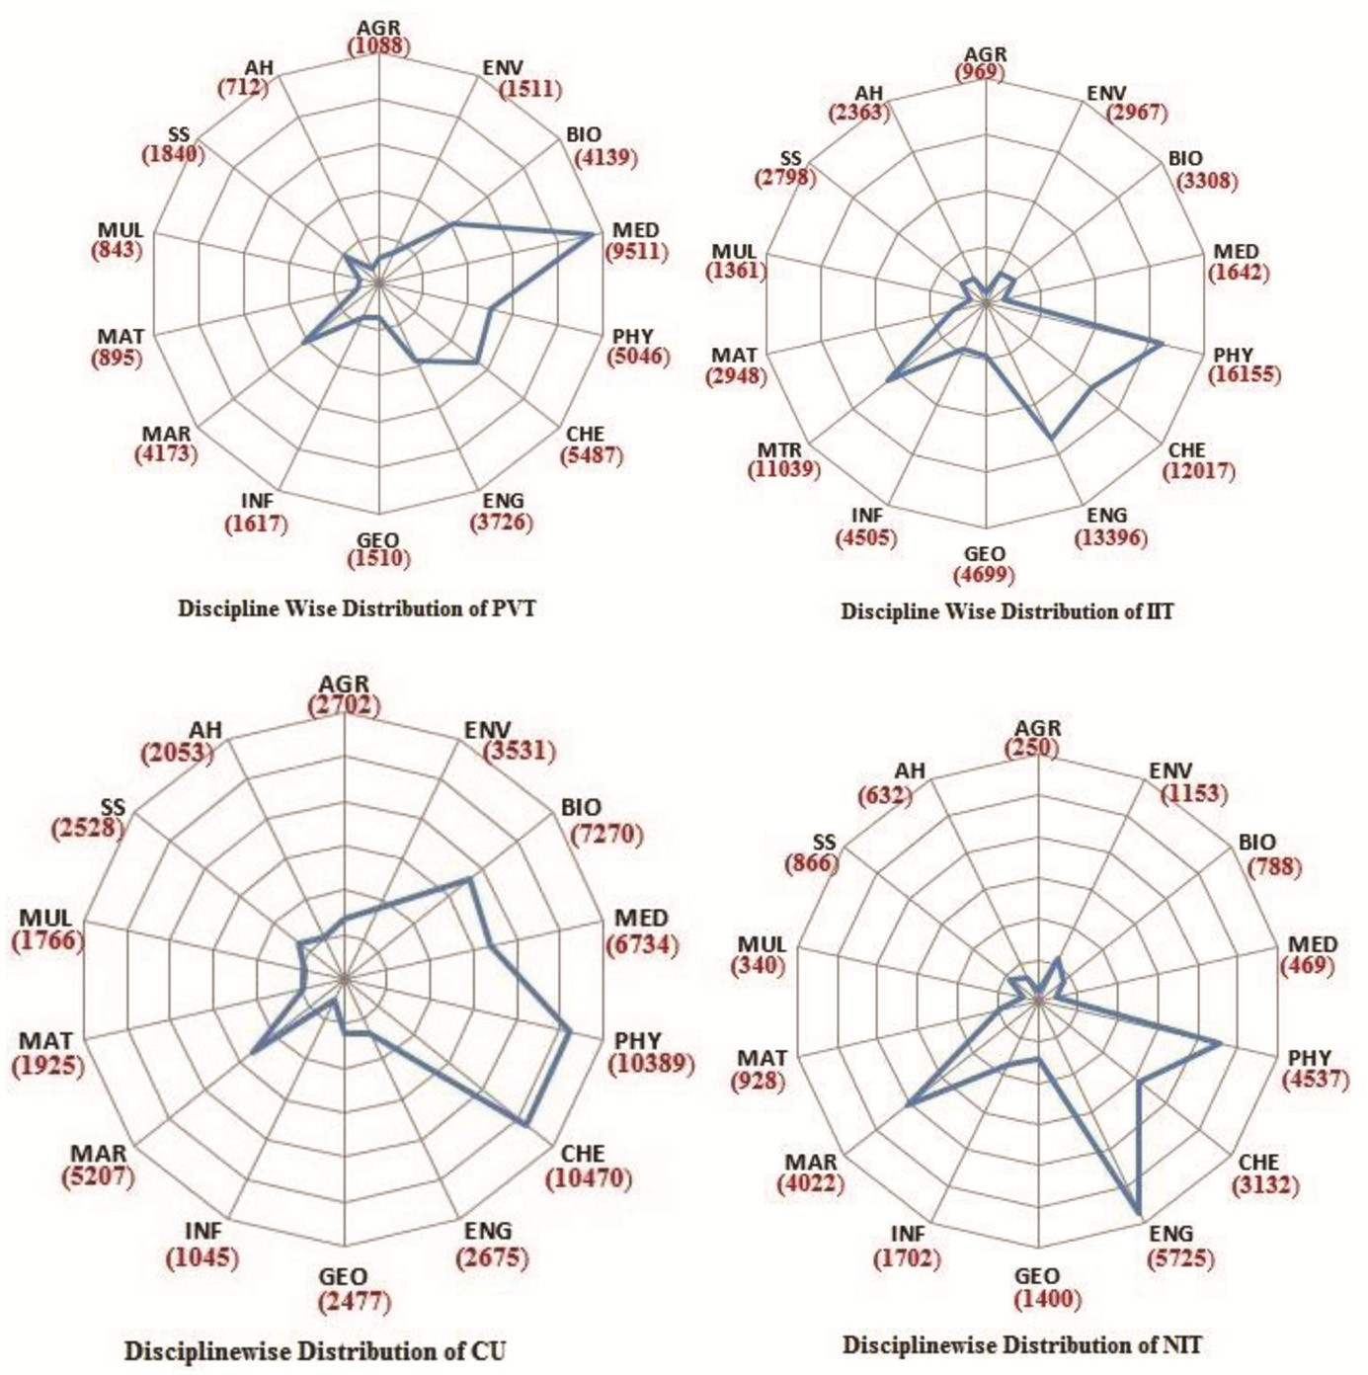
Government institutions, particularly on funds for research and innovation activities and research support to faculty members. | 9. Prathap, G., Benchmarking research performance of the IITs using ‘Web of Science’ and ‘Scopus’ bibliometric databases. Curr. Sci., 2013, 105(8), 1134–1138. 10. Prathap, G., The performance of research-intensive higher educa- tional institutions in India. Curr. Sci., 2014, 107(3), 389–396.

