T01
OPEN WEATHER UI TESTING |  |  |  |  |  | Pass | 4
 |  |  |  |  |  | Fail | 0
 |  |  |  |  |  | Not Started | 0
 |  |  |  |  |  | Blocked | 3

Test ID | Test Scenarios | Test Conditions | Test Steps | Test Data | Expected Results | Result | Remarks
1.0 | Search weather on different cities.
 | 1.1 | Toronto, CA
 |  | 1.1.1 | Log in | test01@email.com, password01 | User logged in successfully. | Pass
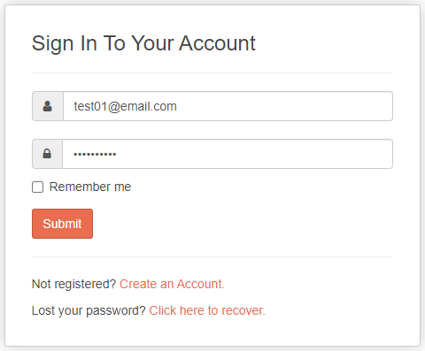
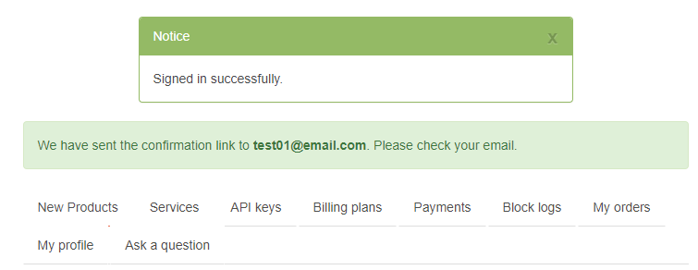

 |  | 1.1.2 | Search City | Toronto, CA | Searched city appeared from the drop down. | Pass

 |  | 1.1.3 | Verify Temperature |  | The displayed temperature matches the API data. | Blocked | Encountered an issue in getting API url.

 | 1.2 | Vancouver, CA
 |  | 1.2.1 | Log in | test02@email.com, password02 | User logged in successfully. | Pass

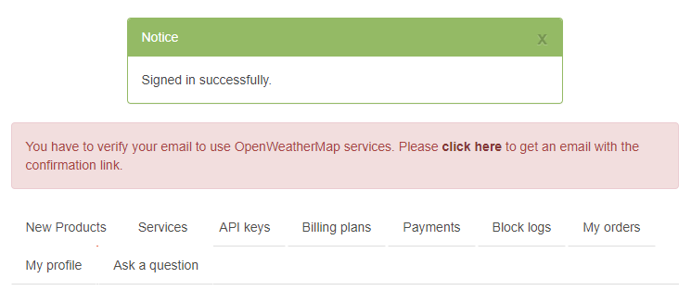

 |  | 1.2.2 | Search City | Vancouver, CA | Searched city appeared from the drop down. | Pass

 |  | 1.2.3 | Verify Temperature |  | The displayed temperature matches the API data. | Blocked | Encountered an issue in getting API url.

 | 1.3 | Pickering, CA
 |  | 1.3.1 | Log in | test03@email.com, password03 | User logged in successfully. | Pass

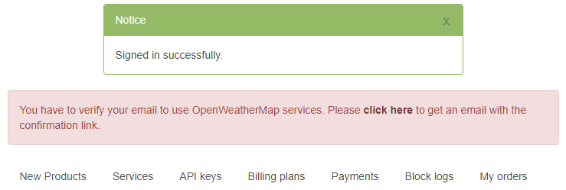

 |  | 1.3.2 | Search City | Pickering, CA | Searched city appeared from the drop down. | Pass

 |  | 1.3.3 | Verify Temperature |  | The displayed temperature matches the API data. | Blocked | Encountered an issue in getting API url.

 | 1.4 | Ottawa, CA
 |  | 1.4.1 | Log in | test04@email.com, password04 | User logged in successfully. | Pass

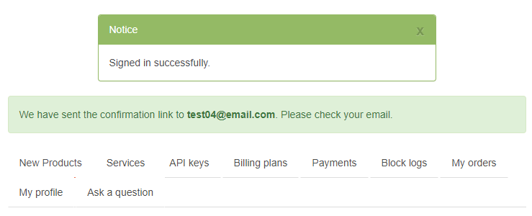

 |  | 1.4.2 | Search City | Ottawa, CA | Searched city appeared from the drop down. | Pass

 |  | 1.4.3 | Verify Temperature |  | The displayed temperature matches the API data. | Blocked | Encountered an issue in getting API url.

 | 1.5 | Calgary, CA
 |  | 1.5.1 | Log in | test05@email.com, password05 | User logged in successfully. | Pass


 |  | 1.5.2 | Search City | Calgary, CA | Searched city appeared from the drop down. | Pass

 |  | 1.5.3 | Verify Temperature |  | The displayed temperature matches the API data. | Blocked | Encountered an issue in getting API url.

T02
OPEN WEATHER UI TESTING |  |  |  |  |  | Pass | 6
 |  |  |  |  |  | Fail | 0
 |  |  |  |  |  | Not Started | 0
 |  |  |  |  |  | Blocked | 0

Test ID | Test Scenarios | Test Conditions | Test Steps | Test Data | Expected Results | Result | Remarks
2.0 | No data is found or invalid data is displayed.
 | 2.1 | Invalid City 01
 |  | 2.1.1 | Log in | test06@email.com, password06 | User logged in successfully. | Pass
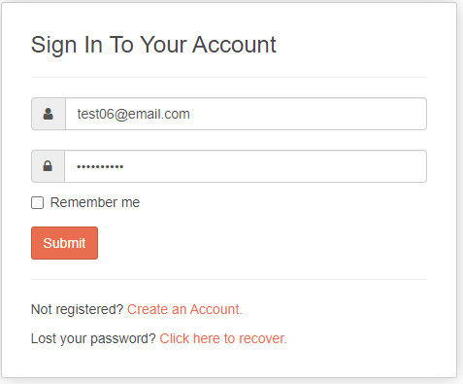
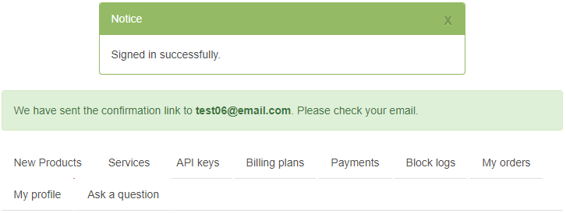

 |  | 2.1.2 | Search City | Invalid City 01 | Error message appears saying “No results”. | Pass

 | 2.2 | Invalid City 02
 |  | 2.2.1 | Log in | test07@email.com, password07 | User logged in successfully. | Pass
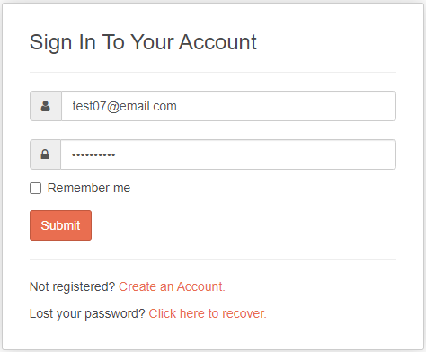

 |  | 2.2.2 | Search City | Invalid City 02 | Error message appears saying “No results”. | Pass

 | 2.3 | Invalid City 03
 |  | 2.3.1 | Log in | test08@email.com, password08 | User logged in successfully. | Pass
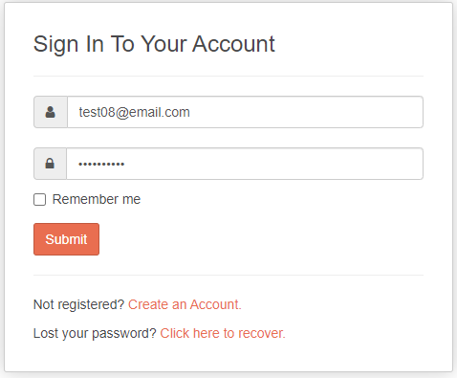

 |  | 2.3.2 | Search City | Invalid City 03 | Error message appears saying “No results”. | Pass

