TC1
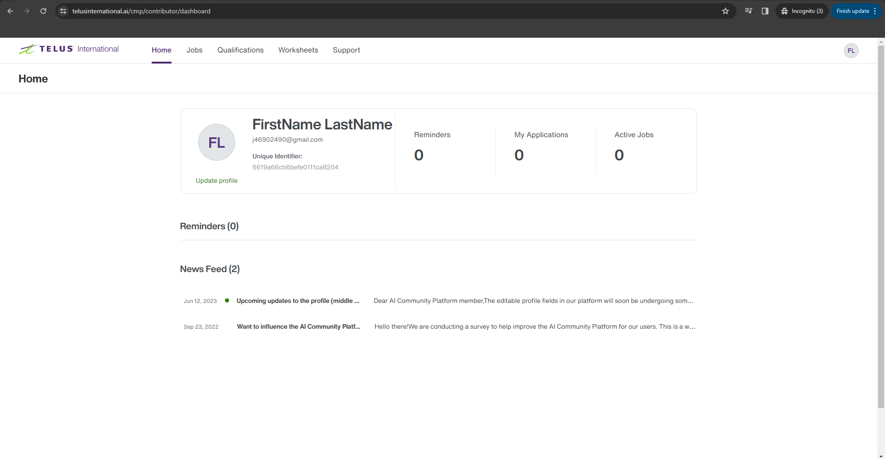
 |  |  | Pass | 5
 |  |  | Fail | 0
 |  |  | Not Started | 0
 |  |  | Blocked | 0

Test Steps | Test Data | Expected Results | Actual Results | Result
1. Access the website | https://www.telusinternational.ai/cmp | The website's homepage loads successfully | The website's homepage loaded successfully | Pass
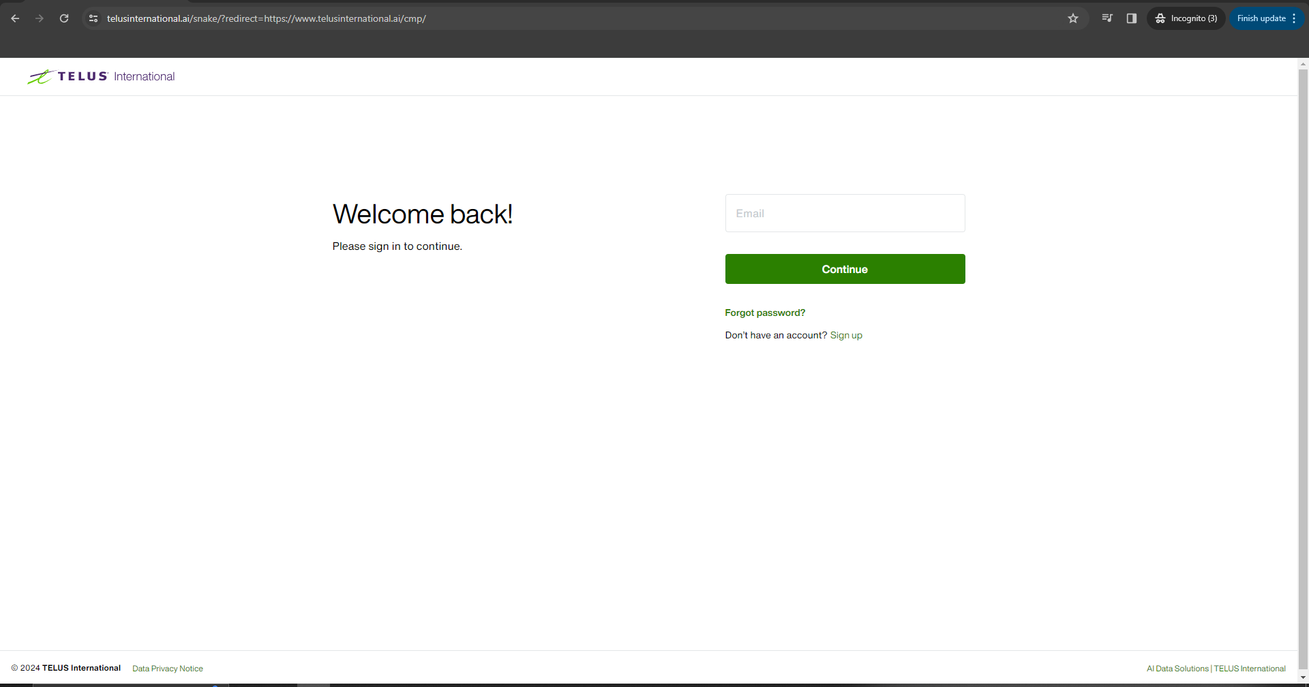

2. Enter the email at the "Email" field | j46902490@gmail.com | The email is entered into the designated field | The email was entered into the designated field | Pass

3. Click [Continue] button |  | 1. "Signing in as j46902490@gmail.com" is displayed 2. "Password" field appears | 1. "Signing in as j46902490@gmail.com" was displayed 2. "Password" field appeared | Pass

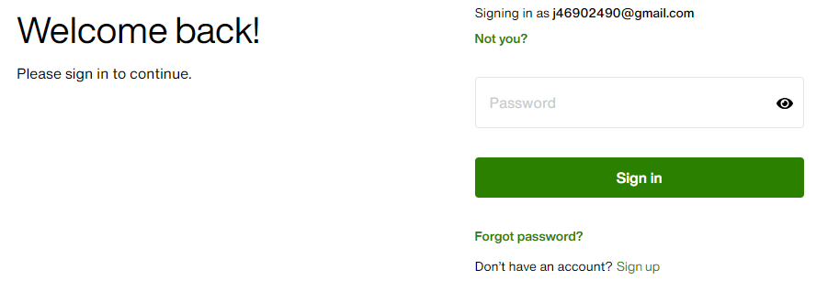

4. Enter the password at the "Password" field | Testing01! | 1. The password is entered into the designated field 2. The characters are masked | 1. The password is entered into the designated field 2. The characters are masked | Pass

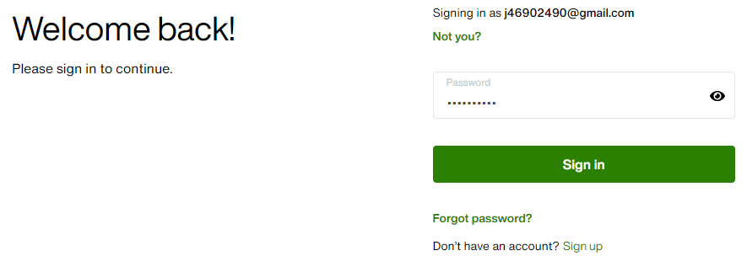

5. Click [Sign in] button |  | The system successfully authenticates the user and navigates to the designated landing page | The system successfully authenticated the user and navigated to the designated landing page | Pass

TC2
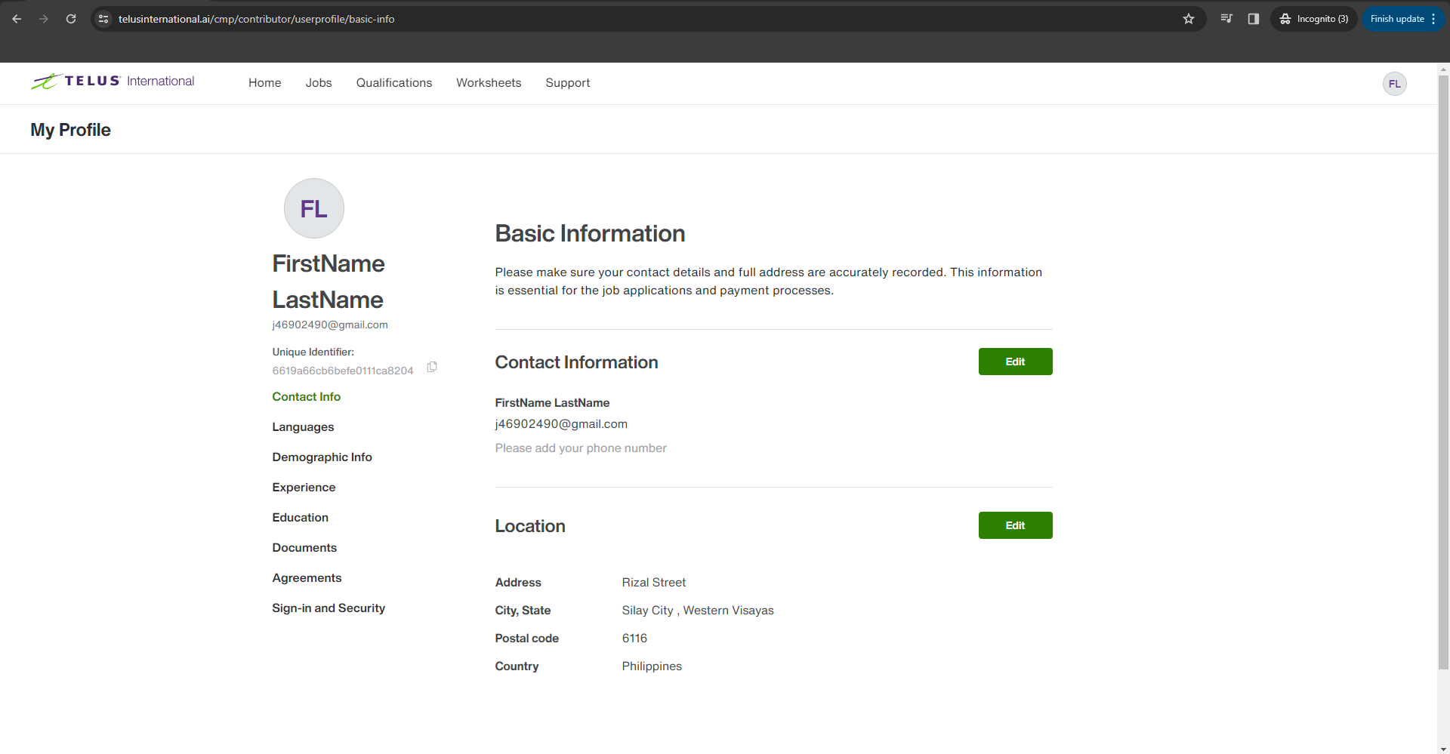
 |  |  | Pass | 2
 |  |  | Fail | 0
 |  |  | Not Started | 0
 |  |  | Blocked | 0

Test Steps | Test Data | Expected Results | Actual Results | Result
1. Click on the profile icon on top right of the screen |  | 1. The profile dropdown menu opens 2. User's name, unique id, My Profile link, and Sign Out link appears | 1. The profile dropdown menu opened 2. User's name, unique id, My Profile link, and Sign Out link appeared | Pass
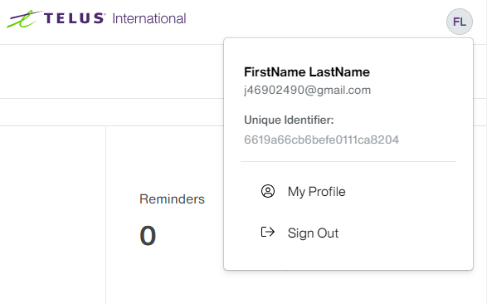

2. Click on the “My profile” menu link |  | 1. The user is redirected to the "My profile" page 2. "Please add your phone number" is displayed under Contact Information section | 1. The user is redirected to the "My profile" page at https://www.telusinternational.ai/cmp/contributor/userprofile/basic-info as expected 2. "Please add your phone number" is displayed under Contact Information section | Pass

TC3
 |  |  | Pass | 3
 |  |  | Fail | 0
 |  |  | Not Started | 0
 |  |  | Blocked | 0

Test Steps | Test Data | Expected Results | Actual Results | Result
1. Click the [Edit] button under "Contact Information" section |  | 1. Name and Phone sections are editable. 2. [Cancel] button is enabled 3. [Save] button is disabled | 1. Name and Phone sections are editable. 2. [Cancel] button is enabled 3. [Save] button is disabled | Pass

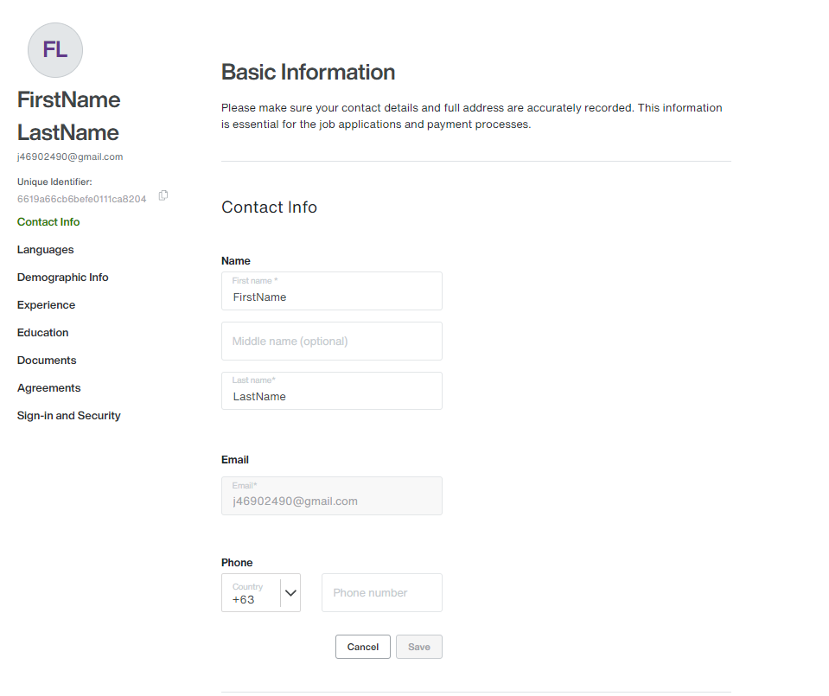

2. Enter the phone number in the "Phone number" field | 123456 | 1. The phone number is entered into the "Phone number" field 2. [Save] button is enabled | 1. The phone number is entered into the "Phone number" field 2. [Save] button is enabled | Pass

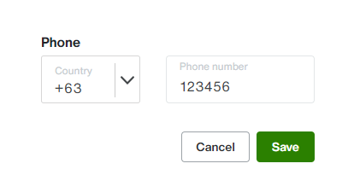

3. Click [Save] button |  | The added phone number is displayed | The added phone number is displayed | Pass

TC4
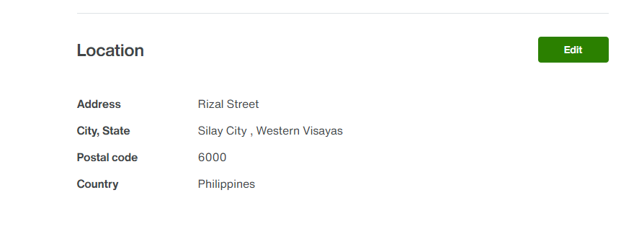
 |  |  | Pass | 3
 |  |  | Fail | 0
 |  |  | Not Started | 0
 |  |  | Blocked | 0

Test Steps | Test Data | Expected Results | Actual Results | Result
1. Click the [Edit] button under "Location" section |  | 1. Country, Street, City, and Postal code sections are editable. 2. [Cancel] button is enabled 3. [Save] button is disabled | 1. Country, Street, City, and Postal code sections are editable. 2. [Cancel] button is enabled 3. [Save] button is disabled | Pass
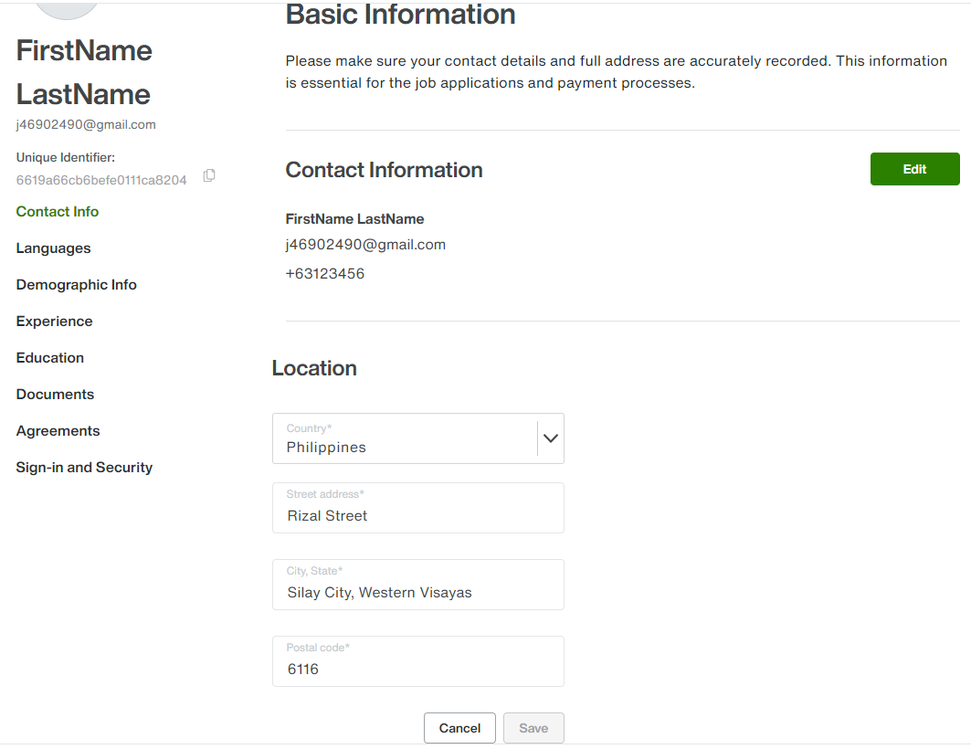

2. Enter the postal code in the "Postal code" field | 6000 | 1. The Postal code is entered into the "Postal code" field 2. [Save] button is enabled | 1. The Postal code is entered into the "Postal code" field 2. [Save] button is enabled | Pass

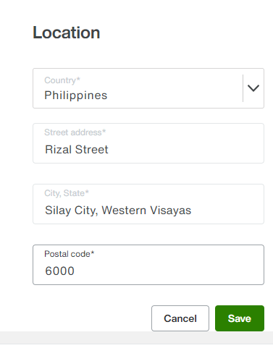

3. Click [Save] button |  | The updated postal code is displayed | The updated postal code is displayed | Pass

TC5
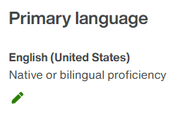
 |  |  | Pass | 1
 |  |  | Fail | 0
 |  |  | Not Started | 0
 |  |  | Blocked | 0

Test Steps | Test Data | Expected Results | Actual Results | Result
1. Click on the Languages left menu link |  | 1. The user is redirected to the "Languages" page at https://www.telusinternational.ai/cmp/contributor/userprofile/languages 2. Primary language and Other languages sections are displayed | 1. The user is redirected to the "My profile" page at https://www.telusinternational.ai/cmp/contributor/userprofile/languages as expected 2. Primary language and Other languages sections are displayed and empty | Pass
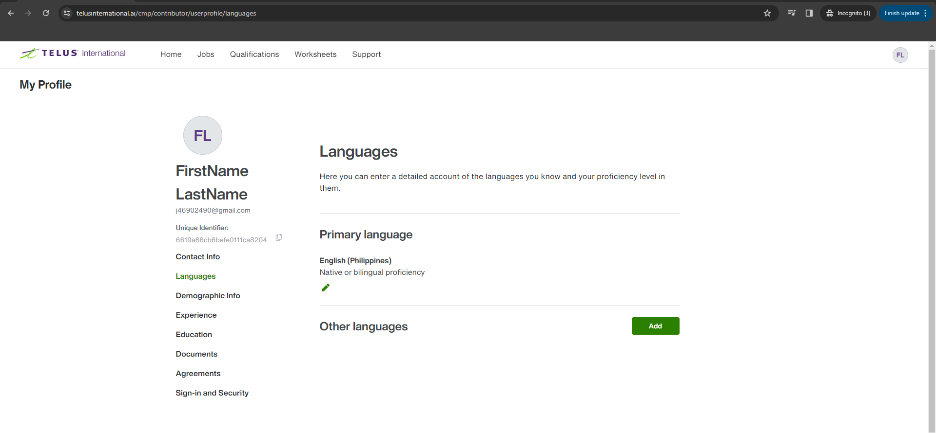

2. Click the pen icon in the Primary language section |  | 1. Language is editable 2. Proficiency level is disable 3. [Cancel] button is enabled 4. [Save] button is disabled | 1. Language is editable 2. Proficiency level is disable 3. [Cancel] button is enabled 4. [Save] button is disabled | Pass
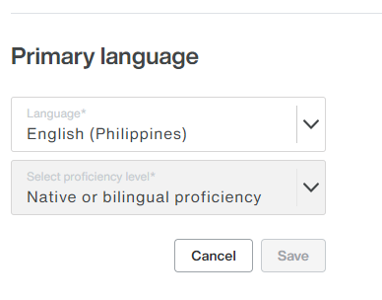

3. Click the Language dropdown |  | A list of languages displayed | A list of languages displayed | Pass

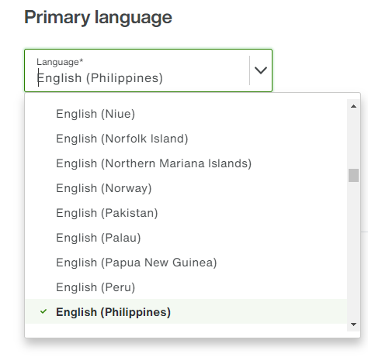

4. Select a language among the selection | English (United States) | 1. The selected language is displayed 2. Proficiency level is disable 3. [Cancel] button is enabled 4. [Save] button is enabled | 1. The selected language is displayed 2. Proficiency level is disable 3. [Cancel] button is enabled 4. [Save] button is enabled | Pass

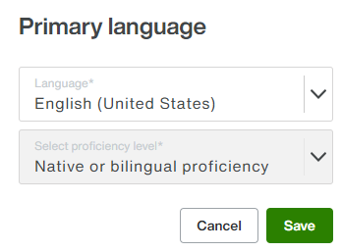

5. Click [Save] button |  | The updated language is displayed | The updated language is displayed | Pass

TC6
 |  |  | Pass | 6
 |  |  | Fail | 0
 |  |  | Not Started | 0
 |  |  | Blocked | 0

Test Steps | Test Data | Expected Results | Actual Results | Result
1. Click the [Add] button |  | 1. Add language is editable 2. Proficiency level is disable 3. [Cancel] button is enabled 4. [Save] button is disabled | 1. Add language is editable 2. Proficiency level is disable 3. [Cancel] button is enabled 4. [Save] button is disabled | Pass
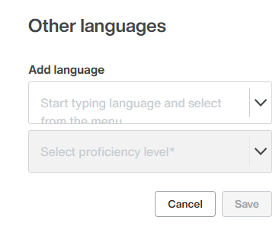

2. Click the Add language dropdown |  | A list of languages displayed | A list of languages displayed | Pass

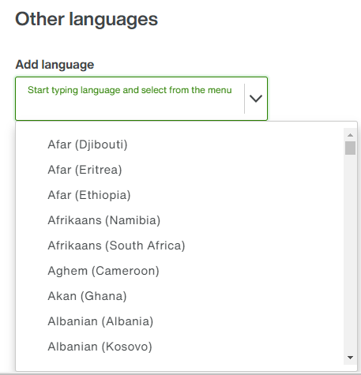

3. Select a language among the selection | Afar (Djibouti) | 1. The selected language is displayed 2. Proficiency level is enabled 3. [Cancel] button is enabled 4. [Save] button is disabled | 1. The selected language is displayed 2. Proficiency level is enabled 3. [Cancel] button is enabled 4. [Save] button is disabled | Pass

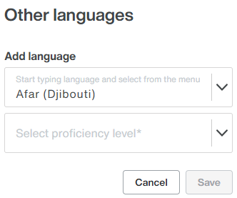

4. Click the "Select proficiency level" dropdown |  | A list of proficiency level displayed | A list of proficiency level displayed | Pass

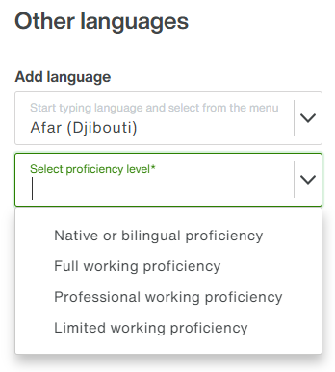

5. Select a proficiency level | Native or bilingual proficiency | 1. The selectedProficiency level is displayed 2. [Cancel] button is enabled 3. [Save] button is enabled | 1. The selectedProficiency level is displayed 2. [Cancel] button is enabled 3. [Save] button is enabled | Pass
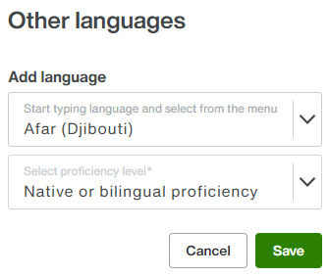

4. Click [Save] button |  | The updated language and proficiency level are displayed | The updated language and proficiency level are displayed | Pass

TC7
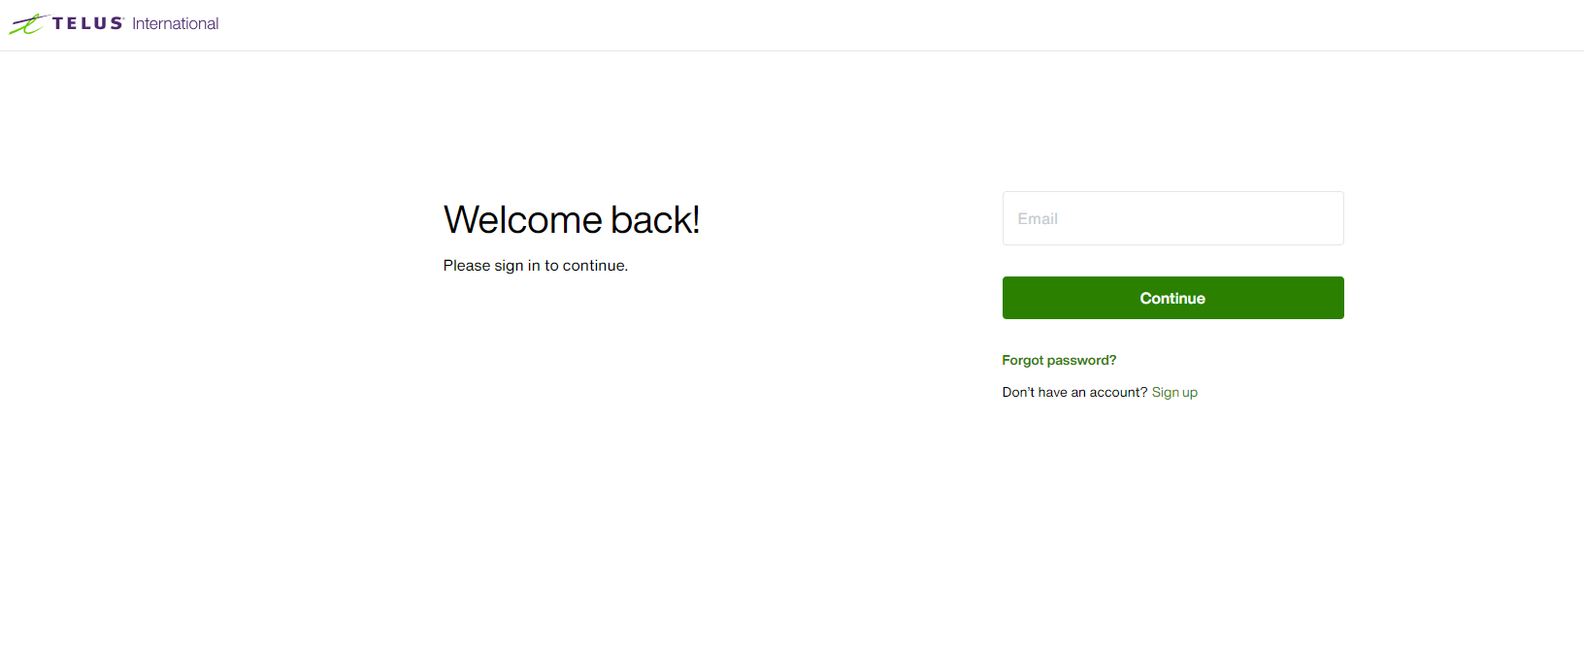
 |  |  | Pass | 2
 |  |  | Fail | 0
 |  |  | Not Started | 0
 |  |  | Blocked | 0

Test Steps | Test Data | Expected Results | Actual Results | Result
1. Click on the profile icon on top right of the screen |  | 1. The profile dropdown menu opens 2. User's name, unique id, My Profile link, and Sign Out link appears | 1. The profile dropdown menu opened 2. User's name, unique id, My Profile link, and Sign Out link appeared | Pass

2. Click "Sign Out" link |  | The user is redirected to the Login page | The user is redirected to the Login page | Pass

