Post-print worksheet
Please see this wiki page for tips and measuring hints!
Tips for best results:
1. Allow the print to cool completely before measuring
2. Remove the print from the bed

Measure in this order:
 | 1. x-axis outside | (horizontal in picture)
 | 2. x-axis inside | (horizontal in picture)
 | 3. y-axis outside | (vertical in picture)
 | 4. y-axis inside | (vertical in picture)
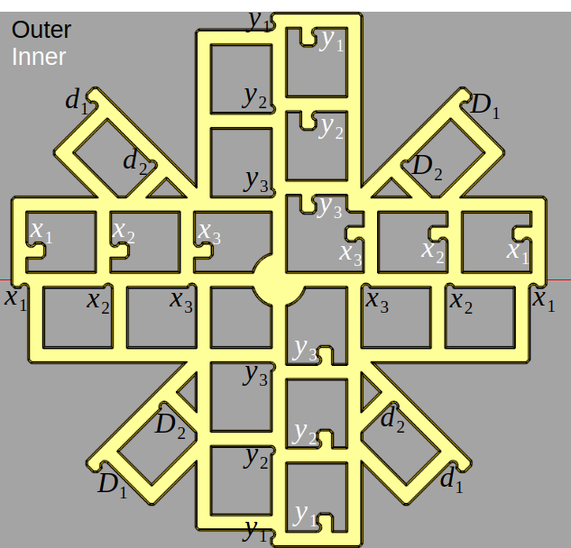
 | 5. Diagonals | (Capital D first, then lowercase d)
Along each axis, measurements work from the outside in (see figure)
 |  | ⬐ | Hint: filter out ‘x’ values out of this column
 | Location | Nominal | Measurement 1 | Measurement 2 | Measurement 3 | Average
Outer X | 1 | 100.00 | 99.40 | 99.46 | 99.37 | 99.41
 | 2 | 50.00 | 49.78 | 49.76 | 49.77 | 49.77
 |  | x
 |  | x
 |  | x
Inner X | 1 | 100.00 | 99.71 | 99.65 | 99.67 | 99.68
 | 2 | 50.00 | 49.94 | 49.90 | 49.96 | 49.93
 |  | x
 |  | x
 |  | x
Outer Y | 1 | 100.00 | 99.60 | 99.60 | 99.60 | 99.60
 | 2 | 50.00 | 49.78 | 49.84 | 49.73 | 49.78
 |  | x
 |  | x
 |  | x
Inner Y | 1 | 100.00 | 99.85 | 99.81 | 99.83 | 99.83
 | 2 | 50.00 | 49.98 | 49.95 | 50.01 | 49.98
 |  | x
 |  | x
 |  | x
Diagonal (capital D) | 1 | 100.00 | 99.28 | 99.28 | 99.30 | 99.29
 |  | x
 |  | x
 |  | x
diagonal (lowercase d) | 1 | 100.00 | 99.63 | 99.55 | 99.64 | 99.61
 |  | x
 |  | x
 |  | x

Your measurement is within 0.5mm of expected input (does not mean your printer is calibrated!!)
Your measurement is more than 0.5mm and less than 1mm of the expected input. Please double check your measurement
Your measurement is more than 1mm away from expected input. Did you scale the model and forget to update the scale factor on intro sheet?
For best results, make sure for every outer measurement you have a corresponding inner measurement.

Results Dimensionality
Please read this wiki page first!

Results
Dimensional correctness |  |  |  |  | Key
 |  | Error | 1-sigma Error | Correction | Your printer is calibrated to within one standard deviation. Hooray!
X-axis |  | -0.38 % | 0.02259% | 0.38 % | Your printer is calibrated to within two standard deviations. Not bad!
Y-axis |  | -0.26 % | 0.03272% | 0.26 % | Your printer is calibrated to within three standard deviations. You
 |  |  |  |  |  | may still be able to do some adjustments
What material did you print Calistar with? |  |  |  |  | Your printer is not yet calibrated
 | Your material | Max expected shrinkage
--> Please select | ABS | 1.60 %
Based on your measurements and selected material, this looks like it is most likely
not just shrinkage. You should consider fixing this in your firmware's x/y-steps

Please continue scrolling to see the various ways that you can fix dimensionality of your parts

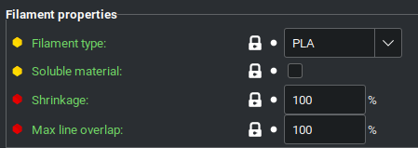
SuperSlicer, OrcaSlicer, BambuStudio, Cura
These slicers have per-filament
shrinkage compensation built in!
Filament settings -> Filament -> Shrinkage
Enter your current shrinkage setting:
Fill me out! --> | 100 | %
Your adjusted shrinkage setting is
 | 99.664%
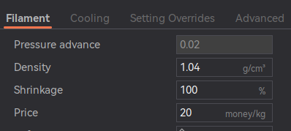

Generic Slicer (PrusaSlicer, SuperSlicer, BambuStudio, Cura, Simplify3D, etc.)
As a last ditch effort that works for any slicer, you can scale up your parts to account for shrinkage.
Note, however, that this must be done for every part you slice.
Your scaling factor: | 100.34 %

Fixing dimensionality in Klipper
In your printer.cfg, find and enter below
rotation_distance: | 40.000 | in [stepper_x] | <-- FIll me out!!
rotation_distance: | 40.000 | in [stepper_y] | <-- Fill me out!!
Your movement type: | CoreXY |  | <-- Fill me out!!
Your printer's corrected values are:
rotation_distance: | 39.880 | in [stepper_x] | <-- Your result
rotation_distance: | 39.880 | in [stepper_y] | <-- Your result

Fixing dimensionality in Marlin
In a console, type M92 into a console to get your current X- and Y-steps
X-axis | 80.000 | <-- FIll me out!!
Y-axis | 80.000 | <-- Fill me out!!
Your movement type: | CoreXY | <-- Fill me out!!
In a console, paste the following:
 | M92 X80,24 Y80,24 |  | <-- Your result
You should see "Recv. ok"
Then type M500 in your console to save the settings

