Sheet1
Transaction_ID | Date | Customer_ID | Product | Category | Quantity | Price | Total_Amount | Payment_Method | Region | Month
1001 | 2024-01-05 | C001 | Laptop | Electronics | 1 | 800 | 800 | Credit Card | North | 1
1002 | 2024-01-10 | C002 | Smartphone | Electronics | 2 | 600 | 1200 | Cash | South | 1
1003 | 2024-01-12 | C003 | Headphones | Electronics | 1 | 100 | 100 | PayPal | West | 1
1004 | 2024-02-05 | C004 | Tablet | Electronics | 1 | 500 | 500 | Debit Card | East | 2
1006 | 2024-02-10 | C001 | Laptop | Electronics | 1 | 800 | 800 | Credit Card | North | 2
1009 | 2024-03-20 | C008 | Smartwatch | Electronics | 1 | 200 | 200 | Debit Card | East | 3
1011 | 2024-04-05 | C002 | Smartphone | Electronics | 2 | 600 | 1200 | Cash | South | 4
1012 | 2024-04-10 | C010 | Tablet | Electronics | 1 | 500 | 500 | Debit Card | East | 4
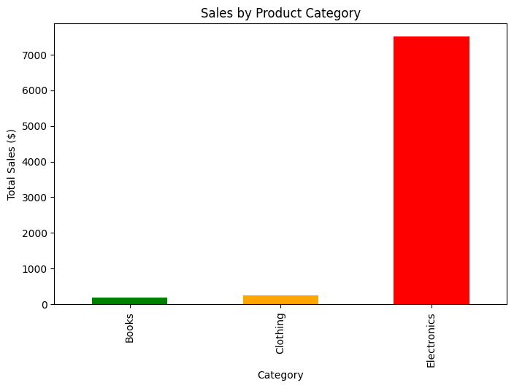
1014 | 2024-05-05 | C012 | Headphones | Electronics | 1 | 100 | 100 | PayPal | West | 5
1015 | 2024-05-08 | C013 | Laptop | Electronics | 1 | 800 | 800 | Credit Card | North | 5
1017 | 2024-06-01 | C015 | Smartwatch | Electronics | 1 | 200 | 200 | Debit Card | East | 6
1019 | 2024-06-08 | C017 | Smartphone | Electronics | 1 | 600 | 600 | Cash | South | 6
1020 | 2024-06-10 | C018 | Tablet | Electronics | 1 | 500 | 500 | Debit Card | East | 6
1007 | 2024-03-15 | C006 | Shoes | Clothing | 2 | 50 | 100 | Cash | South | 3
1008 | 2024-03-18 | C007 | T-Shirt | Clothing | 1 | 25 | 25 | PayPal | West | 3
1013 | 2024-05-01 | C011 | Shoes | Clothing | 1 | 50 | 50 | Cash | South | 5
1016 | 2024-05-10 | C014 | T-Shirt | Clothing | 3 | 25 | 75 | Cash | South | 5
1005 | 2024-02-08 | C005 | Book | Books | 3 | 20 | 60 | Credit Card | North | 2
1010 | 2024-04-01 | C009 | Book | Books | 2 | 20 | 40 | Credit Card | North | 4
1018 | 2024-06-05 | C016 | Book | Books | 4 | 20 | 80 | Credit Card | North | 6
Transaction_ID | Date | Customer_ID | Product | Category | Quantity | Price | Total_Amount | Payment_Method | Region | Month
1001 | 2024-01-05 | C001 | Laptop | Electronics | 1 | 800 | 800 | Credit Card | North | 1
1002 | 2024-01-10 | C002 | Smartphone | Electronics | 2 | 600 | 1200 | Cash | South | 1
1003 | 2024-01-12 | C003 | Headphones | Electronics | 1 | 100 | 100 | PayPal | West | 1
Categories vs No. Sales
1004 | 2024-02-05 | C004 | Tablet | Electronics | 1 | 500 | 500 | Debit Card | East | 2
1006 | 2024-02-10 | C001 | Laptop | Electronics | 1 | 800 | 800 | Credit Card | North | 2
1009 | 2024-03-20 | C008 | Smartwatch | Electronics | 1 | 200 | 200 | Debit Card | East | 3
1011 | 2024-04-05 | C002 | Smartphone | Electronics | 2 | 600 | 1200 | Cash | South | 4
1012 | 2024-04-10 | C010 | Tablet | Electronics | 1 | 500 | 500 | Debit Card | East | 4
1014 | 2024-05-05 | C012 | Headphones | Electronics | 1 | 100 | 100 | PayPal | West | 5
1015 | 2024-05-08 | C013 | Laptop | Electronics | 1 | 800 | 800 | Credit Card | North | 5
1017 | 2024-06-01 | C015 | Smartwatch | Electronics | 1 | 200 | 200 | Debit Card | East | 6
1019 | 2024-06-08 | C017 | Smartphone | Electronics | 1 | 600 | 600 | Cash | South | 6
1020 | 2024-06-10 | C018 | Tablet | Electronics | 1 | 500 | 500 | Debit Card | East | 6
1007 | 2024-03-15 | C006 | Shoes | Clothing | 2 | 50 | 100 | Cash | South | 3
1008 | 2024-03-18 | C007 | T-Shirt | Clothing | 1 | 25 | 25 | PayPal | West | 3
1013 | 2024-05-01 | C011 | Shoes | Clothing | 1 | 50 | 50 | Cash | South | 5
1016 | 2024-05-10 | C014 | T-Shirt | Clothing | 3 | 25 | 75 | Cash | South | 5
1005 | 2024-02-08 | C005 | Book | Books | 3 | 20 | 60 | Credit Card | North | 2
1010 | 2024-04-01 | C009 | Book | Books | 2 | 20 | 40 | Credit Card | North | 4
1018 | 2024-06-05 | C016 | Book | Books | 4 | 20 | 80 | Credit Card | North | 6

Products vs Amount Sold
 |  |  |  | Category | Quantity |  | Total_Amount | Payment_Method
 |  |  |  | Electronic | 13 |  | £2,580.00 | Credit Card
 | Date | Total_Amount |  | Books | 3 |  | £1,900.00 | Debit Card
 | 2024-01-05 | £800.00 |  | Clothing | 4 |  | £225.00 | PayPal
 | 2024-01-10 | £1200.00 |  |  |  |  | £3,225.00 | Cash
 | 2024-01-12 | £100.00 |  |  |  |  | £7,930.00
 | 2024-02-05 | £500.00 |  | Product | Quantity
 | 2024-02-08 | £60.00 |  | Laptop | 3
 | 2024-02-10 | £800.00 |  | Smartphone | 5
 | 2024-03-15 | £100.00 |  | Headphones | 2
 | 2024-03-18 | £25.00 |  | Tablet | 3
 | 2024-03-20 | £200.00 |  | Smartwatch | 2
 | 2024-04-01 | £40.00 |  | Book | 9
 | 2024-04-05 | £1200.00 |  | Shoes | 2
 | 2024-04-10 | £500.00 |  | T-Shirt | 4
 | 2024-05-01 | £50.00
 | 2024-05-05 | £100.00
 | 2024-05-08 | £800.00
 | 2024-05-10 | £75.00
 | 2024-06-01 | £200.00
 | 2024-06-05 | £80.00
 | 2024-06-08 | £600.00
 | 2024-06-10 | £500.00

 | Date | Total_Amount |  |  | Month | Total_Amount
 | 2024-01-05 | £800.00 |  |  | January | £2,100.00
 | 2024-01-10 | £1200.00 |  |  | February | £1,360.00
 | 2024-01-12 | £100.00 |  |  | March | £325.00
 | 2024-02-05 | £500.00 |  |  | April | £1,740.00
 | 2024-02-08 | £60.00 |  |  | May | £1,025.00
 | 2024-02-10 | £800.00 |  |  | June | £1,380.00
 | 2024-03-15 | £100.00 |  |  |  | £7,930.00
 | 2024-03-18 | £25.00
 | 2024-03-20 | £200.00
 | 2024-04-01 | £40.00
 | 2024-04-05 | £1200.00
 | 2024-04-10 | £500.00
 | 2024-05-01 | £50.00
 | 2024-05-05 | £100.00
 | 2024-05-08 | £800.00
 | 2024-05-10 | £75.00
 | 2024-06-01 | £200.00
 | 2024-06-05 | £80.00
 | 2024-06-08 | £600.00
 | 2024-06-10 | £500.00

