VS_data
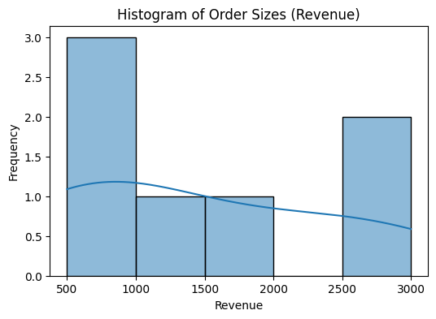
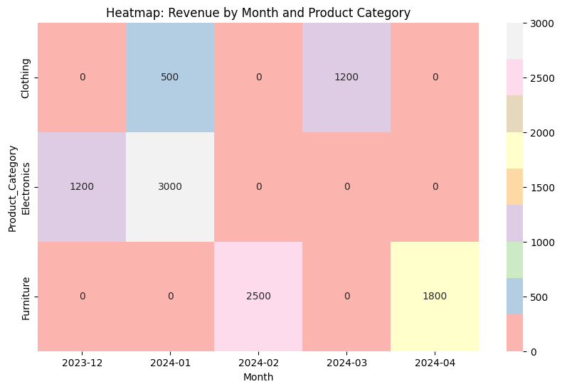
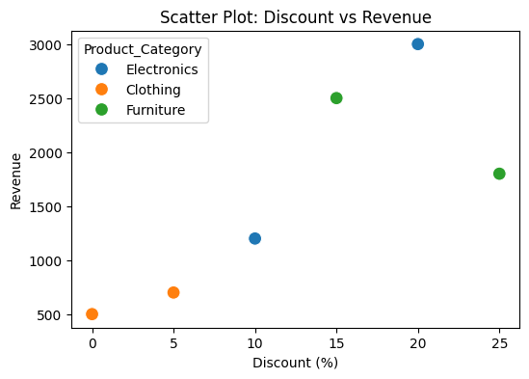
Order_ID | Customer_Name | Email | Phone | Product_Category | Order_Date | Standardized_Date | Revenue | Discount (%)
101 | John Doe | john@email.com | 9876543210 | Electronics | 12/31/2023 | 2023-12-31 | 1200 | 10
102 | Alice Smith | not_provided@email.com | 9898989898 | Clothing | 01-05-2024 | 2024-05-01 | 500 | 0
103 | Bob Miller | bob@email.com | Unknown | Electronics | 2024-01-12 | 2024-01-12 | 3000 | 20
105 | David White | david@email.com | 9123456789 | Furniture | 02-15-2024 | 2024-02-15 | 2500 | 15
106 | Emma Brown | emma@email.com | 9234567890 | Clothing | 2024-03-08 | 2024-03-08 | 700 | 5
107 | Chris Green | not_provided@email.com | 9345678901 | Furniture | 04/10/2024 | 2024-10-04 | 1800 | 25
108 | Alice Smith | alice@email.com | Unknown | Clothing | 03-08-2024 | 2024-08-03 | 500 | 0

