Sheet1
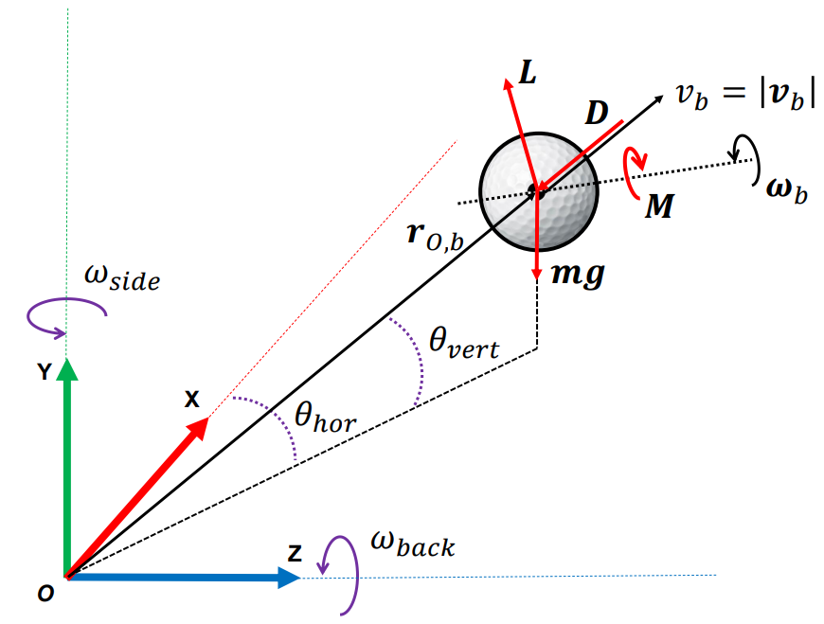
Shot | Ball Speed [mph] | Vertical/Elevation [°] | Horizontal/Azimuth [°] | Backspin [rpm] | Sidespin [rpm] | Carry [yds] | Apex [yds] | Offline Landing [yds]
1 | 163.4 | 13.8 | -3.8 | 1777 | -158 | 286.94 | 35.3 | -7.6
2 | 164.5 | 14.6 | -3.3 | 3095 | -635 | 262.75 | 47.9 | 12.64
3 | 155.8 | 17 | -2.8 | 1757 | -313 | 275.81 | 41.7 | 7.12
4 | 159.22 | 10.53 | 0.08 | 2104.38 | -275.7 | 254.83 | 23.2 | 11
5 | 147.16 | 12.79 | -3.01 | 2287.03 | -180.27 | 239.13 | 24.85 | -6.18
6 | 152.73 | 13.46 | -0.24 | 1622.57 | 255.25 | 249.21 | 25.47 | -11.8
7 | 161.01 | 12.49 | 1.63 | 2996.35 | 608.31 | 265.76 | 35 | -17.17
8 | 173.05 | 10.66 | -0.58 | 2001.54 | -221.47 | 289.2 | 28.08 | 8.11
9 | 143.3 | 14.1 | -1.8 | 3342 | -345 | 231.5 | 36.4 | 4.48
10 | 168.73 | 7.56 | 2.32 | 2307.1 | 251.24 | 263.49 | 19.6 | 1.03

