Rain water trap
Statement | Description | Hint | Solution

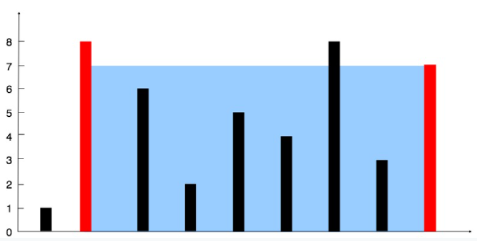
Container with most water | Between which 2 indices, do most water is trapped | move to the direction which has smaller height | Initialize 2 pointers (left, right) at both ends, and iterate till they intersect
 |  | and note the area all along the way | if height of left > right, current area = (right - left) * rightHeight && decrement right
 |  |  | else inverse (increment left)
 |  |  | >> note max area all the time

 |  |  | solution

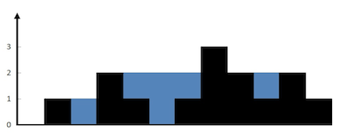
Trapping Rain Water | Between all indices, total water trapped |  | Initialize 2 pointers (left, right) at both ends, and iterate till they intersect
 |  |  | Also intialize 3 variables leftMax and rightMax, totalWater
 |  |  | if height of left > right, worry about right side
 |  |  | i.e. rightHeight > rightMax, change rightMax, else totalWater += rightMax - rightHeight
 |  |  | decrement right
 |  |  | else, similar worry for left
 |  |  | increment left

