Array
Statement | Description | Hint | Solution
MORE
2500. Delete Greatest Value in Each Row |  |  | solution
2501. Longest Square Streak in an Array |  |  | solution

152. Maximum Product Subarray |  | Intuitive | keep variables maxProduct & minProduct till now = 1, 1
 |  | find product from left and right | iterate through all elements - maxProduct = max among maxProduct * current, minProduct * current and current
 |  | and take max in each index | similarly keep track of minProduct
 |  | if zero at any point | note max in all iterations
 |  | reinitalize to 1
 |  |  | solution

53. Maximum Subarray |  |  | init max = first and sum = 0
 |  |  | iterate and add nums to sum
 |  |  | update max
 |  |  | if sum < 0 , reset to 0
 |  |  | solution

55. Jump Game |  | for jump game 2 | make last as goal
45. Jump Game II |  | use farthest from current group | iterate from last but one to 0
 |  | and from prev group | if from i we can jump to goal - make i as goal

 | Jump Game II |  | solution

698. Partition to K Equal Sum Subsets |  |  | dfs(start=0, k, target = avg i.e.(sum/k), currentSum)
 |  |  | use trackback and keep visited set
 |  |  | if k == 0 return true
 |  |  | if currentSum == taget call all over again with k-1
 |  |  | call dfs from start of each element
 |  |  | check currentSum + nums[i] before callling (should be less than target)

 |  |  | solution

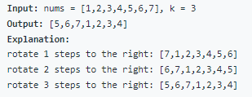
189. Rotate Array |  |  | reverse array
 |  |  | reverse 0, k-1
 |  |  | reverse k, n-1

 |  |  | solution

75. Sort Colors |  |  | declare 2 pointers zeroIndex=0, twoIndex=n-1
 |  |  | iterate while i<=twoIndex
 |  |  | if nums[i]==0, swap it with zeroIndex++ and i++, similarly twoIndex--, not i++
 |  |  | solution

496. Next Greater Element I |  | 503. Next Greater Element II | use stack to find next greater element for nums2
 |  |  | if stack is empty just add
 |  |  | else while peek element is < current, means nge of peek = current

 |  |  | solution

556. Next Greater Element III |  |  | for 3476
 |  |  | find i for which i < i+1 from right
 |  |  | find k for which k > i from right, swap i and k -> 3674
 |  |  | reverse chars from i+1 to end
 |  |  | solution

907. Sum of Subarray Minimums |  |  | for each element we should find the next least element on both sides
 |  |  | for 3 its 3 * (0-1) * (1-0)
 |  |  | for 1 its 1 * (1-(-1)) * (n-1)
 |  |  | i.e. 1 is part of sub-arrays that have elements greater than 1 on right and left

 |  |  | solution

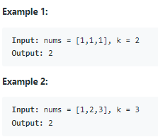
560. Subarray Sum Equals K |  | sliding window is possible if there | keep in hashMap prefix sums till now
 |  | are only positive integers | if map has sum - k then there is k possible
 |  | see second example..

 |  | if we replace map by set then it will
 |  | work for positive integers array

 |  |  | solution

1094. Car Pooling |  |  | keep an array of size 1000, add curr to arr[start], and subtract from arr[end]
 |  |  | iterate and find if at any point capacity is breached

 |  |  | solution

2099. Find Subsequence of Length K With the Largest Sum |  |  | use minHeap to store k max elements indexes
 |  |  | sort index and return val (as original order need to be maintained..)

 |  |  | copy nums & get kth largest from quick-select (copy cause quick-select will alter the order..)
 |  |  | use map to store k largest elements counts
 |  |  | iterate through nums and add them to result array

 |  |  | solution

1031. Maximum Sum of Two Non-Overlapping Subarrays |  |  | take firstLen sums starting for each element, same for secondLen
 |  |  | so, max is current sum1 + all combinations from i + firstLen in sum2, O(n^2)
 |  |  | thus keep max till end to both sum1 and sum2

 |  |  | solution

2149. Rearrange Array Elements by Sign |  | similar | if element count is not equal and order to be maintained - use merge sort

 |  |  | solution

1658. Minimum Operations to Reduce X to Zero |  |  | maximize a subarray with x = sum-x

 |  |  | solution

Dfs
Statement | Description | Hint | Solution

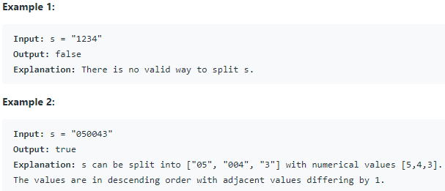
1849. Splitting a String Into Descending Consecutive Values |  |  | call dfs after each first value
 |  |  | In dfs function : iterate over each combination and call dfs if value of current long is less by 1
 |  |  | > current = Long.parseLong(s.subString(l, r)) will give exception
 |  |  | > so use current = current * 10 + (s.charAt(r) - '0')

 |  |  | solution

91. Decode Ways |  |  | dfs from first char
 |  |  | if char[i] == 0 return 0
 |  |  | if i == n return 1
 |  |  | call dfs for i+1
 |  |  | if current + next char >0 <26 call dfs for i+2

 |  |  | use dp of size n+1
 |  |  | dp[0]=1 & dp[1] = 1 if s[0] != '0'
 |  |  | iterate from 2nd char and fill dp considering i-1 & i-2 values as dfs
 |  |  | solution

Dictionary
Statement | Description | Hint | Solution

953. Verifying an Alien Dictionary |  |  | Create an array[26] and add new topological order
 |  |  | for all consecutive pairs - compare

 |  |  | solution

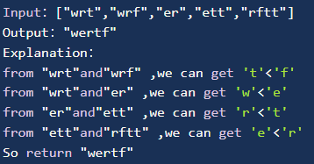
265. Alien Dictionary |  | incomplete | create adj set
892 · Alien Dictionary - Lintcode |  | premium | do dfs on keySet of adj
 |  |  | make sure to back track visited chars
 |  | Topological sorting | add char to StringBuilder and finally reverse it

 |  |  | solution

Dp
Statement | Description | Hint | Solution

1143. Longest Common Subsequence |  |  | Using dp or dfs
 |  |  | if chars at i and j are same call i-1 and j-1
 |  |  | else max between i,j-1 and j,i-1

 |  |  | solution

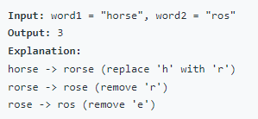
72. Edit Distance |  |  | Bottom up solution - dp[m+1][n+1]
 |  |  | both strings empty means - requires zero operations (so fill the edges)
 |  |  | while iterating - if both chars are same call next itr ([i][j] = [i+1][j+1])
 |  |  | else min of 1 + (addn : [i+1][j], deletn : [i][j+1], replace : [i+1][j+1])

 |  |  | similarly dfs

 |  |  | solution

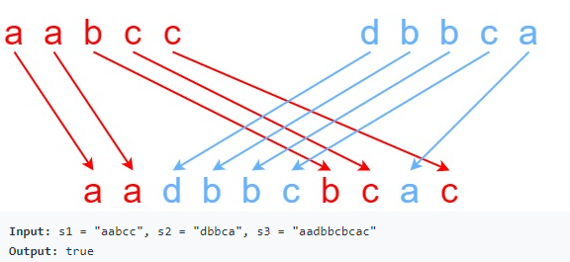
97. Interleaving String |  |  | Using dp or dfs(i, j)
 |  |  | if current i+jth element in s3 equals ith element in s1 then dfs for i+1
 |  |  | if it equals jth element in s2 then dfs for i+2
 |  |  | otherwise return false
 |  |  | edge case : if both pointers reach ends

 |  |  | solution

198. House Robber |  | In house robber 2 | dfs - Max(include current + dfs(i+2), dfs(i+1))
213. House Robber II |  | find max among -
 |  | 1. ignore 1st element | i = i + max(i-2, i-3)
 |  | 2. last element
 |  |  | currMax = max(i+rob1, rob2)
 |  |  | solution


494. Target Sum |  |  | dfs
 |  |  | use index and currentSum as key
 |  |  | endcase = if index reach end of nums , if sum == target return 1 else 0
 |  |  | call dfs for index+1 by 1) adding current num 2) subtracting current num

 |  |  | solution

70. Climbing Stairs |  |  | dfs
 |  |  | if n==1 or n==2 return n
 |  |  | else return dfs(n-1)+dfs(n-2)

 |  |  | since currWays = sum of next 2. fibonacci with 1,1 as start
 |  |  | should do fibonacci for n-1 times as for n=3, 1,1,2,3 will do
 |  |  | solution

983. Minimum Cost For Tickets |  |  | dfs
 |  | For 1, 7, 30 days | for each day try all 3 passes & return min money required using any pass to reach final index
 |  |  | for a given pass - travel through max days possible and call dfs for newIndex

 |  |  | solution

322. Coin Change |  |  | dfs
 |  |  | call dfs using current coin i.e. for the remaining amount
 |  |  | dfs over bfs because, dfs can memo the values - if we restrict the memoization the bfs is better << dp

 |  |  | solution

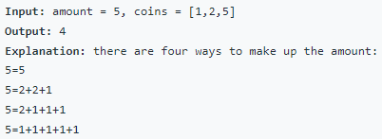
518. Coin Change 2 |  |  | For 2d DP array with size coins+1 amount+1
 |  |  | any ij = without that coin with same amount + with that coin with amount - coin (note how start from j=1

 |  |  | use 1d dp array of size amount+1
 |  |  | init dp[0] to 1
 |  |  | for each coin check if possible to make up the amount
 |  |  | (start from j=coin as all others are in place, for 2d have to copy)

 |  |  | dfs as above but keep track of current index to avoid duplicates
 |  |  | if i is passed and new for loop uses it then there is no going backwards, so no duplicates

 |  |  | solution

139. Word Break |  |  | keep dp boolean arr of size s
 |  |  | iterate s from last for each word
 |  |  | if word matches with s at current index, then dp[i] = dp[i+word.length]

 |  |  | do the same but through dfs, from top to bottom

 |  |  | solution

256· Paint House |  |  | dfs
Lintcode - 515 · Paint House |  |  | start with index = 0, prev = -1
 |  |  | end condition is to reach length of matrix
 |  |  | iterate from 0-2 and call dfs with index + 1 and prev = current among 0-2 (iff prev != current among 0-2)
 |  |  | return min

 |  |  | use dp of size 3
 |  |  | for each house take 1 color and add max among prev colors in dp
 |  |  | change dp array
 |  |  | solution

300. Longest Increasing Subsequence |  |  | dp of size n filled with 1
 |  |  | iterate from last i
 |  |  | iterate from i to end - if j > i dp at i = max at i or 1+j => return max among dp

 |  |  | difficult

 |  |  | solution

120. Triangle |  |  | iterate from last but 1 row
 |  |  | add min of current and next value from next row
 |  |  | return first element

 |  |  | else similarly do dp of 1d or 2d array

 |  |  | solution

279. Perfect Squares |  |  | use dp of size n+1
 |  |  | fill all with n and 0 with 0
 |  |  | iterate through all elements to find min combination for each
 |  |  | for each square posiible within i
 |  |  | dp[i] = min(dp[i], dp[i-square])

 |  |  | solution

115. Distinct Subsequences |  |  | dfs
 |  |  | start from 0,0
 |  |  | if t is at end return 1
 |  |  | if s is at end return 0
 |  |  | if current 2 chars are same call i+1, j+1 and get count
 |  |  | also get count for i+1, j

 |  |  | solution

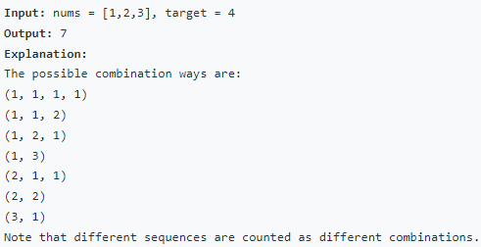
377. Combination Sum IV |  |  | dfs
 |  |  | start from 0, 0
 |  |  | for every num start over from start = 0, as even for start = 3 we need 1
 |  |  | return 1 if target == 0
 |  |  | return 0 if target < 0

 |  |  | dp[target]
 |  |  | dp[0] = 1
 |  |  | for each i : target:
 |  |  | for each num : if i >= num i += dp[i-num]

 |  |  | solution

312. Burst Balloons |  |  | permutations - timeout
 |  |  | call backtrack
 |  |  | start from 0 all the time
 |  |  | use a set to track used ones

 |  | using map for memo won't work - timeout | create copy with edges as 1
 |  |  | use recursion
 |  |  | for each start and end assume they are last balloons - burst them and recurse for other ones

 |  |  | solution

1911. Maximum Alternating Subsequence Sum |  |  | dfs
 |  |  | start from 0,isEven = true
 |  |  | keep track of even and odd - 0,0 start will be even
 |  |  | call dfs using current and not using current

 |  |  | solution

416. Partition Equal Subset Sum |  |  | find total sum
 |  |  | using dfs find if sum/2 can be formed

 |  |  | use set as dp
 |  |  | add element and sum to prev elements as well
 |  |  | if set at any point has sum/2 then return true

 |  |  | solution

691. Stickers to Spell Word |  |  | keep char count of each sticker
 |  |  | use dfs
 |  |  | use 1 sticker and add 1 to count if used sticker had any chars
 |  |  | call 1 + dfs with min recorded

 |  |  | solution

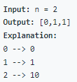
338. Counting Bits |  |  | dp
 |  |  | i = i/2 + (i & 2)

 |  |  | solution

1553. Minimum Number of Days to Eat N Oranges |  |  | use dfs
 |  |  | if n <= 2 return 2
 |  |  | memo = n -> 1 + Math.min(n%2 + dfs(n/2), n%3 + dfs(n/3))
 |  |  | not using n-1 because above will do that
 |  |  | as n%2 -> 1 if odd to get it to divisible by 2
 |  |  | and n%3 -> 2 if odd to get divisible by 3

 |  |  | solution

64. Minimum Path Sum |  |  | dfs
 |  |  | start from 0,0
 |  |  | call dfs for down and left
 |  |  | return current + min of two
 |  |  | edge case - return last if reached
 |  |  | solution

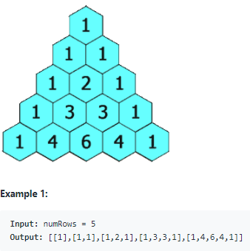
118. Pascal's Triangle |  |  | add 1 to start
 |  |  | from index 1 add current and next
 |  |  | use the list

 |  |  | solution

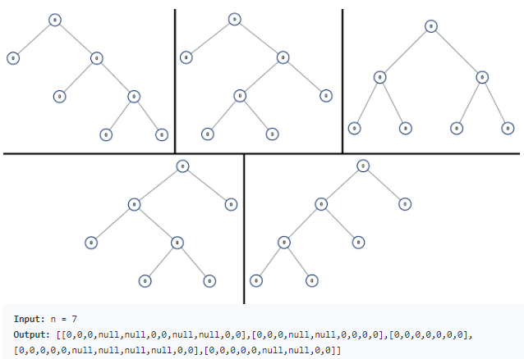
894. All Possible Full Binary Trees |  |  | use dfs
 |  |  | if n == 0 return empty list
 |  |  | if n == 1 return list with 1 node
 |  |  | if n == odd :
 |  |  | for 0 - n-1 => left = i, right = n - i - 1 as 1 will be root
 |  |  | call dfs for both left and right and add them to node

 |  |  | solution

746. Min Cost Climbing Stairs |  |  | dfs
 |  |  | call for min of len-1 and len-2
 |  |  | if n < 0 return 0
 |  |  | if n is 0 or 1 => return cost[n]
 |  |  | dfs for cost[n] + min (n-1, n-2)

 |  |  | solution

877. Stone Game |  |  | task is to find if alice gets > sum/2
 |  |  | call dfs with i=0 and j=n-1
 |  |  | if i > j return 0
 |  |  | declare a boolean isAliceTurn = (j - i + 1)%2 == 0
 |  |  | if alice turn call dfs using first element and last element => return max among them

 |  |  | solution

309. Best Time to Buy and Sell Stock with Cooldown |  |  | dfs
 |  |  | call with start and isBuy as boolean
 |  |  | if isBuy
 |  |  | minus current + dfs for start+1, not Buy or buy at next
 |  |  | else sell at here
 |  |  | plus current + dfs for start + 2 as cooldown requires a gap or sell at next
 |  |  | solution

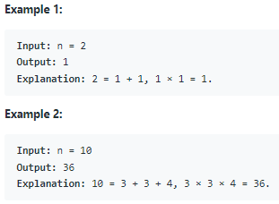
343. Integer Break |  | n == 3 => 2 | dfs
 |  | n == 10 => 3 + 3 + 3 | for each i < n call dfs for i and n - i
 |  | while n changes from initial value we can keep
 |  | min as n (we don't have to split it)

 |  |  | solution

122. Best Time to Buy and Sell Stock II |  |  | iterative
121. Best Time to Buy and Sell Stock |  |  | if next is greater than current, add next and subtract current to profit

 |  |  | solution

Graph
Statement | Description | Hint | Solution

Links: | https://leetcode.com/list/53js48ke/

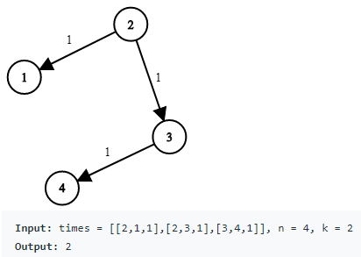
743. Network Delay Time |  |  | create adjacent list using as map v1 -> [(v2, w)]
 |  |  | use minHeap (wrt weight) and add src vertex
 |  |  | while heap is empty remove top element and add its adj nodes
 |  |  | for normal dijkstra's we compare dest if removed node is destination
 |  |  | but here keep noting the max weight and visit all vertexes

 |  |  | solution

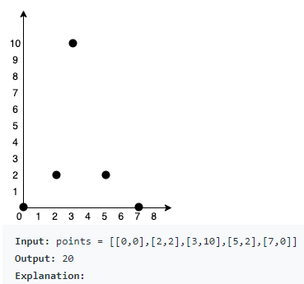
1584. Min Cost to Connect All Points |  |  | Prims algorithm
 |  |  | consider each point as vertex
 |  |  | add cost every time a new vertex comes out of minHeap

 |  |  | solution

178 · Graph Valid Tree |  |  | dfs from starting vertex
 |  |  | if ever a vertex is visited again return false - (handle prev vertex) - cycle detection
leetcode |  |  | for each neighbour call dfs
 |  |  | if visited size is not == n then return false - as it will not be connected graph

 |  |  | solution

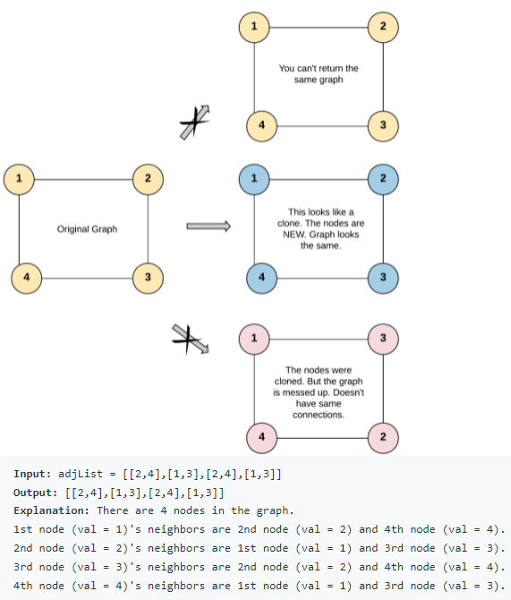
133. Clone Graph |  |  | dfs
 |  |  | copy node and store it in hashmap as value with key as original node
 |  |  | and do this recursively for all neighbors

 |  |  | solution

207. Course Schedule |  |  | dfs
 |  |  | create adj list - graph is directed
 |  |  | keep a visited set
 |  |  | for each book as start, do dfs
 |  |  | if any node is visited twice return false - loop means not possible to read all books
 |  |  | finally if there's no loop then return true

 |  |  | solution

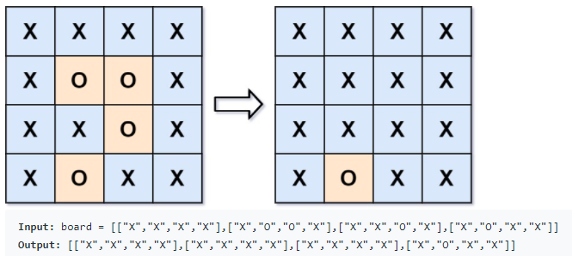
130. Surrounded Regions |  |  | do dfs on border cells - change all O linked cells to Temp T
 |  |  | then change remaining O to X and T to O
 |  |  | this works because, any O not surrounded by border O then its surrounded by X

 |  |  | solution

127. Word Ladder |  |  | use BFS
 |  |  | create a transformed set - init with beginWord
 |  |  | find all transforms of current transformed set - i.e. a-z for all indexes
 |  |  | if any transform is in wordSet add it to newTransform set - which we'll point to ald transform set after checking for all
 |  |  | do this till we find endWord in transform set or newTransform is empty

 |  |  | solution

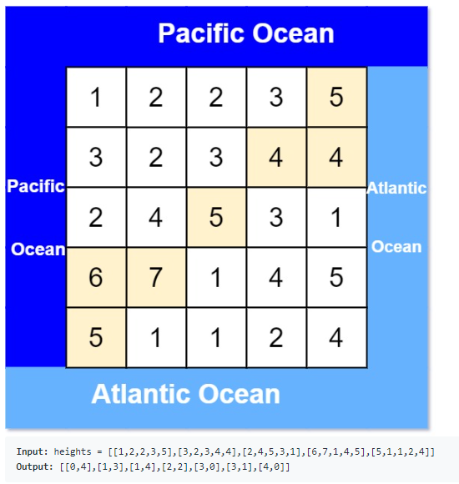
417. Pacific Atlantic Water Flow |  |  | dfs
 |  |  | start from 4 sides and add if any cells reach pacific or atlantic
 |  |  | i.e. dfs from 0th row will find all cells reaching pacific
 |  |  | add cells to pacific set

 |  |  | finally take conjunction of pacific and atlantic set

 |  |  | solution

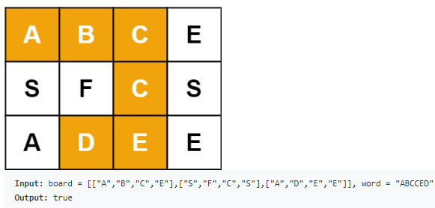
79. Word Search |  |  | iterate m*n indexes to find first match
 |  |  | if first matched find dfs with idx = 0, i=0, j=0
 |  |  | dfs
 |  |  | if idx == word.length return true
 |  |  | if inbounds and char at i,j != word[idx] return true
 |  |  | call dfs on all 4 sides (make word[i][j] = ' ' before and set later - backtrack to avoid loop or false positive)

 |  |  | solution

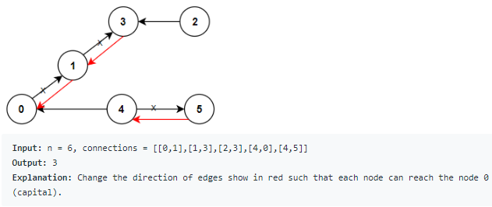
1466. Reorder Routes to Make All Paths Lead to the City Zero |  |  | create adj with 1 -> 2 means 1 to 2 ans 2 -> -1 means 1 to 2
 |  |  | call dfs v=0 with visited set
 |  |  | if visited return 0
 |  |  | else
 |  |  | add current vertex to visited
 |  |  | for all its neighbours
 |  |  | add 1 to changed if they are in positive (because we are moving far from 0 -> positive means should change direction)
 |  |  | call dfs for neighbor

 |  |  | solution

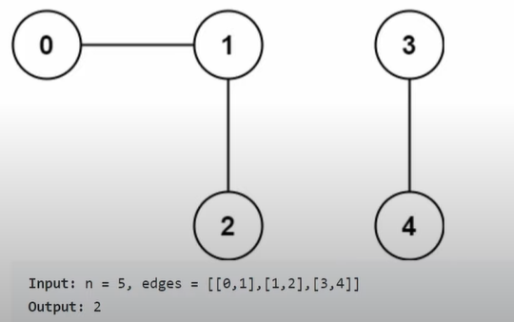
323. Number of Connected Components in an Undirected Graph |  | similar problem | graph traversal
In hacker earth |  | 684. Redundant Connection | create adj list
 |  | solution | for each vertex dfs and visit all neighbors, count++

 |  |  | union find
 |  |  | create a parent array with size n. initially, value = index (each element is its own parent)
 |  |  | create rank array init to 1 (no parent has any child)
 |  |  | for each node do union
 |  |  | union - find parent of both vertexes
 |  |  | if not equal - make one with higher rank parent of other, return 1 (means no common nodes)
 |  |  | else return 0

 |  |  | solution

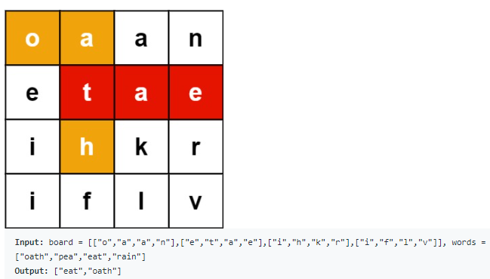
212. Word Search II |  |  | create Trie for all words
 |  |  | for each letter in matrix call dfs
 |  |  | dfs i, j, str=""
 |  |  | return if not inbounds or current char is *
 |  |  | add current char to str
 |  |  | return if trie doesn't have str, add to res if str is present
 |  |  | recurse all 4 sides (trackback with * for avoiding cycles)

 |  |  | solution

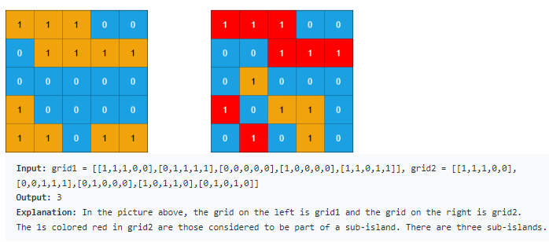
1905. Count Sub Islands |  |  | start dfs if grid2 has 1 and non-visited
 |  |  | dfs i, j
 |  |  | if out of bounds or grid2[i][j] == 0 return true
 |  |  | since grid2 has 1, if grid1 has 0 return false
 |  |  | do dfs on 4 sides completely as we want to cover all indexes

 |  |  | solution

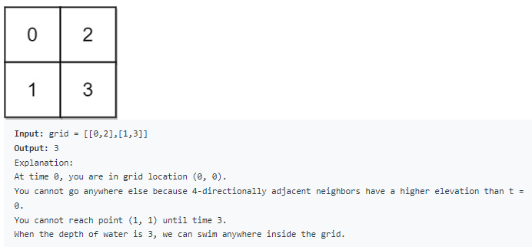
778. Swim in Rising Water |  |  | use priority queue -minHeap (maxElevation, row, col)
 |  |  | while queue is not empty
 |  |  | remove top
 |  |  | add from all its 4 directions - (maxtillNow, nextrow, nextcol) - check outofbounds before adding
 |  |  | endcase
 |  |  | if row & col reach n-1, n-1 then return weight

 |  |  | solution

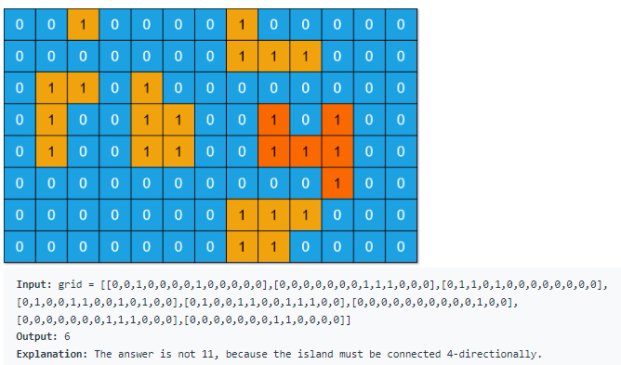
695. Max Area of Island |  |  | dfs if i,j == 1
 |  |  | init area = 1, make current cell as 0 (instead of using visited cache)
 |  |  | call dfs on 4 sides and add to area

 |  |  | solution

994. Rotting Oranges |  |  | bfs
 |  |  | add current fresh and rotten ones to 2 sets
 |  |  | while fresh are empty - for each minute take out possible fresh getting rotten from current rotten
 |  |  | newRotten becomes rotten now
 |  |  | at any point if newRotten is empty - means some fresh cannot be rotten

 |  |  | solution

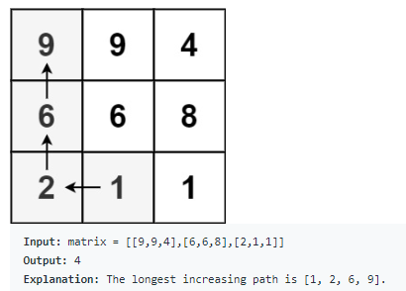
329. Longest Increasing Path in a Matrix |  |  | iterate all indices
 |  |  | dfs i, j, prev = -1
 |  |  | if out of bounds or current <= prev, return 0
 |  |  | if cached return
 |  |  | init max = 1, find the max on 1 + all 4 directions

 |  |  | solution

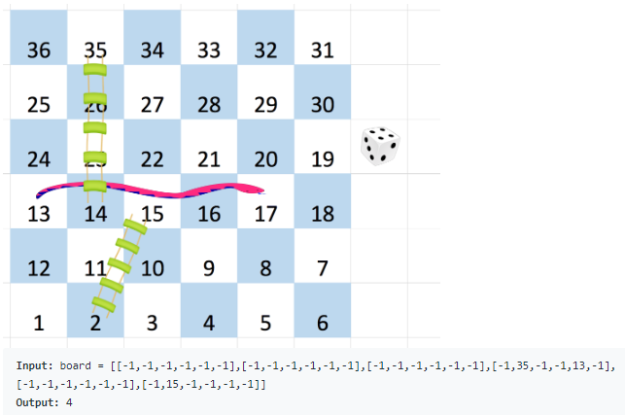
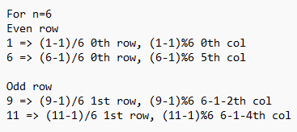
909. Snakes and Ladders |  |  | bfs
 |  |  | use queue [currentSquare, jumps]
 |  |  | init with [1, 0]
 |  |  | while queue is not empty - while adding all next 6 combinations, check
 |  |  | if not reached n^2
 |  |  | if ladder or snake
 |  |  | if not visited add next ones

 |  |  | solution

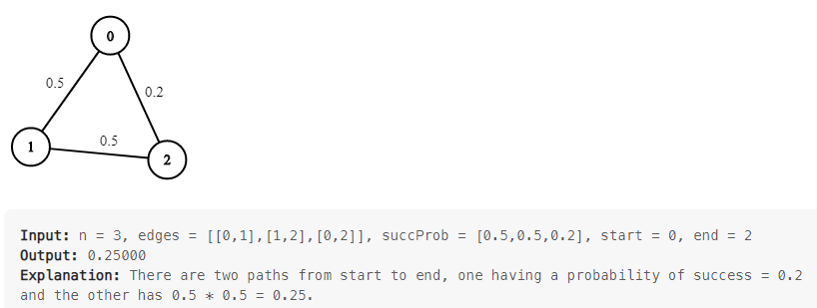
1514. Path with Maximum Probability |  |  | add start to maxHeap with probability 1 (cause we can multiply with other probabilities)
 |  |  | iterate to other neighbors
 |  |  | if met with end update res if greater then prev
 |  |  | do it till heap is empty

 |  |  | solution

Linked list
Statement | Description | Hint | Solution

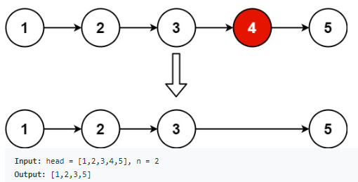
19. Remove Nth Node From End of List |  |  | add a temp node pointing to head
 |  |  | resursively iterate till u get null
 |  |  | keep a count till n+1 from tail
 |  |  | remove the node at count = n+1

 |  |  | solution

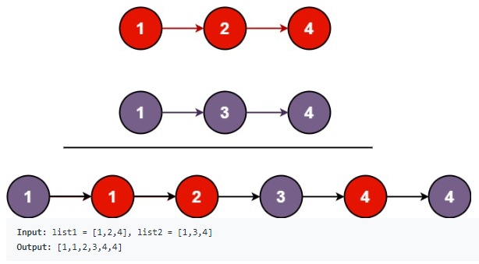
21. Merge Two Sorted Lists | Return any one of given lists, and not the new one |  | Recursive
 |  |  | if l1.val > l2.val, l2.next is recursive result of l1 and l2.next, return l2
 |  |  | similarly if l2.val > l1.val …
 |  |  | end condition:
 |  |  | if l1 is null return l2
 |  |  | if l2 is null return l1

 |  |  | Iterative
 |  |  | create preHead
 |  |  | create last pointing to preHead
 |  |  | iterate while l1 and l2 are null
 |  |  | if l1.val > l2.val, last.next = l2, l2 = l2.next
 |  |  | else reverse thing
 |  |  | last = last.next
 |  |  | After while loop, if l1 is null then last.next = l2, otherwise l1
 |  |  | return preHead.next

 |  |  | solution

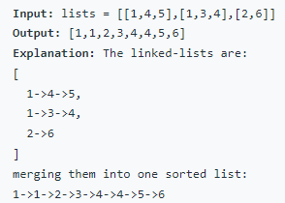
23. Merge k Sorted Lists |  |  | Create priorityQueue of type listNode and length n and Comparator.comparing(listNode -> listNode.val)
 |  |  | create dummyHead, and lastNode pointing to dummyHead
 |  |  | add all heads which are not null
 |  |  | while queue is not empty
 |  |  | > pop from queue append to lastNode, lastNode = lastNode.next (now lastNode is node that's popped)
 |  |  | > if lastNode.next is not null add it to queue
 |  |  | return dummyHead.next

 |  |  | solution

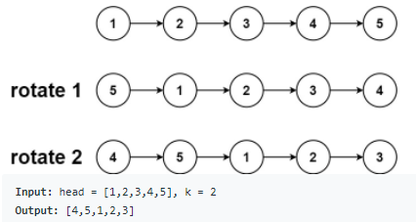
61. Rotate List |  |  | If head or head.next is null, return null
 |  |  | create dummyHead
 |  |  | create slow and fast pointing to dummyHead
 |  |  | > count length, so fast pointer at lastNode
 |  |  | len - k % len times slow will move forward
 |  |  | operate rotation at that point

 |  |  | solution

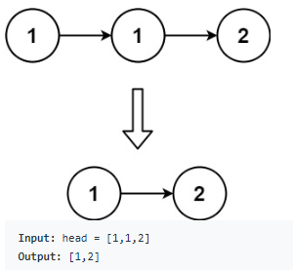
83. Remove Duplicates from Sorted List |  |  | Iterative
 |  |  | Declare and assign ListNode current to head
 |  |  | while current is not null
 |  |  | > if current.next is null, break
 |  |  | > if current.val = current.next.val, current.next = current.next.next
 |  |  | > else current = current.next
 |  |  | return head

 |  |  | solution

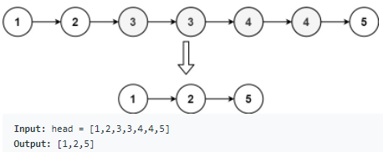
82. Remove Duplicates from Sorted List II |  | Move slow and fast till there are duplicates | Create a ListNode preHead and slow node pointing to preHead
 |  | When u reach duplicates, move fast till u reach - | create fast node pointing to head
 |  | end of duplicates | while fast is not null
 |  |  | > while fast and fast.next are not same, move fast
 |  |  | > if slow.next != fast, slow.next = fast.next and fast = fast.next
 |  |  | > else move slow and fast

 |  |  | solution

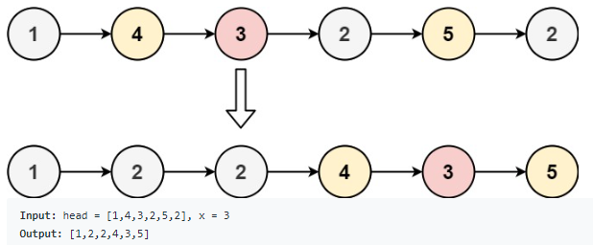
86. Partition List |  |  | Create a preHead, and slow node pointing to it
 |  |  | create fast node pointing to head
 |  |  | move fast node till we find element greater than x, slow as its previous node
 |  |  | here we'll append all nodes smaller than x to slow node
 |  |  | i.e.
 |  |  | while fast != null && fast.next != null
 |  |  | > if(fast.next.val < x) then move fast.next node to slow.next
 |  |  | > else fast = fast.next

 |  |  | solution

234. Palindrome Linked List |  |  | reverse send half and keep half count
 |  |  | till half count reach 0, compare start and end & halfCount--

 |  |  | solution

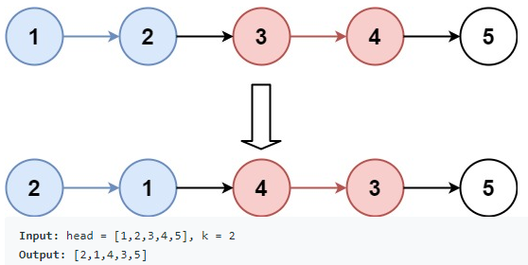
25. Reverse Nodes in k-Group |  |  | We reverse k at a time and append to head the next k reversed nodes
 |  |  | since last few nodes if less than k will be reversed too
 |  |  | we monitor and reverse last few once more, i.e. reverse + reverse = original..

 |  |  | solution

Math
Statement | Description | Hint | Solution

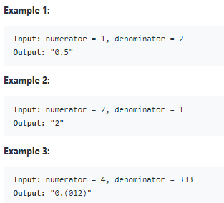
166. Fraction to Recurring Decimal |  |  | keep doing divide and mod till numerator is 0
 |  |  | for recurring decimal keep hashmap of numerator to index after decimal
 |  |  | if numerator repeats means there is recurrence
 |  |  | numerator and denominator should be converted to long

 |  |  | solution

50. Pow(x, n) |  | interviewbit | if n == even call pow(x*x,n/2) else x * pow(x*x, n/2)

 |  |  | solution

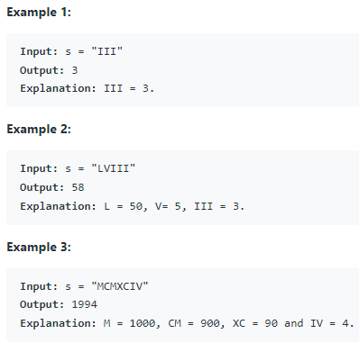
13. Roman to Integer |  |  | for all consecutive pairs
 |  |  | if i < i+1, res-=i
 |  |  | finally add last element

 |  |  | solution

Matrix
Statement | Description | Hint | Solution

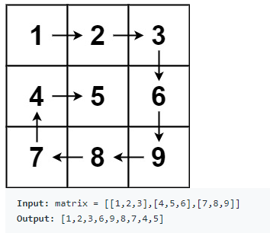
54. Spiral Matrix |  |  | initialize directions array, and a visited array
 |  |  | traverse m*n times
 |  |  | if next row is inbounds && not visited increment row from direction array
 |  |  | else change the direction (d+1) % 4

 |  |  | solution

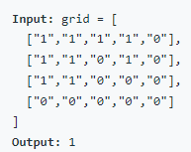
200. Number of Islands |  |  | dfs
 |  |  | if any index has 1 - do dfs starting from that and count++

 |  |  | solution

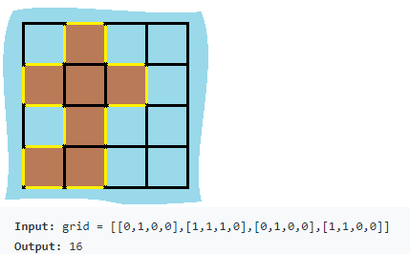
463. Island Perimeter |  |  | if for any land start dfs
 |  |  | keep a visited set to keep track of visited land
 |  |  | if we find any water or out of bounds index return 1
 |  |  | else keep dfs'ing in 4 directions

 |  |  | solution

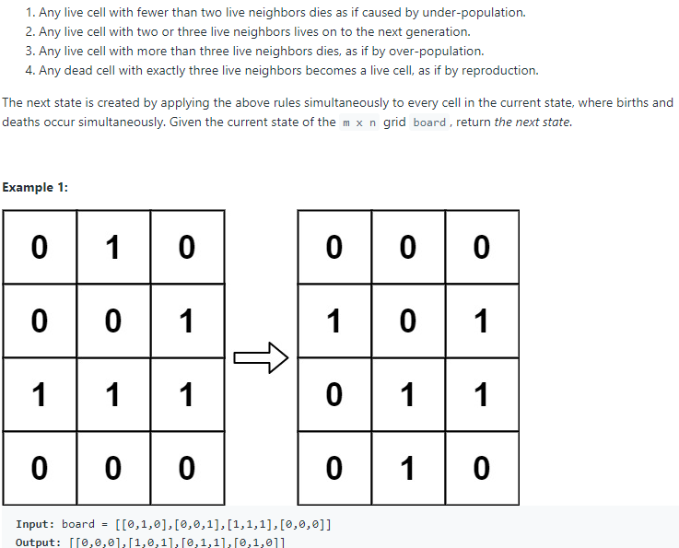
289. Game of Life |  |  | count live neighbors
 |  |  | just temporarily map 00->0, 10->1, 01->2, 11->3

 |  |  | solution

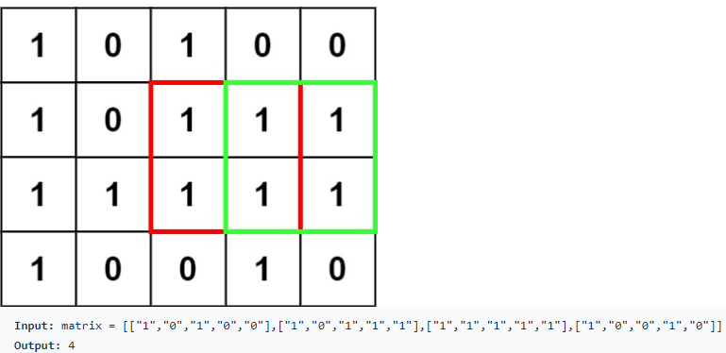
221. Maximal Square |  |  | Bruteforce - (mn)^2
 |  |  | if a cell is 1 start finding current max for it
 |  |  | start with curr = 1
 |  |  | for row check last columns, and for column check last rows
 |  |  | if last rows & columns are 1's then curr++, till they are 1's
 |  |  | note the max

 |  |  | use dp[m+1][n+1]
 |  |  | start from 1 - mn
 |  |  | max = min(m-1,n-1 && m-1,n && m,n-1) + 1 if current == 1
 |  |  | note the max as well

 |  |  | solution

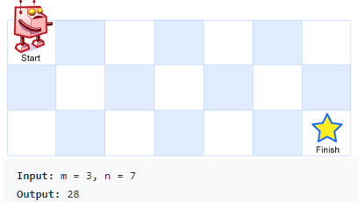
62. Unique Paths |  |  | dfs
 |  |  | start from 0, 0
 |  |  | end case to reach m-1, n-1
 |  |  | return dfs for (i+1,j) + (i, j+1)

 |  |  | solution

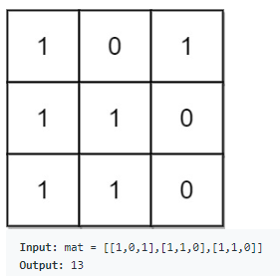
1504. Count Submatrices With All Ones |  |  | find histogram possible at each row
 |  |  | find corresponding array subArray minimums

 |  |  | solution

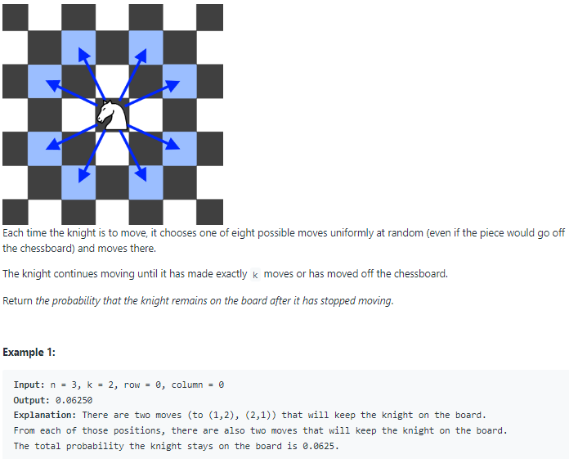
688. Knight Probability in Chessboard |  |  | there will be 8^k steps possible
 |  |  | dfs(k, r, c)
 |  |  | if outofbounds return 0
 |  |  | if k == 0 return 1
 |  |  | dfs in 8 directions like r+2, c+1 …

 |  |  | solution

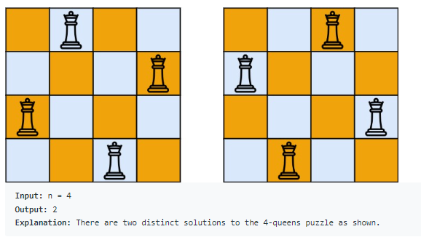
52. N-Queens II |  |  | start dfs from row=0
 |  |  | if row reaches n return 1
 |  |  | for each column
 |  |  | if col is used or diagonal1 is used or diagonal2 is used continue
 |  |  | backtrack with set for col, row-col, row+col (row-col is same for d1 and r+c is same for d2)
 |  |  | dfs with r+1

 |  |  | solution

Queue
Statement | Description | Hint | Solution

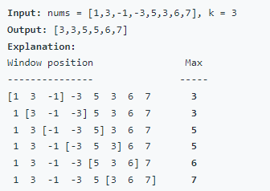
239. Sliding Window Maximum |  |  | Use a queue
 |  |  | while adding current element index:
 |  |  | > make sure previous elements in queue are not greater than current
 |  |  | > make sure elements out of window doesn't exist
 |  |  | add element
 |  |  | thus element at end of queue that remained is always max of current window

 |  |  | solution

752. Open the Lock |  |  | BFS
 |  |  | put each up and down combinations for current batch into queue
 |  |  | and cnt++

 |  |  | solution

295. Find Median from Data Stream |  |  | Declare max heap and min heap to store first half and second half of sorted array

 |  |  | solution

Rain water trap
Statement | Description | Hint | Solution

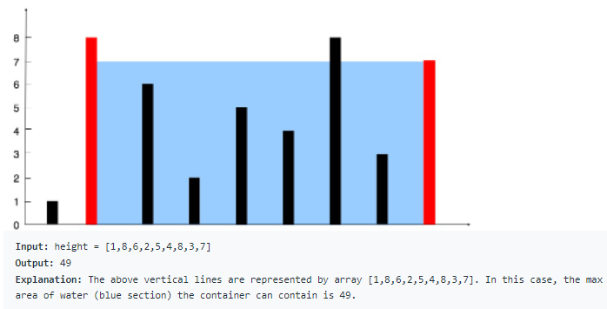
11. Container With Most Water | Between which 2 indices, do most water is trapped | move to the direction which has higher height | Initialize 2 pointers (left, right) at both ends, and iterate till they intersect
 |  | and note the area all along the way | if height of left > right, current area = (right - left) * rightHeight && decrement right
 |  |  | else inverse (increment left)
 |  |  | >> note max area all the time

 |  |  | solution

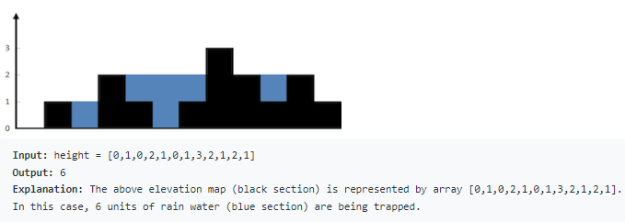
42. Trapping Rain Water | Between all indices, total water trapped |  | Initialize 2 pointers (left, right) at both ends, and iterate till they intersect
 |  |  | Also intialize 3 variables leftMax and rightMax, totalWater
 |  |  | if height of left > right, worry about right side
 |  |  | i.e. rightHeight > rightMax, change rightMax, else totalWater += rightMax - rightHeight
 |  |  | decrement right
 |  |  | else, similar worry for left
 |  |  | increment left

 |  |  | OR

 |  |  | array a = Total water stored assuming right end has infinity
 |  |  | array b = similarly with left end has infinity
 |  |  | Min(a, b)

 |  |  | solution


84. Largest Rectangle in Histogram |  |  | Use a stack
 |  |  | create monotonous increasing stack
 |  |  | > if current element is greater than previous - just add it to stack with its index
 |  |  | else remove, calculate area - and add current element with last removed elements index
 |  |  | > at end stack will have only elements that are increasing - so width will be till end always..

 |  |  | 1) if stack is empty, add index into stack
 |  |  | if current is greater than previous in stack, keep adding
 |  |  | 2) if current is less than previous in stack, remove and calculate previous results
 |  |  | > empty stack while calculating previous results mean: previous index forms its max possible rectangle
 |  |  | > non-empty stack means previous in stack forms rectangle till current
 |  |  | 3) if stack is non-empty and array end is reached, calculate till stack is empty

 |  |  | solution


85. Maximal Rectangle | Maximum rectangle in the matrix |  | create an empty array
 |  |  | add current row to array - make row with zero, zero in the array
 |  |  | find max rectangle in the array
 |  |  | do it for all rows

 |  |  | solution

Stack
Statement | Description | Hint | Solution


853. Car Fleet |  |  | sort positions in desc (take care of order of speed by pair), because farthest car cannot be crossed
 |  |  | take the times taken by each car
 |  |  | add current car to stack if car next to it reaches before

 |  |  | note: while dividing distance by speed, make sure speed is in double

 |  |  | solution

402. Remove K Digits |  | 12345 means remove from last | Use monotonic increasing stack
 |  | 54321 means remove from first | ie. If number is increasing than previous in stack just add to stack
 |  |  | else keep removing till k > 0 and previous is greater
 |  |  | finally remove last ones if k still > 0

 |  |  | solution

71. Simplify Path |  |  | split by /
 |  |  | if dir is .. and non empty stack - pop
 |  |  | else if dir not in . .. Or '' add to stack

 |  |  | solution

735. Asteroid Collision |  |  | if prev is +ve i.e. right and curr is -ve left
 |  |  | then - if both equal pop one and change curr to 0 to get out of while loop, ~ for sum < 0 and > 0
 |  |  | else just add curr
 |  |  | solution

1856. Maximum Subarray Min-Product |  |  | monotonic incr stack [value, index]
 |  |  | if current element not > peek
 |  |  | then pop last find msmp that it's part of, prefixSum(i-j) * val
 |  |  | find max among remaining elements in stack

 |  |  | solution

901. Online Stock Span |  |  | monotonic decreasing stack
 |  |  | stack [value, span]
 |  |  | if empty add to stack with span as 1
 |  |  | else pop till peek > current, and add its span to current-span

 |  |  | solution

150. Evaluate Reverse Polish Notation |  |  | stack
 |  |  | add if operand
 |  |  | else pop 2 and perform operation
 |  |  | solution

895. Maximum Frequency Stack |  |  | use val to count map
 |  |  | and count to stack of values map

 |  |  | solution

1209. Remove All Adjacent Duplicates in String II |  |  | keep track of char count till now in stack
 |  |  | if count till now is k-1 and current char is same as prev pop else just add this

 |  |  | solution

456. 132 Pattern |  |  | Use monotonic decreasing stack
 |  |  | keep val along with minTillNow

 |  |  | solution

String
Statement | Description | Hint | Solution

5. Longest Palindromic Substring |  |  | iterate all chars with for loop
 |  |  | with current middle as odd palindrome - find max possibe
 |  |  | same with even

 |  |  | solution

10. Regular Expression Matching |  |  | dfs
 |  |  | start from i and j
 |  |  | end cases - if j reach end i should be at end
 |  |  | check first match for char and .
 |  |  | if wildcard matches i.e j+1 is *, then either use first match or else don't use wildcard
 |  |  | else check first match and use both chars

 |  |  | solution


224. Basic Calculator |  |  | while loop till the end
 |  |  | if char is digit collect the number, put total += sign * number
 |  |  | if + sign = 1, if - sign = -1
 |  |  | if ( put current total to stack, and sign before (
 |  |  | if ), pop sign and multiply by current total (i.e. total in parenthesis)
 |  |  | then pop old total and add it to current total

 |  |  | solution


227. Basic Calculator II |  |  | if prev operator is + or -, push num with sign to stack
 |  |  | if prev operator is * or /, push solved expression to stack

 |  |  | solution


1268. Search Suggestions System |  |  | keep maxHeap
 |  |  | for each letter from searchWord iterate compare through products
 |  |  | and add to maxHeap with maxSize == 3

 |  |  | solution

1408. String Matching in an Array |  |  | join words by " "
 |  |  | for each word if first index and last index are different then add to list

 |  |  | solution

1415. The k-th Lexicographical String of All Happy Strings of Length n |  |  | backtrack with prev and get all combinations, return k-1 index from list

 |  |  | since each char has 2^n-1 strings that start with
 |  |  | build such that if k is <= first 2^n-1 then it's 'a' else b..
 |  |  | call recusively with k changing to k - (window - step)

 |  |  | solution

443. String Compression |  |  | iterate from i=0
 |  |  | let j=i, till chars[i]==chars[j] i++
 |  |  | then process current i and j

 |  |  | solution

696. Count Binary Substrings |  |  | add groups of current consecutive chars
 |  |  | for each pair of groups add min to sum

 |  |  | solution

2531. Make Number of Distinct Characters Equal |  |  | count distinct chars
 |  |  | for all 26 permutations, i from word1 and j from word2
 |  |  | swap if word2 has 0 i's and word1 0 j's
 |  |  | swap if word2 has 1 j's and word1 1 i's

 |  |  | solution

Tree
Statement | Description | Hint | Solution


96. Unique Binary Search Trees |  |  | consider each node as root
 |  |  | so use dp = array list
 |  |  | 0=>1 & 1=>1
 |  |  | iterate to fill dp from 2 - n
 |  |  | for any n - find combinations by putting some on left and n - some -1 on right

 |  |  | solution


235. Lowest Common Ancestor of a Binary Search Tree |  |  | recursion
 |  |  | if both are less than root, recursive call to left
 |  |  | if both are greater, recursive call to right
 |  |  | else return root

 |  |  | solution


236. Lowest Common Ancestor of a Binary Tree |  |  | recursive - dfs
 |  |  | if root is null or == left or == right, return root
 |  |  | take recursive result from left and right
 |  |  | if both are not null then return root
 |  |  | else return which is not null

 |  |  | iterative
 |  |  | create parent map till we have both elements parents
 |  |  | for p add all parents till root to a set
 |  |  | for q iterate till set has ancestor

 |  |  | solution


2096. Step-By-Step Directions From a Binary Tree Node to Another |  |  | get root to start node and left node routes
 |  |  | trim prefix till lowest common ancestor
 |  |  | replace trimmed root to start string with U
 |  |  | and append trimmed root to dest string

 |  |  | solution


98. Validate Binary Search Tree |  |  | dfs (max, min)
 |  |  | if root is null return true
 |  |  | if currNode.val < min or > max, return false
 |  |  | call dfs for left and right

 |  |  | solution


1448. Count Good Nodes in Binary Tree |  |  | dfs root, maxInPath = Integer.MIN_VALUE
 |  |  | if root is null return 0
 |  |  | else return 1 if root.val >= maxInPath else 0, and sum dfs of left and right children

 |  |  | solution


105. Construct Binary Tree from Preorder and Inorder Traversal |  |  | iterate from preorder arr
 |  |  | use inorder arr to keep track of number of nodes in left and right subtree
 |  |  | dfs 0, n-1
 |  |  | call dfs for left and right tree

 |  |  | solution


863. All Nodes Distance K in Binary Tree |  |  | get parent map from dfs
 |  |  | do bfs using queue till k==0

 |  |  | solution


Inorder Successor in BST |  |  | use queue to do inorder traversal
leetcode-premium |  |  | return next element when you get x while iterating - O(n) so bad, expected O(logn)

 |  |  | if x has right child then -
 |  |  | move 1 right and return left most child
 |  |  | else -
 |  |  | return latest left most while iterating from the root to x

 |  |  | solution

173. Binary Search Tree Iterator |  |  | inorder traversal - iterative


 |  |  | solution


114. Flatten Binary Tree to Linked List |  |  | iterate and put all nodes in queue using pre-order traversal
 |  |  | remove one by one and set prev right to curr & prev left to null

 |  |  | before recursively calling the flatten method, store left and right node references and assign left to null
 |  |  | after recursion
 |  |  | assign right to left
 |  |  | iterate till end from root towards right till null
 |  |  | assign right to right

 |  |  | solution


987. Vertical Order Traversal of a Binary Tree |  |  | keep minHeap and add all indexes recursively
 |  |  | then while removing, add elements to map of list column/line wise
 |  |  | return list of elements from -1 to -2

 |  |  | solution


297. Serialize and Deserialize Binary Tree |  |  | append values in pre-order, with null values as #
 |  |  | while deserializing if # return null, else recusively call left and right

 |  |  | solution


450. Delete Node in a BST |  |  | first iterate till node of interest since its BST recursively
 |  |  | if left node is null, return right
 |  |  | if right is null return left
 |  |  | if both are there -
 |  |  | => iterate to min element on right side
 |  |  | => copy its value to root
 |  |  | => delete min element recursively

 |  |  | solution


1038. Binary Search Tree to Greater Sum Tree |  |  | reverse inorder traversal
 |  |  | and just keep adding global variable to curr value, and update curr value

 |  |  | solution

