Sheet1
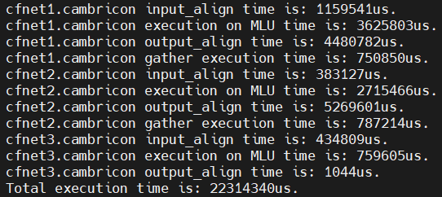
cfnet1 | input_align | 1159541us
 | forward1 | 3625803us
 | output_align | 4480782us
 | gather | 750850us

cfnet2 | input_align | 383127us
 | forward2 | 2715466us
 | output_align | 5269601us
 | gather | 787214us

cfnet3 | input_align | 434809us
 | forward3 | 759605us
 | output_align | 1044us

sum |  | 20367842us
true_total |  | 22314340us

