Sheet1
角色 | 左上角Tips | 图片 | 详细描述
Chaerin | Chaerin’s Profile Updates. | Chaerin_1 | Chaerin Eun, the female protagonist of a romance novel. Jeha Yu is the love interest of the novel she’s in. | 场景一
Jeha | Jeha's Profile Updates. | Jeha_1 | Jeha Yu, Male Lead of a romance novel and Chaerin’s love interest.
1. Rina Song 2. Se-Eun Ham 3. Mihui Yang | 字体加粗：Nurse’s note of list of infected students and times with symptoms. | Rina Song用图片Rina 其余两个用unknown_1 | 无 | 场景二
Se-Eun Ham | Se-Eun’s profile updates. | unknown_1 | She is in the library.
Se-Eun Ham | Se-Eun’s profile updates. | unknown_1 | 1. She is in the library. 2. Se-Eun has bracelet. 3. She is in the gym.
Mihui Yang | Mihui Yang’s profile updates. | unknown_1 | Mihui has bracelet.
Mihui Yang | Mihui Yang’s profile updates. | Mihui_1 | Mihui has bracelet.

道具名称 | 左上角Tips | 图片 | 详细描述
first_note | Backpack item First Note updates. | 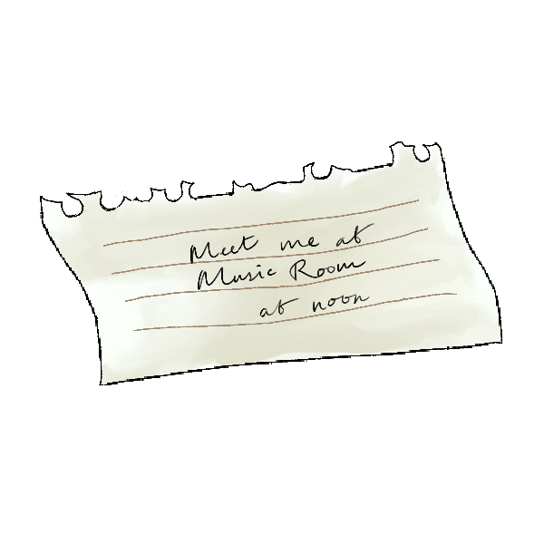 | Meet me in the music room at noon. | 场景一
bracelet | Backpack item Bracelet updates. | 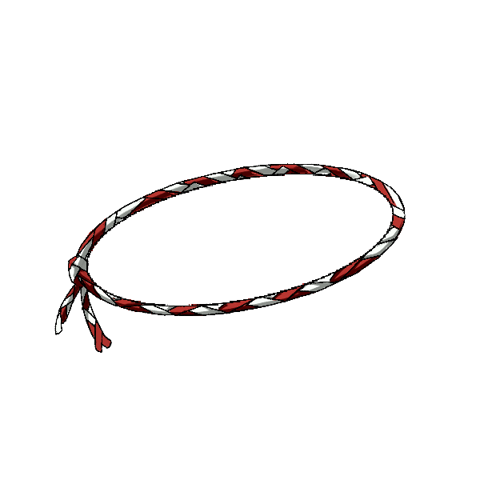 | XXX | 场景二
clue_note | Backpack item Clue Note updates. |  | The Zombie Outbreak at school started with students getting bitten on the bus. The bitten students go to the nurse’s office after getting off the bus.
first_aid_kit | Backpack item Medical Kit updates. |  | Can be used to save one classmate.
bat | 字体加粗：Item Found Baseball Bat, added to bag. | 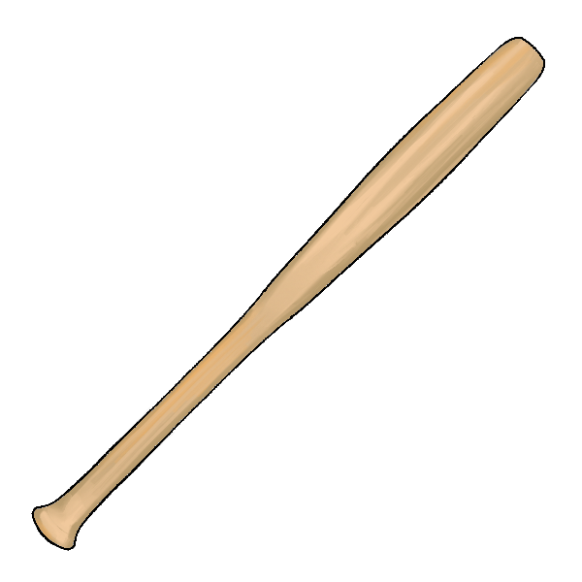 | xxx
chicken | Backpack item Rubber Chicken updates. |  | xxx

地图 | 左上角Tips | 地图变化
Library | 字体加粗：You can now go to the library. | Map上Library那里的Zombies自动消失，解锁图书馆 |  | 场景二
Stairs | 字体加粗：You can now go up the stairs. And the Shop is now unlocked. | Map上Stairs那里的Zombies自动消失，解锁楼梯
修改
Cirlce | 8. ClassRoom | 第二次进入的对话可以重复进行， 当获得道具chicken和bat后才会解锁第三次对话；
 | 最后，10. Library | 红色划线那里 | 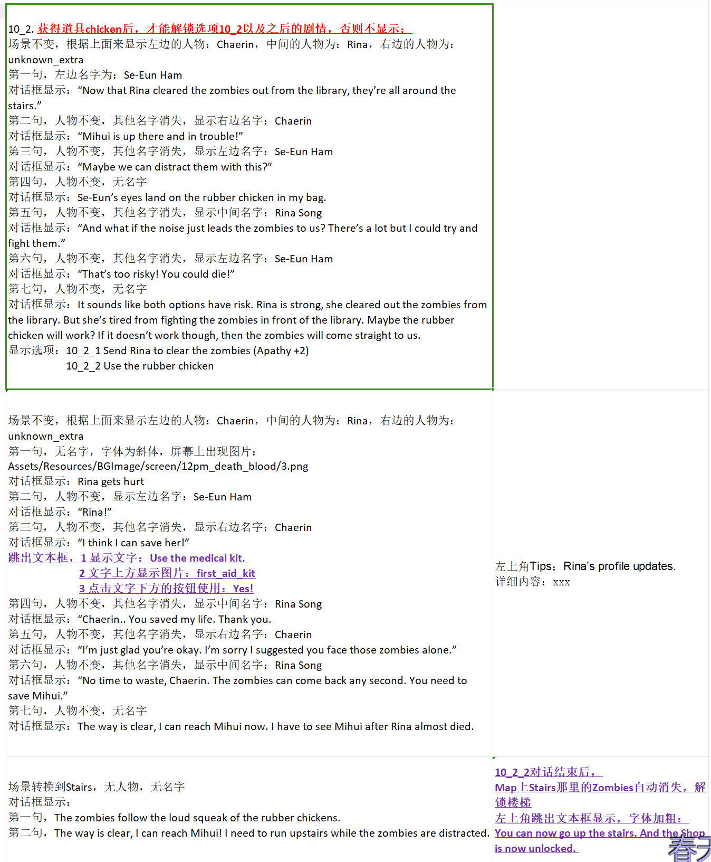
原来是时间到00：00就播动画，然后回到School Gate； 把00：00改成12：00，就是中午十二点； 一些关联的时间也改一下；

