Sheet3
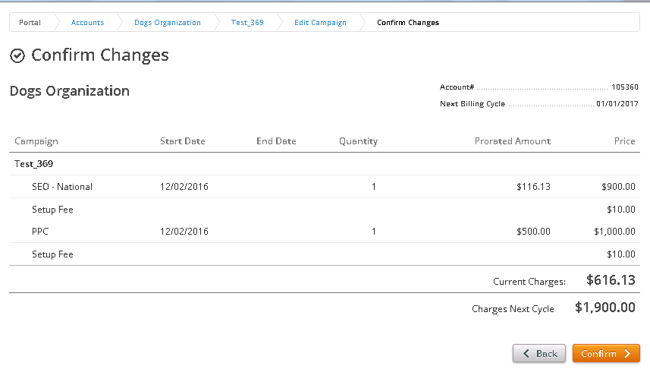
Marketing Campaign - Test_369

 | Billing start date | Billing End Date | Billing change date | PPC | PPC_Set up Fee | Seo National | Seo_National_setup_fee
Proration 1 | 2016-12-03 | 2017-01-02 | 2016-12-07 | 0 | 10 | 600 | 10 | For Bill change date subtract 1 from the current system date
Proration 2 |  |  | 2016-12-14 | 0 | 10 | 900 | 10 | For Bill end date subtract 1 day from the next bill date
Total Days | 31 |  |  |  |  |  |  | Remaining Days = Billing End Date - Billing change date.
 |  |  |  |  |  |  |  | Total Days = Billing End date - Billing change date + 1
Proration 1 |  |  |  | Percent Left This Cycle = Remaining Days/Total Days. |  |  |  | Current Charge = Price * Percent Left This Cycle + Setup Fee
Remaning Days | 26 |  |  | Charges Next Cycle = Sum of all Product Price.
Percent Left This Cycle | 0.84
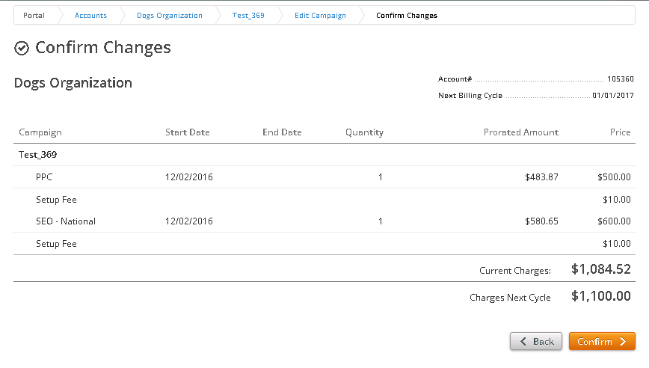
Current Charge | 523.22580645
Charges Next Cycle | 600.00

Proration 2
Remaning Days 2 | 19
Percent Left This Cycle 2 | 0.61
Current Charge 2 | 183.87 |  |  |  | First Proration ------->
Charges Next Cycle | 900.00

Second Proration
↓

