计算步骤模板
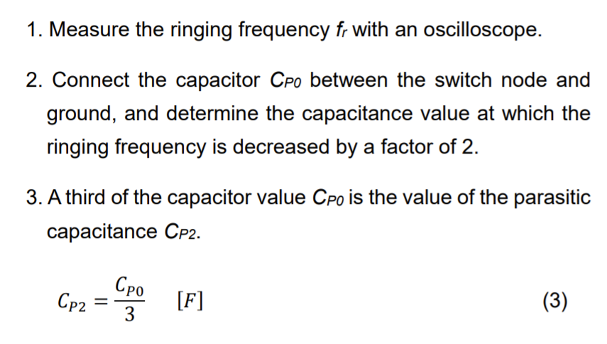
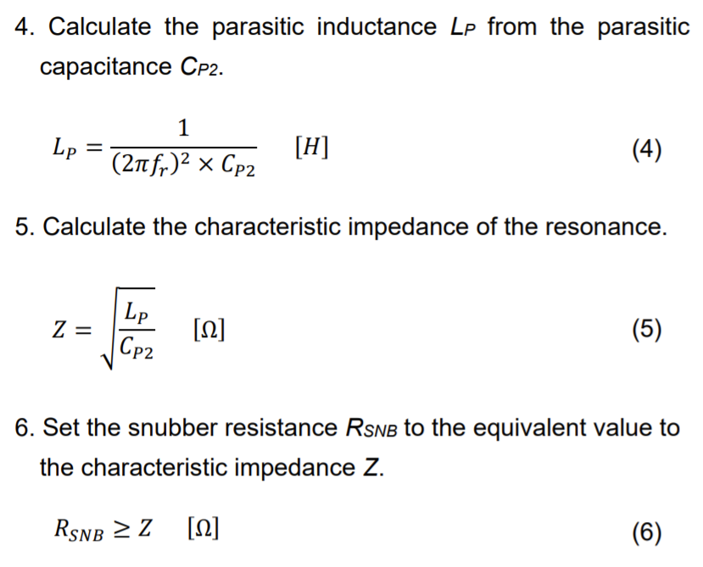
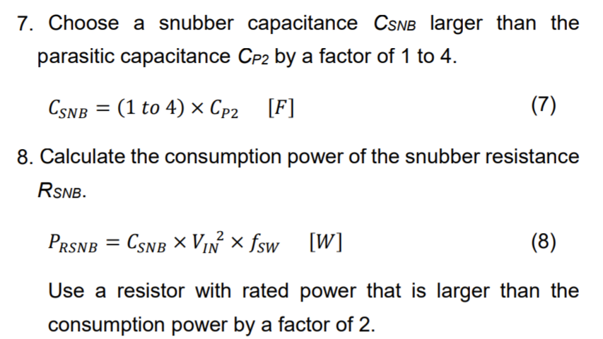
1 | Measure the ringing frequency fr with an oscilloscope.
2 | Connect the capacitor CP0 between the switch node and ground, and determine the capacitance value at which the ringing frequency is decreased by a factor of 2.
3 | A third of the capacitor value CP0 is the value of the parasitic capacitance CP2.
4 | Calculate the parasitic inductance LP from the parasitic capacitance CP2.
5 | Calculate the characteristic impedance of the resonance.
6 | Set the snubber resistance RSNB to the equivalent value to the characteristic impedance Z.
7 | Choose a snubber capacitance CSNB larger than the parasitic capacitance CP2 by a factor of 1 to 4.
8 | Calculate the consumption power of the snubber resistance RSNB.

实际设计参数计算
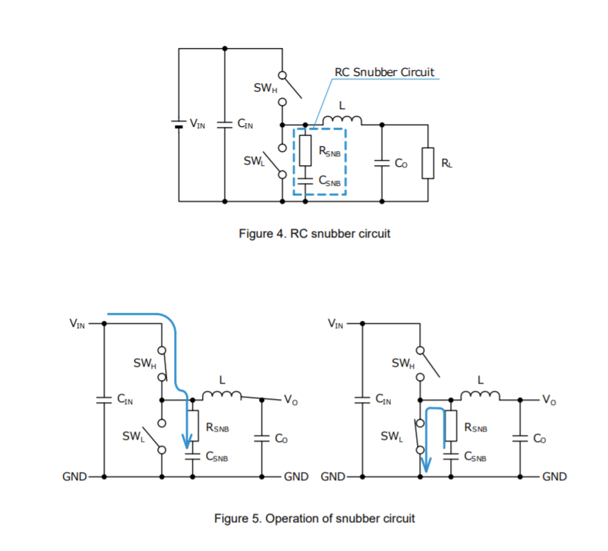
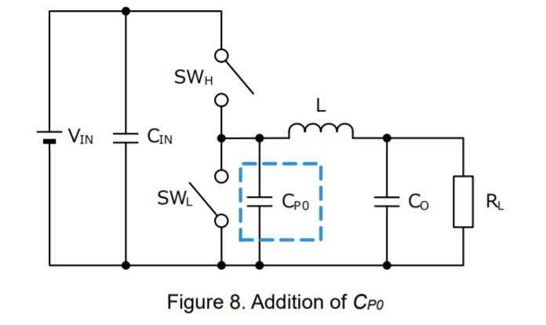
 | 输入电压Vin | 12 | V
 | 开关频率fsw | 2.2 | MHz
1 | 振铃频率fr | 200 | MHz | 测量振铃频率
2 | 开关节点电容Cp0 | 680 | pF | 按照上式估算得出，一般串接一个电容，实测振铃频率下降一半后的电容
2 | 寄生电容Cp2 | 226.66666667 | pF | 一般已知，取开关节点电容的1/3
4 | 寄生电感Lp | 2.7966174502 | nH
5 | 谐振特征阻抗Z | 3.5125515174 | Ω
6 | Snubber电阻Rsnb≥ | 3.5125515174 | Ω
7 | Snubber电容Csnb≥ | 453.33333333 | pF | 一般选寄生电容的1~4倍，如果计算出来的结果是227pF、454pF、681pF、908pF，则实际选用220pF、470pF、680pF和1000pF
8 | Snubber电阻功率Prsnb | 143.616 | mW | Snubber电阻损耗，需要考虑所选电阻型号额定功率

