Parent Category Outcomes
country | (All)

Parent Category Outcomes
Row Labels | Count of name
canceled | 349
film & video | 40
food | 20
journalism | 24
music | 20
publishing | 30
technology | 178
theater | 37
failed | 1530
film & video | 180
food | 140
games | 140
music | 120
photography | 117
publishing | 127
technology | 213
theater | 493
live | 50
food | 6
music | 20
theater | 24
successful | 2185
film & video | 300
food | 34
games | 80
music | 540
photography | 103
publishing | 80
technology | 209
theater | 839
Grand Total | 4114

Statistics
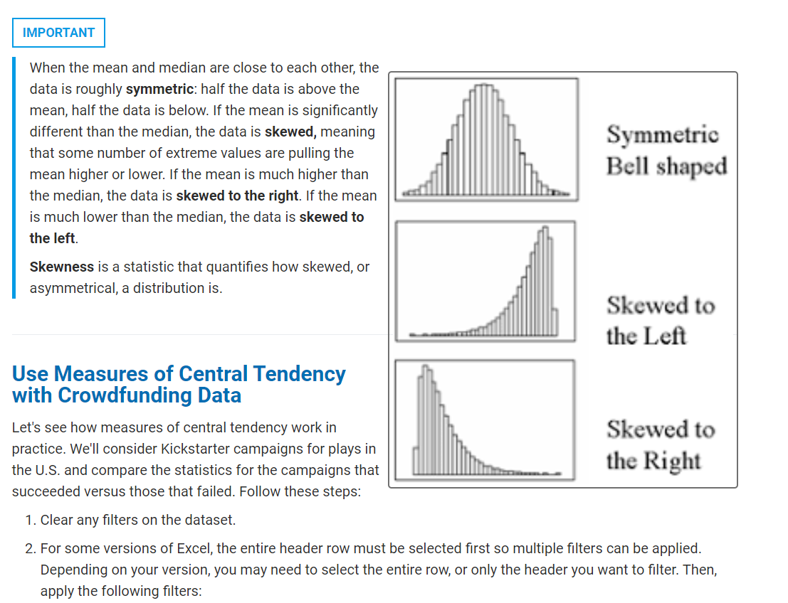
country | (All)
Category | (All)

 | canceled | failed | live | successful
animation |  | 100
art books | 20
audio | 24
children's books |  | 40
classical music |  |  |  | 40
documentary |  |  |  | 180
drama |  | 80
electronic music |  |  |  | 40
faith |  | 40 | 20
fiction |  | 40
food trucks | 20 | 120
gadgets |  | 20
hardware |  |  |  | 140
indie rock |  | 20 |  | 140
jazz |  | 60
makerspaces |  | 11 |  | 9
metal |  |  |  | 20
mobile games |  | 40
musical | 20 | 60 |  | 60
nature |  | 20
nonfiction |  |  |  | 60
people |  | 20
photobooks |  | 57 |  | 103
places |  | 20
plays |  | 353 | 19 | 694
pop |  |  |  | 40
radio & podcasts |  |  |  | 20
restaurants |  | 20
rock |  |  |  | 260
science fiction | 40
shorts |  |  |  | 60
small batch |  |  | 6 | 34
space exploration | 18 | 2 |  | 40
spaces | 17 | 80 | 5 | 85
tabletop games |  |  |  | 80
television |  |  |  | 60
translations | 10 | 47
video games |  | 100
wearables | 60 | 120 |  | 20
web | 100 | 60
world music | 20
Count of outcomes | Column Labels
Row Labels | canceled | failed | live | successful | Grand Total
animation |  | 100 |  |  | 100
art books | 20 |  |  |  | 20
audio | 24 |  |  |  | 24
children's books |  | 40 |  |  | 40
classical music |  |  |  | 40 | 40
documentary |  |  |  | 180 | 180
drama |  | 80 |  |  | 80
electronic music |  |  |  | 40 | 40
faith |  | 40 | 20 |  | 60
fiction |  | 40 |  |  | 40
food trucks | 20 | 120 |  |  | 140
gadgets |  | 20 |  |  | 20
hardware |  |  |  | 140 | 140
indie rock |  | 20 |  | 140 | 160
jazz |  | 60 |  |  | 60
makerspaces |  | 11 |  | 9 | 20
metal |  |  |  | 20 | 20
mobile games |  | 40 |  |  | 40
musical | 20 | 60 |  | 60 | 140
nature |  | 20 |  |  | 20
nonfiction |  |  |  | 60 | 60
people |  | 20 |  |  | 20
photobooks |  | 57 |  | 103 | 160
places |  | 20 |  |  | 20
plays |  | 353 | 19 | 694 | 1066
pop |  |  |  | 40 | 40
radio & podcasts |  |  |  | 20 | 20
restaurants |  | 20 |  |  | 20
rock |  |  |  | 260 | 260
science fiction | 40 |  |  |  | 40
shorts |  |  |  | 60 | 60
small batch |  |  | 6 | 34 | 40
space exploration | 18 | 2 |  | 40 | 60
spaces | 17 | 80 | 5 | 85 | 187
tabletop games |  |  |  | 80 | 80
television |  |  |  | 60 | 60
translations | 10 | 47 |  |  | 57
video games |  | 100 |  |  | 100
wearables | 60 | 120 |  | 20 | 200
web | 100 | 60 |  |  | 160
world music | 20 |  |  |  | 20
Grand Total | 349 | 1530 | 50 | 2185 | 4114

 |  |  |  |  |  |  | 45 | 25
 |  |  |  |  |  |  | 55 | 35
 |  |  |  |  |  |  | 60 | 40
 |  |  |  |  |  |  | 40 | 45
 |  |  |  |  |  |  | 75 | 55
 |  |  |  |  |  |  | 25 | 60
 |  |  |  |  |  |  | 65 | 65
 |  |  |  |  |  |  | 35 | 75

 |  |  |  |  |  | Mean: Sum of the data divided by the number of data points.
 |  |  |  |  |  | Median: where is the midpoint of the data?
 |  |  |  |  |  | Mode: What value shows up the most

Outcomes based on Launch date
Category | theater
Subcategory | (All)
Launched at | (All)

 | canceled | failed | live | successful
Qtr3 |  |  |  | 1
Qtr4 |  |  |  | 2
Qtr1 |  |  |  | 1
Qtr2 |  |  |  | 1
Qtr4 |  |  |  | 2
Qtr1 |  |  |  | 2
Qtr2 |  |  |  | 2
Qtr3 |  |  |  | 1
Qtr4 |  |  |  | 3
Qtr2 |  |  |  | 5
Qtr3 |  |  |  | 3
Qtr4 |  |  |  | 3
Qtr2 | 2 | 38 |  | 81
Qtr3 | 5 | 65 |  | 94
Qtr4 | 3 | 49 |  | 66
Qtr1 | 6 | 56 |  | 86
Qtr2 | 3 | 62 |  | 110
Qtr3 | 2 | 43 |  | 65
Qtr4 | 1 | 41 |  | 43
Qtr1 | 4 | 40 |  | 75
Qtr2 | 4 | 41 |  | 83
Qtr3 | 2 | 23 |  | 54
Qtr4 | 2 | 26 |  | 37
Qtr1 | 3 | 9 | 24 | 19
Count of outcomes | Column Labels
Row Labels | canceled | failed | live | successful | Grand Total
2010 |  |  |  | 3 | 3
Qtr3 |  |  |  | 1 | 1
Qtr4 |  |  |  | 2 | 2
2011 |  |  |  | 4 | 4
Qtr1 |  |  |  | 1 | 1
Qtr2 |  |  |  | 1 | 1
Qtr4 |  |  |  | 2 | 2
2012 |  |  |  | 8 | 8
Qtr1 |  |  |  | 2 | 2
Qtr2 |  |  |  | 2 | 2
Qtr3 |  |  |  | 1 | 1
Qtr4 |  |  |  | 3 | 3
2013 |  |  |  | 11 | 11
Qtr2 |  |  |  | 5 | 5
Qtr3 |  |  |  | 3 | 3
Qtr4 |  |  |  | 3 | 3
2014 | 10 | 152 |  | 241 | 403
Qtr2 | 2 | 38 |  | 81 | 121
Qtr3 | 5 | 65 |  | 94 | 164
Qtr4 | 3 | 49 |  | 66 | 118
2015 | 12 | 202 |  | 304 | 518
Qtr1 | 6 | 56 |  | 86 | 148
Qtr2 | 3 | 62 |  | 110 | 175
Qtr3 | 2 | 43 |  | 65 | 110
Qtr4 | 1 | 41 |  | 43 | 85
2016 | 12 | 130 |  | 249 | 391
Qtr1 | 4 | 40 |  | 75 | 119
Qtr2 | 4 | 41 |  | 83 | 128
Qtr3 | 2 | 23 |  | 54 | 79
Qtr4 | 2 | 26 |  | 37 | 65
2017 | 3 | 9 | 24 | 19 | 55
Qtr1 | 3 | 9 | 24 | 19 | 55
Grand Total | 37 | 493 | 24 | 839 | 1393

