BOM
Item | Part Number | Thumbnail | BOM Structure | Unit QTY | QTY | Stock Number | Description | REV
1 | Rail_AssemblyV2_0 | 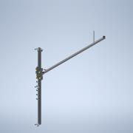 | Normal | 1 | 2 |  | Side Rail Assembly -> Used to represent main motion platform for the X direction | 2.0
2 | Alexey v4 | 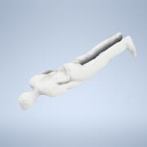 | Normal | 1 | 1 |  | Human model for scale | 1.0
3 | SpacingStrut |  | Normal | 1 | 2 |  | Spacing strut used to maintain equal distance between side rails | 1.1
4 | Ebox_assy | 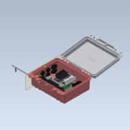 | Normal | 1 | 1 |  | Electronics box and components | 2.0
5 | AddOn_Module | 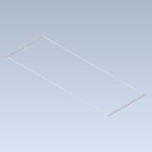 | Normal | 1 | 1 |  | Length extendor assembly for track | 2.0
6 | Top_Rail_Full | 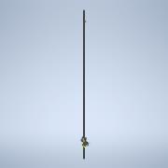 | Normal | 1 | 1 |  | Top rail assembly for y axis | 2.0

