Cover
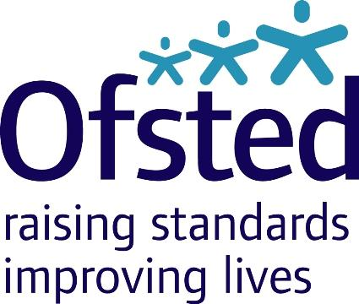

Management information
Policy area: | Maintained schools and academies inspections and outcomes
Theme: | Education, children's services and skills
Published on: | 24 March 2015
Coverage: | England
Period covered: | Latest inspections at 31 January 2015 (published by 1 February 2015)
Status: | Management Information
Statistician: | Louise Butler
Public enquiries: | enquiries@ofsted.gov.uk
Press enquiries: | pressenquiries@ofsted.gov.uk
Link to schools management information web page including publication schedule: | https://www.gov.uk/government/statistics/monthly-management-information-ofsteds-school-inspections-outcomes
Link to official statistics release web page: | https://www.gov.uk/government/collections/maintained-schools-and-academies-inspections-and-outcomes-official-statistics

© Crown copyright 2015

You may use and re-use this information (not including logos) free of charge in any format or medium,
under the terms of the Open Government Licence.
To view this licence, visit:
http://www.nationalarchives.gov.uk/doc/open-government-licence/
Or write to the Information Policy Team, The National Archives, Kew, London, TW9 4DU
Or email:
psi@nationalarchives.gsi.gov.uk

