Index
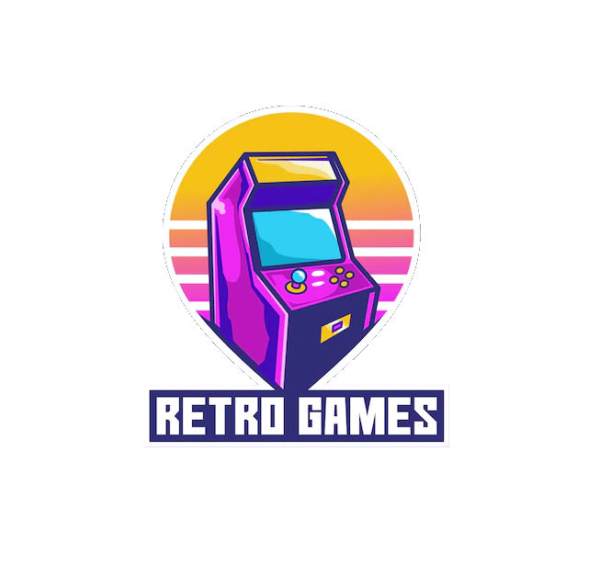
Arcade |  | SNK Playmore
Mame | 2/4825 | Neo Geo | 103/118
 |  | Neo Geo pocket Color | 31/38

Atari
 |  | NEC
Atari 2600 | 0/604 | TurboGrafx-16 | 79/169
Atari Lynx | 57/126
Atari Jaguar | 0/50
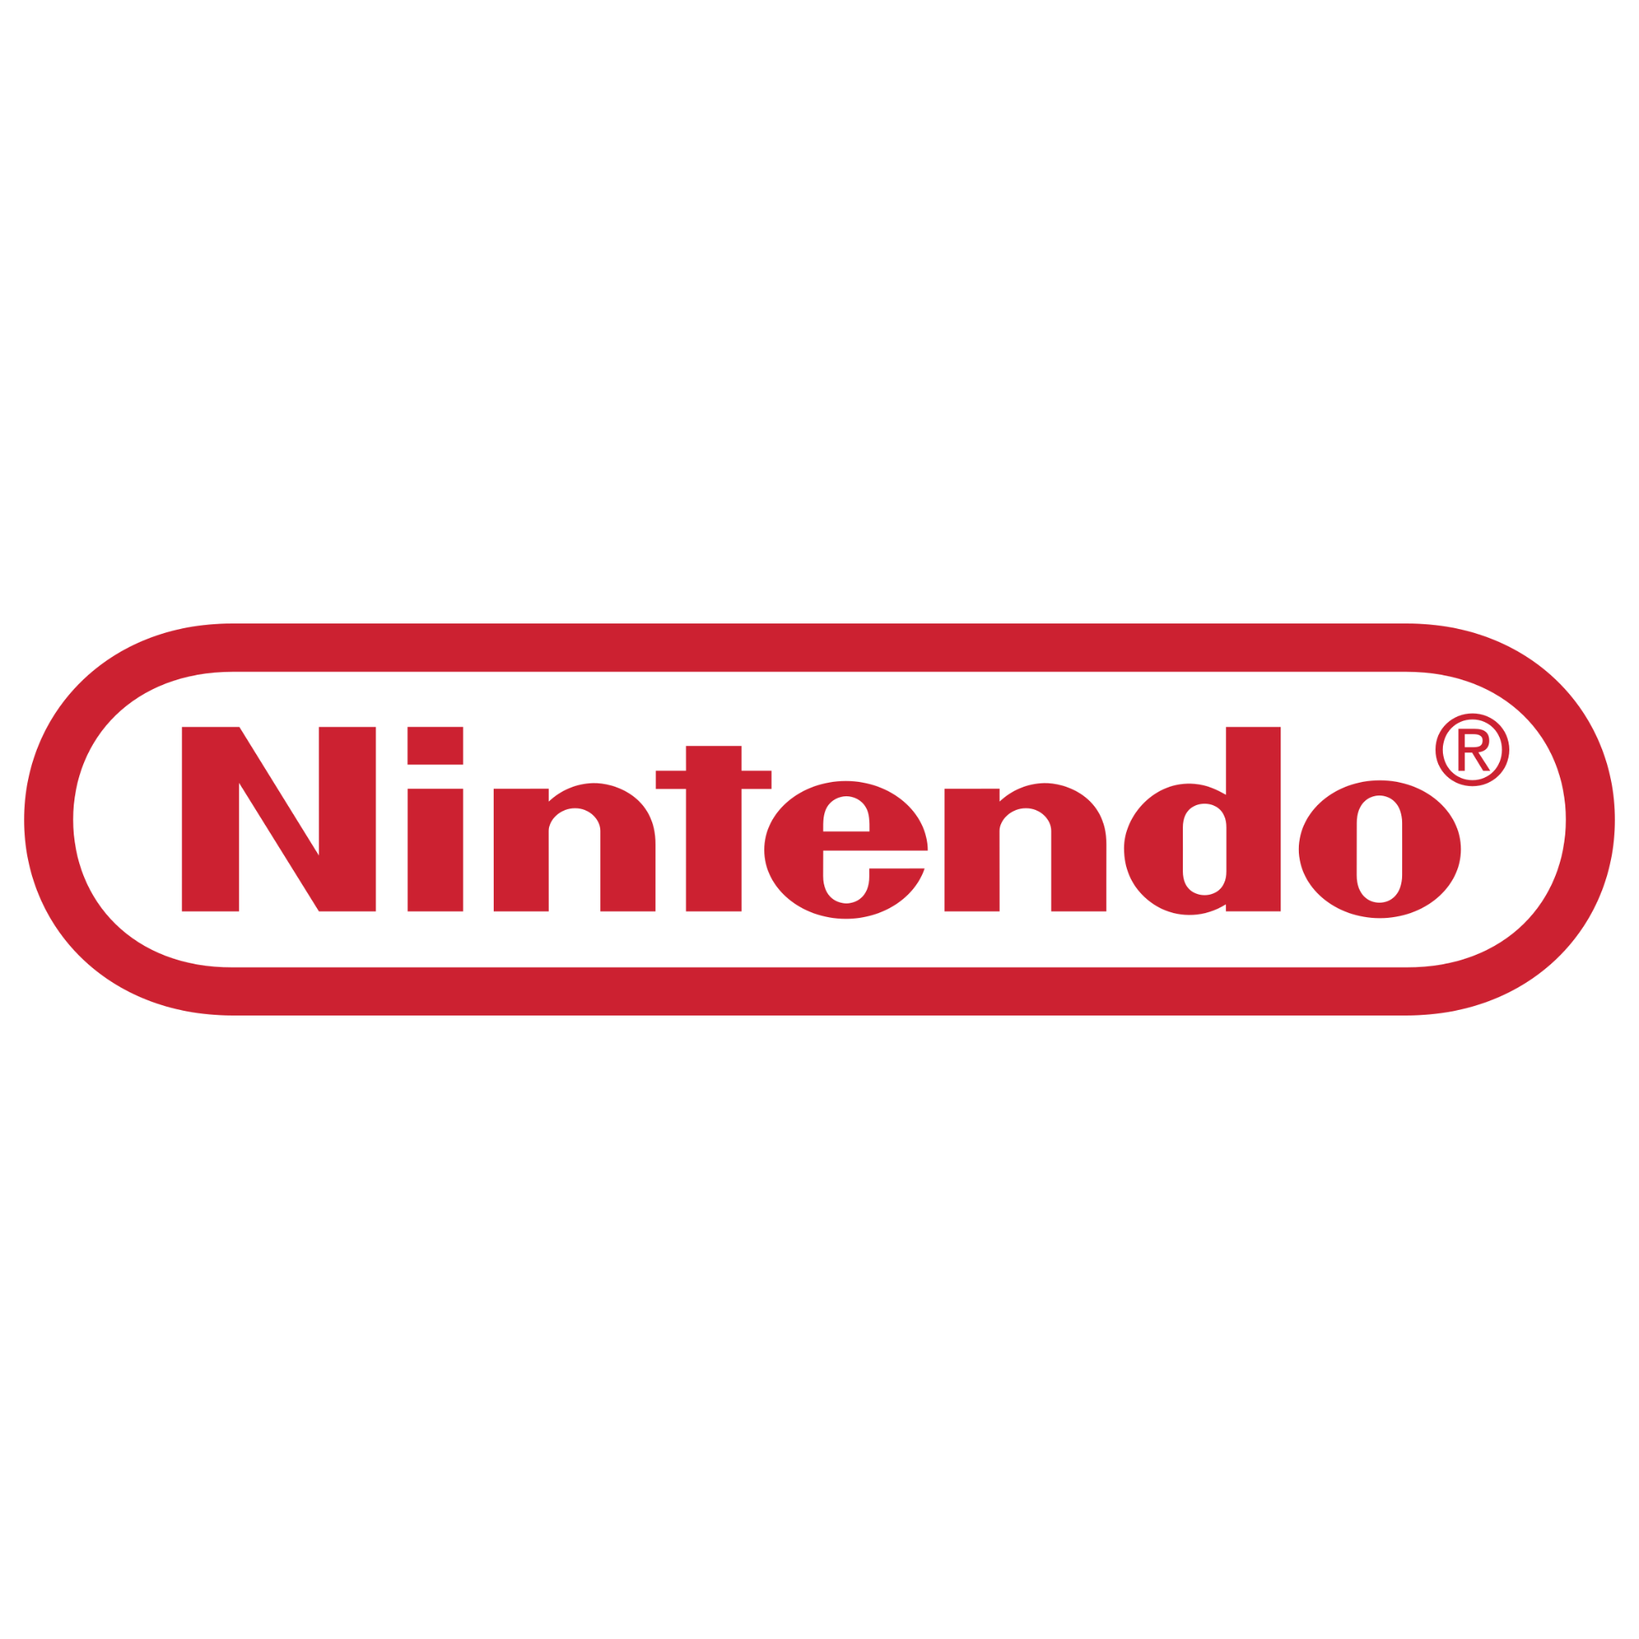
Nintendo
Famicom | 112/112
NES | 691/785
SNES | 0/725
N64 | 283/296
GameCube | 0/563
Gameboy | 0/513
Gameboy Color | 0/449
Gameboy Advanced | 0/951
NDS | 0/1258

Sega
Sega Genesis | 0/701
Sega CD | 0/143
Sega 32X | 26/36
Sega Game Gear | 160/234

