Sheet1
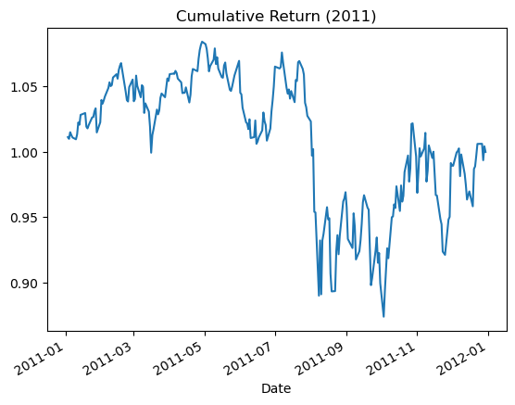
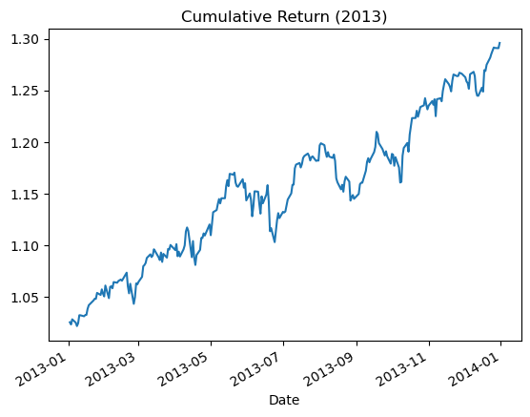
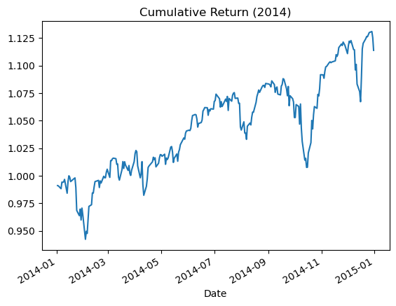
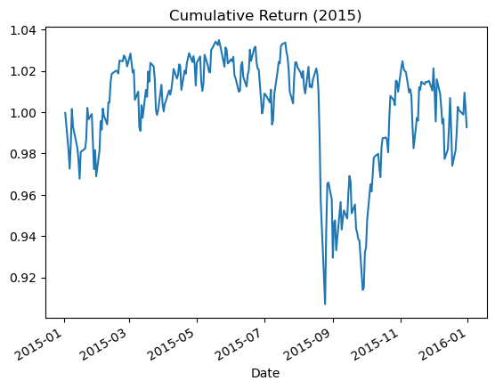
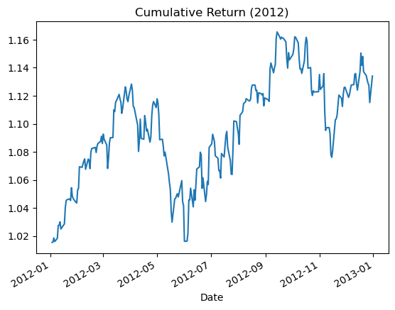
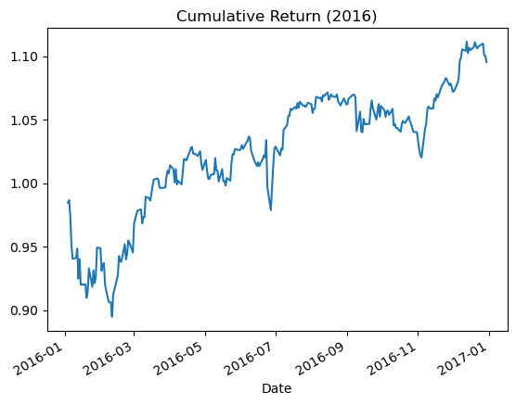
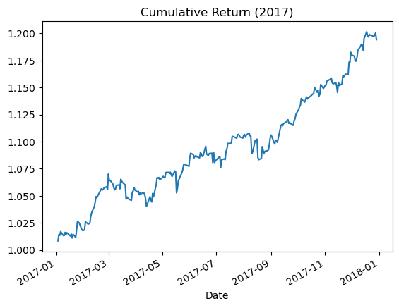
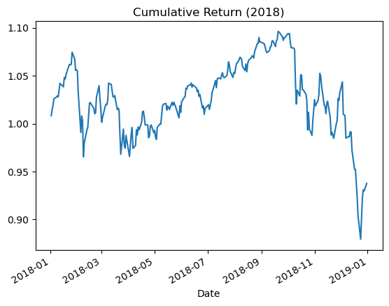
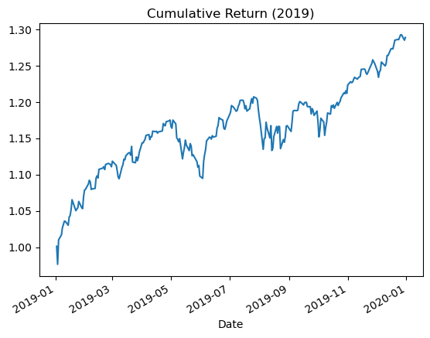
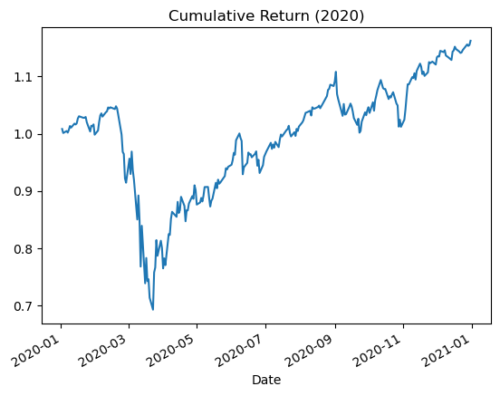
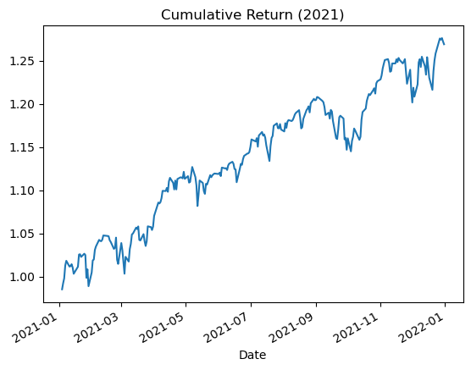
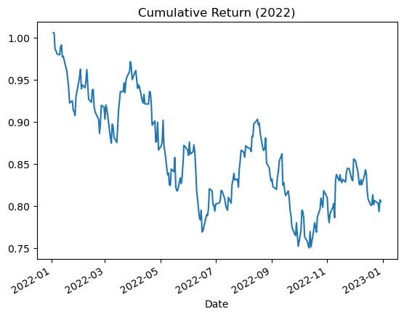
 | 2007 | 2008 | 2009 | 2010 | 2011 | 2012 | 2013 | 2014 | 2015 | 2016 | 2017 | 2018 | 2019 | 2020 | 2021 | 2022
CAGR | 0.036538 | -0.375846 | 0.196716 | 0.110019 | -0.01122 | 0.116776 | 0.263905 | 0.123866 | -0.006928 | 0.112374 | 0.18415 | -0.070094 | 0.287148 | 0.152929 | 0.28793 | -0.19953
Mean | 0.048601 | -0.396699 | 0.245868 | 0.13548 | 0.026851 | 0.133879 | 0.263423 | 0.113437 | 0.004641 | 0.098855 | 0.179041 | -0.049722 | 0.259502 | 0.208043 | 0.24488 | -0.186399
STD | 0.159211 | 0.407296 | 0.271226 | 0.179443 | 0.231352 | 0.126905 | 0.110029 | 0.113028 | 0.154015 | 0.13017 | 0.066458 | 0.1695 | 0.123899 | 0.342266 | 0.130218 | 0.24014
Sharpe | 0.305262 | -0.973981 | 0.906507 | 0.755004 | 0.116061 | 1.054958 | 2.394125 | 1.003617 | 0.030133 | 0.759433 | 2.694052 | -0.293345 | 2.094466 | 0.60784 | 1.880535 | -0.776207
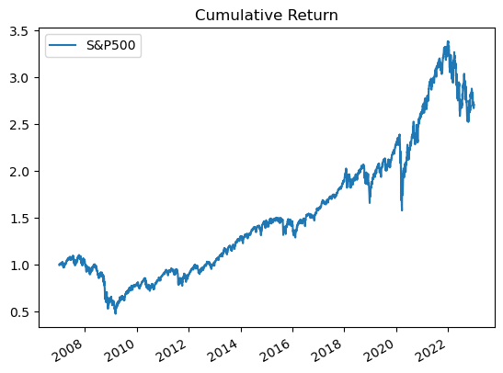
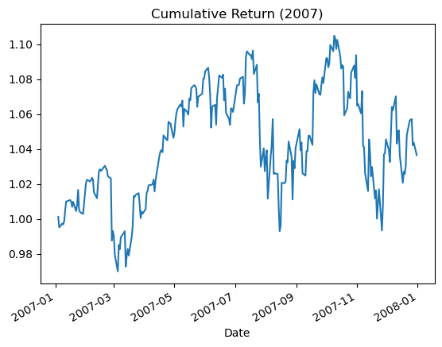
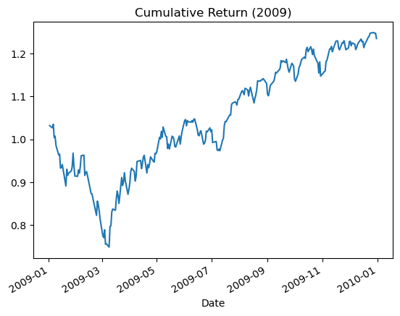
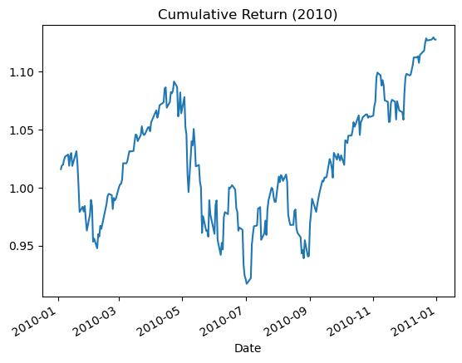
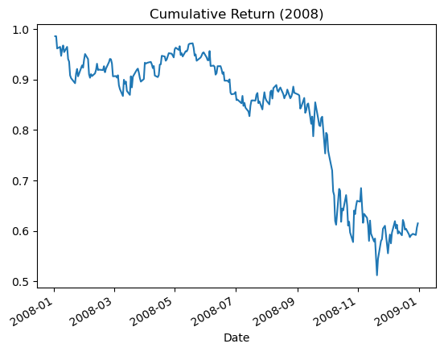

 |  |  |  |  |  |  |  |  |  |  |  |  |  |  |  |  |  | 2021
 |  |  |  |  |  |  |  |  |  |  |  |  |  |  |  |  | CAGR | 28.79%
 |  |  |  |  |  |  |  |  |  |  |  |  |  |  |  |  | Mean | 0.245
 |  |  |  |  |  |  |  |  |  |  |  |  |  |  |  |  | STD | 0.130
 |  |  |  |  |  |  |  |  |  |  |  |  |  |  |  |  | Sharpe | 1.881

