Facility
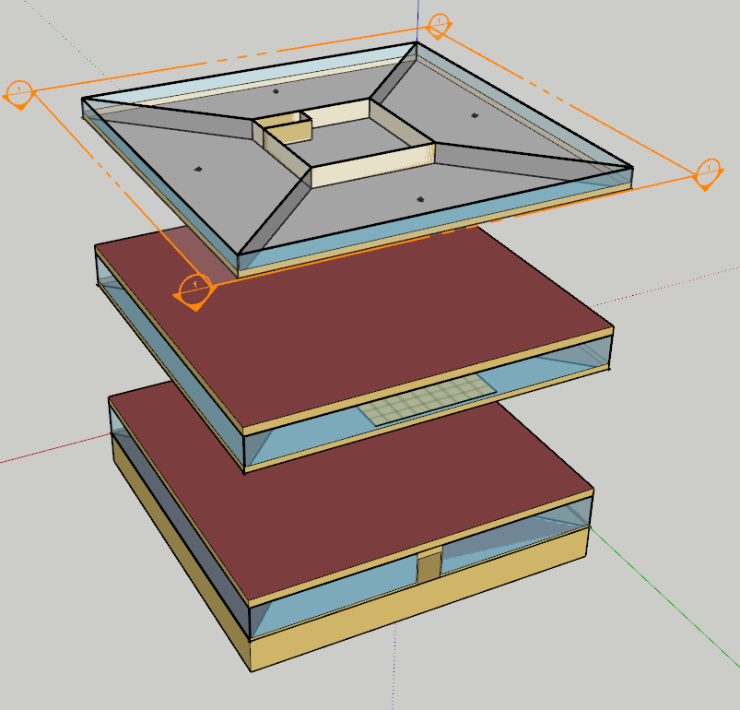
Facility

Data
Number of stories | 10
Number of above ground stories | 9
Nominal floor to floor height | 3.7
Nominal floor to ceiling height | 3

hvac_init
HVAC systems, initial: dedicated outdoor air system (DOAS) with fan coil chiller with boiler

Two DOAS | open plan offices, core, hall, 15 zones
 | data centers, 3 zones

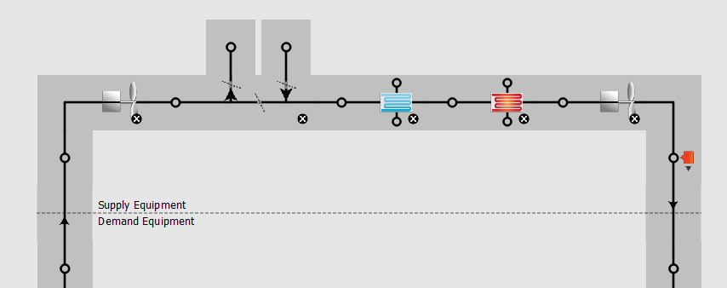
DOAS for open plan offices, core, hall |  |  |  |  | > | > | > | Systems
 | Cooling type | chilled water
 | Heating type | hot water

Time of operation | HVAC operation schedule | HVAC_Operation |  | see schedules
 | Use night cycle | Cycle on full system if heating or cooling required |  |  |  |  |  | - | ASHP | Air source heat pump
 |  |  |  |  |  |  |  |  |  |  | definition | absorbs heat from a colder place and release it into a warmer place using the same vapor-compression refrigeration process and same external heat exchanger with fan as used by an air conditioners. Unlike an air conditioning unit, however, it is able to both warm and cool building
Supply air temperature | Supply air temperature schedule | controlled by an outdoor air rest setpoint manager
 |  |  |  |  |  |  |  | x | EAHP | Exhaust Air Heat Pump
Mechanical ventilation | Economizer | no economizer |  |  |  |  |  |  |  |  | definition | extracts heat from the exhaust air of a building and transfers the heat to the supply air, hot tap water and/or hydronic heating system (underfloor heating, radiators).
 | Demand controlled ventilation | on
 |  |  |  |  |  |  |  | x | GSHP | ground source heat pump
Availability managers | Applicability schedule | always on discrete |  | https://bigladdersoftware.com/epx/docs/8-9/input-output-reference/group-system-availability-managers.html
 | Control type | Cycle on any |  |  |  |  |  | v | VRF | Variable Refrigerant Flow
 | Thermostat tolerance | 1 | K |  |  |  |  |  |  |  | definition | use refrigerant as the cooling and heating medium. This refrigerant is conditioned by a single or multiple condensing units (which may be outdoors or indoors, water or air cooled), and is circulated within the building to multiple indoor units.
 | Cycling run time control type | fixed run time
 | Cycling run time | 3600 | s

Air loop | Design supply air flow rate | autosized | m³/s
 | Design return air flow fraction of supply air flow | 1

Sizing system | Type of load to size on | Ventilation Requirement
 | Design outdoor air flow rate | autosized
 | Central heating maximum system air flow ratio | 1
 | Preheat design temperature | 7 | °C
 | Preheat design humidity ratio | 0.008 | kgH2O/kgair
 | Precool design temperature | 12.8 | °C
 | Precool design humidity ratio | 0.008 | kgH2O/kgair
 | Central cooling design supply air temperature | 15.5 | °C
 | Central heating design supply air temperature | 21 | °C
 | Sizing option | coincident
 | 100% outdoor air in cooling | yes
 | 100% outdoor air in heating | yes
 | Central cooling design supply air humidity ratio | 0.0085 | kgH2O/kgair
 | Central heating design supply air humidity ratio | 0.008 | kgH2O/kgair
 | Cooling design air flow method | design day
 | Cooling design air flow rate | 0 | m³/s
 | Heating design air flow method | design day
 | Heating design air flow rate | 0 | m³/s
 | System outdoor air method | zone sum
 | Zone maximum outdoor air fraction | 1

 | Cooling Supply Air Flow Rate Per Floor Area | 0.01 | m/s
 | Cooling Fraction of Authosized Cooling Supply Air Flow Rate | 1
 | Cooling Supply Air Flow Rate Per Unit Cooling Capacity | 4.00E-05 | 1/Pa

 | Heating Supply Air Flow Rate Per Floor Area | 0.01 | m/s
 | Heating Fraction of Authorized Cooling Supply Air Flow Rate | 1
 | Heating Fraction of Authorized Heating Supply Air Flow Rate | 1
 | Heating Supply Air Flow Rate Per Unit Cooling Capacity | 3.00E-05 | 1/Pa

 | Cooling Design Capacity Method | CoolingDesignCapacity
 | Cooling Design Capacity | Autosized
 | Cooling Design Capacity Per Floor Area | 234.7 | W/m²
 | Fraction of Autosized Cooling Design Capacity | 1

 | Heating Design Capacity Method | CoolingDesignCapacity
 | Heating Design Capacity | Autosized
 | Heating Design Capacity Per Floor Area | 157 | W/m²
 | Fraction of Autosized Cooling Design Capacity | 1

 | Central Cooling Capacity Control Method | OnOff

Coil heating water | Availability schedule name | Always on, discret | -
 | U-factor times area value | autosized | W/K
 | Maximum water flow rate | autosized | m³/s
 | Performance input method | Ufactor times area and design water flow rate | -
 | Rated capacity | autosized | W/K
 | Rated inlet water temperature | 50 | °C
 | Rated inlet air temperature | 16.5 | °C
 | Rated outlet water temperature | 38 | °C
 | Rated outlet air temperature | 32 | °C
 | Rated ratio for air and water convection | 0.5 | -

Coil cooling water | Availability schedule name | Always on, discret
 | Design water flow rate | autosized | m³/s
 | Design inlet water temperature | autosized | °C
 | Design inlet air temperature | autosized | °C
 | Design outlet air temperature | autosized | °C
 | Design inlet air humidity ratio | autosized | kgH2O/kgair
 | Design outlet humidity ratio | autosized | kgH2O/kgair
 | Type of analysis | simple analysis
 | Heat exchanger configuration | cross flow

Fan Constant Volume | Fan total efficiency | 0.6 | -
 | Pressure rise | 650 | Pa
 | Maximum flow rate | autosized | m³/s
 | Motor efficiency | 0.92
 | Motor in Airstream fraction | 1 | -

Setpoint manager, outdoor air reset | Control variable | Temperature | -
 | Setpoint at outdoor low temperature | 21 | °C
 | Outdoor low temperature | 13 | °C
 | Setpoint at outdoor high temperature | 15.5 | °C
 | Outdoor high temperature | 21 | °C

Air Terminal Single Duct, Constant Volume, No Reheat
 | Maximum air flow rate | autosized | m³/s

Thermal zones sizing: core, offices & hall | Zone cooling design supply air temperature input method | Supply Air Temperature | -
 | Zone cooling design supply air temperature | 13 | °C
 | Zone cooling design supply air temperature difference | 10 | K

 | Zone heating design supply air temperature input method | Supply Air Temperature | -
 | Zone heating design supply air temperature | 40 | °C
 | Zone heating design supply air temperature difference | 10 | K

 | Zone cooling design supply air humidity ratio | 0.0085 | kgH2O/kgair
 | Zone heating design supply air humidity ratio | 0.008 | kgH2O/kgair

 | Zone heating sizing factor |  | -
 | Zone cooling sizing factor |  | -

 | Cooling design air flow method | Design day | -
 | Cooling design air flow rate | 0 | m³/s
 | Cooling minimum air flow per zone floor area | 0.000762 | m/s
 | Cooling minimum air flow | 0 | m³/s
 | Cooling minimum air flow fraction | 0 | -

 | Heating design air flow method | Design day | -
 | Heating design air flow rate | 0 | m³/s
 | Heating maximum air flow per zone floor area | 0.002 | m/s
 | Heating maximum air flow | 0.142 | m³/s
 | Heating maximum air flow fraction | 0.3 | -

 | Account for dedicated outdoor air system | No | -
 | Dedicated outdoor air system control strategy | Neutral supply air | -
 | Dedicated outdoor air low setpoint temperature for design | 15.5 | -
 | Dedicated outdoor air high setpoint temperature for design | 21 | -

 | Design zone air distribution effectiveness in cooling mode | 1 | -
 | Design zone air distribution effectiveness in heating mode | 1 | -
 | Design zone secondary recirculation fraction | 0 | -
 | Design minimum zone ventilation efficiency | 0.6 | -

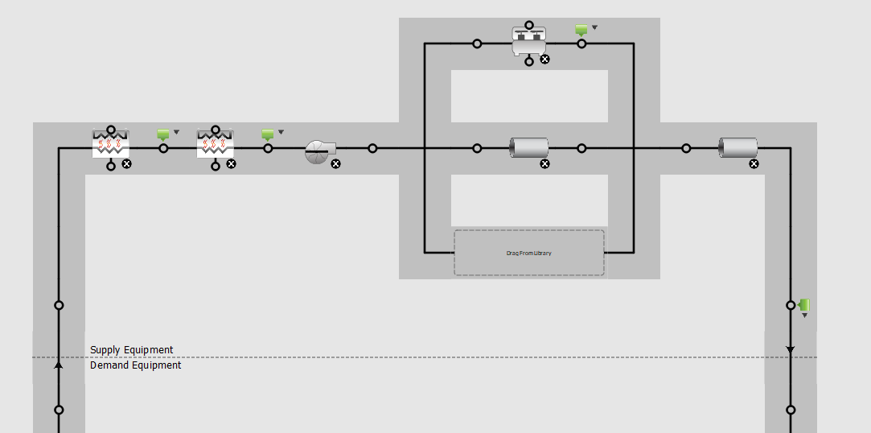
Chilled water loop |  |  |  |  | > | > | >
Plant loop | fluid type | water
 | Maximum loop temperature | 40 | °C
 | Minimum loop temperature | 1 | °C
 | Maximum loop flow rate | autosized | m³/s
 | Plant loop volume | autocalculate | m³/s
 | Load distribution sheme | optimal

Sizing | Design loop exit temperature | 6.7 | °C
 | Loop design temperature difference | 5.6 | K
 | Sizing option | Non coincident
 | Zone timesteps in averaging window | 1

Chiller electric, EIR | Reference capacity | autosized | W
 | Reference COP | 4.9 | -
 | Reference leaving chilled water temperature | 6.7 | °C
 | Reference entering condenser fluid temperature | 35 | °C
 | Reference chilled water flow rate | autosized | m³/s
 | Reference condenser fluid flow rate | autosied | m³/s
 | Minimum part load ratio | 0.15 | -
 | Maximum part load ratio | 1 | -
 | Optimum part load ratio | 1 | -
 | Minimum unloading ratio | 0.25 | -
 | Condenser fan power ratio | 0 | -
 | Fraction of compressor electric consumption rejected by condenser | 1 | -
 | Leavind chilled water lower temperature limit | 2.2 | °C
 | Chiller flow mode | constant flow

Heat exchanger, fluid to fluid | Loop demand side design flow rate | autosized | m³/s
 | Loop supply side design flow rate | autosized | m³/s
 | Heat exchange mode type | counter flow
 | Heat exchanger U-factor times area value | autosized | W/K
 | Control type | cooling differential on/off
 | Minimum temperature difference to activate heat exchanger | 0 | K
 | Heat transfer metering end use type | free cooling
 | Operation minimum temperature limit | 1.7 | °C
 | Operation maximum temperature limit | 22 | °C

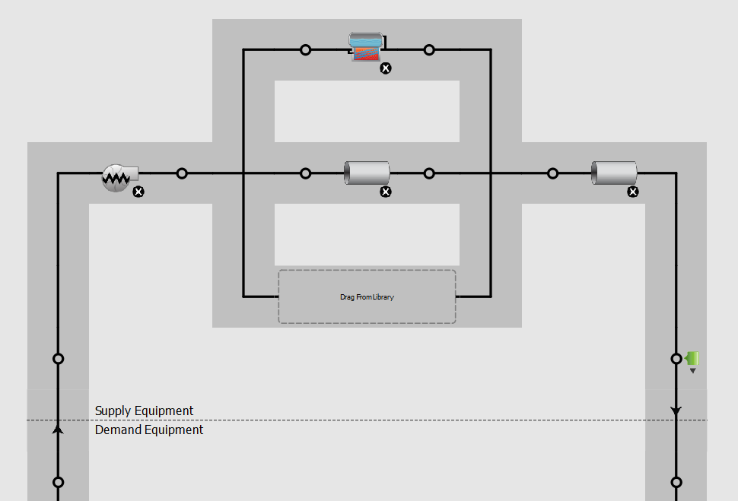
Hot water loop |  |  |  |  | > | > | >
Plant loop | fluid type | water
 | Maximum loop temperature | 100 | °C
 | Minimum loop temperature | 10 | °C
 | Maximum loop flow rate | autosized | m³/s
 | Plant loop volume | autocalculate | m³/s
 | Load distribution sheme | optimal

Sizing | Design loop exit temperature | 49 | °C
 | Loop design temperature difference | 11 | K
 | Sizing option | Non coincident
 | Zone timesteps in averaging window | 1

Boiler hot water | Fuel type | Natural gas | -
 | Nominal capacity | autosized | W
 | Nominal thermal efficiency | 0.93 | -
 | Efficiency curve temperature evaluation variable | Leaving boiler | -
 | Design water flow rate | autosized | -
 | Minimum part load ratio | 0 | -
 | Maximum part load ratio | 1.2 | -
 | Optimum part load ratio | 1 | -
 | Water outlet upper temperature limit | 95 | °C
 | Boiler flow mode | Leaving setpoint modulated | -
 | Parasitic electric load | 0 | W
 | Sizing factor | 1

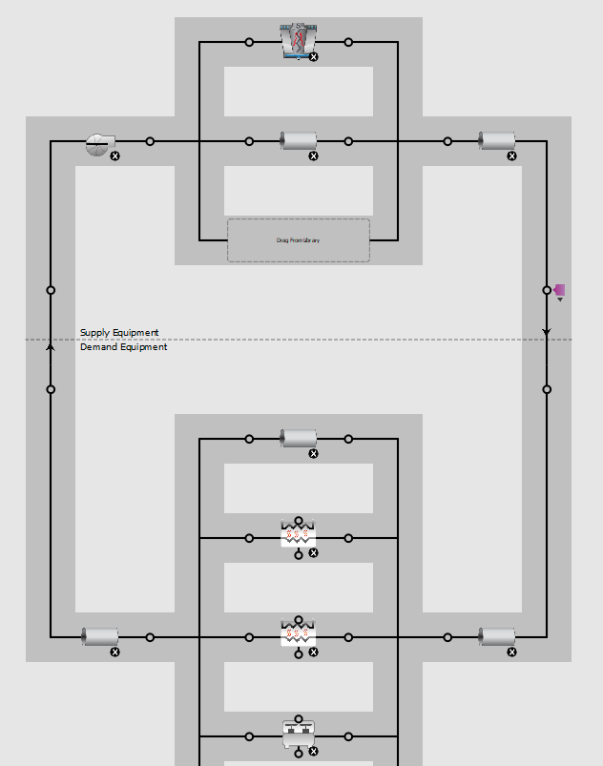
Condenser water loop |  |  |  |  | > | > | >
Plant loop | fluid type | water
 | Maximum loop temperature | 80 | °C
 | Minimum loop temperature | 5 | °C
 | Maximum loop flow rate | autosized | m³/s
 | Plant loop volume | autocalculate | m³/s
 | Load distribution sheme | optimal

Sizing | Design loop exit temperature | 29.5 | °C
 | Loop design temperature difference | 5.5 | K
 | Sizing option | coincident
 | Zone timesteps in averaging window | 1

Cooling tower, variable speed | Design inlet air wet-bulb temperature | 25.5 | °C
 | Design approach temperature | 4 | K
 | Design range temperature | 5.5 | K
 | Design water flow rate | autosized | -
 | Design air flow rate | autosized | -
 | Design fan power | 45735 | W
 | Minimum air flow rate ratio | 0.2 | -
 | Fraction of tower capacity in free convection regime | 0.125 | -

hvac_VAV
HVAC system: Variable Air Volume (VAV) chiller with gas boiler reheat

Two VAV systems | open plan offices, core, hall, 15 zones
 | data centers, 3 zones

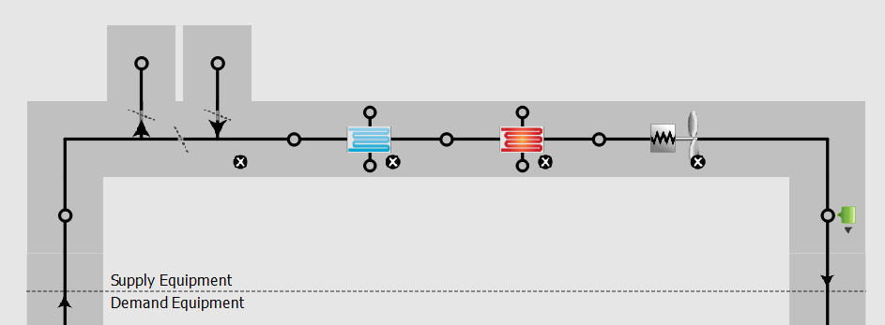
VAV with reheat |  |  |  |  | > | > | > | Systems
 | Cooling type | chilled water
 | Heating type | hot water

Time of operation | HVAC operation schedule | HVAC_Operation |  | see schedules | 15 Zone VA
 | Use night cycle | Cycle on full system if heating or cooling required |  |  |  |  |  | - | ASHP | Air source heat pump
 |  |  |  |  |  |  |  |  |  |  | definition | absorbs heat from a colder place and release it into a warmer place using the same vapor-compression refrigeration process and same external heat exchanger with fan as used by an air conditioners. Unlike an air conditioning unit, however, it is able to both warm and cool building
Supply air temperature | Supply air temperature schedule | deck temperature |  | see schedule
 |  |  |  |  |  |  |  | x | EAHP | Exhaust Air Heat Pump
Mechanical ventilation | Economizer | no economizer |  |  |  |  |  |  |  |  | definition | extracts heat from the exhaust air of a building and transfers the heat to the supply air, hot tap water and/or hydronic heating system (underfloor heating, radiators).
 | Demand controlled ventilation | off
 |  |  |  |  |  |  |  | x | GSHP | ground source heat pump
Availability managers | Name | Night cycle 1 |  | https://bigladdersoftware.com/epx/docs/8-9/input-output-reference/group-system-availability-managers.html |  |  |  |  |  |  | definition | heat pump used to heat and/or cool a building by exchanging heat with ground, often through a vapor-compression refrigeration cycle. It uses the earth all the time, without any intermittency, as a heat source (in the winter) or a heat sink (in the summer).
 | Applicability schedule | always on discrete
 | Control type | Cycle on any |  |  |  |  |  | v | VRF | Variable Refrigerant Flow
 | Thermostat tolerance | 1 | K |  |  |  |  |  |  |  | definition | use refrigerant as the cooling and heating medium. This refrigerant is conditioned by a single or multiple condensing units (which may be outdoors or indoors, water or air cooled), and is circulated within the building to multiple indoor units.
 | Cycling run time control type | fixed run time
 | Cycling run time | 1800 | s

Air loop | Design supply air flow rate | autosized | m³/s
 | Design return air flow fraction of supply air flow | 1

Sizing system | Type of load to size on | sensible
 | Design outdoor air flow rate | autosized
 | Central heating maximum system air flow ratio | 0.3
 | Preheat design temperature | 7 | °C
 | Preheat design humidity ratio | 0.008 | kgH2O/kgair
 | Precool design temperature | 12.8 | °C
 | Precool design humidity ratio | 0.008 | kgH2O/kgair
 | Central cooling design supply air temperature | 12.8 | °C
 | Central heating design supply air temperature | 12.8 | °C
 | Sizing option | Coincident
 | 100% outdoor air in cooling | No
 | 100% outdoor air in heating | No
 | Central cooling design supply air humidity ratio | 0.0085 | kgH2O/kgair
 | Central heating design supply air humidity ratio | 0.008 | kgH2O/kgair
 | Cooling design air flow method | design day
 | Cooling design air flow rate | 0 | m³/s
 | Heating design air flow method | design day
 | Heating design air flow rate | 0 | m³/s
 | System outdoor air method | ZoneSum
 | Zone maximum outdoor air fraction | 1

 | Cooling Supply Air Flow Rate Per Floor Area | 0.01 | m/s
 | Cooling Fraction of Authosized Cooling Supply Air Flow Rate | 1
 | Cooling Supply Air Flow Rate Per unit cooling capacity | 4.00E-05 | 1/Pa

 | Heating Supply Air Flow Rate Per Floor Area | 0.01 | m/s
 | Heating Fraction of Authosized Cooling Supply Air Flow Rate | 1
 | Heating Fraction of Authorized Heating Supply Air Flow Rate | 1
 | Heating Supply Air Flow Rate Per Unit Cooling Capacity | 3.00E-05 | 1/Pa

 | Cooling Design Capacity Method | CoolingDesignCapacity
 | Cooling Design Capacity | Autosized
 | Cooling Design Capacity Per Floor Area | 234.7 | W/m²
 | Fraction of Autosized Cooling Design Capacity | 1

 | Heating Design Capacity Method | CoolingDesignCapacity
 | Heating Design Capacity | Autosized
 | Heating Design Capacity Per Floor Area | 157 | W/m²
 | Fraction of Autosized Cooling Design Capacity | 1

 | Central Cooling Capacity Control Method | OnOff

Coil cooling water | Availability schedule name | Always on, discret
 | Design water flow rate | autosized | m³/s
 | Design inlet water temperature | autosized | °C
 | Design inlet air temperature | autosized | °C
 | Design outlet air temperature | autosized | °C
 | Design inlet air humidity ratio | autosized | kgH2O/kgair
 | Design outlet humidity ratio | autosized | kgH2O/kgair
 | Type of analysis | simple analysis
 | Heat exchanger configuration | cross flow

Coil heating water | Availability schedule name | Always on, discret | -
 | U-factor times area value | autosized | W/K
 | Maximum water flow rate | autosized | m³/s
 | Performance input method | Ufactor times area and design water flow rate | -
 | Rated capacity | autosized | W/K
 | Rated inlet water temperature | 49 | °C
 | Rated inlet air temperature | 7.2 | °C
 | Rated outlet water temperature | 38 | °C
 | Rated outlet air temperature | 13 | °C
 | Rated ratio for air and water convection | 0.5 | -

Fan Variable Volume | Fan total efficiency | 0.6572 | -
 | Pressure rise | 995 | Pa
 | Maximum flow rate | autosized | m³/s
 | Fan power minimum flow rate input method | Fraction
 | Fan power minimum fraction | 0.25
 | Fan power minimum air flow rate | 0 | M³/s
 | Motor efficiency | 0.954
 | Motor in Airstream fraction | 1 | -
 | Fan power coefficient 1 | 0.04076 | -
 | Fan power coefficient 2 | 0.099
 | Fan power coefficient 3 | -0.0729
 | Fan power coefficient 4 | 0.9437

Setpoint manager, outdoor air reset | Control variable | Temperature | -

Air Terminal Single Duct VAV Reheat | Zone minimum air flw input method | constant | -
 | Constant minimum air flow fraction | 0.2 | -
 | Fixed minimum air flow rate | 0 | m³/s
 | Maximum hot water or steam flow rate | 0 | m³/s
 | Convergence tolerance | 0.001 | -
 | Damper heating action | reverse with limit | -
 | Maximum flow per zone floor area during reheat | autosized | -
 | Maximum flow fraction during reheat | 0.5
 | Maximum reheat air temperature | 40 | °C

Reheat coil, Heating, Water | Availability schedule | always on | -
 | Performance input method | Ufactor x area and design water flow rate | -
 | Rated capacity | autosized | - | 0.5
 |  |  |  | 40

Thermal zones sizing: core, offices & hall | Zone cooling design supply air temperature input method | Supply Air Temperature | -
 | Zone cooling design supply air temperature | 13 | °C
 | Zone cooling design supply air temperature difference | 10 | K

 | Zone heating design supply air temperature input method | Supply Air Temperature | -
 | Zone heating design supply air temperature | 40 | °C
 | Zone heating design supply air temperature difference | 10 | K

 | Zone cooling design supply air humidity ratio | 0.0085 | kgH2O/kgair
 | Zone heating design supply air humidity ratio | 0.008 | kgH2O/kgair

 | Cooling design air flow method | Design day | -
 | Cooling design air flow rate | 0 | m³/s
 | Cooling minimum air flow per zone floor area | 0.000762 | m/s
 | Cooling minimum air flow | 0 | m³/s
 | Cooling minimum air flow fraction | 0 | -

 | Heating design air flow method | Design day | -
 | Heating design air flow rate | 0 | m³/s
 | Heating maximum air flow per zone floor area | 0.002 | m/s
 | Heating maximum air flow | 0.142 | m³/s
 | Heating maximum air flow fraction | 0.3 | -

 | Account for dedicated outdoor air system | No | -
 | Dedicated outdoor air system control strategy | Neutral supply air | -
 | Dedicated outdoor air low setpoint temperature for design | 15.5 | °C
 | Dedicated outdoor air high setpoint temperature for design | 21 | °C

 | Design zone air distribution effectiveness in cooling mode | 1 | -
 | Design zone air distribution effectiveness in heating mode | 1 | -
 | Design zone secondary recirculation fraction | 0 | -
 | Design minimum zone ventilation efficiency | 0.6 | -

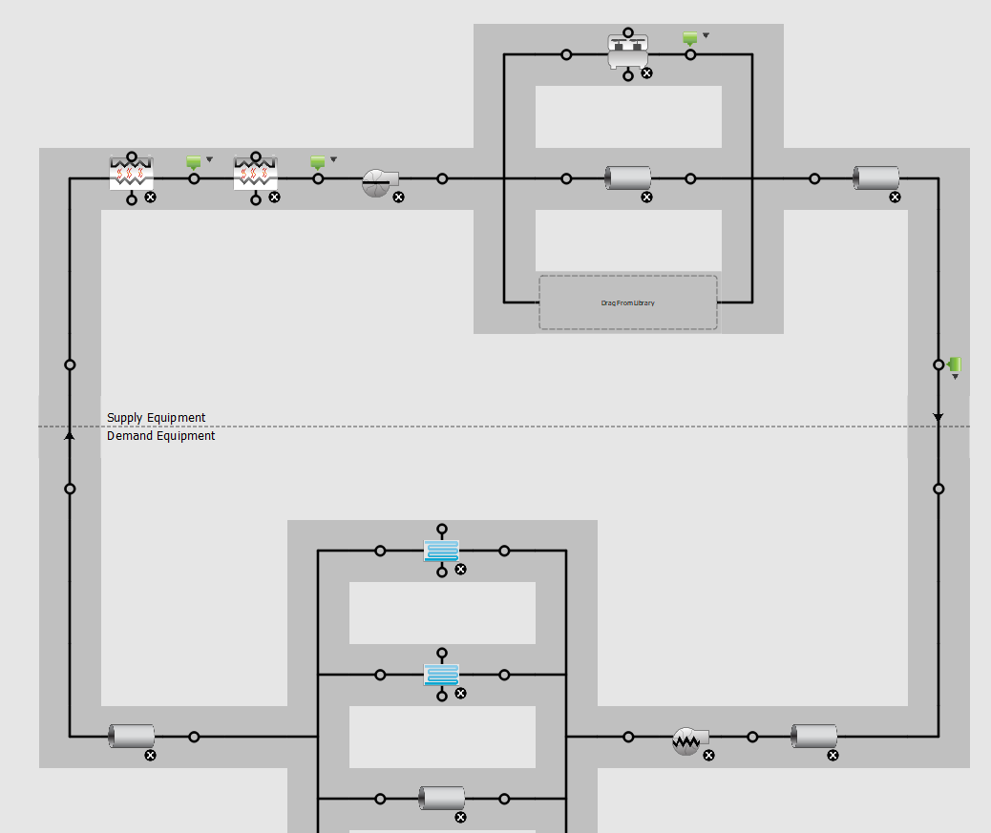
Chilled water loop |  |  |  |  | > | > | >
Plant loop | fluid type | water
 | Maximum loop temperature | 40 | °C
 | Minimum loop temperature | 1 | °C
 | Maximum loop flow rate | autosized | m³/s
 | Plant loop volume | autocalculate | m³/s
 | Load distribution sheme | optimal

Sizing | Design loop exit temperature | 6.67 | °C
 | Loop design temperature difference | 5.6 | K
 | Sizing option | Non coincident
 | Zone timesteps in averaging window | 1

Chiller electric, EIR | Reference capacity | autosized | W
 | Reference COP | 5.33 | -
 | Reference leaving chilled water temperature | 6.7 | °C
 | Reference entering condenser fluid temperature | 35 | °C
 | Reference chilled water flow rate | autosized | m³/s
 | Reference condenser fluid flow rate | autosied | m³/s
 | Minimum part load ratio | 0.15 | -
 | Maximum part load ratio | 1 | -
 | Optimum part load ratio | 1 | -
 | Minimum unloading ratio | 0.25 | -
 | Condenser fan power ratio | 0 | -
 | Fraction of compressor electric consumption rejected by condenser | 1 | -
 | Leavind chilled water lower temperature limit | 2.3 | °C

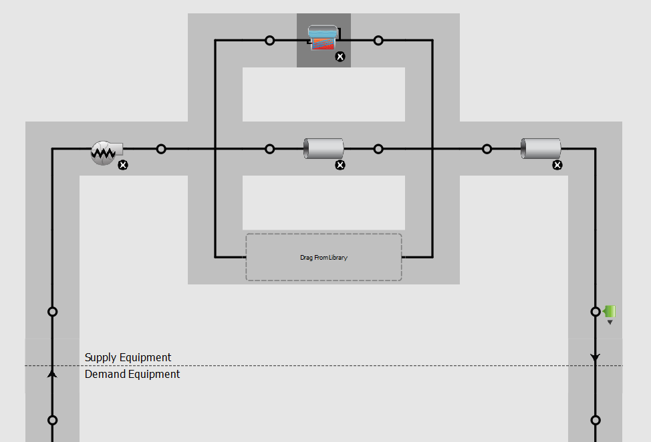
Hot water loop |  |  |  |  | > | > | >
Plant loop | fluid type | water
 | Maximum loop temperature | 100 | °C
 | Minimum loop temperature | 10 | °C
 | Maximum loop flow rate | autosized | m³/s
 | Plant loop volume | autocalculate | m³/s
 | Load distribution sheme | optimal

Sizing | Design loop exit temperature | 50 | °C
 | Loop design temperature difference | 11 | K
 | Sizing option | Non coincident
 | Zone timesteps in averaging window | 1

Boiler hot water | Fuel type | Natural gas | -
 | Nominal capacity | autosized | W
 | Nominal thermal efficiency | 0.933 | -
 | Efficiency curve temperature evaluation variable | Leaving boiler | -
 | Design water flow rate | autosized | m³/s
 | Minimum part load ratio | 0 | -
 | Maximum part load ratio | 1.2 | -
 | Optimum part load ratio | 1 | -
 | Water outlet upper temperature limit | 95 | °C
 | Boiler flow mode | LeavingSetpointModulated | -
 | Parasitic electric load | 0 | W
 | Sizing factor | 1

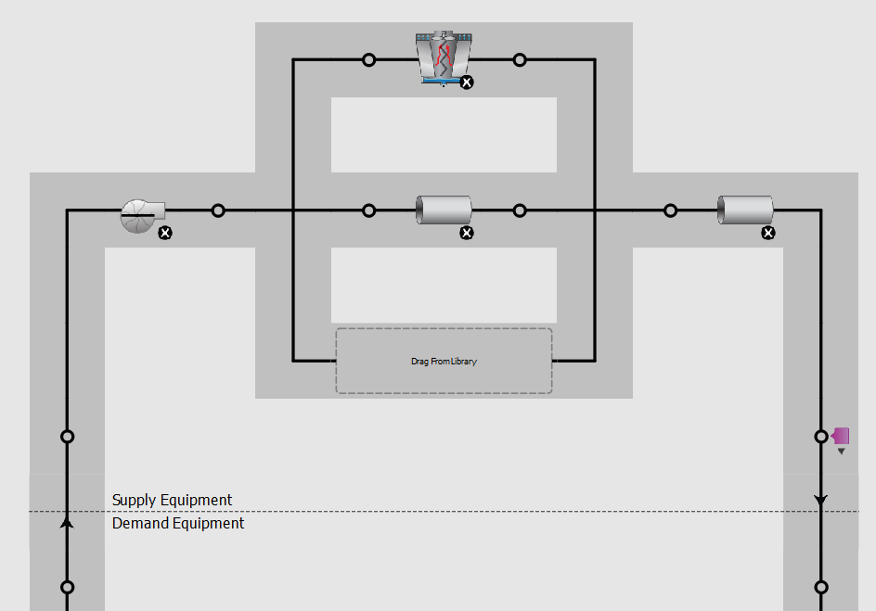
Condenser water loop |  |  |  |  | > | > | >
Plant loop | fluid type | water
 | Maximum loop temperature | 80 | °C
 | Minimum loop temperature | 5 | °C
 | Maximum loop flow rate | autosized | m³/s
 | Plant loop volume | autocalculate | m³/s
 | Load distribution sheme | optimal

Sizing | Design loop exit temperature | 29.5 | °C
 | Loop design temperature difference | 5.5 | K
 | Sizing option | coincident
 | Zone timesteps in averaging window | 6

Cooling tower, variable speed | Design inlet air wet-bulb temperature | 25.5 | °C
 | Design approach temperature | 4 | K
 | Design range temperature | 5.5 | K
 | Design water flow rate | autosized | -
 | Design air flow rate | autosized | -
 | Design fan power | 63782 | W
 | Minimum air flow rate ratio | 0.2 | -
 | Fraction of tower capacity in free convection regime | 0.125 | -

hvac_VRF
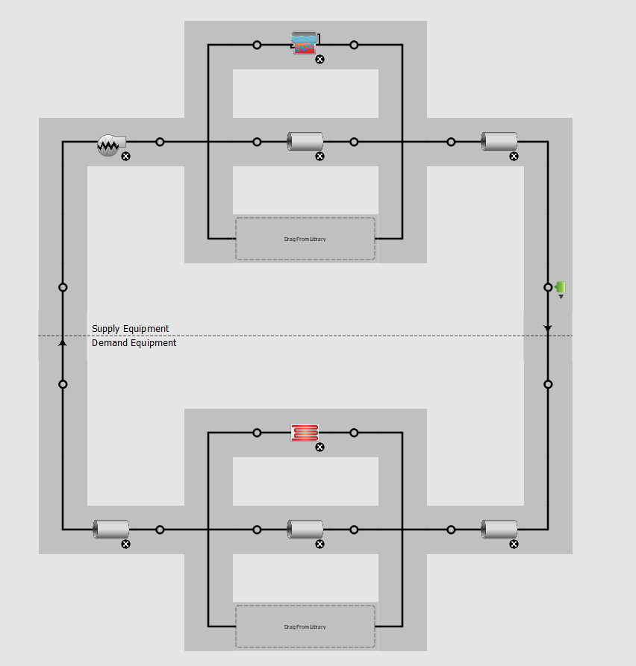
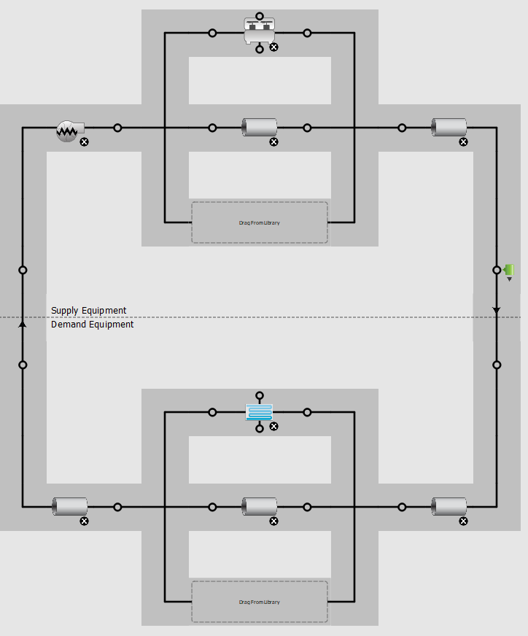
HVAC system, VRF: dedicated outdoor air system (DOAS) with variable refrigerant volume (VRF)
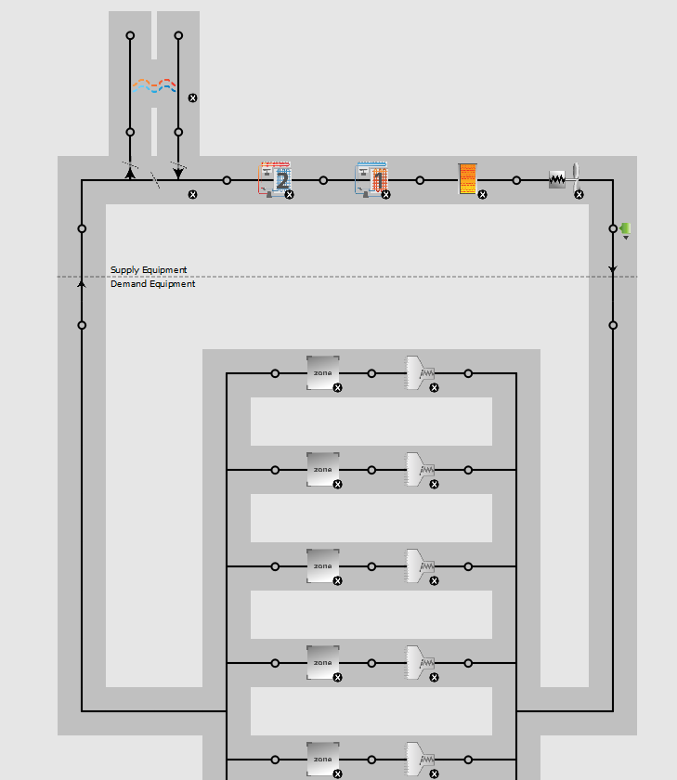
Two VAV systems | open plan offices, core, hall, 15 zones
 | data centers, 3 zones

VRF, variable refrigerant flow system with multiple indoor units and an outdoor unit |  |  |  |  | > | > | > | Systems
 | Cooling type | DX cooling
 | Heating type | electric heating

Time of operation | HVAC operation schedule | HVAC_Operation |  | see schedules
 | Use night cycle | follow the hvac operation schedule |  |  |  |  |  | - | ASHP | Air source heat pump
 |  |  |  |  |  |  |  |  |  |  | definition | absorbs heat from a colder place and release it into a warmer place using the same vapor-compression refrigeration process and same external heat exchanger with fan as used by an air conditioners. Unlike an air conditioning unit, however, it is able to both warm and cool building
Supply air temperature | Supply air temperature schedule | Temperature setpoint schedule |  | see schedule
 |  |  |  |  |  |  |  | x | EAHP | Exhaust Air Heat Pump
Mechanical ventilation | Economizer | no economizer |  |  |  |  |  |  |  |  | definition | extracts heat from the exhaust air of a building and transfers the heat to the supply air, hot tap water and/or hydronic heating system (underfloor heating, radiators).
 | Demand controlled ventilation | on
 |  |  |  |  |  |  |  | x | GSHP | ground source heat pump
Availability managers | Applicability schedule | always on discrete |  | https://bigladdersoftware.com/epx/docs/8-9/input-output-reference/group-system-availability-managers.html
 | Control type | Cycle on any |  |  |  |  |  | v | VRF | Variable Refrigerant Flow
 | Thermostat tolerance | 1 | K |  |  |  |  |  |  |  | definition | use refrigerant as the cooling and heating medium. This refrigerant is conditioned by a single or multiple condensing units (which may be outdoors or indoors, water or air cooled), and is circulated within the building to multiple indoor units.
 | Cycling run time control type | fixed run time
 | Cycling run time | 3600 | s

Sizing system | Type of load to size on | Ventilation requirement
 | Design outdoor air flow rate | autosized
 | Central heating maximum system air flow ratio | 1
 | Preheat design temperature | 7 | °C
 | Preheat design humidity ratio | 0.008 | kgH2O/kgair
 | Precool design temperature | 12.8 | °C
 | Precool design humidity ratio | 0.008 | kgH2O/kgair
 | Central cooling design supply air temperature | 12.5 | °C
 | Central heating design supply air temperature | 21 | °C
 | Sizing option | Coincident
 | 100% outdoor air in cooling | yes
 | 100% outdoor air in heating | yes
 | Central cooling design supply air humidity ratio | 0.0085 | kgH2O/kgair
 | Central heating design supply air humidity ratio | 0.008 | kgH2O/kgair
 | Cooling design air flow method | design day
 | Cooling design air flow rate | 0 | m³/s
 | Heating design air flow method | design day
 | Heating design air flow rate | 0 | m³/s
 | System outdoor air method | zone sum
 | Zone maximum outdoor air fraction | 1

Coil Cooling DX Two Speed | Rated high speed total cooling capacity | autosized | W
 | Rated high speed sensible heat ratio | autosized
 | Rated high speed COP | 3
 | Rated high speed air flow rate | autosized | m³/s
 | Unit internal static air pressure | 773.3 | Pa
 | Rated low speed total cooling capacity | autosized | W
 | Rated low speed sensible heat ratio | 0.69
 | Rated low speed COP | 3
 | Rated low speed air flow rate | autosized | m³/s
 | Minimum outdoor dry-bulb temperature for compressor operation | -25 | °C

Coil Heating DX Single Speed | Rated total heating capacity | autosized | W
 | rated COP | 3.6
 | Rated air flow rate | autosized | m³/s
 | Unit internal static air pressure | 773.3 | Pa
 | Minimum outdoor dry-bulb temperature for compressor operation | -8 | °C
 | Maximum outdoor dry-bulb temperature for defrost operation | 5 | °C

Coil Heating, Electric | Availability schedule name | Always on, discret | -
 | Efficiency | 1 | -
 | Nominal capacity | autosized | -

Fan, Constant Volume | Fan total efficiency | 0.59 | -
 | Pressure rise | 622 | Pa
 | Maximum flow rate | autosized | m³/s
 | Motor efficiency | 0.917 | -

Setpoint manager, outdoor air reset | Control variable | Temperature | -
 | Setpoint at outdoor low temperature | 21 | °C
 | Outdoor low temperature | 13 | °C
 | Setpoint at outdoor high temperature | 15.5 | °C
 | Outdoor high temperature | 21 | °C

Air Terminal Single Duct, Constant Volume, No Reheat | Maximum air flow rate | autosized | m³/s

Thermal zones sizing: core, offices & hall | Zone cooling design supply air temperature input method | Supply Air Temperature | -
 | Zone cooling design supply air temperature | 13 | °C
 | Zone cooling design supply air temperature difference | 10 | K

 | Zone heating design supply air temperature input method | Supply Air Temperature | -
 | Zone heating design supply air temperature | 40 | °C
 | Zone heating design supply air temperature difference | 10 | K

 | Zone cooling design supply air humidity ratio | 0.0085 | kgH2O/kgair
 | Zone heating design supply air humidity ratio | 0.008 | kgH2O/kgair

 | Zone heating sizing factor |  | -
 | Zone cooling sizing factor |  | -

 | Cooling design air flow method | Design day | -
 | Cooling design air flow rate | 0 | m³/s
 | Cooling minimum air flow per zone floor area | 0.000762 | m/s
 | Cooling minimum air flow | 0 | m³/s
 | Cooling minimum air flow fraction | 0 | -

 | Heating design air flow method | Design day | -
 | Heating design air flow rate | 0 | m³/s
 | Heating maximum air flow per zone floor area | 0.002 | m/s
 | Heating maximum air flow | 0.142 | m³/s
 | Heating maximum air flow fraction | 0.3 | -

 | Account for dedicated outdoor air system | No | -
 | Dedicated outdoor air system control strategy | Neutral supply air | -
 | Dedicated outdoor air low setpoint temperature for design | 15.5 | °C
 | Dedicated outdoor air high setpoint temperature for design | 21 | °C

 | Design zone air distribution effectiveness in cooling mode | 1 | -
 | Design zone air distribution effectiveness in heating mode | 1 | -
 | Design zone secondary recirculation fraction | 0 | -
 | Design minimum zone ventilation efficiency | 0.6 | -

