Manual Emotion Labels
Image No. | Image Preview | File Name | Source Path | True Emotion | Predicted Emotion
1 | 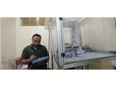 | 1 | /kaggle/input/shop-floor-images/images/1.jpg | Neutral | Neutral
2 | 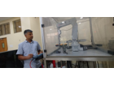 | 2 | /kaggle/input/shop-floor-images/images/2.jpg | Sad | Sad
3 |  | 3 | /kaggle/input/shop-floor-images/images/3.jpg | Fear | Fear
4 |  | 4 | /kaggle/input/shop-floor-images/images/4.jpg | Neutral | Neutral
5 |  | 5 | /kaggle/input/shop-floor-images/images/5.jpg | Neutral | Neutral
6 | 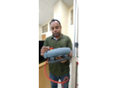 | 6 | /kaggle/input/shop-floor-images/images/6.jpg | Angry | Angry
7 | 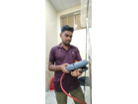 | 7 | /kaggle/input/shop-floor-images/images/7.jpg | Surprise | Surprise
8 | 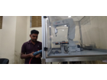 | 8 | /kaggle/input/shop-floor-images/images/8.jpg | Sad | Sad
9 | 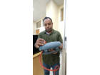 | 9 | /kaggle/input/shop-floor-images/images/9.jpg | Neutral | Neutral
10 |  | 10 | /kaggle/input/shop-floor-images/images/10.jpg | Neutral | Angry
11 | 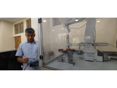 | 11 | /kaggle/input/shop-floor-images/images/11.jpg | Sad | Sad
12 | 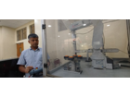 | 12 | /kaggle/input/shop-floor-images/images/12.jpg | Fear | Fear
13 | 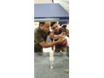 | 13 | /kaggle/input/shop-floor-images/images/13.jpg | Surprise | Surprise
14 | 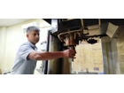 | 14 | /kaggle/input/shop-floor-images/images/14.jpg | Sad | Sad
15 | 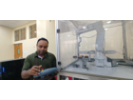 | 15 | /kaggle/input/shop-floor-images/images/15.jpg | Angry | Angry
16 |  | 16 | /kaggle/input/shop-floor-images/images/16.jpg | Angry | Angry
17 |  | 17 | /kaggle/input/shop-floor-images/images/17.jpg | Fear | Fear
18 | 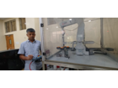 | 18 | /kaggle/input/shop-floor-images/images/18.jpg | Sad | Sad
19 | 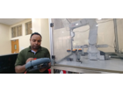 | 19 | /kaggle/input/shop-floor-images/images/19.jpg | Neutral | Neutral
20 | 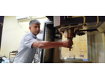 | 20 | /kaggle/input/shop-floor-images/images/20.jpg | Fear | Sad
21 | 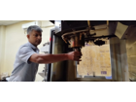 | 21 | /kaggle/input/shop-floor-images/images/21.jpg | Fear | Fear
22 | 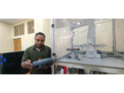 | 22 | /kaggle/input/shop-floor-images/images/22.jpg | Surprise | Sad
23 | 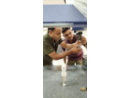 | 23 | /kaggle/input/shop-floor-images/images/23.jpg | Happy | Happy
24 |  | 24 | /kaggle/input/shop-floor-images/images/24.jpg | Neutral | Neutral
25 | 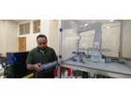 | 25 | /kaggle/input/shop-floor-images/images/25.jpg | Angry | Angry
26 | 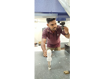 | 26 | /kaggle/input/shop-floor-images/images/26.jpg | Fear | Fear
27 |  | 27 | /kaggle/input/shop-floor-images/images/27.jpg | Angry | Angry
28 | 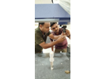 | 28 | /kaggle/input/shop-floor-images/images/28.jpg | Happy | Happy
29 | 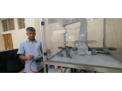 | 29 | /kaggle/input/shop-floor-images/images/29.jpg | Sad | Sad
30 | 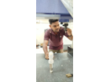 | 30 | /kaggle/input/shop-floor-images/images/30.jpg | Angry | Angry
31 | 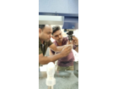 | 31 | /kaggle/input/shop-floor-images/images/31.jpg | Happy | Happy
32 | 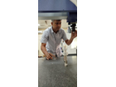 | 32 | /kaggle/input/shop-floor-images/images/32.jpg | Fear | Angry
33 |  | 33 | /kaggle/input/shop-floor-images/images/33.jpg | Sad | Sad
34 |  | 34 | /kaggle/input/shop-floor-images/images/34.jpg | Angry | Angry
35 | 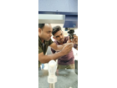 | 35 | /kaggle/input/shop-floor-images/images/35.jpg | Angry | Angry
36 | 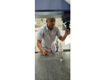 | 36 | /kaggle/input/shop-floor-images/images/36.jpg | Angry | Angry
37 |  | 37 | /kaggle/input/shop-floor-images/images/37.jpg | Neutral | Neutral
38 | 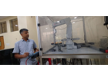 | 38 | /kaggle/input/shop-floor-images/images/38.jpg | Neutral | Neutral
39 | 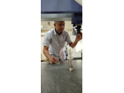 | 39 | /kaggle/input/shop-floor-images/images/39.jpg | Neutral | Neutral
40 |  | 40 | /kaggle/input/shop-floor-images/images/40.jpg | Sad | Sad
41 | 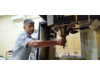 | 41 | /kaggle/input/shop-floor-images/images/41.jpg | Fear | Angry
42 | 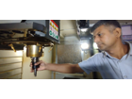 | 42 | /kaggle/input/shop-floor-images/images/42.jpg | Sad | Sad

