Sheet1
EXPERIMENT RESULTS REPORT（30-Sequence）
 | BP | RNN | CRNN | LSTM
DJI | mean_squared_error: 0.170193 root_mean_squared_error: 0.412545 mean_absolute_error: 0.404900 | mean_squared_error: 0.042694 root_mean_squared_error: 0.206624 mean_absolute_error: 0.194221 | mean_squared_error: 0.008341 root_mean_squared_error: 0.091327 mean_absolute_error: 0.070954 | mean_squared_error: 0.023535 root_mean_squared_error: 0.153411 mean_absolute_error: 0.143474
 | 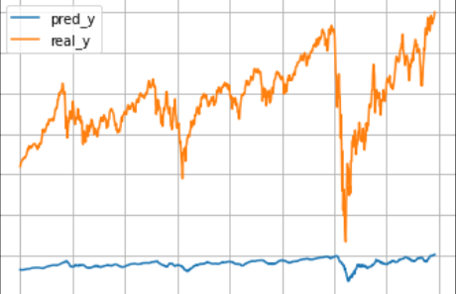 | 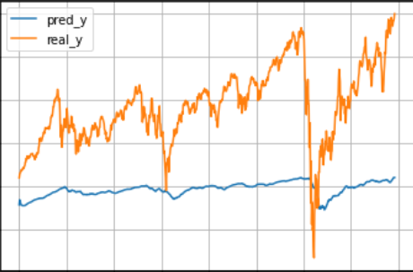 | 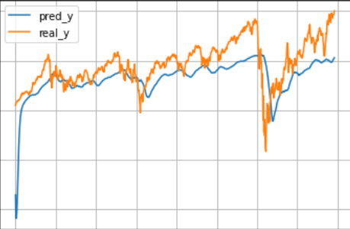 | 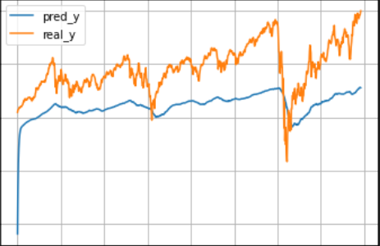
IXIC | mean_squared_error: 0.216896 root_mean_squared_error: 0.465721 mean_absolute_error: 0.452193 | mean_squared_error: 0.055350 root_mean_squared_error: 0.235267 mean_absolute_error: 0.216175 | mean_squared_error: 0.029689 root_mean_squared_error: 0.172306 mean_absolute_error: 0.159067 | mean_squared_error: 0.030270 root_mean_squared_error: 0.173982 mean_absolute_error: 0.159662
 | 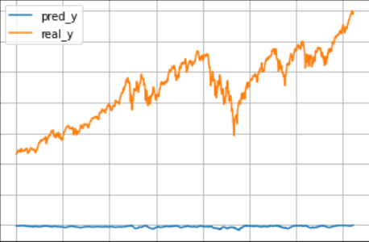 | 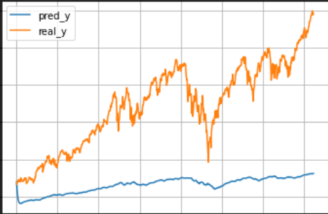 | 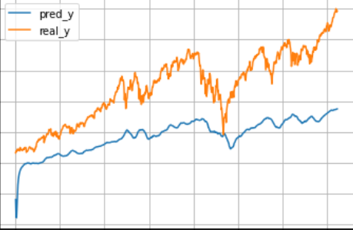 | 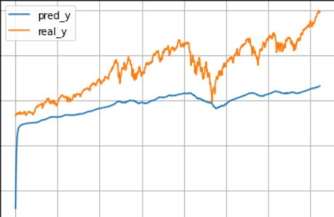
HSI | mean_squared_error: 0.106415 root_mean_squared_error: 0.326213 mean_absolute_error: 0.304508 | mean_squared_error: 0.023335 root_mean_squared_error: 0.152756 mean_absolute_error: 0.127758 | mean_squared_error: 0.005384 root_mean_squared_error: 0.073373 mean_absolute_error: 0.059098 | mean_squared_error: 0.012107 root_mean_squared_error: 0.110030 mean_absolute_error: 0.090730
 | 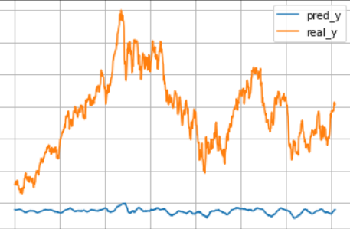 | 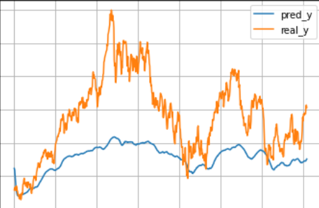 | 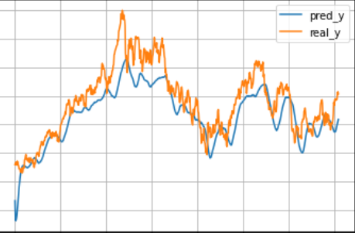 | 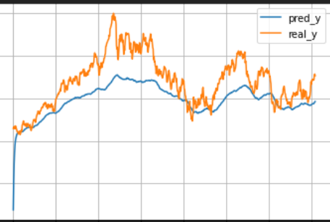
SPX | mean_squared_error: 0.112093 root_mean_squared_error: 0.334803 mean_absolute_error: 0.324805 | mean_squared_error: 0.035566 root_mean_squared_error: 0.188590 mean_absolute_error: 0.171783 | mean_squared_error: 0.015542 root_mean_squared_error: 0.124668 mean_absolute_error: 0.114107 | mean_squared_error: 0.024081 root_mean_squared_error: 0.155180 mean_absolute_error: 0.142515
 | 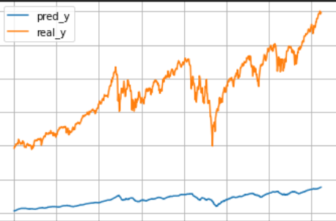 | 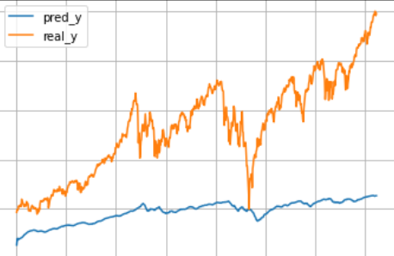 | 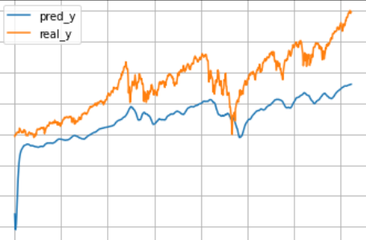 | 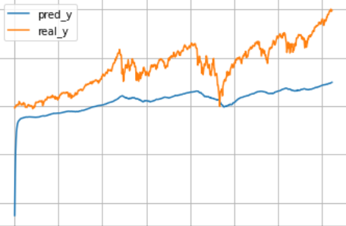
SSE | mean_squared_error: 0.005700 root_mean_squared_error: 0.075496 mean_absolute_error: 0.063675 | mean_squared_error: 0.001694 root_mean_squared_error: 0.041153 mean_absolute_error: 0.030429 | mean_squared_error: 0.001422 root_mean_squared_error: 0.037703 mean_absolute_error: 0.028194 | mean_squared_error: 0.001266 root_mean_squared_error: 0.035585 mean_absolute_error: 0.025317
 | 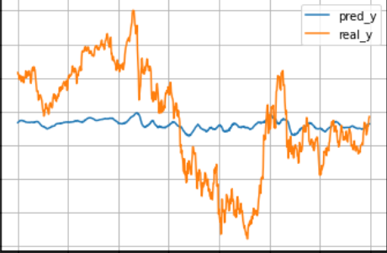 | 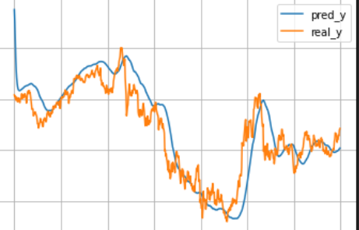 | 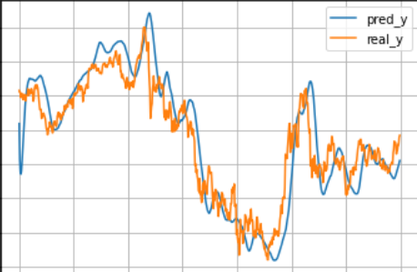 | 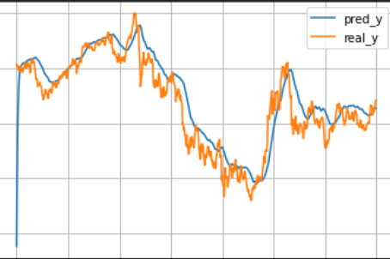
SZSE | mean_squared_error: 0.021531 root_mean_squared_error: 0.146734 mean_absolute_error: 0.113927 | mean_squared_error: 0.001936 root_mean_squared_error: 0.043996 mean_absolute_error: 0.034839 | mean_squared_error: 0.001220 root_mean_squared_error: 0.034934 mean_absolute_error: 0.026180 | mean_squared_error: 0.001706 root_mean_squared_error: 0.041310 mean_absolute_error: 0.029372
 | 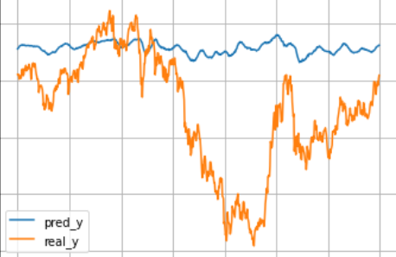 | 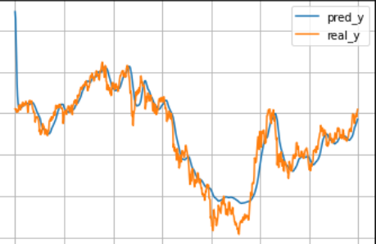 | 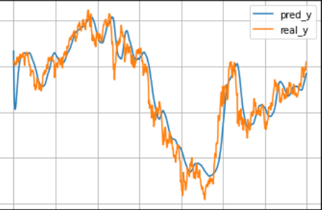 | 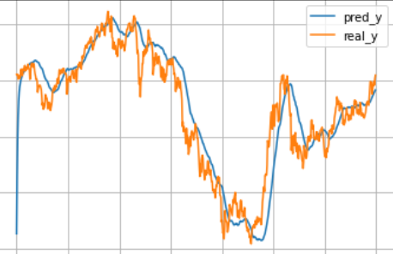
APPL | mean_squared_error: 0.033517 root_mean_squared_error: 0.183077 mean_absolute_error: 0.169854 | mean_squared_error: 0.005180 root_mean_squared_error: 0.071971 mean_absolute_error: 0.039893 | mean_squared_error: 0.005098 root_mean_squared_error: 0.071400 mean_absolute_error: 0.041949 | mean_squared_error: 0.004892 root_mean_squared_error: 0.069945 mean_absolute_error: 0.028241
 | 