Instructions
STEP ONE | Select the ticker from the dropdown list in worksheet "Product".
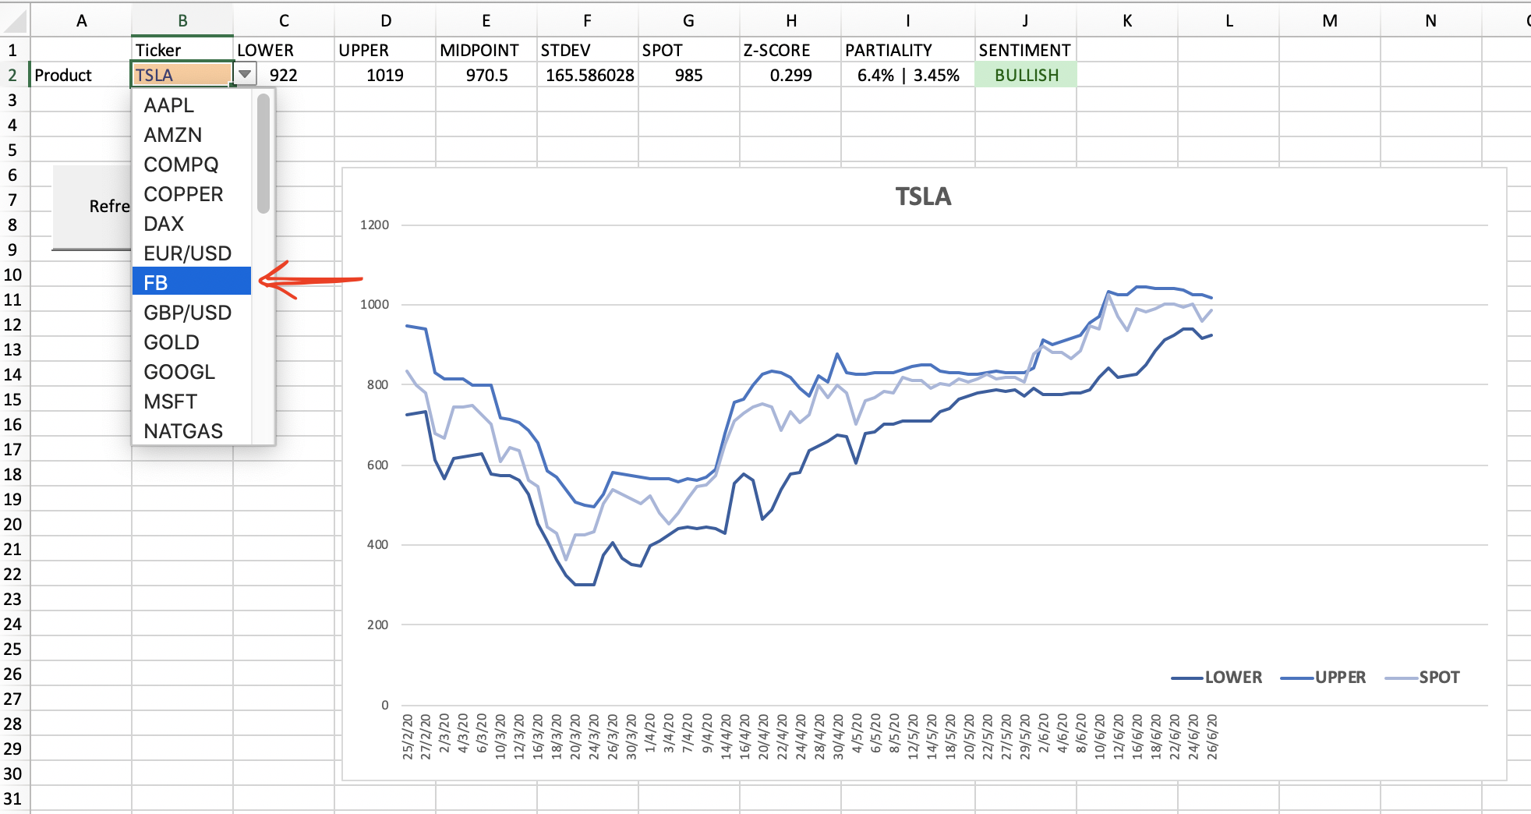

 |  | <------------ | DON'T PRESS THIS BUTTON!!!!

STEP TWO | Click 'Refresh Graph'.
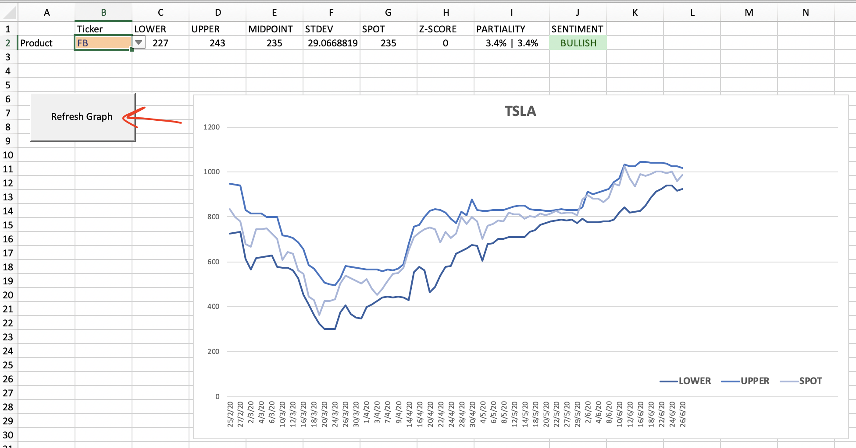

STEP THREE | Observe the day trade price range.
 | Buy when the Spot Price gets close to the Day Price Floor.
 | Sell when the Spot Price gets close to the Day Price Ceiling.
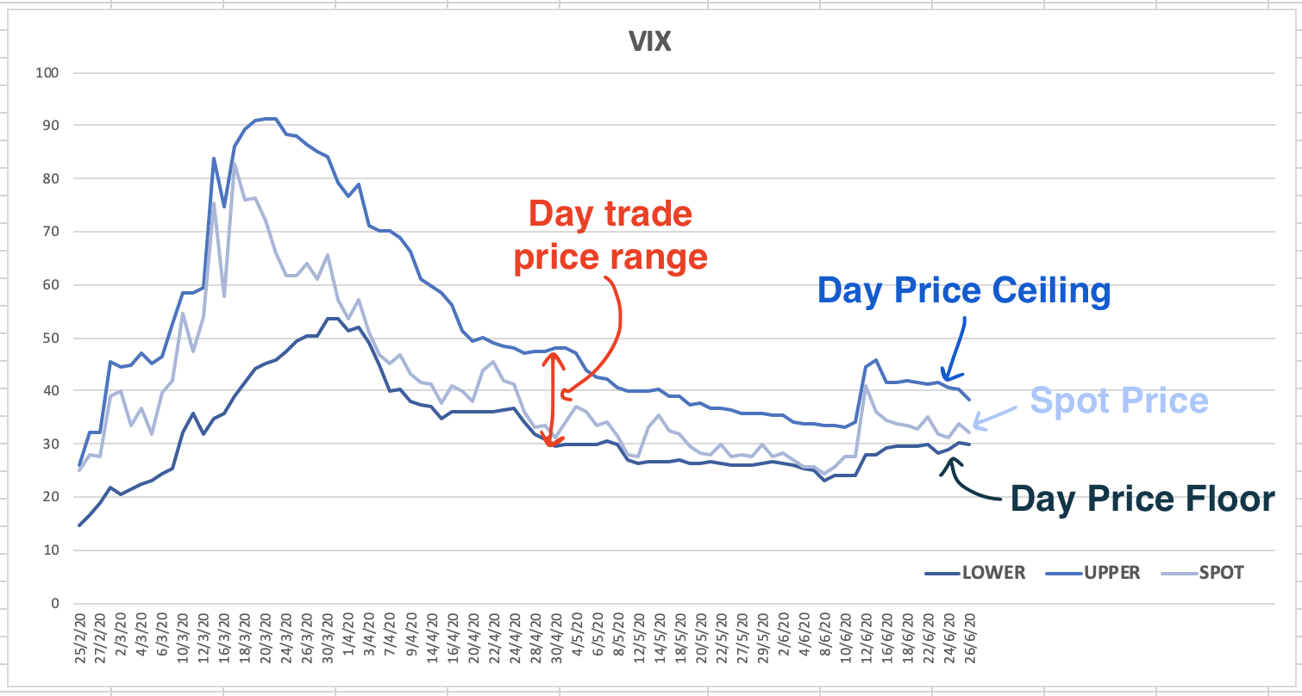

STEP FOUR | Observe the day trade price range.

NOTES | Price range indications are only good for the day.
 | New price ranges for select tickers are published daily 30 minutes before NYSE market open.
 | Caution must be exercised when selling products with BULLISH sentiment and BUYING products with BEARISH sentiment

TICKER: TSLA
 | LOWER | UPPER | SPOT
2/25/2020 | 724 | 946 | 833
2/26/2020 | 730 | 943 | 799
2/27/2020 | 731 | 940 | 778
2/28/2020 | 612 | 830 | 679
3/2/2020 | 565 | 816 | 667
3/3/2020 | 615 | 816 | 743
3/4/2020 | 621 | 815 | 745
3/5/2020 | 623 | 801 | 749
3/6/2020 | 626 | 801 | 724
3/9/2020 | 576 | 801 | 703
3/10/2020 | 572 | 719 | 608
3/11/2020 | 573 | 714 | 645
3/12/2020 | 560 | 707 | 634
3/13/2020 | 528 | 688 | 560
3/16/2020 | 451 | 656 | 546
3/17/2020 | 410 | 585 | 445
3/18/2020 | 363 | 570 | 430
3/19/2020 | 323 | 540 | 361
3/20/2020 | 301 | 507 | 427
3/23/2020 | 301 | 498 | 427
3/24/2020 | 301 | 494 | 434
3/25/2020 | 375 | 528 | 505
3/26/2020 | 405 | 581 | 539
3/27/2020 | 367 | 579 | 528
3/30/2020 | 350 | 573 | 514
3/31/2020 | 347 | 568 | 502
4/1/2020 | 399 | 565 | 524
4/2/2020 | 408 | 566 | 481
4/3/2020 | 425 | 565 | 454
4/6/2020 | 440 | 559 | 480
4/7/2020 | 445 | 566 | 516
4/8/2020 | 441 | 562 | 545
4/9/2020 | 445 | 570 | 548
4/13/2020 | 441 | 589 | 573
4/14/2020 | 430 | 678 | 650
4/15/2020 | 552 | 756 | 709
4/16/2020 | 577 | 764 | 729
4/17/2020 | 561 | 799 | 745
4/20/2020 | 464 | 825 | 753
4/21/2020 | 488 | 836 | 746
4/22/2020 | 540 | 832 | 686
4/23/2020 | 577 | 819 | 732
4/24/2020 | 580 | 790 | 705
4/27/2020 | 637 | 770 | 725
4/28/2020 | 648 | 823 | 798
4/29/2020 | 657 | 805 | 769
4/30/2020 | 674 | 876 | 800
5/1/2020 | 670 | 829 | 781
5/4/2020 | 606 | 828 | 701
5/5/2020 | 680 | 827 | 761
...

VOLATILITY
 | STDEV | CHANNEL_WIDTH
2/25/2020 | 111 | 222
2/26/2020 | 106.5 | 213
2/27/2020 | 104.5 | 209
2/28/2020 | 109 | 218
3/2/2020 | 125.5 | 251
3/3/2020 | 100.5 | 201
3/4/2020 | 97 | 194
3/5/2020 | 89 | 178
3/6/2020 | 87.5 | 175
3/9/2020 | 112.5 | 225
3/10/2020 | 73.5 | 147
3/11/2020 | 70.5 | 141
3/12/2020 | 73.5 | 147
3/13/2020 | 80 | 160
3/16/2020 | 102.5 | 205
3/17/2020 | 87.5 | 175
3/18/2020 | 103.5 | 207
3/19/2020 | 108.5 | 217
3/20/2020 | 103 | 206
3/23/2020 | 98.5 | 197
3/24/2020 | 96.5 | 193
3/25/2020 | 76.5 | 153
3/26/2020 | 88 | 176
3/27/2020 | 106 | 212
3/30/2020 | 111.5 | 223
3/31/2020 | 110.5 | 221
4/1/2020 | 83 | 166
4/2/2020 | 79 | 158
4/3/2020 | 70 | 140
4/6/2020 | 59.5 | 119
4/7/2020 | 60.5 | 121
4/8/2020 | 60.5 | 121
4/9/2020 | 62.5 | 125
4/13/2020 | 74 | 148
4/14/2020 | 124 | 248
4/15/2020 | 102 | 204
4/16/2020 | 93.5 | 187
4/17/2020 | 119 | 238
4/20/2020 | 180.5 | 361
4/21/2020 | 174 | 348
4/22/2020 | 146 | 292
4/23/2020 | 121 | 242
4/24/2020 | 105 | 210
4/27/2020 | 66.5 | 133
4/28/2020 | 87.5 | 175
4/29/2020 | 74 | 148
4/30/2020 | 101 | 202
5/1/2020 | 79.5 | 159
5/4/2020 | 111 | 222
5/5/2020 | 73.5 | 147
...

Sentiment (-1 = BEAR | 0 = NEU | +1 = BULL)
 | SENT_PLOT
2/25/2020 | 1
2/26/2020 | 1
2/27/2020 | 1
2/28/2020 | 0
3/2/2020 | 0
3/3/2020 | 0
3/4/2020 | 0
3/5/2020 | 0
3/6/2020 | 0
3/9/2020 | 0
3/10/2020 | 0
3/11/2020 | 0
3/12/2020 | -1
3/13/2020 | -1
3/16/2020 | -1
3/17/2020 | -1
3/18/2020 | -1
3/19/2020 | -1
3/20/2020 | -1
3/23/2020 | -1
3/24/2020 | -1
3/25/2020 | -1
3/26/2020 | -1
3/27/2020 | -1
3/30/2020 | -1
3/31/2020 | -1
4/1/2020 | -1
4/2/2020 | -1
4/3/2020 | -1
4/6/2020 | -1
4/7/2020 | -1
4/8/2020 | -1
4/9/2020 | -1
4/13/2020 | -1
4/14/2020 | 1
4/15/2020 | 1
4/16/2020 | 1
4/17/2020 | 1
4/20/2020 | 1
4/21/2020 | 1
4/22/2020 | 1
4/23/2020 | 1
4/24/2020 | 1
4/27/2020 | 1
4/28/2020 | 1
4/29/2020 | 1
4/30/2020 | 1
5/1/2020 | 1
5/4/2020 | 1
5/5/2020 | 1
...

Product
 | Ticker | LOWER | UPPER | MIDPOINT | STDEV | CHANNEL_WIDTH | SPOT | Z-SCORE | PARTIALITY | SENTIMENT |  | Ticker |  |  | END DATE | 25-Feb-2021
Product | TSLA | 686 | 798 | 742 | 399.7035402 | 112 | 742 | 0 | 7.55% | 7.55% | BEARISH |  | =TSLA

 |  |  |  |  |  |  |  |  |  |  |  |  |  |  | TICKER | LOWER | UPPER | MIDPOINT | STDEV | WIDTH | SPOT | Z-SCORE | PARTIALITY | SENTIMENT | SENT_PLOT
 |  |  |  | DAY | MONTH | YEAR |  |  |  |  |  |  |  |  | UST10Y | 1.47 | 1.25 | 1.36 | 0.11 | 0.22 | 1.38 | 0.18181818182 | 6.52% | 9.42% | BULLISH | 1
 |  |  | Chart Start | 1 | 10 | 2020 |  |  |  |  | 44105 | =INDEX(Staging!G:G,MATCH(Product!$L$6,Staging!G:G,0)):INDEX(Staging!G:G,MATCH(Product!$L$7,Staging!G:G,0)) | x-axis | Staging!$G$155:$G$255 | UST2Y | 0.15 | 0.11 | 0.13 | 0.02 | 0.04 | 0.12 | -0.5 | 25% | 8.33% | NEUTRAL | 0
 |  |  | Chart End | 26 | 2 | 2021 |  |  |  |  | 44252 | =INDEX(Staging!J:J,MATCH($L$6,Staging!G:G,0)):INDEX(Staging!J:J,MATCH($L$7,Staging!G:G,0)) | LOWER | Staging!$J$155:$J$255 | SPX | 3870 | 3960 | 3915 | 45 | 90 | 3925 | 0.22222222222 | 1.4% | 0.89% | BULLISH | 1
 |  |  |  |  |  |  |  |  |  |  |  | =INDEX(Staging!K:K,MATCH($L$6,Staging!G:G,0)):INDEX(Staging!K:K,MATCH($L$7,Staging!G:G,0)) | UPPER | Staging!$K$155:$K$255 | RUT | 2213 | 2307 | 2260 | 47 | 94 | 2284 | 0.51063829787 | 3.11% | 1.01% | BULLISH | 1
 |  |  |  |  |  |  |  |  |  |  |  | =INDEX(Staging!O:O,MATCH($L$6,Staging!G:G,0)):INDEX(Staging!O:O,MATCH($L$7,Staging!G:G,0)) | SPOT | Staging!$O$155:$O$255 | COMPQ | 13361 | 14288 | 13824.5 | 463.5 | 927 | 13597 | -0.49083063646 | 1.74% | 5.08% | BULLISH | 1
 |  |  |  |  |  |  |  |  |  |  |  | =INDEX(Staging!M:M,MATCH($L$6,Staging!G:G,0)):INDEX(Staging!M:M,MATCH($L$7,Staging!G:G,0)) | STDEV.S | Staging!$M$155:$M$255 | XLK | 132.01 | 140.19 | 136.1 | 4.09 | 8.18 | 134.71 | -0.33985330073 | 2% | 4.07% | BULLISH | 1
TICKER: TSLA
 | LOWER | UPPER | SPOT
10/1/2020 | 373 | 462 | 429
10/2/2020 | 370 | 462 | 448
10/5/2020 | 371 | 455 | 415
10/6/2020 | 374 | 455 | 425
10/7/2020 | 377 | 450 | 413
10/8/2020 | 397 | 448 | 425
10/9/2020 | 401 | 445 | 425
10/12/2020 | 404 | 448 | 434
10/13/2020 | 407 | 453 | 442
10/14/2020 | 407 | 455 | 446
10/15/2020 | 401 | 471 | 461
10/16/2020 | 406 | 466 | 448
10/19/2020 | 408 | 465 | 439
10/20/2020 | 411 | 463 | 430
10/21/2020 | 411 | 463 | 421
10/22/2020 | 412 | 466 | 422
10/23/2020 | 411 | 465 | 425
10/26/2020 | 402 | 463 | 420
10/27/2020 | 401 | 460 | 420
10/28/2020 | 403 | 450 | 424
10/29/2020 | 401 | 442 | 406
10/30/2020 | 401 | 436 | 410
11/2/2020 | 380 | 437 | 388
11/3/2020 | 380 | 437 | 400
11/4/2020 | 374 | 441 | 423
11/5/2020 | 388 | 441 | 420
11/6/2020 | 385 | 445 | 438
11/9/2020 | 387 | 447 | 429
11/10/2020 | 385 | 445 | 421
11/11/2020 | 379 | 444 | 410
11/12/2020 | 386 | 446 | 417
11/13/2020 | 391 | 441 | 411
11/16/2020 | 399 | 440 | 408
11/17/2020 | 399 | 465 | 408
11/18/2020 | 395 | 451 | 441
11/19/2020 | 388 | 509 | 486
11/20/2020 | 430 | 505 | 499
11/23/2020 | 433 | 516 | 489
11/24/2020 | 454 | 544 | 521
11/25/2020 | 470 | 580 | 555
11/27/2020 | 489 | 601 | 574
11/30/2020 | 507 | 619 | 585
12/1/2020 | 514 | 618 | 567
12/2/2020 | 514 | 619 | 584
12/3/2020 | 497 | 619 | 568
12/4/2020 | 506 | 629 | 593
12/7/2020 | 527 | 618 | 599
12/8/2020 | 540 | 655 | 641
12/9/2020 | 551 | 656 | 649
12/10/2020 | 545 | 655 | 604
...
 |  |  |  |  |  |  |  |  |  |  |  | =INDEX(Staging!N:N,MATCH($L$6,Staging!G:G,0)):INDEX(Staging!N:N,MATCH($L$7,Staging!G:G,0)) | WIDTH | Staging!$N$155:$N$255 | XLE | 46.18 | 51.32 | 48.75 | 2.57 | 5.14 | 50.29 | 0.59922178988 | 8.17% | 2.05% | BULLISH | 1
 |  |  |  |  |  |  |  |  |  |  |  |  | SENTIMENT | Staging!$S$155:$S$255 | XLF | 31.9 | 33.93 | 32.915 | 1.015 | 2.03 | 33.55 | 0.62561576355 | 4.92% | 1.13% | BULLISH | 1
 |  |  |  |  |  |  |  |  |  |  |  |  |  |  | XLU | 59.35 | 61.68 | 60.515 | 1.165 | 2.33 | 60 | -0.44206008584 | 1.08% | 2.8% | BEARISH | -1
 |  |  |  |  |  |  |  |  |  |  |  |  |  |  | GDX | 31.98 | 34.97 | 33.475 | 1.495 | 2.99 | 33.7 | 0.15050167224 | 5.1% | 3.77% | BEARISH | -1
 |  |  |  |  |  |  |  |  |  |  |  |  |  |  | SSEC | 3485 | 3740 | 3612.5 | 127.5 | 255 | 3585 | -0.21568627451 | 2.79% | 4.32% | BULLISH | 1
 |  |  |  |  |  |  |  |  |  |  |  |  |  |  | NIKK | 29371 | 30670 | 30020.5 | 649.5 | 1299 | 30168 | 0.22709776751 | 2.64% | 1.66% | BULLISH | 1
 |  |  |  |  |  |  |  |  |  |  |  |  |  |  | DAX | 13809 | 14157 | 13983 | 174 | 348 | 13976 | -0.040229885057 | 1.19% | 1.3% | BULLISH | 1
 |  |  |  |  |  |  |  |  |  |  |  |  |  |  | VIX | 18.84 | 24.08 | 21.46 | 2.62 | 5.24 | 21.34 | -0.045801526718 | 11.72% | 12.84% | BEARISH | -1
 |  |  |  |  |  |  |  |  |  |  |  |  |  |  | USD | 89.68 | 90.83 | 90.255 | 0.575 | 1.15 | 90.17 | -0.14782608696 | 0.54% | 0.73% | BEARISH | -1
 |  |  |  |  |  |  |  |  |  |  |  |  |  |  | EUR/USD | 1.206 | 1.224 | 1.215 | 0.009 | 0.018 | 1.216 | 0.11111111111 | 0.82% | 0.66% | BULLISH | 1
 |  |  |  |  |  |  |  |  |  |  |  |  |  |  | USD/JPY | 104.64 | 106.49 | 105.565 | 0.925 | 1.85 | 105.88 | 0.34054054054 | 1.17% | 0.58% | BULLISH | 1
 |  |  |  |  |  |  |  |  |  |  |  |  |  |  | GBP/USD | 1.383 | 1.421 | 1.402 | 0.019 | 0.038 | 1.414 | 0.63157894737 | 2.19% | 0.5% | BULLISH | 1
 |  |  |  |  |  |  |  |  |  |  |  |  |  |  | CAD/USD | 0.79 | 0.8 | 0.795 | 0.005 | 0.01 | 0.79 | -1 | 0% | 1.27% | BULLISH | 1
 |  |  |  |  |  |  |  |  |  |  |  |  |  |  | USD/CHF | 0.88 | 0.91 | 0.895 | 0.015 | 0.03 | 0.9 | 0.33333333333 | 2.22% | 1.11% | BEARISH | -1
 |  |  |  |  |  |  |  |  |  |  |  |  |  |  | WTIC | 57.92 | 63.65 | 60.785 | 2.865 | 5.73 | 63.22 | 0.84991273997 | 8.38% | 0.68% | BULLISH | 1
 |  |  |  |  |  |  |  |  |  |  |  |  |  |  | NATGAS | 2.7 | 3.24 | 2.97 | 0.27 | 0.54 | 2.8 | -0.62962962963 | 3.57% | 15.71% | BULLISH | 1
 |  |  |  |  |  |  |  |  |  |  |  |  |  |  | GOLD | 1755 | 1822 | 1788.5 | 33.5 | 67 | 1797 | 0.25373134328 | 2.34% | 1.39% | BEARISH | -1
 |  |  |  |  |  |  |  |  |  |  |  |  |  |  | COPPER | 3.97 | 4.38 | 4.175 | 0.205 | 0.41 | 4.3 | 0.60975609756 | 7.67% | 1.86% | BULLISH | 1
 |  |  |  |  |  |  |  |  |  |  |  |  |  |  | SILVER | 26.8 | 28.31 | 27.555 | 0.755 | 1.51 | 27.86 | 0.40397350993 | 3.8% | 1.62% | BULLISH | 1
 |  |  |  |  |  |  |  |  |  |  |  |  |  |  | MSFT | 231 | 250 | 240.5 | 9.5 | 19 | 234 | -0.68421052632 | 1.28% | 6.84% | BULLISH | 1
 |  |  |  |  |  |  |  |  |  |  |  |  |  |  | AAPL | 121 | 132 | 126.5 | 5.5 | 11 | 125 | -0.27272727273 | 3.2% | 5.6% | BEARISH | -1
 |  |  |  |  |  |  |  |  |  |  |  |  |  |  | AMZN | 3108 | 3262 | 3185 | 77 | 154 | 3159 | -0.33766233766 | 1.61% | 3.26% | BEARISH | -1
 |  |  |  |  |  |  |  |  |  |  |  |  |  |  | FB | 255 | 276 | 265.5 | 10.5 | 21 | 264 | -0.14285714286 | 3.41% | 4.55% | NEUTRAL | 0
 |  |  |  |  |  |  |  |  |  |  |  |  |  |  | GOOGL | 2041 | 2134 | 2087.5 | 46.5 | 93 | 2083 | -0.096774193548 | 2.02% | 2.45% | BULLISH | 1
 |  |  |  |  |  |  |  |  |  |  |  |  |  |  | NFLX | 531 | 568 | 549.5 | 18.5 | 37 | 553 | 0.18918918919 | 3.98% | 2.71% | BULLISH | 1
 |  |  |  |  |  |  |  |  |  |  |  |  |  |  | TSLA | 686 | 798 | 742 | 56 | 112 | 742 | 0 | 7.55% | 7.55% | BEARISH | -1
VOLATILITY
 | STDEV | CHANNEL_WIDTH
10/1/2020 | 44.5 | 89
10/2/2020 | 46 | 92
10/5/2020 | 42 | 84
10/6/2020 | 40.5 | 81
10/7/2020 | 36.5 | 73
10/8/2020 | 25.5 | 51
10/9/2020 | 22 | 44
10/12/2020 | 22 | 44
10/13/2020 | 23 | 46
10/14/2020 | 24 | 48
10/15/2020 | 35 | 70
10/16/2020 | 30 | 60
10/19/2020 | 28.5 | 57
10/20/2020 | 26 | 52
10/21/2020 | 26 | 52
10/22/2020 | 27 | 54
10/23/2020 | 27 | 54
10/26/2020 | 30.5 | 61
10/27/2020 | 29.5 | 59
10/28/2020 | 23.5 | 47
10/29/2020 | 20.5 | 41
10/30/2020 | 17.5 | 35
11/2/2020 | 28.5 | 57
11/3/2020 | 28.5 | 57
11/4/2020 | 33.5 | 67
11/5/2020 | 26.5 | 53
11/6/2020 | 30 | 60
11/9/2020 | 30 | 60
11/10/2020 | 30 | 60
11/11/2020 | 32.5 | 65
11/12/2020 | 30 | 60
11/13/2020 | 25 | 50
11/16/2020 | 20.5 | 41
11/17/2020 | 33 | 66
11/18/2020 | 28 | 56
11/19/2020 | 60.5 | 121
11/20/2020 | 37.5 | 75
11/23/2020 | 41.5 | 83
11/24/2020 | 45 | 90
11/25/2020 | 55 | 110
11/27/2020 | 56 | 112
11/30/2020 | 56 | 112
12/1/2020 | 52 | 104
12/2/2020 | 52.5 | 105
12/3/2020 | 61 | 122
12/4/2020 | 61.5 | 123
12/7/2020 | 45.5 | 91
12/8/2020 | 57.5 | 115
12/9/2020 | 52.5 | 105
12/10/2020 | 55 | 110
...
 |  |  |  |  |  |  |  |  |  |  |  |  |  |  | NYXBT | 44868 | 54959 | 49913.5 | 5045.5 | 10091 | 49474 | -0.087107323357 | 9.31% | 11.09% | BULLISH | 1

SENTIMENT (-1 = BEAR | 0 = NEU | +1 = BULL)
 | SENT_PLOT
10/1/2020 | 0
10/2/2020 | 0
10/5/2020 | 0
10/6/2020 | 0
10/7/2020 | 0
10/8/2020 | 0
10/9/2020 | 0
10/12/2020 | 0
10/13/2020 | 0
10/14/2020 | 0
10/15/2020 | 0
10/16/2020 | 0
10/19/2020 | 0
10/20/2020 | 0
10/21/2020 | 0
10/22/2020 | 0
10/23/2020 | 0
10/26/2020 | 0
10/27/2020 | 0
10/28/2020 | 0
10/29/2020 | 0
10/30/2020 | 0
11/2/2020 | 0
11/3/2020 | 0
11/4/2020 | 0
11/5/2020 | 0
11/6/2020 | 0
11/9/2020 | 0
11/10/2020 | 0
11/11/2020 | 0
11/12/2020 | 0
11/13/2020 | 0
11/16/2020 | 0
11/17/2020 | 0
11/18/2020 | 0
11/19/2020 | 1
11/20/2020 | 1
11/23/2020 | 1
11/24/2020 | 1
11/25/2020 | 1
11/27/2020 | 1
11/30/2020 | 1
12/1/2020 | 1
12/2/2020 | 1
12/3/2020 | 1
12/4/2020 | 1
12/7/2020 | 1
12/8/2020 | 1
12/9/2020 | 1
12/10/2020 | 1
...

