Jout con
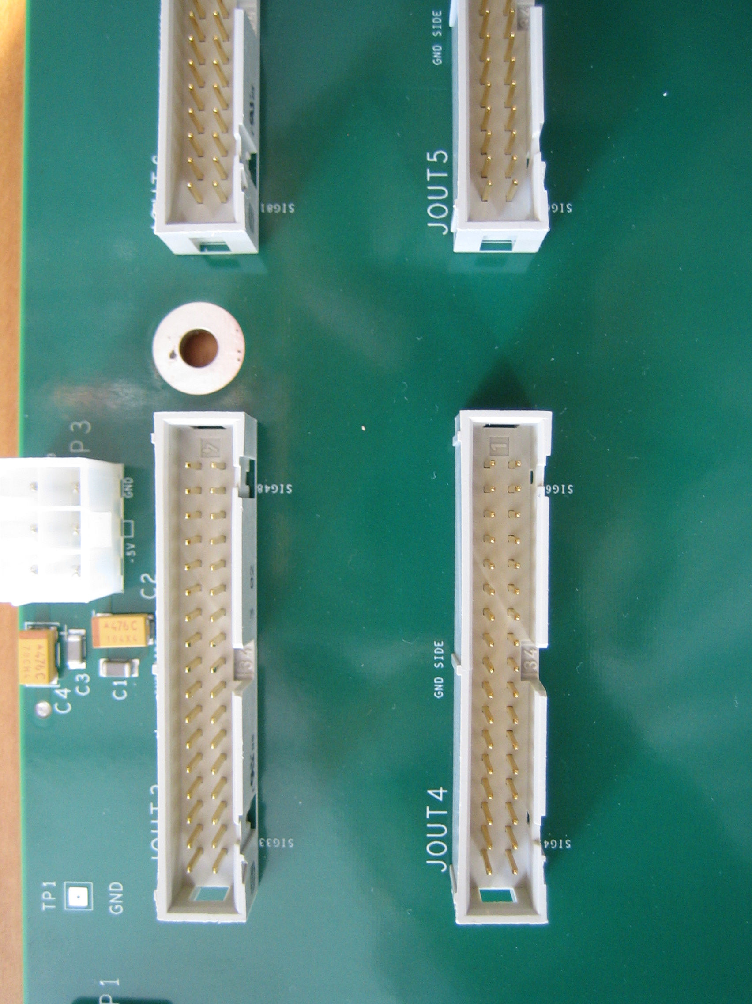
 |  |  | LEFT TOP (115 CHANNELS)

JOUTx |  | JOUT1 |  | JOUT2 |  | JOUT3 |  | JOUT4 |  | JOUT5 |  | JOUT6 |  | JOUT7 |  | JOUT8

1 | 2 | J1 | GND | J17 | GND | J33 | GND | J49 | GND | J65 | GND | J81 | GND | J97 | GND | J113 | GND
3 | 4 | J2 | GND | J18 | GND | J34 | GND | J50 | GND | J66 | GND | J82 | GND | J98 | GND | J114 | GND
5 | 6 | J3 | GND | J19 | GND | J35 | GND | J51 | GND | J67 | GND | J83 | GND | J99 | GND | J115 | GND
7 | 8 | J4 | GND | J20 | GND | J36 | GND | J452 | GND | J68 | GND | J84 | GND | J100 | GND | NC | GND
9 | 10 | J5 | GND | J21 | GND | J37 | GND | J53 | GND | J69 | GND | J85 | GND | J101 | GND | NC | GND
11 | 12 | J6 | GND | J22 | GND | J38 | GND | J54 | GND | J70 | GND | J86 | GND | J102 | GND | NC | GND
13 | 14 | J7 | GND | J23 | GND | J39 | GND | J55 | GND | J71 | GND | J87 | GND | J103 | GND | NC | GND
15 | 16 | J8 | GND | J24 | GND | J40 | GND | J56 | GND | J72 | GND | J88 | GND | J104 | GND | NC | GND
17 | 18 | J9 | GND | J25 | GND | J41 | GND | J57 | GND | J73 | GND | J89 | GND | J105 | GND | NC | GND
19 | 20 | J10 | GND | J26 | GND | J42 | GND | J58 | GND | J74 | GND | J90 | GND | J106 | GND | NC | GND
21 | 22 | J11 | GND | J27 | GND | J43 | GND | J59 | GND | J75 | GND | J91 | GND | J107 | GND | NC | GND
23 | 24 | J12 | GND | J28 | GND | J44 | GND | J60 | GND | J76 | GND | J92 | GND | J108 | GND | NC | GND
25 | 26 | J13 | GND | J29 | GND | J45 | GND | J61 | GND | J77 | GND | J93 | GND | J109 | GND | NC | GND
27 | 28 | J14 | GND | J30 | GND | J46 | GND | J62 | GND | J78 | GND | J94 | GND | J110 | GND | NC | GND
29 | 30 | J15 | GND | J31 | GND | J47 | GND | J63 | GND | J79 | GND | J95 | GND | J111 | GND | NC | GND
31 | 32 | J16 | GND | J32 | GND | J48 | GND | J64 | GND | J80 | GND | J96 | GND | J112 | GND | NC | GND
33 | 34 | NC | NC | NC | NC | NC | NC | NC | NC | NC | NC | NC | NC | NC | NC | NC | NC

 |  |  | LEFT BOTTOM (115 CHANNELS)

JOUTx |  | JOUT9 |  | JOUT10 |  | JOUT11 |  | JOUT12 |  | JOUT13 |  | JOUT14 |  | JOUT15 |  | JOUT16

1 | 2 | J131 | GND | NC | GND | J155 | GND | J171 | GND | J187 | GND | J203 | GND | J219 | GND | NC | GND
3 | 4 | J130 | GND | NC | GND | J154 | GND | J170 | GND | J186 | GND | J202 | GND | J218 | GND | NC | GND
5 | 6 | J129 | GND | NC | GND | J153 | GND | J169 | GND | J185 | GND | J201 | GND | J217 | GND | NC | GND
7 | 8 | J128 | GND | NC | GND | J152 | GND | J168 | GND | J184 | GND | J200 | GND | J216 | GND | NC | GND
9 | 10 | J127 | GND | NC | GND | J151 | GND | J167 | GND | J183 | GND | J199 | GND | J215 | GND | NC | GND
11 | 12 | J126 | GND | NC | GND | J150 | GND | J166 | GND | J182 | GND | J198 | GND | J214 | GND | J230 | GND
13 | 14 | J125 | GND | NC | GND | J149 | GND | J165 | GND | J181 | GND | J197 | GND | J213 | GND | J229 | GND
15 | 16 | J124 | GND | NC | GND | J148 | GND | J164 | GND | J180 | GND | J196 | GND | J212 | GND | J228 | GND
17 | 18 | J123 | GND | J139 | GND | J147 | GND | J163 | GND | J179 | GND | J195 | GND | J211 | GND | J227 | GND
19 | 20 | J122 | GND | J138 | GND | J146 | GND | J162 | GND | J178 | GND | J194 | GND | J210 | GND | J226 | GND
21 | 22 | J121 | GND | J137 | GND | J145 | GND | J161 | GND | J177 | GND | J193 | GND | J209 | GND | J225 | GND
23 | 24 | J120 | GND | J136 | GND | J144 | GND | J160 | GND | J176 | GND | J192 | GND | J208 | GND | J224 | GND
25 | 26 | J119 | GND | J135 | GND | J143 | GND | J159 | GND | J175 | GND | J191 | GND | J207 | GND | J223 | GND
27 | 28 | J118 | GND | J134 | GND | J142 | GND | J158 | GND | J174 | GND | J190 | GND | J206 | GND | J222 | GND
29 | 30 | J117 | GND | J133 | GND | J141 | GND | J157 | GND | J173 | GND | J189 | GND | J205 | GND | J221 | GND
31 | 32 | J116 | GND | J132 | GND | J140 | GND | J156 | GND | J172 | GND | J188 | GND | J204 | GND | J220 | GND
33 | 34 | NC | NC | NC | NC | NC | NC | NC | NC | NC | NC | NC | NC | NC | NC | NC | NC

 |  |  | RIGHT TOP (106 CHANNELS)

JOUTx |  | JOUT1 |  | JOUT2 |  | JOUT3 |  | JOUT4 |  | JOUT5 |  | JOUT6 |  | JOUT7

1 | 2 | J1 | GND | J17 | GND | J33 | GND | J49 | GND | J65 | GND | J81 | GND | J97 | GND
3 | 4 | J2 | GND | J18 | GND | J34 | GND | J50 | GND | J66 | GND | J82 | GND | J98 | GND
5 | 6 | J3 | GND | J19 | GND | J35 | GND | J51 | GND | J67 | GND | J83 | GND | J99 | GND
7 | 8 | J4 | GND | J20 | GND | J36 | GND | J452 | GND | J68 | GND | J84 | GND | J100 | GND
9 | 10 | J5 | GND | J21 | GND | J37 | GND | J53 | GND | J69 | GND | J85 | GND | J101 | GND
11 | 12 | J6 | GND | J22 | GND | J38 | GND | J54 | GND | J70 | GND | J86 | GND | J102 | GND
13 | 14 | J7 | GND | J23 | GND | J39 | GND | J55 | GND | J71 | GND | J87 | GND | J103 | GND
15 | 16 | J8 | GND | J24 | GND | J40 | GND | J56 | GND | J72 | GND | J88 | GND | J104 | GND
17 | 18 | J9 | GND | J25 | GND | J41 | GND | J57 | GND | J73 | GND | J89 | GND | J105 | GND
19 | 20 | J10 | GND | J26 | GND | J42 | GND | J58 | GND | J74 | GND | J90 | GND | J106 | GND
21 | 22 | J11 | GND | J27 | GND | J43 | GND | J59 | GND | J75 | GND | J91 | GND | NC | GND
23 | 24 | J12 | GND | J28 | GND | J44 | GND | J60 | GND | J76 | GND | J92 | GND | NC | GND
25 | 26 | J13 | GND | J29 | GND | J45 | GND | J61 | GND | J77 | GND | J93 | GND | NC | GND
27 | 28 | J14 | GND | J30 | GND | J46 | GND | J62 | GND | J78 | GND | J94 | GND | NC | GND
29 | 30 | J15 | GND | J31 | GND | J47 | GND | J63 | GND | J79 | GND | J95 | GND | NC | GND
31 | 32 | J16 | GND | J32 | GND | J48 | GND | J64 | GND | J80 | GND | J96 | GND | NC | GND
33 | 34 | NC | NC | NC | NC | NC | NC | NC | NC | NC | NC | NC | NC | NC | NC

 |  |  | LEFT BOTTOM (106 CHANNELS)

JOUTx |  | JOUT8 |  | JOUT9 |  | JOUT10 |  | JOUT11 |  | JOUT12 |  | JOUT13 |  | JOUT14

1 | 2 | J122 | GND | J138 | GND | J154 | GND | J170 | GND | J186 | GND | J202 | GND | NC | GND
3 | 4 | J121 | GND | J137 | GND | J153 | GND | J169 | GND | J185 | GND | J201 | GND | NC | GND
5 | 6 | J120 | GND | J136 | GND | J152 | GND | J168 | GND | J184 | GND | J200 | GND | NC | GND
7 | 8 | J119 | GND | J135 | GND | J151 | GND | J167 | GND | J183 | GND | J199 | GND | NC | GND
9 | 10 | J118 | GND | J134 | GND | J150 | GND | J166 | GND | J182 | GND | J198 | GND | NC | GND
11 | 12 | J117 | GND | J133 | GND | J149 | GND | J165 | GND | J181 | GND | J197 | GND | NC | GND
13 | 14 | J116 | GND | J132 | GND | J148 | GND | J164 | GND | J180 | GND | J196 | GND | J212 | GND
15 | 16 | J115 | GND | J131 | GND | J147 | GND | J163 | GND | J179 | GND | J195 | GND | J211 | GND
17 | 18 | J114 | GND | J130 | GND | J146 | GND | J162 | GND | J178 | GND | J194 | GND | J210 | GND
19 | 20 | J113 | GND | J129 | GND | J145 | GND | J161 | GND | J177 | GND | J193 | GND | J209 | GND
21 | 22 | J112 | GND | J128 | GND | J144 | GND | J160 | GND | J176 | GND | J192 | GND | J208 | GND
23 | 24 | J111 | GND | J127 | GND | J143 | GND | J159 | GND | J175 | GND | J191 | GND | J207 | GND
25 | 26 | J110 | GND | J126 | GND | J142 | GND | J158 | GND | J174 | GND | J190 | GND | J206 | GND
27 | 28 | J109 | GND | J125 | GND | J141 | GND | J157 | GND | J173 | GND | J189 | GND | J205 | GND
29 | 30 | J108 | GND | J124 | GND | J140 | GND | J156 | GND | J172 | GND | J188 | GND | J204 | GND
31 | 32 | J107 | GND | J123 | GND | J139 | GND | J155 | GND | J171 | GND | J187 | GND | J203 | GND
33 | 34 | NC | NC | NC | NC | NC | NC | NC | NC | NC | NC | NC | NC | NC | NC

