Sheet1
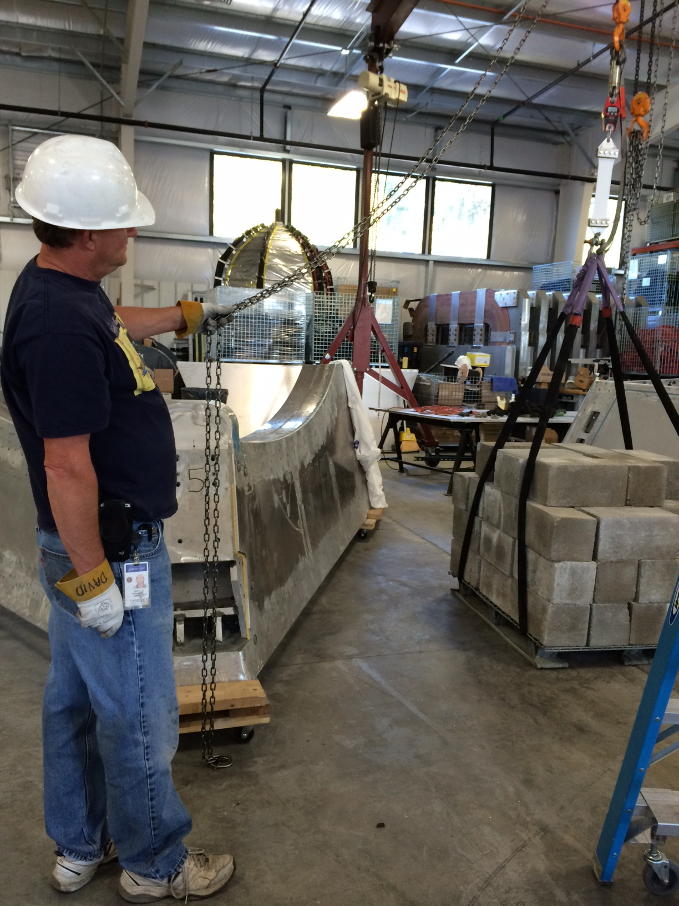
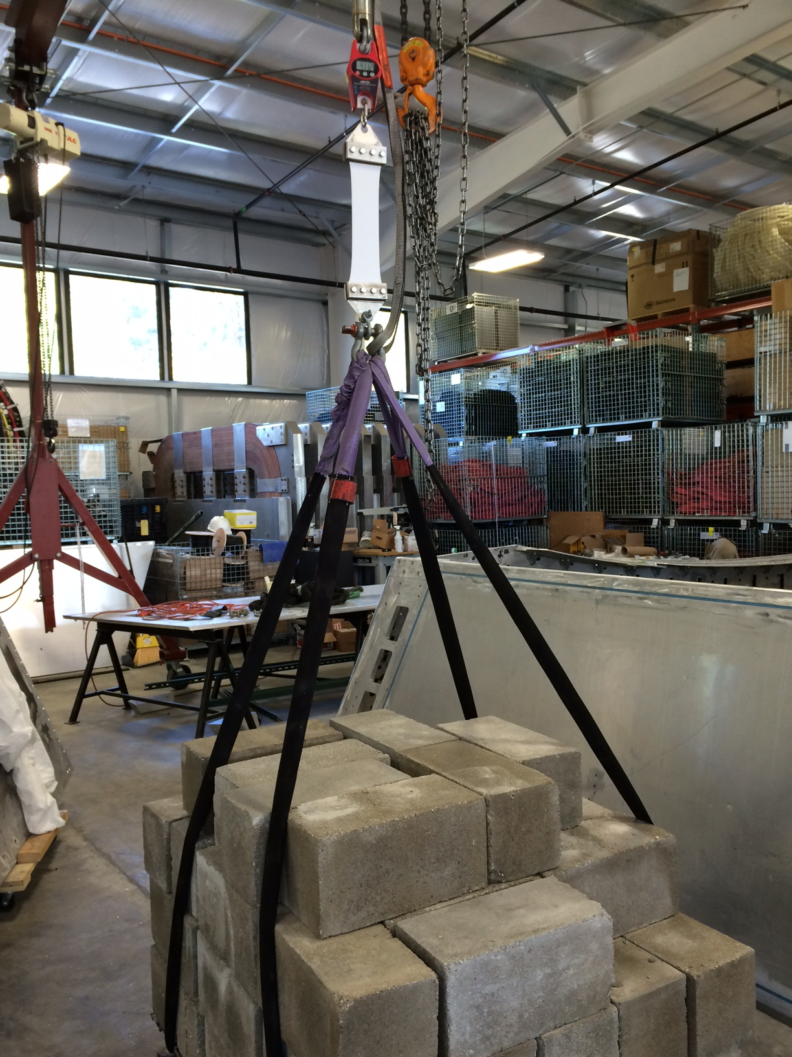
Tedlar: |  | Dielectric Mylar A
1.5 mil TWH-15-BL3 |  | 3 mil

Force (lbs) | Length | Stretch (in) | Stress (psi) | Length (in) | 8.6
6 | 9.1250 | 0.0000 | 250.0 | Thickness (in) | 0.006
37 | 9.1250 | 0.0000 | 1541.7 | Width (in) | 4.0
76 | 9.1250 | 0.0000 | 3166.7 | Area Cross Section (in²) | 0.0240
117 | 9.1875 | 0.0625 | 4875.0
160 | 9.2500 | 0.1250 | 6666.7
200 | 9.4375 | 0.3125 | 8333.3
240 | 9.8125 | 0.6875 | 10000.0
280 | 10.5000 | 1.3750 | 11666.7
440 | 12.1250 | 3.0000 | 18333.3

