cRio Module Assignments
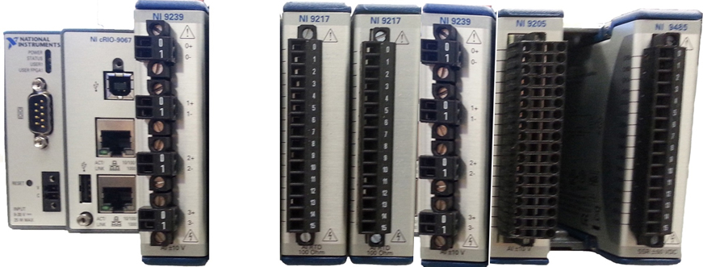
SVT Hardware Interlock System Channel Assignments
 | Slot 1 | Slot 2 | Slot 3 | Slot 4 | Slot 5 | Slot 6 | Slot 7 | Slot 8
Channel | NI 9239 ADC | Empty | NI 9217 RTD | NI 9217 RTD | NI 9239 ADC | NI 9205 ADC | Empty | NI 9485 Relay
Ch 0 | HFCB R1 M1 - Top |  | Detector Temp (R2) | Ambient Temperature 1 | Coolant Flow Outlet | Detector Humidity (R2) |  | Mpod Crate 1 Enable
Ch 1 | HFCB R2 M1 - Top |  | Detector Temp (R3) | Ambient Temperature 2 | Coolant Flow Inlet | Detector Humidity (R3) |  | Mpod Crate 2 Enable
Ch 2 | HFCB R3 M1 - Top |  | Detector Temp (R4) | Spare | Coolant Temp | Detector Humidity (R4) |  | Mpod Crate 3 Enable
Ch 3 | HFCB R4 M1 - Top |  | Spare | Spare | Coolant Leak 1 | Ambient Humidity 1 |  | Mpod Crate 4 Enable
Ch 4 |  |  |  |  |  | Ambient Humidity 2 |  | Mpod Crate 5 Enable
Ch 5 |  |  |  |  |  | Spare |  | Chiller Disable
Ch 6 |  |  |  |  |  | Spare |  | Water Leak Reset
Ch 7 |  |  |  |  |  | Spare |  | Spare
Ch 8 |  |  |  |  |  | Spare (CH16)
Ch 9 |  |  |  |  |  | Spare (CH17)
Ch 10 |  |  |  |  |  | +5V Supply Monitor (Ch18)
Ch 11 |  |  |  |  |  | Mpod +5V Override (CH19)
Ch 12 |  |  |  |  |  | Chiller Override (CH20)
Ch 13 |  |  |  |  |  | Spare (CH21)
Ch 14 |  |  |  |  |  | Spare (CH22) |  |  | Slot 1 | Slot 2 | Slot 3 | Slot 4 | Slot 5 | Slot 6 | Slot 7 | Slot 8
Ch 15 |  |  |  |  |  | Spare (CH23) |  |  | NI 9239 | Empty | NI 9217 | NI 9217 | NI 9239 | NI 9205 | Empty | NI 9485

 |  |  |  |  |  |  |  |  | cRio Module Description
 |  |  |  |  |  |  |  |  | NI 9239 (4) channel Isolated +/-10V ADC, 24 bit resolution
 |  |  |  |  |  |  |  |  | NI 9217 (4) Channel RTD module, 100 ohms, 3 or 4 wire, 24 bit resolution
 | Signal Name | Number of Channels | Input / Output | Description |  |  |  |  | NI 9205 (16) Differential Channels, +/- 200mV to +/- 10V, 16 bit resolution
 | HFCB Temperature | 4 | Analog Inputs | Monitors top side of a subset of modules in R1, R2, R3, R4 |  |  |  |  | NI 9485 (8) Channel Solid State Relay module, 60VDC, 750 mA, isolated channels
 | Detector Internal Temperature | 3 | RTD Inputs | RTD’s are mounted in the support rings, The Hardware Interlock System will use the backup sensors (to be disconnected in EPICS).
 | Detector Internal Humidity / Dew Point | 3 | Analog Inputs | Humidity sensors are mounted in the support rings, The Hardware Interlock System will use the backup sensors (to be disconnected in EPICS).
 | Ambient Temperature | 2 | RTD Inputs | RTD’s are mounted externally to the detector.
 | Ambient Humidity / Dew Point | 2 | Analog Inputs | Humidity sensors are mounted externally to the detector.
 | Coolant Flow | 2 | Analog Inputs | Measures coolant flow (external from chiller) (R1-3) + (R4)
 | Coolant Temperature | 1 | Analog Input | Measures coolant temperature (external from chiller)
 | Coolant Leak Detection | 1 | Analog Input | Checks for coolant leaks via sensor mounted in drip pan.
 | +5V supply Monitor | 1 | Analog Input | Checks +5V supply for humidity sensors and Mpod crate enable
 | Mpod +5V Override | 1 | Analog Input | Checks if Mpod crate override is enabled
 | Chiller Override | 1 | Analog Input | Checks if Chiller override is enabled
 | Water leak Reset | 1 | Relay | Resets water leak sensor
 | Chiller Disable | 1 | Relay | Signal to BiRa AC Unit - Removes 120VAC from Chiller.
 | Mpod HV/LV Crate Disable | 5 | Relay | Signals to Mpod crate controllers to ramp down LV & HV

Mpod Crate Enable
Once enabled, the USB port is not used again for control or monitoring the Mpod crate.
When the CRATE_ENABLE signal is 0V, all channels of the Mpod crate will ramp down at their pre-programmed rate.
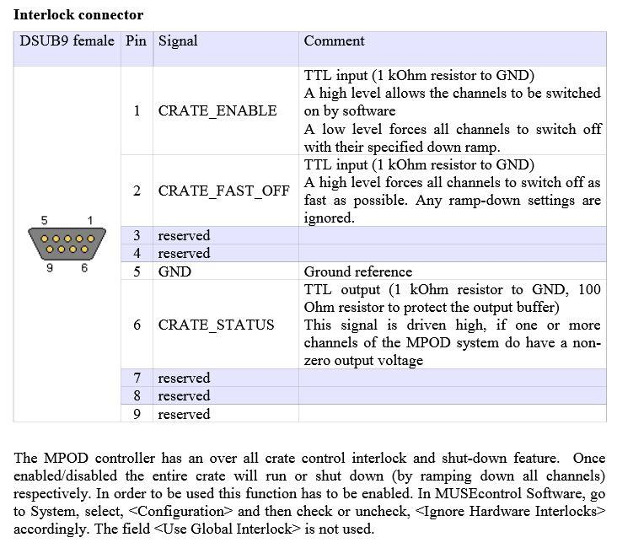

The SVT LV & HV modules do not respond identically to a crate disable event.
Both modules respond correctly by ramping down at their programmed rate at the removal of the CRATE_ENABLE signal however,
after the crate disable event, the LV modules automatically reset upon the return of the CRATE_ENABLE signal.
The HV modules do not automatically reset and require an EPICS hard reset to recover.

Block Diagram
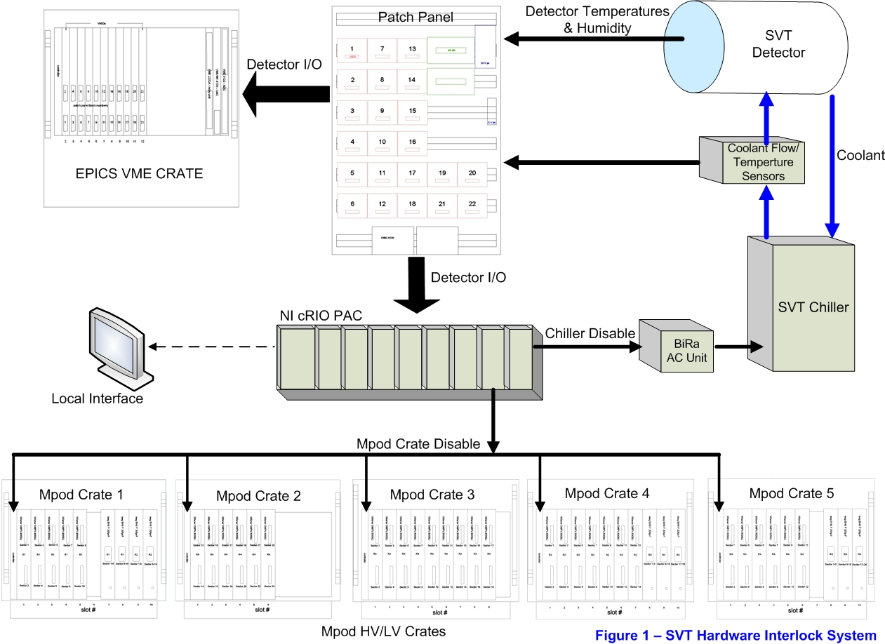

Fault Chart 1
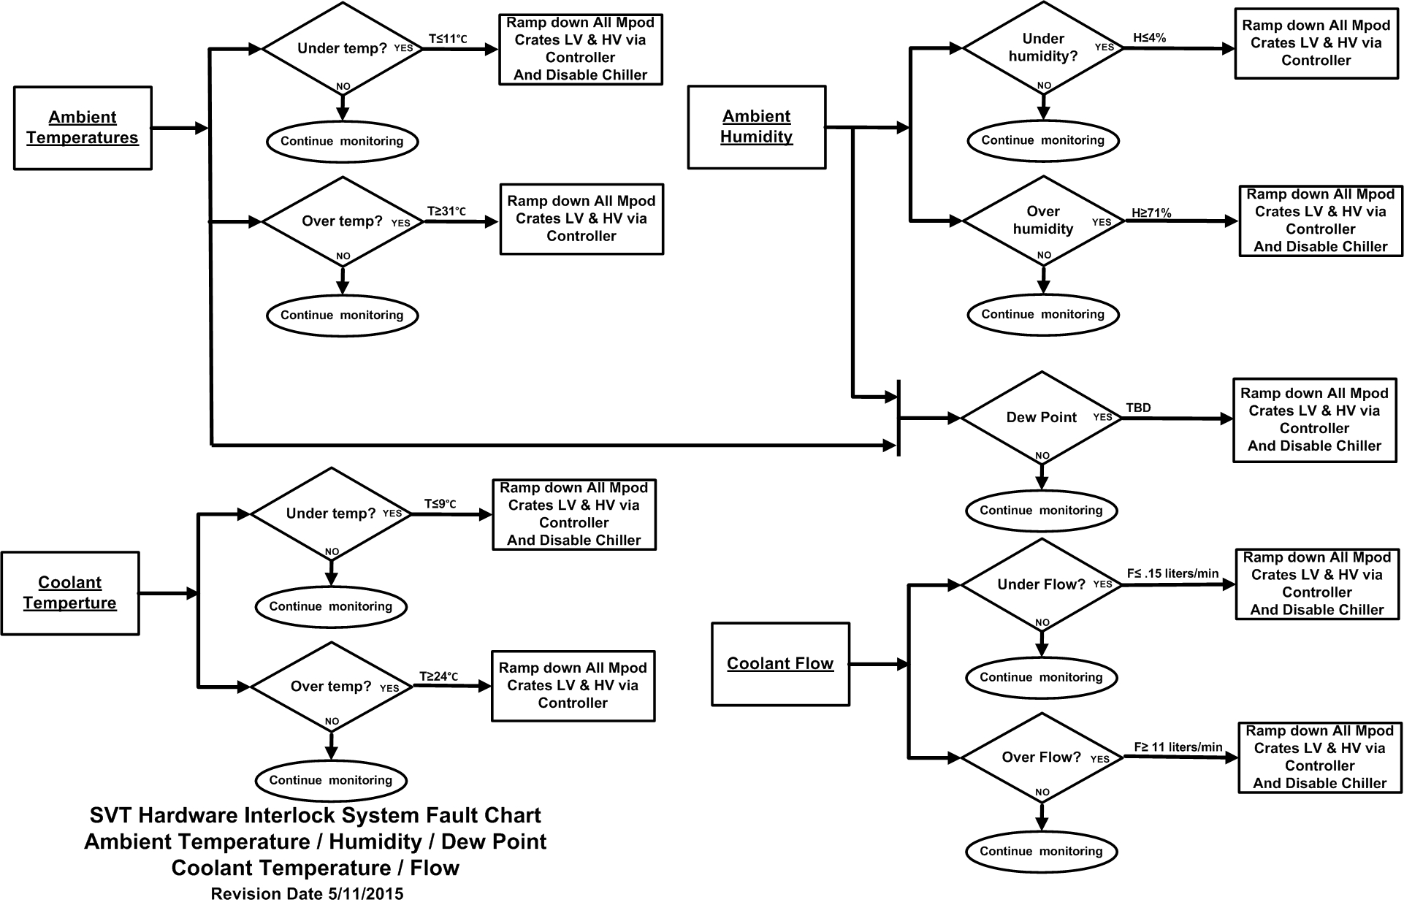

Fault Chart 2
