Vehicle info
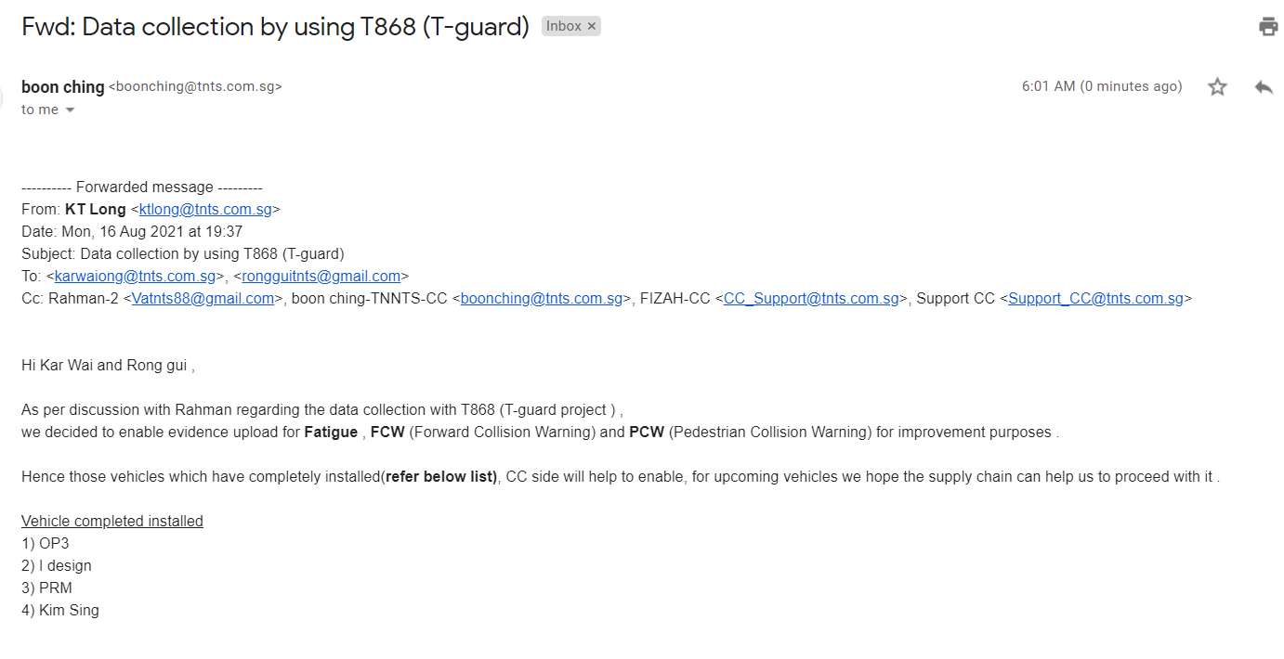
Index | Vehicle ID | Parent-Fleet | Customer Allow | Analysis Required | Server | Blind Test Start Day | Blind Test Last Day | Open Test Start Day | Open Test Last Day | Progress status | PIC
1 | YP6112R | OP3 Creative | BT & OT | NO | tnts-eye2a.dvrdns.org | started on 2021.08.17 | Until 2021.08.30 | starting on 2021.08.31 | Until 2021.09.13 | started on 2021.08.17 | Lee

