Sheet1
Source -> | M. Kathiresan | H.L. Bos | Source 3 | Source 4 | Sage Journals | Source 6 |  | Final Data:
URL -> | https://www.researchgate.net/publication/259368776_Kathiresan_M_Manisekar_K_And_Manikandan_V_Performance_analysis_of_fiber_metal_laminated_thin_conical_frusta_under_axial_compression_Composite_Structures_94_2012_3510-3519 | https://doi.org/10.1023/B:JMSC.0000017779.08041.49 | Optidat UPWIND (see teams) |  | https://journals.sagepub.com/doi/epub/10.1177/1528083719874479 | URL6 | - | Avg | Std
Fibre Volume [%] | 60 | 40 | 49.64 | 50.66 | 35 |  |  | 47.06 | 8.7446806688
Density [kg/m^3] | 1800 | 2560 | 1800 | 1830 | 1643 |  |  | 1926.6 | 323.42269555
Stiffness [GPa] | 30.9 | 54.5 | 39.065 | 37.9725 | 27.97 |  |  | 38.0815 | 9.2126290493
T Strength [MPa] | 798 | 1950 | 765.53 | 830.085 | 1261.5 |  |  | 1121.023 | 452.17268946
T Toughness [MJ/m^3] | 10.304271845 | 25.016447368 | 7.5306628232 | 9.2700270042 | 28.4480202 |  |  | 16.113885848 | 8.7823482973
C Strength [MPa] | 480 | 595 | 510.255 | 452.63 | 740.3 |  |  | 555.637 | 103.9622942
C Toughness [MJ/m^2] | 3.7281553398 | 5.3640151515 | 3.3192269891 | 2.6414893876 | 9.7969983911 |  |  | 4.9699770518 | 2.5746593084
Shear Stress [MPa] | 70 | 65.4 |  |  | 148 |  |  | 94.466666667 | 37.900337143

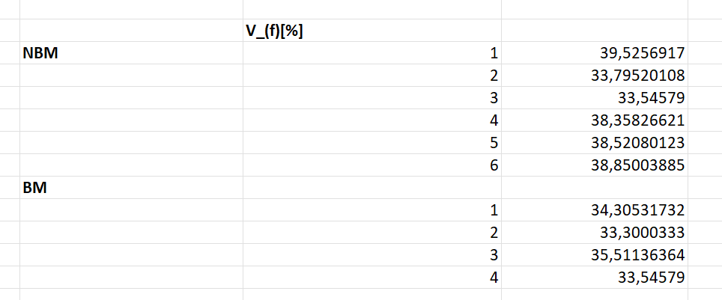

Source 2: H.L. Bos | Tension | Compression
Fiber Volume[%] | 30 | 50
Density [kg/m^3] | 2560 | 2560
Stiffness [GPa] | 76 | 33
Strength [MPa] | 1950 | 595
Toughness [MJ/m^2] | 25.016447368 | 5.3640151515
Shear Stress [MPa] | 65.4 | 65.4

Source 3: Optidat (see teams), 4 layer composite | Tension (30, sample number) | Compression (85, sample number)
Fiber Volume[%] | 49.49 | 49.79
Density [kg/m^3] | 1790 | 1810
Stiffness [GPa] | 38.91 | 39.22
Strength [MPa] | 765.53 | 510.255 |  |  |  |  |  | *This image is from another excel that I added to the Teams with the name: VolumeFracCalc
Toughness [MJ/m^2] | 7.5306628232 | 3.3192269891
Shear Stress [MPa]

Source 4: Optidat (see teams), 4 layer composite | Tension (27) | Compression (27)
Fiber Volume[%] | 50.66 | 50.66
Density [kg/m^3] | 1830 | 1830
Stiffness [GPa] | 37.165 | 38.78
Strength [MPa] | 830.085 | 452.63
Toughness [MJ/m^2] | 9.2700270042 | 2.6414893876
Shear Stress [MPa]

Source 5: Sage Journals | Tension | Compression
Fiber Volume[%] | 35 | 35
Density [kg/m^3] | 1643 | 1643
Stiffness [GPa] | 27.97 | 27.97
Strength [MPa] | 1261.5 | 740.3
Toughness [MJ/m^2] | 28.4480202 | 9.7969983911
Shear Stress [MPa] | 148 | 148

Source 6: Optidat (see teams), 7 layer composite | Tension (104) | Compression (104)
Fiber Volume[%] | 53.73 | 53.73
Density [kg/m^3] | 1920 | 1920
Stiffness [GPa] | 14.87 | 15.77
Strength [MPa] | 149.885 | 452.63
Toughness [MJ/m^2] | 0.75539721671 | 6.4956853805
Shear Stress [MPa]

