Лист1
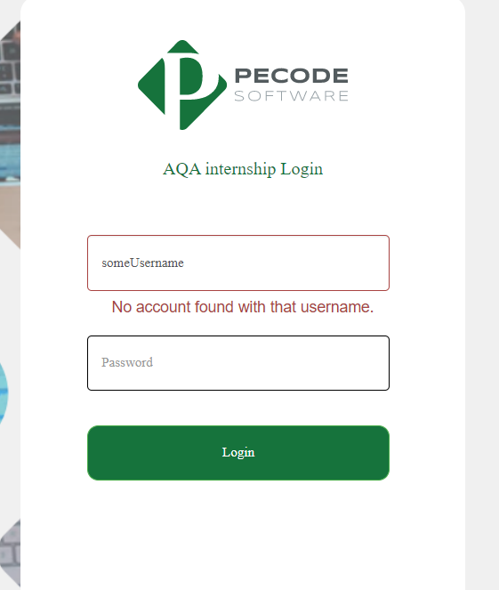
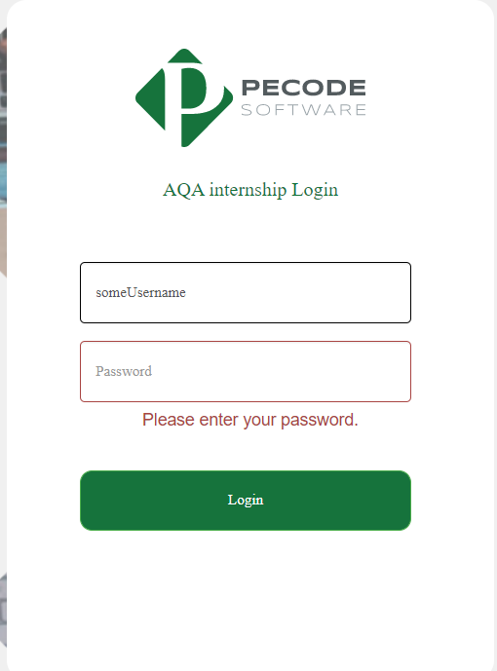
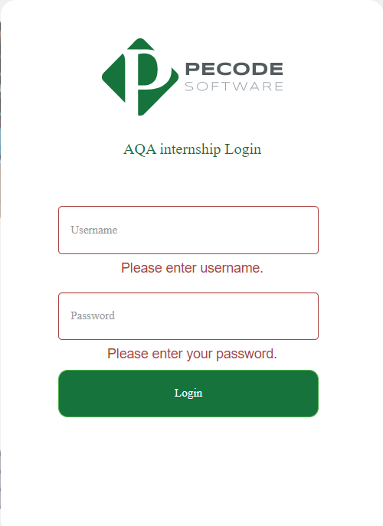
Test case id: | 1 |  |  |  | Test case id: | 2 |  |  |  | Test case id: | 3

Tittle: |  |  |  |  | Tittle: |  |  |  |  | Tittle:
Unsuccessful authorization on pecodesoftware website with invalid data Chrome |  |  |  |  | Login to the website using empty password |  |  |  |  | Login to the website using empty data

Description |  |  |  |  | Description |  |  |  |  | Description
Unsuccessful user login to the pecodesoftware.com with invalid credentials using Google Chrome browser |  |  |  |  | Login to the website pecodesoftware.com with empty password using Google Chrome browser |  |  |  |  | Login to the website pecodesoftware.com with empty data using Google Chrome browser

Priority |  | Automated |  | Enviroment: | Priority |  | Automated |  | Enviroment: | Priority |  | Automated |  | Enviroment:
High |  | Yes |  | Google Chrome 102.0.5005.115 | High |  | Yes |  | Google Chrome 102.0.5005.115 | High |  | Yes |  | Google Chrome 102.0.5005.115

Precontidions: |  |  |  |  | Precontidions: |  |  |  |  | Precontidions:
1.The user is registered |  |  |  |  | 1.The user is registered |  |  |  |  | 1.The user is registered
2.The user is not blocked |  |  |  |  | 2.The user is not blocked |  |  |  |  | 2.The user is not blocked

Steps: |  |  | Expected result: |  | Steps: |  |  | Expected result: |  | Steps: |  |  | Expected result:
1.open https://www.pecodesoftware.com/qa-portal/registerlogin/registerlogin.php |  |  | 1.authorization page of the site is on the screen |  | 1.open https://www.pecodesoftware.com/qa-portal/registerlogin/registerlogin.php |  |  | 1.authorization page of the site is on the screen |  | 1.open https://www.pecodesoftware.com/qa-portal/registerlogin/registerlogin.php |  |  | 1.authorization page of the site is on the screen

2.enter "someUsername" to the username field and "somePassword" to the password field |  |  | 2. Fields are not empty and you see your entered data in fields respectively |  | 2.enter "someUsername" to the username field and remain empty the password field |  |  | 2. Username field is not empty and password field is empty |  | 2.remain empty password and login fields |  |  | 2. Fields are empty

3. Press Login button |  |  | 3. Unsuccessfully authorized, authorization page of the site is on the screen, error message "No account found with that username." displayed |  | 3. Press Login button |  |  | 3. Unsuccessfully authorized, authorization page of the site is on the screen, error message "Please enter your password." displayed |  | 3. Press Login button |  |  | 3. Unsuccessfully authorized, authorization page of the site is on the screen, error messages "Please enter username." , "Please enter your password." are displayed

