Test Plan
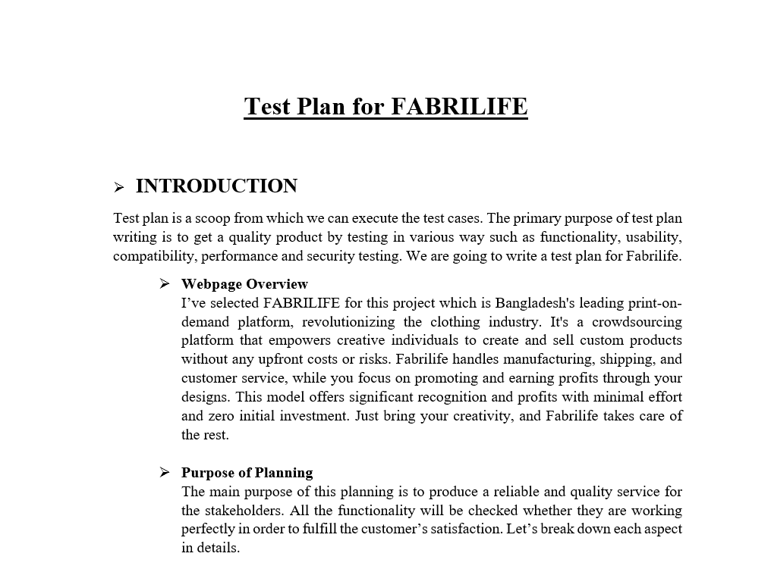
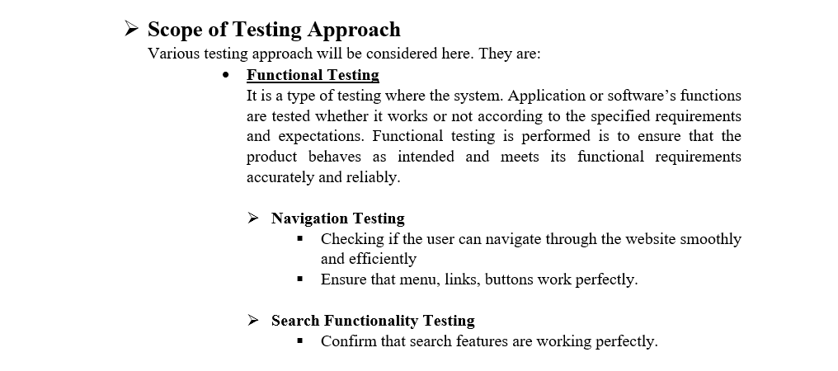
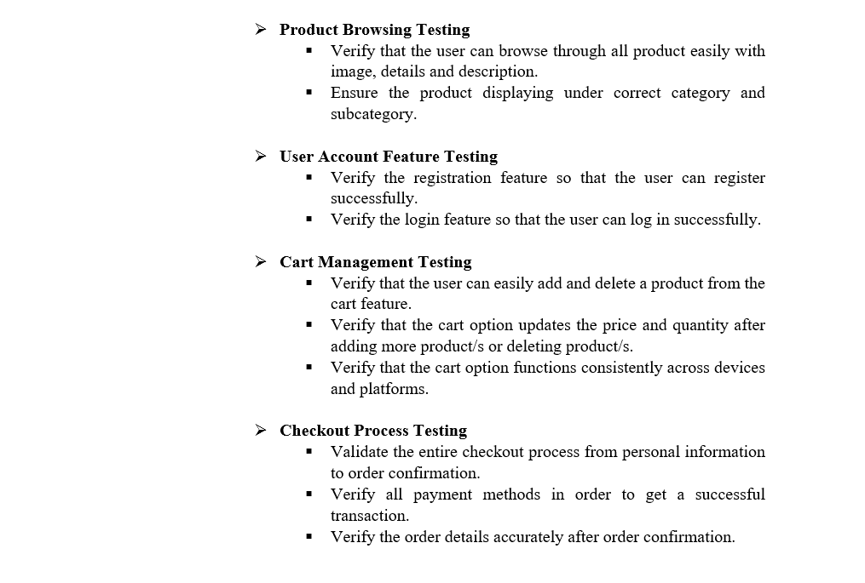
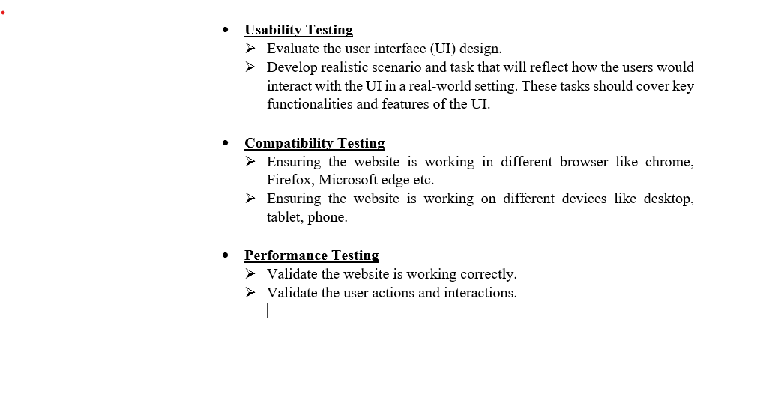
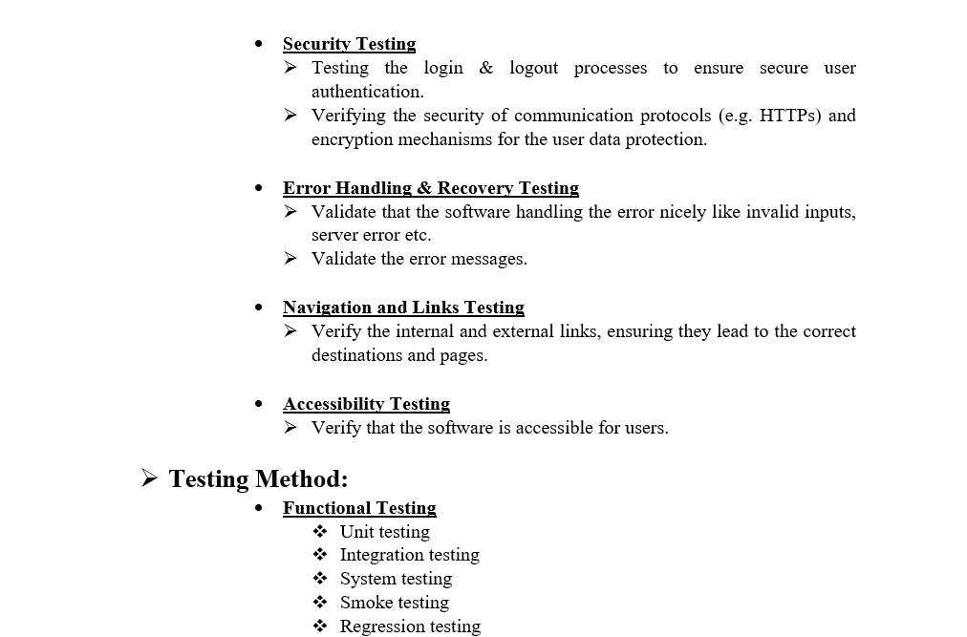
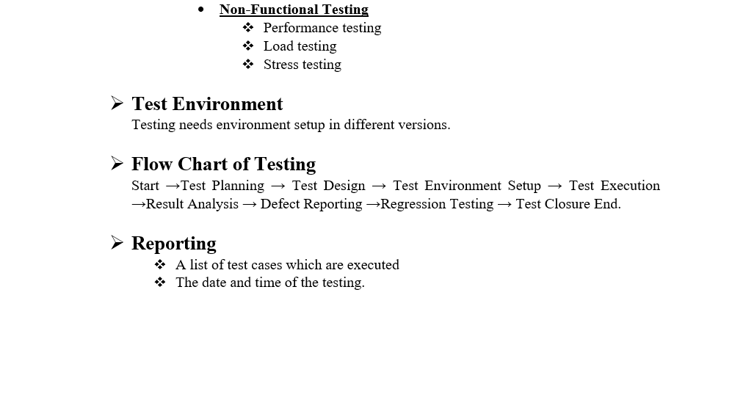
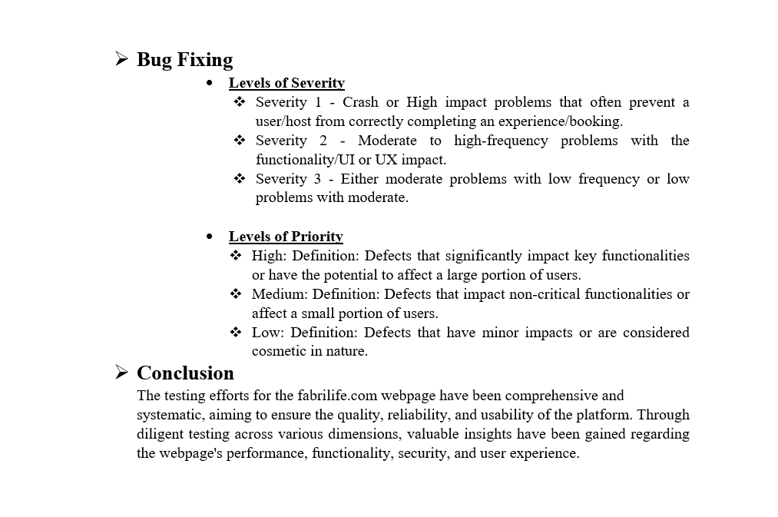

Mind Maps
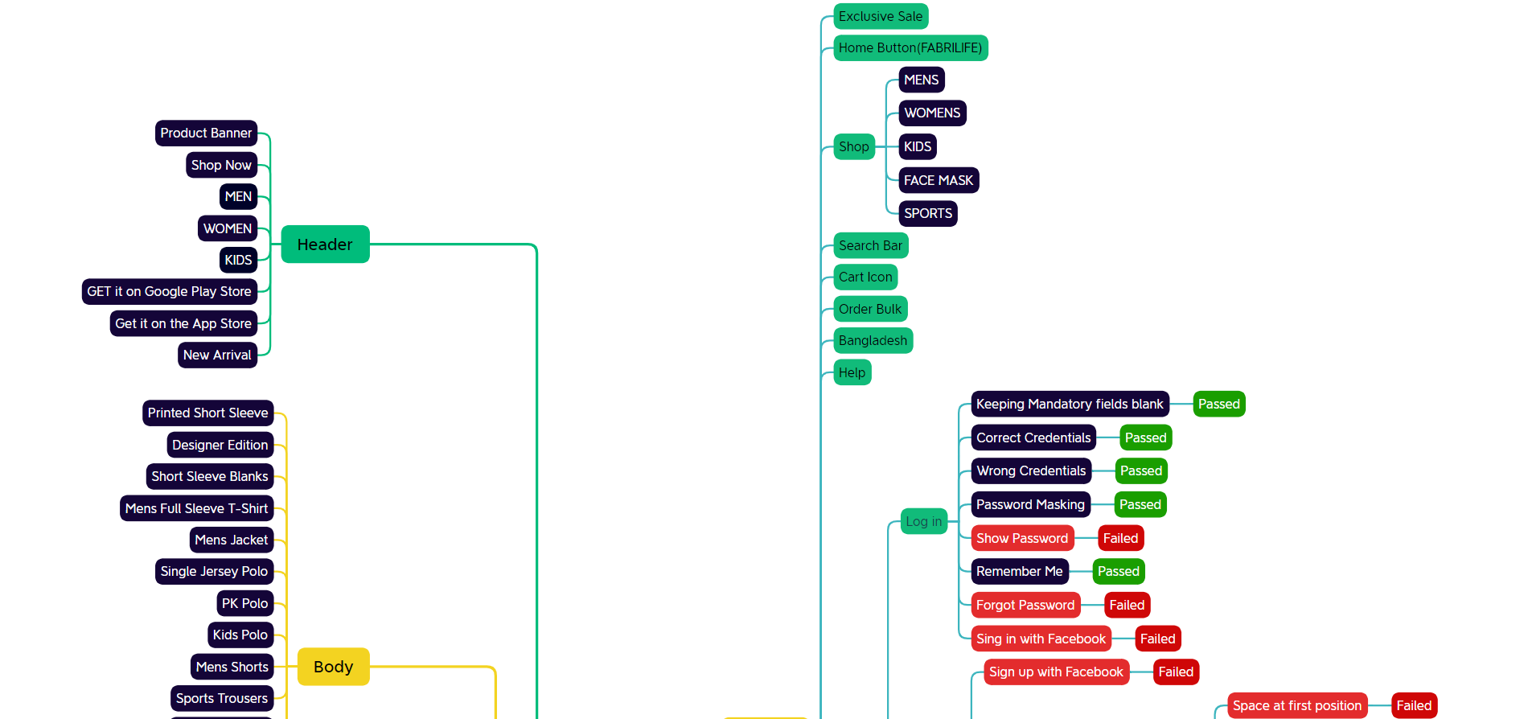
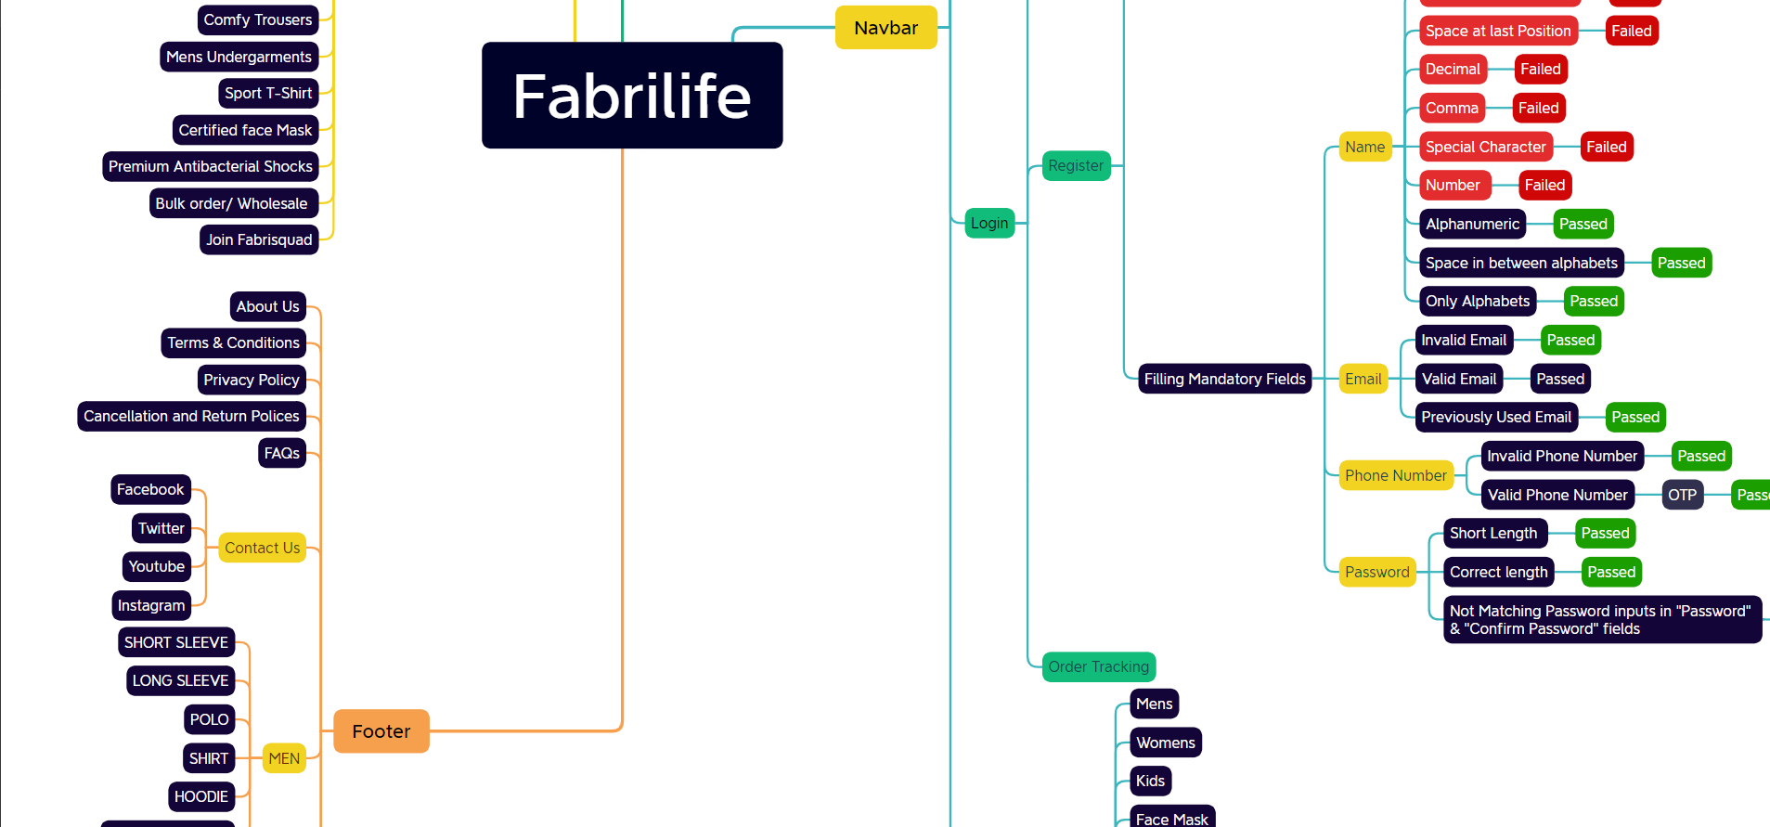

Report
Test Case Report
Project Name | Fabrilife
Module Name | Register & Log in |  |  |  |  | Total No. | Status | Result :
Test Case Version |  |  |  |  |  | 53 | PASS
Written By | Jekrul Islam |  |  |  |  | 13 | FAIL
Executed By | Jekrul islam |  |  |  |  | 0 | Not Executed | New Features | Testing Scope | Testing Environment : | Google Chrome Browser
Reviewed By |  |  |  |  |  | 0 | Out of Scope
TEST EXECUTION REPORT

Test Cases
Test Case | PASS | FAIL | Not Executed | Out Of Scope | Total TC
 | 53 | 13 | 0 | 0 | 66
Grand Total | 53 | 13 | 0 | 0 | 66

LIMITATIONS
Documents |  |  |  | Received | Useful
PRD |  |  |  | No | No
USER STORY |  |  |  | No | No

 | Testing Type in Scope | Description

Yes/ No. Justification (If No): | Functional Testing | This type of testing ignores the internal parts and focuses only on the output to check if it is as per the requirement or not.

Yes/ No. Justification (If No): | Integration Testing | Testing of all integrated modules to verify the combined functionality after integration is termed as Integration Testing.

Yes/ No. Justification (If No): | Negative Testing | Testing having the mindset of “attitude to break” using incorrect data and invalid inputs.

Yes/ No. Justification (If No): | Usability Testing | Test application from user friendliness perspective.

Yes/ No. Justification (If No): | Browser Compatibility Testing | Browser Compatibility Testing is performed for web applications and it ensures that the software can run with the combination of different browser and operating system. This type of testing also validates whether web application runs on all versions of all browsers or not.

Yes/ No. Justification (If No): | Boundary Value Testing | There is an upper and lower boundary for each range and testing is performed on these boundary values.

Yes/ No. Justification (If No): | Risk Based Testing Or Regression Testing | Risk-Based Testing includes testing of highly critical functionality, which has the highest impact on business and in which the probability of failure is very high. Testing an application as a whole for the modification in any module or functionality is termed as Regression Testing.

