Sheet1
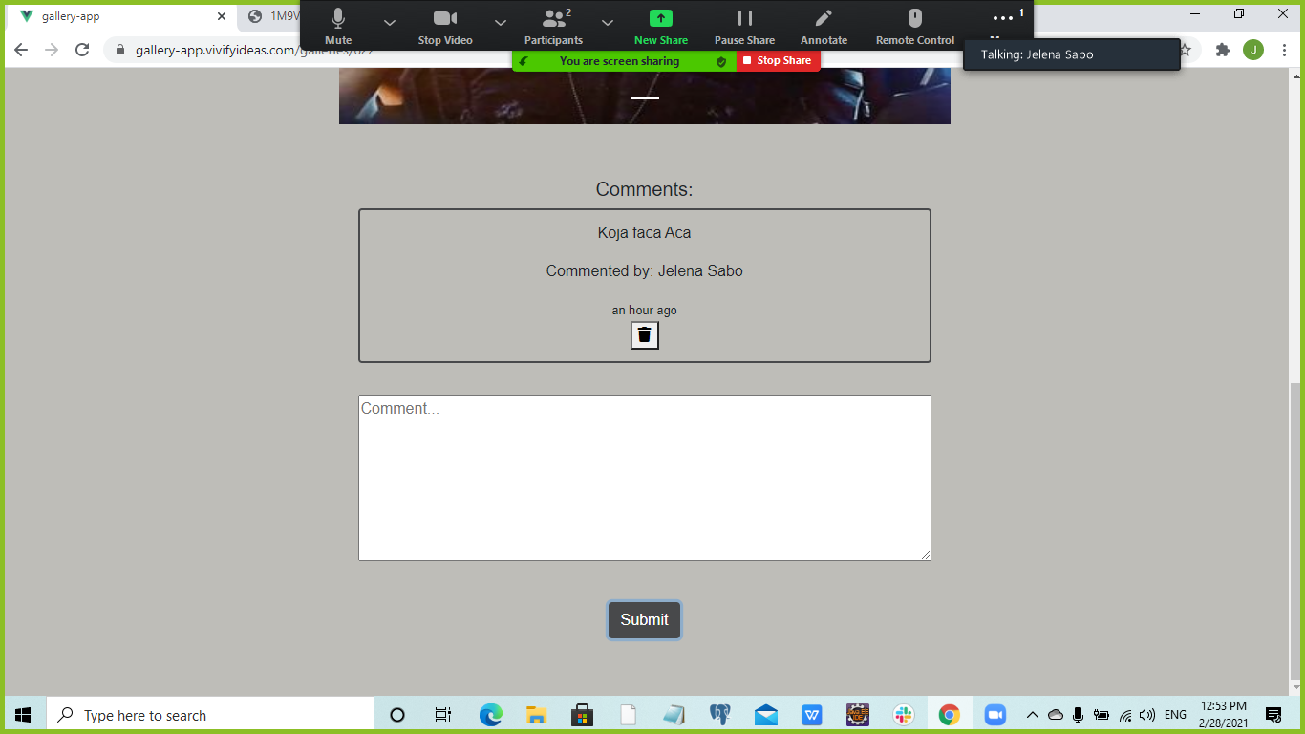
Test Case ID | Preconditions | Test Case Name | Test Steps | Test Data | Expected result | Bug Report
#1 | User is logged in and has created a gallery | Verify editing gallery title | Click on "My galleries" |  | "My galleries" is visible
 |  |  | Click on gallery title we want to edit | Mesec | Gallery is open
 |  |  | Click on edit button |  | Editing page is opened
 |  |  | Change the name of the gallery | Silvester | New name is visible
 |  |  | Click "Submit" |  | The name of the gallery has been successfully changed

#2 | User is logged in and has created a gallery | Verify editing gallery description when there is no description | Click on "My galleries"
 |  |  | Click on gallery title
 |  |  | Click on edit button
 |  |  | Click on Description field
 |  |  | Enter description | Pun mesec
 |  |  | Click "Submit"

#3 | User is logged in and has created a gallery | Verify editing gallery

