Correlation Matrix
 | Wellness Used | 01 Explores Broadly and Innovates | 02 Thinks Critically and Shares Ideas | 03 Understands our Business | 04 Manages Complexity | 05 Engages and Influences Others | 06 Attracts, Develops and Retains Talent | 07 Drive for Results | 08 Optimizes Work Processes | 09 Builds and applies self insight | 10 Demonstrates resilience and adaptability
Wellness Used | 1 | -0.11156273843 | -0.12716369133 | -0.12466952777 | -0.12366518227 | 0.036499625229 | -0.0086879928612 | -0.096313833021 | -0.039629222451 | -0.02403219021 | -0.043119059956
01 Explores Broadly and Innovates | -0.11156273843 | 1 | 0.41664795943 | 0.31999978192 | 0.39751477693 | 0.29852553704 | 0.28348160477 | 0.40395523731 | 0.38115995784 | 0.33763660181 | 0.31884710528
02 Thinks Critically and Shares Ideas | -0.12716369133 | 0.41664795943 | 1 | 0.35676114255 | 0.4360079335 | 0.42198530014 | 0.32938708859 | 0.377440943 | 0.33621957913 | 0.41285512382 | 0.31528245214
03 Understands our Business | -0.12466952777 | 0.31999978192 | 0.35676114255 | 1 | 0.3401930312 | 0.26265790797 | 0.23383624941 | 0.35662364656 | 0.23325762321 | 0.26125459472 | 0.28065545239
04 Manages Complexity | -0.12366518227 | 0.39751477693 | 0.4360079335 | 0.3401930312 | 1 | 0.41144690764 | 0.3223263427 | 0.42256419308 | 0.42997507479 | 0.33864928445 | 0.45046067256
05 Engages and Influences Others | 0.036499625229 | 0.29852553704 | 0.42198530014 | 0.26265790797 | 0.41144690764 | 1 | 0.41509272756 | 0.38972157072 | 0.25678122363 | 0.42964463378 | 0.35993034992
06 Attracts, Develops and Retains Talent | -0.0086879928612 | 0.28348160477 | 0.32938708859 | 0.23383624941 | 0.3223263427 | 0.41509272756 | 1 | 0.32322690504 | 0.30159999263 | 0.31408906247 | 0.27968621412
07 Drive for Results | -0.096313833021 | 0.40395523731 | 0.377440943 | 0.35662364656 | 0.42256419308 | 0.38972157072 | 0.32322690504 | 1 | 0.32916350344 | 0.33752936009 | 0.39316461146
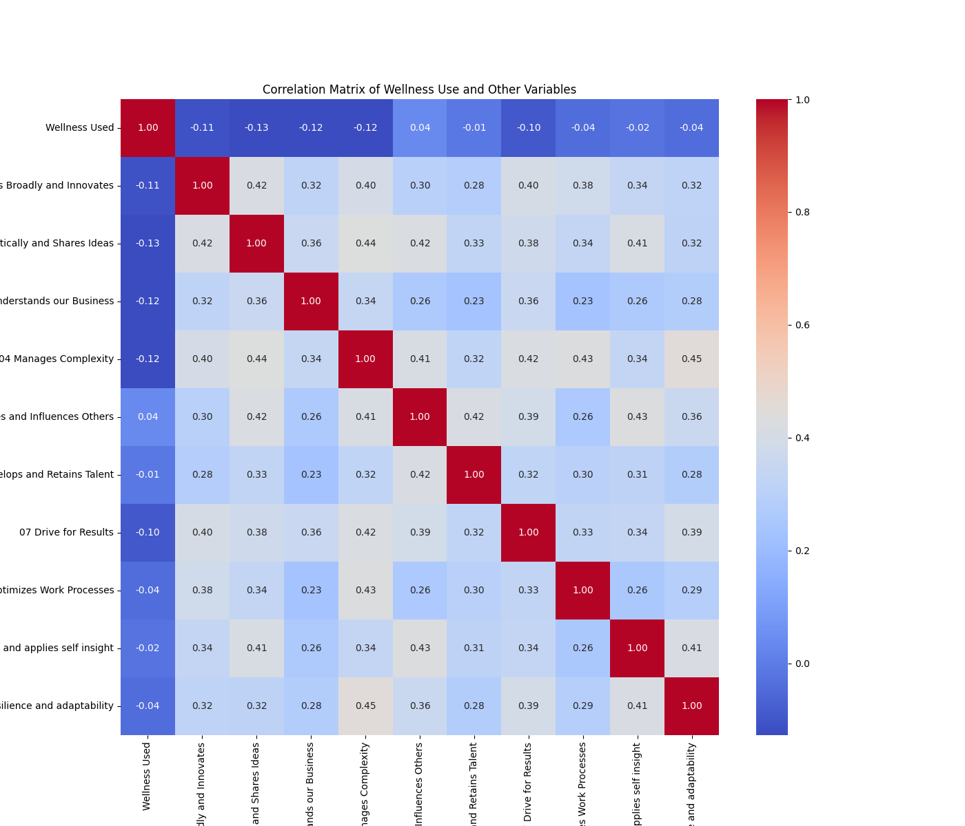
08 Optimizes Work Processes | -0.039629222451 | 0.38115995784 | 0.33621957913 | 0.23325762321 | 0.42997507479 | 0.25678122363 | 0.30159999263 | 0.32916350344 | 1 | 0.2554939691 | 0.29043903459
09 Builds and applies self insight | -0.02403219021 | 0.33763660181 | 0.41285512382 | 0.26125459472 | 0.33864928445 | 0.42964463378 | 0.31408906247 | 0.33752936009 | 0.2554939691 | 1 | 0.41459034524
10 Demonstrates resilience and adaptability | -0.043119059956 | 0.31884710528 | 0.31528245214 | 0.28065545239 | 0.45046067256 | 0.35993034992 | 0.27968621412 | 0.39316461146 | 0.29043903459 | 0.41459034524 | 1

